Power Info
 |  |  |  | Kvadratroten av 3
 |  |  |  | 1.7320508076

 | 230 V | Ampere | Watt | Phase
 |  | 63 A | 25097 W | 3 Phase
 |  | 32 A | 12748 W | 3 Phase
 |  | 16 A | 6374 W | 3 Phase
 |  | 16 A | 3680 W | 1 Phase
 |  | 125 A | 49796 W | 3 Phase

 | 400 V | Ampere | Watt | Phase
 |  | 63 A | 43648 W | 3 Phase
 |  | 32 A | 22170 W | 3 Phase
 |  | 16 A | 11085 W | 3 Phase
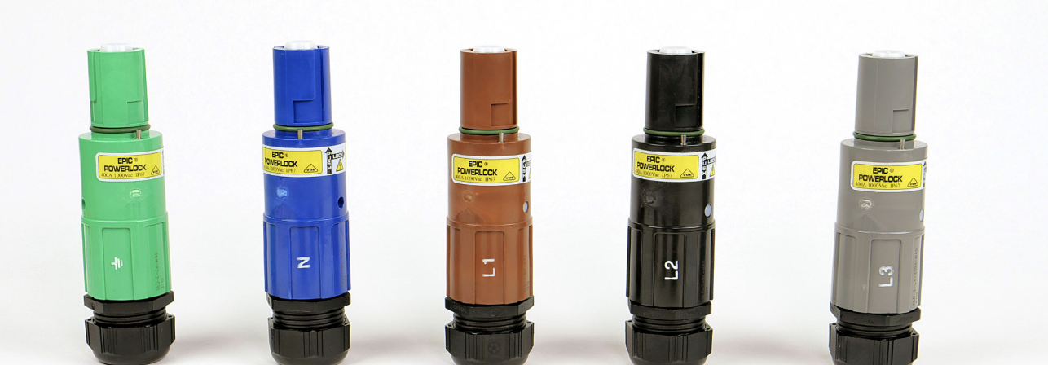
 |  | 16 A | 6400 W | 1 Phase
 |  | 125 A | 86603 W | 3 Phase
Powerlock | 400 V | 400 A | 277128 W

 | Power Choices: | Wattage
 | 230V 32A | 12748 W
 | 400V 32A | 22170 W
 |  |  |  |  | Insert order:
 |  |  |  |  | Jordleder | Grønn
 |  |  |  |  | Nøytral leder | Blå
 |  |  |  |  | L1 Fase 1 | Brun
 |  |  |  |  | L2 Fase 2 | Svart
 |  |  |  |  | L3 Fase 3 | Grå

