QCC3044_VFBGA
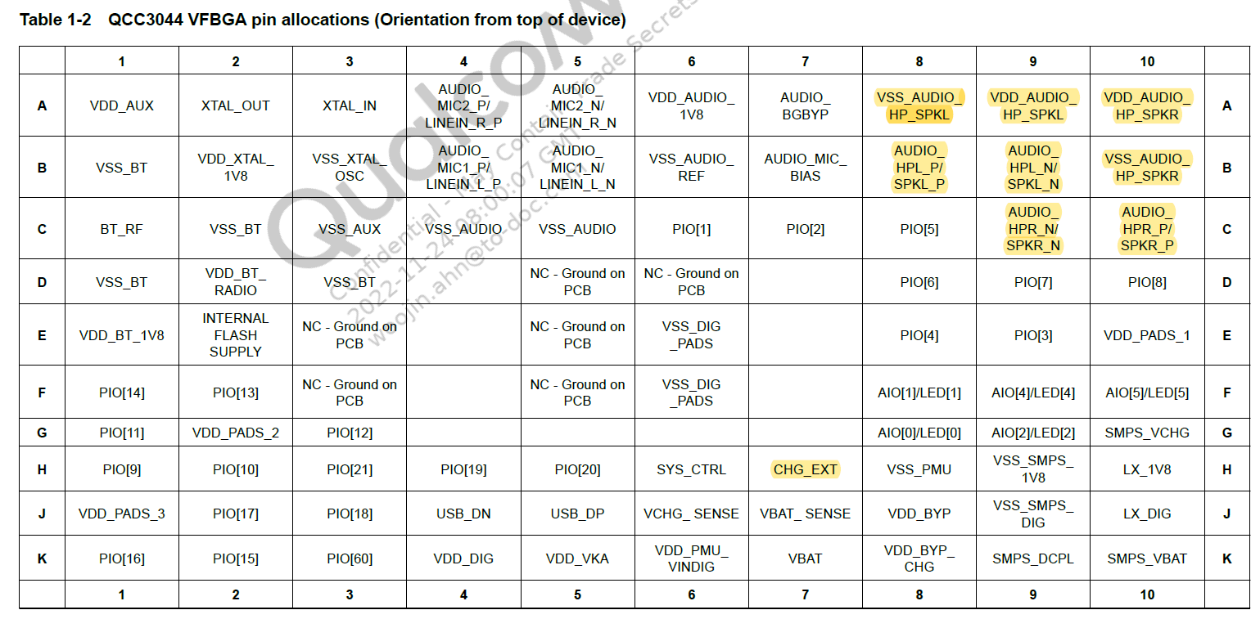
PAD Location | No. | Signal name (USER) | Pin name | Type | dir | Reset State | Voltage (Typ.) | Power Domain | Description (USER) | 수정날짜
A1 | 1 |  | VDD_AUX | Power | O | - | 1.8 |  | 1.8 V supply for AUX.
A2 | 2 | XTAL_OUT | XTAL_OUT | XTAL | I | - | 1.2 | VDD_XTAL_1V8 | XTAL clock output.
A3 | 3 | XTAL_IN | XTAL_IN | XTAL | I | - | 1.2 | VDD_XTAL_1V8 | XTAL clock input.
A4 | 4 | - | AUDIO_MIC2_P/LINEIN_R_P | Analog | I | - | 1.8 | VDD_AUDIO_1V8 | Microphone differential 2 input, positive
A5 | 5 | - | AUDIO_MIC2_N/ LINEIN_R_N | Analog | I | - | 1.8 | VDD_AUDIO_1V8 | Microphone differential 2 input, negative
A6 | 6 | - | VDD_AUDIO_1V8 | Power | O | - | 1.8 | VDD_AUDIO_1V8 | 1.8 V supply for analog audio.
A7 | 7 | - | AUDIO_BGBYP | Analog | IO | - | 1.8 | VDD_AUDIO_1V8 | Audio bandgap decoupling I/O.
A8 | 8 | GND | VSS_AUDIO_HP_SPKL | GND | O | - | - | - | Ground VSS for HP/SPK. | 22.11.29
A9 | 9 | - | VDD_AUDIO_HP_SPKL | Power | O | - | 1.8 | VDD_AUDIO_1V8 | 1.8 V supply for HP/SPK output | 22.11.29
A10 | 10 | - | VDD_AUDIO_HP_SPKR | Power | O | - | 1.8 | VDD_AUDIO_1V8 | 1.8 V supply for HP/SPK output | 22.11.29
B1 | 1 | GND | VSS_BT | GND | O | - | - | - | Ground connection for Bluetooth.
B2 | 2 | - | VDD_XTAL_1V8 | Power | O | - | 1.8 | - | 1.8 V supply for XTAL driver.
B3 | 3 | GND | VSS_XTAL_OSC | GND | O | - | - | - | Ground connection for crystal oscillator
B4 | 4 | PD | AUDIO_MIC1_P/LINEIN_L_P | Analog | I | - | 1.8 | VDD_AUDIO_1V8 | Microphone differential 1 input, positive.Alternative function
B5 | 5 | PD | AUDIO_MIC1_N/LINEIN_L_N | Analog | I | - | 1.8 | VDD_AUDIO_1V8 | Microphone differential 1 input, negative. Alternative function
B6 | 6 | GND | VSS_AUDIO_REF | GND | O | - | - | - | Ground for audio reference
B7 | 7 | - | AUDIO_MIC_BIAS | Analog | O | - | 1.8 | VDD_AUDIO_1V8 | Mic bias output.
B8 | 8 | L_SPK+ | AUDIO_ HPL_P/SPKL_P | Analog | O | - | 1.8 | VDD_AUDIO_HP_SPKL | Headphone/speaker differential output, negative. Alternative function | 22.11.29
B9 | 9 | L_SPK- | AUDIO_ HPL_N/SPKL_N | Analog | O | - | 1.8 | VDD_AUDIO_HP_SPKL | Headphone/speaker differential output, positive. Alternative function | 22.11.29
B10 | 10 | GND | VSS_AUDIO_HP_SPKR | GND | O | - | - | - | Ground VSS for HP/SPK. | 22.11.29
C1 | 1 | BT_RF | BT_RF | RF | - | - | - | VDD_BT_RADIO | Bluetooth transmit/receive.
C2 | 2 | GND | VSS_BT | GND | O | - | - | - | Ground connection for Bluetooth.
C3 | 3 | GND | VSS_AUX | GND | O | - | - | - | Ground connection for AUX circuits.
C4 | 4 | GND | VSS_AUDIO | GND | O | - | - | - | Ground for audio circuits
C5 | 5 | GND | VSS_AUDIO | GND | O | - | - | - | Ground for audio circuits
C6 | 6 | SYS_RESET | PIO[1] | Digital | IO | Strong_PU | 1.8 | VDD_PADS_1 | 시스템 리셋 제어 & 크래들 탈착시 리셋 회로 적용 예정
C7 | 7 | TEST_PIN_2 | PIO[2] | Digital | IO | Weak_PD | 1.8 | VDD_PADS_1 | TEST PIN
C8 | 8 | QCC_CTRL0 | PIO[5] | Digital | IO | Weak_PD | 1.8 | VDD_PADS_1 | System State Check
C9 | 9 | R_SPK+ | AUDIO_ HPR_N/SPKR_N | Analog | O | - | 1.8 | VDD_AUDIO_HP_SPKR | Headphone/speaker differential output, positive. Alternative function | 22.11.29
C10 | 10 | R_SPK+ | AUDIO_ HPR_P/SPKR_P | Analog | O | - | 1.8 | VDD_AUDIO_HP_SPKR | Headphone/speaker differential output, positive. Alternative function | 22.11.29
D1 | 1 | GND | VSS_BT | GND | O | - | - | - | Ground connection for Bluetooth.
D2 | 2 | - | VDD_BT_RADIO | POWER | O | - | 1.6 | - | Internally regulated supply for Bluetooth radio.
D3 | 3 | GND | VSS_BT | GND | O | - | - | - | Ground connection for Bluetooth.
D4 | 4 | - | - | - | - | - | - | - | -
D5 | 5 | NC | NC-Ground on PCB | - | - | - | - | - | -
D6 | 6 | NC | NC-Ground on PCB | - | - | - | - | - | -
D7 | 7 | - | - | - | - | - | - | - | -
D8 | 8 | QCC_UART_RX | PIO[6] | Digital | IO | Strong_PU | 1.8 | VDD_PADS_1 | STM32L412KB Communication_UART_RX
D9 | 9 | QCC_UART_TX | PIO[7] | Digital | IO | Strong_PU | 1.8 | VDD_PADS_1 | STM32L412KB Communication_UART_TX
D10 | 10 | PAD1_TEST1 | PIO[8] | Digital | IO | Weak_PD | 1.8 | VDD_PADS_1 | Programmable I/O
E1 | 1 | - | VDD_BT_1V8 | Power | O | - | 1.8 | - | 1.8 V supply for Bluetooth radio.
E2 | 2 | - | INTERNAL FLASH SUPPLY | Power | O | - | 1.8 | - | 1.8 V supply.
E3 | 3 | NC | NC-Ground on PCB | - | - | - | - | - | -
E4 | 4 | - | - | - | - | - | - | - | -
E5 | 5 | NC | NC-Ground on PCB | - | - | - | - | - | -
E6 | 6 | GND | VSS_DIG_PADS | GND | IO | - | - | - | Ground for digital I/Os.
E7 | 7 | - | - | - | - | - | - | - | -
E8 | 8 | QCC_CTRL1 | PIO[4] | Digital | IO | Weak_PD | 1.8 | VDD_PADS_1 | System State Check
E9 | 9 | TEST_PIN_1 | PIO[3] | Digital | IO | Strong_PU | 1.8 | VDD_PADS_1 | TEST PIN
E10 | 10 | - | VDD_PADS_1 | Power | O | - | 1.8 | VDD_PADS_1 | 1.8 V/3.3 V PIO supply.
F1 | 1 | PAD2_TEST6 | PIO[14] | Digital | IO | Strong_PU | 1.8 | VDD_PADS_2 | Programmable I/O
F2 | 2 | PAD2_TEST1 | PIO[13] | Digital | IO | Strong_PU | 1.8 | VDD_PADS_2 | Programmable I/O
F3 | 3 | NC | NC-Ground on PCB | - | - | - | - | - | -
F4 | 4 | - | - | - | - | - | - | - | -
F5 | 5 | NC | NC-Ground on PCB | - | - | - | - | - | -
F6 | 6 | GND | VSS_DIG_PADS | GND | IO | - | - | - | Ground for digital I/Os.
F7 | 7 | - | - | - | - | - | - | - | -
F8 | 8 | LED_GREEN | AIO[1]/LED[1] | ADC | IO | - | - | VDD_BYP | General-purpose analog/digital input or open drain LED output
F9 | 9 | USB_CC | AIO[4]/LED[4] | ADC | IO | - | - | VDD_BYP | General-purpose analog/digital input or open drain LED output
F10 | 10 | TEMP_ADC | AIO[5]/LED[5] | ADC | IO | - | - | VDD_BYP | Device Temperature monitoring
G1 | 1 | PAD2_TEST5 | PIO[11] | Digital | IO | Strong_PU | 1.8 | VDD_PADS_2 | Programmable I/O
G2 | 2 | - | VDD_PADS_2 | Power |  | - | 1.8 | VDD_PADS_2 | 1.8 V/3.3 V PIO supply.
G3 | 3 | PAD2_TEST4 | PIO[12] | Digital | IO | Weak_PD | 1.8 | VDD_PADS_2 | Programmable I/O
G4 | 4 | - | - | - | - | - | - | - | -
G5 | 5 | - | - | - | - | - | - | - | -
G6 | 6 | - | - | - | - | - | - | - | -
G7 | 7 | - | - | - | - | - | - | - | -
G8 | 8 | LED_BLUE | AIO[0]/LED[0] | ADC | IO | - | - | VDD_BYP | General-purpose analog/digital input or open drain LED output
G9 | 9 | LED_RED | AIO[2]/LED[2] | ADC | IO | - | - | VDD_BYP | General-purpose analog/digital input or open drain LED output
G10 | 10 | - | SMPS_VCHG | Power | I |  | 5 | USB_CHG | Supply to SMPS power switch from charger input.
H1 | 1 | PAD2_TEST3 | PIO[9] | Digital | IO | Weak_PD | 1.8 | VDD_PADS_2 | -
H2 | 2 | PAD2_TEST2 | PIO[10] | Digital | IO | Strong_PU | 1.8 | VDD_PADS_2 | Programmable I/O
H3 | 3 | PROX_SDA | PIO[21] | Digital | IO | Weak_PD | 1.8 | VDD_PADS_3 | Proximity Sensor SDA
H4 | 4 | TEMP_CHECK | PIO[19] | Digital | IO | Strong_PU | 1.8 | VDD_PADS_3 | Temperature Sensor operating IO
H5 | 5 | PROX_SCL | PIO[20] | Digital | IO | Strong_PU | 1.8 | VDD_PADS_3 | Proximity Sensor SCL
H6 | 6 | SYS_CTRL | SYS_CTRL | Digital input | I |  | 4.8V_MAX | VBAT | SYSTEM ON/OFF & Operation Control
H7 | 7 | - | CHG_EXT | Analog | I | - | 5.0 | VBUS | Charger Mode Selection. (2mA to 200mA or 200mA to 1800mA) | 22.11.29
H8 | 8 | GND | VSS_PMU | GND | O |  |  |  | Clean ground connection for PMU circuits
H9 | 9 | GND | VSS_SMPS_1V8 | GND | O |  |  |  | Ground pad for analog SMPS
H10 | 10 | - | LX_1V8 | Analog | I |  | 5.0 | SMPS_DCPL | Inductor connection for 1.8 V SMPS.
J1 | 1 | - | VDD_PADS_3 | Power | I |  | 1.8 | - | 1.8 V/3.3 V PIO supply
J2 | 2 | TC_POWER_MODE | PIO[17] | Digital | IO | Weak_PD | 1.8 | VDD_PADS_3 | TOUCH IC POWER Select (필요시사용)
J3 | 3 | PROX_INT | PIO[18] | Digital | IO | Weak_PD | 1.8 | VDD_PADS_3 | Proximity Sensor Interupt
J4 | 4 | USB_DN | USB_DN | Digital | O |  | 3.3 | VDD_BYP | Debugging used
J5 | 5 | USB_DP | USB_DP | Digital | O |  | 3.3 | VDD_BYP | Debugging used
J6 | 6 | VCHG_ SENSE | VCHG_ SENSE | Analog | I | USB_CHG | 5.0 |  | Charger input sense pin
J7 | 7 | VBAT_ SENSE | VBAT_ SENSE | Analog | I | VBAT | 3.7 |  | Battery voltage sense input
J8 | 8 | - | VDD_BYP | Power | O | - |  | USB_CHG | Bypass regulator decoupling.
J9 | 9 | GND | VSS_SMPS_DIG | GND | O |  |  |  | Ground pad for Digital SMPS.
J10 | 10 | - | LX_DIG | Analog |  | - | 5.0 | SMPS_DCPL | Inductor connection for digital 1.1 V SMPS.
K1 | 1 | - | PIO[16] | Digital | IO | Weak_PD | 1.8 | VDD_PADS_3 | Programmable I/O
K2 | 2 | SYS_WKUP1 | PIO[15] | Digital | IO | Weak_PD | 1.8 | VDD_PADS_3 | STM32L412KB Wake Up
K3 | 3 | PAD1_TEST2 | PIO[60] | Digital | IO | Weak_PD | 1.8 | VDD_PADS_3 | Programmable I/O
K4 | 4 | - | VDD_DIG | Power | O | - | 1.1 | - | 1.1 V supply output from digital regulator.
K5 | 5 | - | VDD_VKA | Power |  | - | 1.1 | - | Low voltage supply output from keep-alive/dormant regulator.
K6 | 6 | - | VDD_PMU_VINDIG | Power | I | - | 1.8 | - | 1.8 V supply input into digital regulator
K7 | 7 | - | VBAT | Power | I |  |  | VBAT | Battery voltage input.
K8 | 8 | - | VDD_BYP_CHG CHG | Power | I | - | 5.0 | USB_CHG | Charger input to Bypass regulator.
K9 | 9 | - | SMPS_DCPL | Analog | I | - | - | - | Analog power pad.
K10 | 10 | - | SMPS_VBAT | Digital | I | - | 3.7 | VBAT | Supply to SMPS power switch from battery.

