Word_Similarity_Matrix
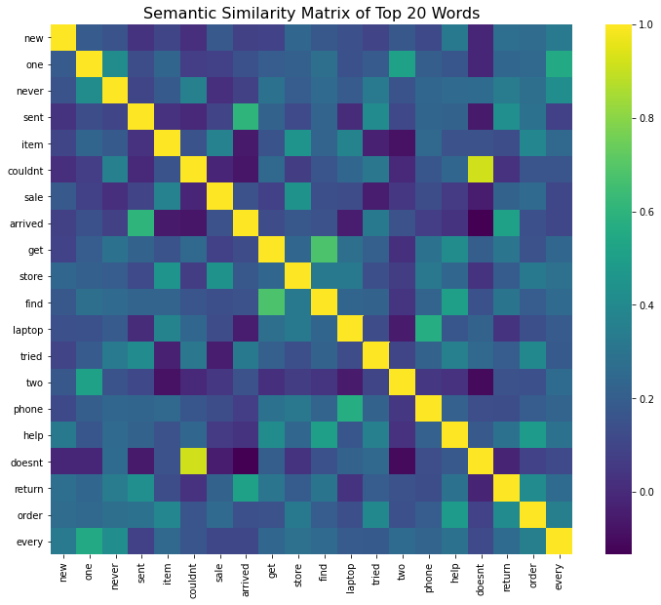
 | new | one | never | sent | item | couldnt | sale | arrived | get | store | find | laptop | tried | two | phone | help | doesnt | return | order | every
new | 1 | 0.18600235487 | 0.1563768666 | 0.032828410933 | 0.097950171776 | 0.019166282871 | 0.17690919965 | 0.085357825298 | 0.091166914724 | 0.23795319148 | 0.17257665498 | 0.14465664872 | 0.094325685579 | 0.17472871536 | 0.11815359072 | 0.32337364673 | -0.012656559709 | 0.27250907881 | 0.26010359687 | 0.32771976791
one | 0.18600235487 | 1 | 0.41332688486 | 0.12991996861 | 0.22922848046 | 0.073491534353 | 0.08254511496 | 0.14634902003 | 0.19647425933 | 0.20933882146 | 0.27349716211 | 0.14676816468 | 0.1873985889 | 0.51578450106 | 0.20056674699 | 0.17038192607 | -0.013194319717 | 0.23870431049 | 0.24602530196 | 0.5498928194
never | 0.1563768666 | 0.41332688486 | 1 | 0.098041469594 | 0.18353485772 | 0.35613523533 | 0.018298008123 | 0.083901673092 | 0.29369034609 | 0.19672700935 | 0.25297745828 | 0.18611045018 | 0.33021789055 | 0.15719665515 | 0.23511540843 | 0.25250038451 | 0.25965135889 | 0.33132937091 | 0.27658429888 | 0.41537946995
sent | 0.032828410933 | 0.12991996861 | 0.098041469594 | 1 | 0.027592530154 | -0.0045708285647 | 0.094019993908 | 0.60231696972 | 0.22164435831 | 0.1193513299 | 0.22854202057 | 0.0031281893124 | 0.40927826586 | 0.11269391642 | 0.23044641524 | 0.22056444249 | -0.054594244964 | 0.42611560045 | 0.28796401371 | 0.081497485474
item | 0.097950171776 | 0.22922848046 | 0.18353485772 | 0.027592530154 | 1 | 0.15714516501 | 0.36509461297 | -0.055783967848 | 0.1570509276 | 0.45268041073 | 0.22522200475 | 0.37421072722 | -0.029741348465 | -0.084118592986 | 0.24654939603 | 0.15118997645 | 0.15061807377 | 0.12871108892 | 0.38426212351 | 0.24566425647
couldnt | 0.019166282871 | 0.073491534353 | 0.35613523533 | -0.0045708285647 | 0.15714516501 | 1 | -0.018333577804 | -0.069047447285 | 0.24261776218 | 0.06663715615 | 0.15996352917 | 0.23795589669 | 0.31743410469 | -0.010008797854 | 0.17013802226 | 0.23738383948 | 0.91939771801 | 0.025999215808 | 0.16019753539 | 0.15997635416
sale | 0.17690919965 | 0.08254511496 | 0.018298008123 | 0.094019993908 | 0.36509461297 | -0.018333577804 | 1 | 0.15131051646 | 0.081614066667 | 0.44298358306 | 0.13824288031 | 0.12351095563 | -0.048629736116 | 0.047005671594 | 0.12824315323 | 0.061482857517 | -0.042721746459 | 0.22022526071 | 0.25253306181 | 0.10641492255
arrived | 0.085357825298 | 0.14634902003 | 0.083901673092 | 0.60231696972 | -0.055783967848 | -0.069047447285 | 0.15131051646 | 1 | 0.12661517196 | 0.17571867341 | 0.15333422399 | -0.047892677214 | 0.32261652142 | 0.15040709477 | 0.071465888121 | 0.032822548355 | -0.13421925496 | 0.51089615903 | 0.14279202853 | 0.10812883865
get | 0.091166914724 | 0.19647425933 | 0.29369034609 | 0.22164435831 | 0.1570509276 | 0.24261776218 | 0.081614066667 | 0.12661517196 | 1 | 0.23596826516 | 0.67821206814 | 0.27357558004 | 0.20400572148 | 0.024615733152 | 0.2931644032 | 0.41337348571 | 0.20213864397 | 0.30861425223 | 0.15189414659 | 0.23506522469
store | 0.23795319148 | 0.20933882146 | 0.19672700935 | 0.1193513299 | 0.45268041073 | 0.06663715615 | 0.44298358306 | 0.17571867341 | 0.23596826516 | 1 | 0.32289543125 | 0.32273059259 | 0.13936732698 | 0.065677639438 | 0.31955100798 | 0.23957231782 | 0.033479075978 | 0.19140377509 | 0.3251622753 | 0.28414571915
find | 0.17257665498 | 0.27349716211 | 0.25297745828 | 0.22854202057 | 0.22522200475 | 0.15996352917 | 0.13824288031 | 0.15333422399 | 0.67821206814 | 0.32289543125 | 1 | 0.23198126223 | 0.22271031401 | 0.04014552187 | 0.22492171137 | 0.4993747455 | 0.14515365569 | 0.30431416626 | 0.19678993952 | 0.25512576746
laptop | 0.14465664872 | 0.14676816468 | 0.18611045018 | 0.0031281893124 | 0.37421072722 | 0.23795589669 | 0.12351095563 | -0.047892677214 | 0.27357558004 | 0.32273059259 | 0.23198126223 | 1 | 0.1228476661 | -0.054077033589 | 0.568958046 | 0.16917770673 | 0.22144656569 | 0.033750565937 | 0.13701300418 | 0.18595081317
tried | 0.094325685579 | 0.1873985889 | 0.33021789055 | 0.40927826586 | -0.029741348465 | 0.31743410469 | -0.048629736116 | 0.32261652142 | 0.20400572148 | 0.13936732698 | 0.22271031401 | 0.1228476661 | 1 | 0.099264456438 | 0.22026047898 | 0.35740369226 | 0.24499283997 | 0.19685528586 | 0.39368827603 | 0.1827308173
two | 0.17472871536 | 0.51578450106 | 0.15719665515 | 0.11269391642 | -0.084118592986 | -0.010008797854 | 0.047005671594 | 0.15040709477 | 0.024615733152 | 0.065677639438 | 0.04014552187 | -0.054077033589 | 0.099264456438 | 1 | 0.046149819028 | 0.026413694536 | -0.1053817466 | 0.15350602933 | 0.14385836225 | 0.25931961329
phone | 0.11815359072 | 0.20056674699 | 0.23511540843 | 0.23044641524 | 0.24654939603 | 0.17013802226 | 0.12824315323 | 0.071465888121 | 0.2931644032 | 0.31955100798 | 0.22492171137 | 0.568958046 | 0.22026047898 | 0.046149819028 | 1 | 0.21466315073 | 0.13532011454 | 0.12731760136 | 0.19485660785 | 0.22838399494
help | 0.32337364673 | 0.17038192607 | 0.25250038451 | 0.22056444249 | 0.15118997645 | 0.23738383948 | 0.061482857517 | 0.032822548355 | 0.41337348571 | 0.23957231782 | 0.4993747455 | 0.16917770673 | 0.35740369226 | 0.026413694536 | 0.21466315073 | 1 | 0.17808036584 | 0.2949901184 | 0.481966608 | 0.29213307259
doesnt | -0.012656559709 | -0.013194319717 | 0.25965135889 | -0.054594244964 | 0.15061807377 | 0.91939771801 | -0.042721746459 | -0.13421925496 | 0.20213864397 | 0.033479075978 | 0.14515365569 | 0.22144656569 | 0.24499283997 | -0.1053817466 | 0.13532011454 | 0.17808036584 | 1 | -0.019673844963 | 0.087418015643 | 0.11862361991
return | 0.27250907881 | 0.23870431049 | 0.33132937091 | 0.42611560045 | 0.12871108892 | 0.025999215808 | 0.22022526071 | 0.51089615903 | 0.30861425223 | 0.19140377509 | 0.30431416626 | 0.033750565937 | 0.19685528586 | 0.15350602933 | 0.12731760136 | 0.2949901184 | -0.019673844963 | 1 | 0.40711849191 | 0.2585356399
order | 0.26010359687 | 0.24602530196 | 0.27658429888 | 0.28796401371 | 0.38426212351 | 0.16019753539 | 0.25253306181 | 0.14279202853 | 0.15189414659 | 0.3251622753 | 0.19678993952 | 0.13701300418 | 0.39368827603 | 0.14385836225 | 0.19485660785 | 0.481966608 | 0.087418015643 | 0.40711849191 | 1 | 0.35241008283
every | 0.32771976791 | 0.5498928194 | 0.41537946995 | 0.081497485474 | 0.24566425647 | 0.15997635416 | 0.10641492255 | 0.10812883865 | 0.23506522469 | 0.28414571915 | 0.25512576746 | 0.18595081317 | 0.1827308173 | 0.25931961329 | 0.22838399494 | 0.29213307259 | 0.11862361991 | 0.2585356399 | 0.35241008283 | 1

Bigram_Similarity_Matrix
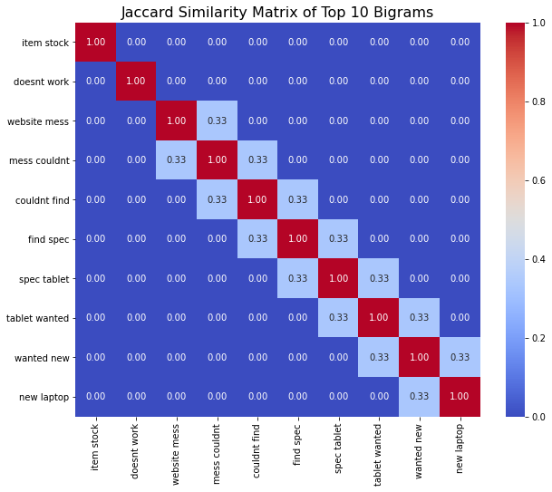
 | item stock | doesnt work | website mess | mess couldnt | couldnt find | find spec | spec tablet | tablet wanted | wanted new | new laptop
item stock | 1 | 0 | 0 | 0 | 0 | 0 | 0 | 0 | 0 | 0
doesnt work | 0 | 1 | 0 | 0 | 0 | 0 | 0 | 0 | 0 | 0
website mess | 0 | 0 | 1 | 0.33333333333 | 0 | 0 | 0 | 0 | 0 | 0
mess couldnt | 0 | 0 | 0.33333333333 | 1 | 0.33333333333 | 0 | 0 | 0 | 0 | 0
couldnt find | 0 | 0 | 0 | 0.33333333333 | 1 | 0.33333333333 | 0 | 0 | 0 | 0
find spec | 0 | 0 | 0 | 0 | 0.33333333333 | 1 | 0.33333333333 | 0 | 0 | 0
spec tablet | 0 | 0 | 0 | 0 | 0 | 0.33333333333 | 1 | 0.33333333333 | 0 | 0
tablet wanted | 0 | 0 | 0 | 0 | 0 | 0 | 0.33333333333 | 1 | 0.33333333333 | 0
wanted new | 0 | 0 | 0 | 0 | 0 | 0 | 0 | 0.33333333333 | 1 | 0.33333333333
new laptop | 0 | 0 | 0 | 0 | 0 | 0 | 0 | 0 | 0.33333333333 | 1

Trigram_Similarity_Matrix
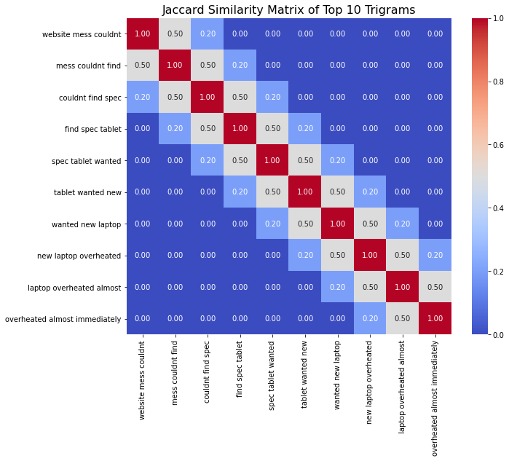
 | website mess couldnt | mess couldnt find | couldnt find spec | find spec tablet | spec tablet wanted | tablet wanted new | wanted new laptop | new laptop overheated | laptop overheated almost | overheated almost immediately
website mess couldnt | 1 | 0.5 | 0.2 | 0 | 0 | 0 | 0 | 0 | 0 | 0
mess couldnt find | 0.5 | 1 | 0.5 | 0.2 | 0 | 0 | 0 | 0 | 0 | 0
couldnt find spec | 0.2 | 0.5 | 1 | 0.5 | 0.2 | 0 | 0 | 0 | 0 | 0
find spec tablet | 0 | 0.2 | 0.5 | 1 | 0.5 | 0.2 | 0 | 0 | 0 | 0
spec tablet wanted | 0 | 0 | 0.2 | 0.5 | 1 | 0.5 | 0.2 | 0 | 0 | 0
tablet wanted new | 0 | 0 | 0 | 0.2 | 0.5 | 1 | 0.5 | 0.2 | 0 | 0
wanted new laptop | 0 | 0 | 0 | 0 | 0.2 | 0.5 | 1 | 0.5 | 0.2 | 0
new laptop overheated | 0 | 0 | 0 | 0 | 0 | 0.2 | 0.5 | 1 | 0.5 | 0.2
laptop overheated almost | 0 | 0 | 0 | 0 | 0 | 0 | 0.2 | 0.5 | 1 | 0.5
overheated almost immediately | 0 | 0 | 0 | 0 | 0 | 0 | 0 | 0.2 | 0.5 | 1

