Sprint 0
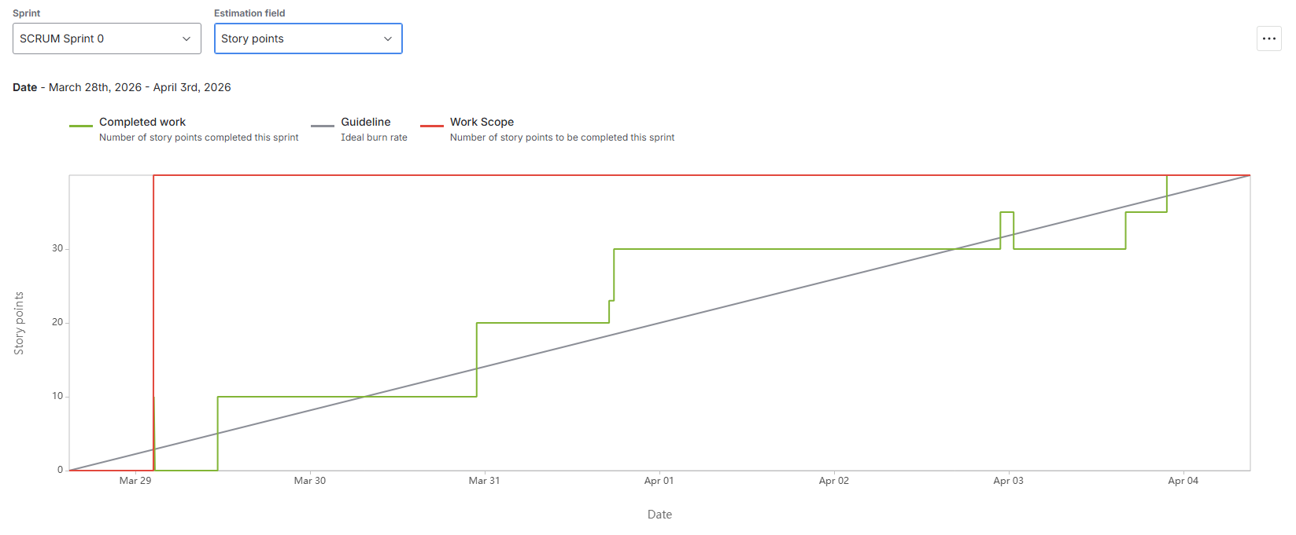
Day | Planned | Consumed | Team Availability |  |  |  | Deliverable | % Completed | Comments
1 | 6.67 | 10 | 40.00 |  |  |  | CRS | 100% | Ganna
2 | 13.33 | 10 |  |  |  |  | SIQ | 100% | Fatma, Hager, Ganna
3 | 20.00 | 20 |  |  |  |  | PMP | 100% | El-Gohary
4 | 26.67 | 30 |  |  |  |  | Risk sheet | 100% | Hager
5 | 33.33 | 30 |  |  |  |  | SRS | 100% | Hazem
6 | 40.00 | 40 |  |  |  |  | CMP | 100% | Fatma

Risks
ID | Topic | Probability | Impact | Description | Handling | Actions
R01 | Resources | high | high | Team capacity reduced from 6 to 5 members | Accept | -
R02 | Resources | high | Medium | One member is on medical rehabilitation; work is restricted to remote only. | Mitigate | Knowledge Transfer with daily online sessions and delegate critical tasks to other member
R03 | Resources | high | high | One member is in a Rehabilitation period post-surgery; full availability is not guaranteed. | Mitigate | Hiring new employees qualified
R04 | Technical | high | Medium | Technical gaps between members and shortage | Mitigate | Peer Review - Knowledge share
R05 | Resources | Medium | high | Burnout due to ISTQB Exam Preparation | Mitigate | Provide flexible hours

Issues
ID | Initiator | Probability | Impact | Description | Handling | Actions
I01 | Project Team | Actual | high | Current team capacity is 5 members, affecting the planned velocity. | Accept
I02 | Project Team | Actual | high | one member is on medical rehabilitation; work is restricted to remote only. | Mitigate | Knowledge Transfer
I03 | Project Team | Actual | Medium | Observed technical gaps leading to slower delivery or quality issues. | Mitigate | Peer Review - Knowledge share- Hiring

