Sheet1
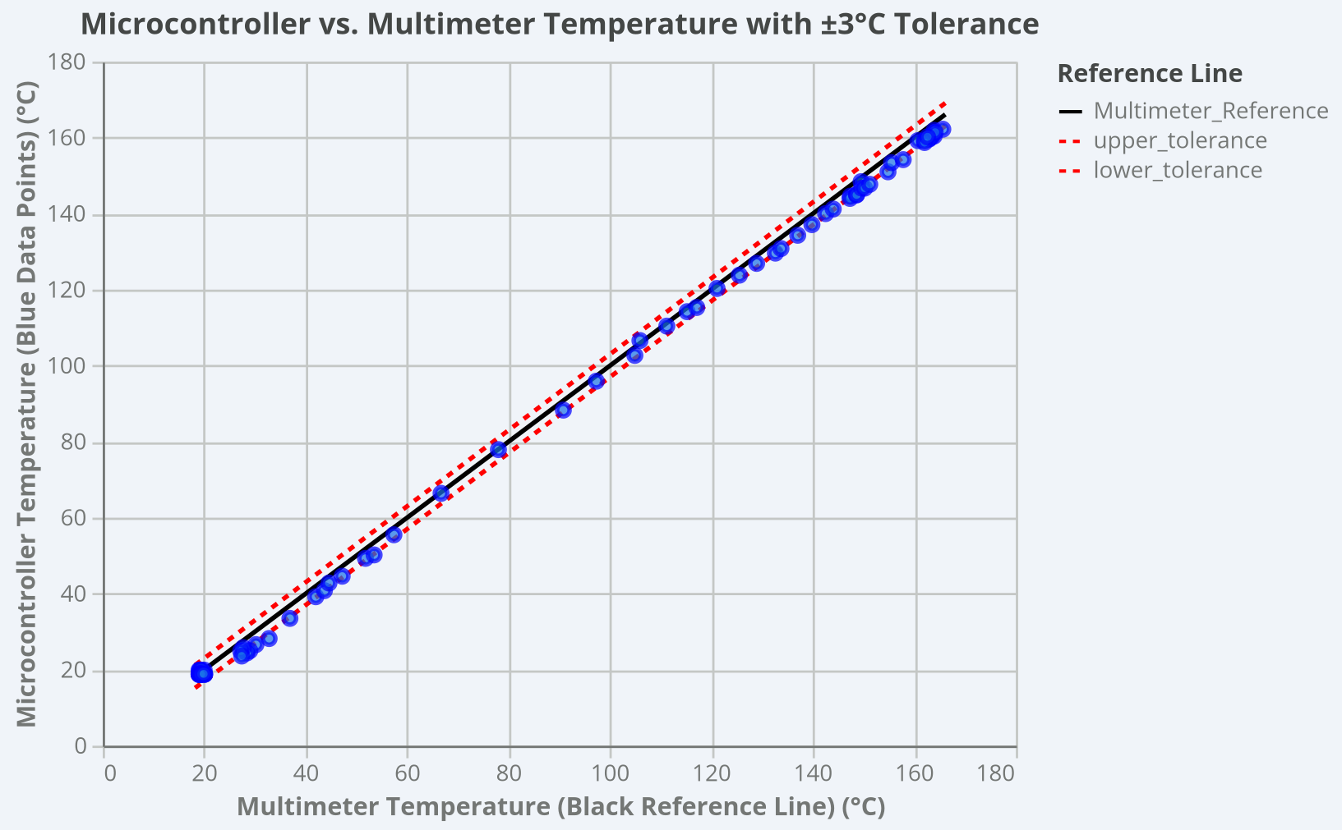
Multimeter Temp (C°) | Microcontroller Temp (C°) | Difference (C°)
20.0 | 19.9 | 0.1
20.0 | 18.8 | 1.2
20.1 | 18.8 | 1.3
20.1 | 18.8 | 1.3
19.3 | 18.9 | 0.4
19.3 | 18.8 | 0.5
19.2 | 18.8 | 0.4
19.1 | 19.8 | 0.7
19.0 | 18.9 | 0.1
19.0 | 19.9 | 0.9
19.0 | 18.9 | 0.1
19.0 | 18.7 | 0.3
19.2 | 19.9 | 0.7
19.2 | 18.8 | 0.4
19.4 | 19.9 | 0.5
19.3 | 18.9 | 0.4
19.2 | 18.8 | 0.4
19.2 | 18.8 | 0.4
19.1 | 18.9 | 0.2
19.1 | 18.9 | 0.2
19.0 | 18.8 | 0.2
19.2 | 18.8 | 0.4
19.3 | 18.9 | 0.4
19.4 | 18.8 | 0.6
19.9 | 18.9 | 1.0
32.8 | 28.2 | 4.6
30.2 | 26.6 | 3.6
29.0 | 25.0 | 4.0
28.4 | 24.4 | 4.0
27.7 | 25.8 | 1.9
27.2 | 24.9 | 2.3
27.4 | 23.6 | 3.8
36.9 | 33.5 | 3.4
42.0 | 39.2 | 2.8
43.7 | 40.8 | 2.9
44.6 | 42.8 | 1.8
47.2 | 44.6 | 2.6
51.8 | 49.3 | 2.5
53.5 | 50.2 | 3.3
57.4 | 55.5 | 1.9
66.7 | 66.4 | 0.3
78.0 | 77.9 | 0.1
90.8 | 88.3 | 2.5
97.3 | 95.9 | 1.4
104.9 | 102.7 | 2.2
105.9 | 106.6 | 0.7
111.2 | 110.4 | 0.8
115.2 | 114.2 | 1.0
117.1 | 115.3 | 1.8
121.1 | 120.3 | 0.8
125.5 | 123.8 | 1.7
128.9 | 126.9 | 2.0
132.6 | 129.6 | 3.0
133.7 | 130.8 | 2.9
137.0 | 134.3 | 2.7
139.8 | 137.1 | 2.7
142.5 | 140.0 | 2.5
144.0 | 141.2 | 2.8
147.4 | 144.6 | 2.8
147.3 | 144.0 | 3.3
148.6 | 145.0 | 3.6
148.6 | 144.9 | 3.7
149.5 | 148.4 | 1.1
149.6 | 146.7 | 2.9
150.2 | 146.7 | 3.5
151.2 | 147.7 | 3.5
154.8 | 151.0 | 3.8
155.5 | 153.4 | 2.1
157.8 | 154.2 | 3.6
160.7 | 159.2 | 1.5
163.0 | 159.8 | 3.2
163.9 | 160.4 | 3.5
163.9 | 161.9 | 2.0
165.6 | 162.2 | 3.4
163.4 | 160.2 | 3.2
162.0 | 159.2 | 2.8
162.9 | 159.6 | 3.3
162.0 | 158.7 | 3.3
164.1 | 161.4 | 2.7
162.6 | 160.2 | 2.4

