Sheet1
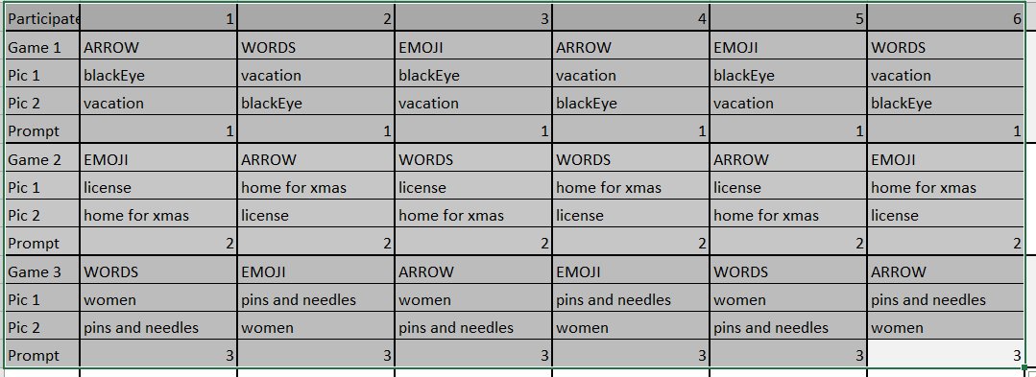
 | Activity (Topic: ) | Time (minute) | Cum. Duration (min)
1 | Introduction | 3.00 | 3.00
2 | Sign consent form | 3.00 | 6.00
3 | Condition 1 - Explanation | 0.50 | 6.50
4 | Condition 1 - Participant plays game | 2.00 | 8.50
5 | Condition 1 - Remind participant what to do next | 0.20 | 8.70
6 | Condition 1 - User views first image | 0.50 | 9.20
7 | Condition 1 - User tells first story | 1.50 | 10.70
8 | Condition 1 - Remind participant what to do next | 0.20 | 10.90
9 | Condition 1 - User views second image | 0.50 | 11.40
10 | Condition 1 - User tells second story | 1.50 | 12.90
11 | Condition 1 - Facilitator describes what to do next then verbally gives prompt to participant. | 0.50 | 13.40
12 | Condition 1 - User thinks about story | 0.50 | 13.90
13 | Condition 1 - User tells final story | 1.50 | 15.40
14 | Take a break | 3.00 | 18.40
15 | Condition 2 - Explanation | 0.50 | 18.90
16 | Condition 2 - Participant plays game | 2.00 | 20.90
17 | Condition 2 - Remind participant what to do next | 0.20 | 21.10
18 | Condition 2 - User views first image | 0.50 | 21.60
19 | Condition 2 - User tells first story | 1.50 | 23.10
20 | Condition 2 - Remind participant what to do next | 0.20 | 23.30
21 | Condition 2 - User views second image | 0.50 | 23.80
22 | Condition 2 - User tells second story | 1.50 | 25.30
23 | Condition 2 - Facilitator describes what to do next then verbally gives prompt to participant. | 0.50 | 25.80
24 | Condition 2 - User thinks about story | 0.50 | 26.30
25 | Condition 2 - User tells final story | 1.50 | 27.80
26 | Take a break | 3.00 | 30.80
27 | Condition 3 - Explanation | 0.50 | 31.30
28 | Condition 3 - Participant plays game | 2.00 | 33.30
29 | Condition 3 - Remind participant what to do next | 0.20 | 33.50
30 | Condition 3 - User views first image | 0.50 | 34.00
31 | Condition 3 - User tells first story | 1.50 | 35.50
32 | Condition 3 - Remind participant what to do next | 0.20 | 35.70
33 | Condition 3 - User views second image | 0.50 | 36.20
34 | Condition 3 - User tells second story | 1.50 | 37.70
35 | Condition 3 - Facilitator describes what to do next then verbally gives prompt to participant. | 0.50 | 38.20
36 | Condition 3 - User thinks about story | 0.50 | 38.70
37 | Condition 3 - User tells final story | 1.50 | 40.20
38 | Questionairre | 5.00 | 45.20
39 | Little Interview about overall experience | 5.00 | 50.20
40 | End of study, appreciation and goodbye | 1.00 | 51.20
41 | Flexibility | 8.80 | 60.00
 |  |  |  | TOTAL 1 HOUR FOR EACH PARTICIPANT

