CORRELATION
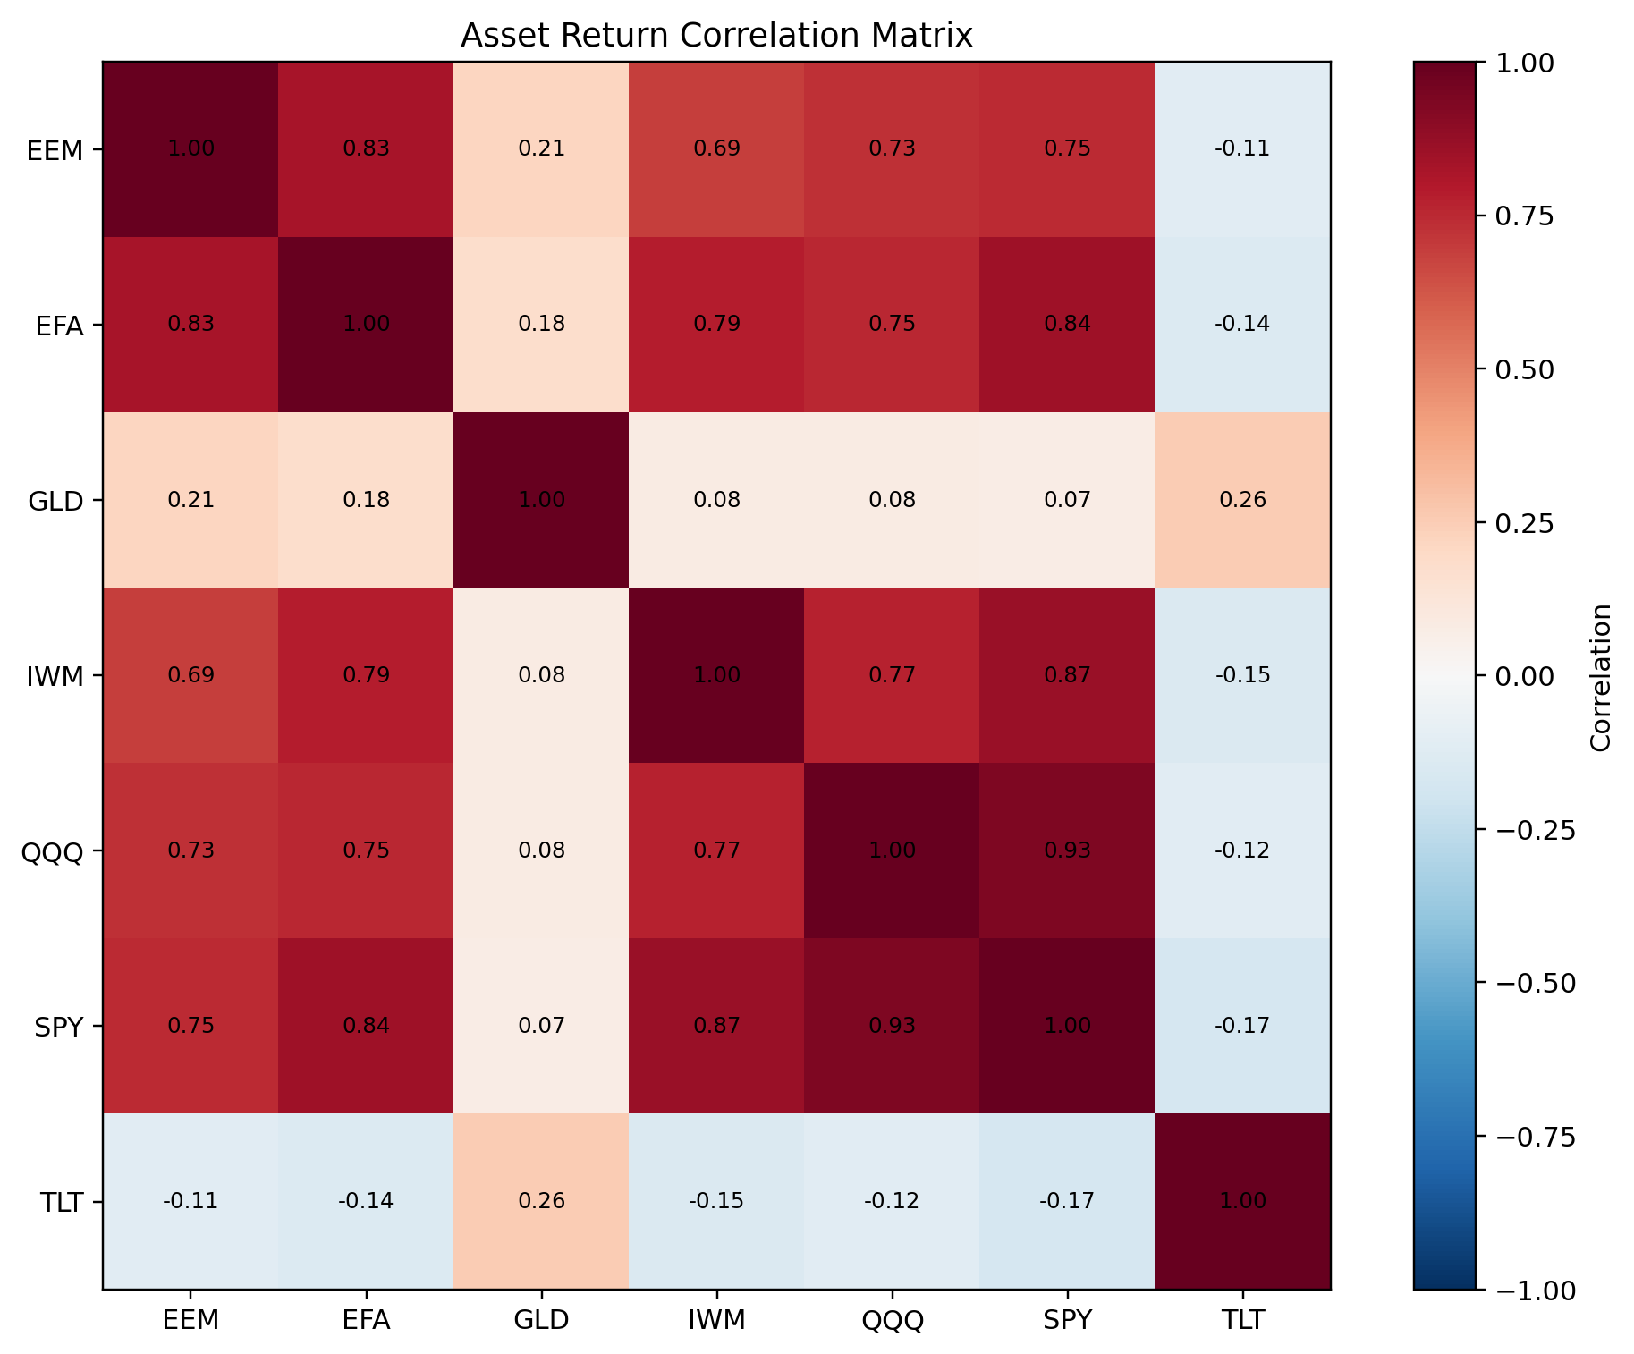
Asset Return Correlation Matrix
Generated 2026-09-10 | Universe: SPY, QQQ, IWM, EFA, EEM, TLT, GLD

Ticker | EEM | EFA | GLD | IWM | QQQ | SPY | TLT
EEM | 1 | 0.8267335302 | 0.21245082897 | 0.68947274293 | 0.72796156885 | 0.74618533275 | -0.11370899696
EFA | 0.8267335302 | 1 | 0.17833191565 | 0.78712310988 | 0.75261196809 | 0.8443990709 | -0.13504133665
GLD | 0.21245082897 | 0.17833191565 | 1 | 0.079373217206 | 0.084860044682 | 0.070834715925 | 0.25614676932
IWM | 0.68947274293 | 0.78712310988 | 0.079373217206 | 1 | 0.7681321453 | 0.86554469816 | -0.14537340946
QQQ | 0.72796156885 | 0.75261196809 | 0.084860044682 | 0.7681321453 | 1 | 0.93217402798 | -0.11621129984
SPY | 0.74618533275 | 0.8443990709 | 0.070834715925 | 0.86554469816 | 0.93217402798 | 1 | -0.16965489347
TLT | -0.11370899696 | -0.13504133665 | 0.25614676932 | -0.14537340946 | -0.11621129984 | -0.16965489347 | 1

PCA
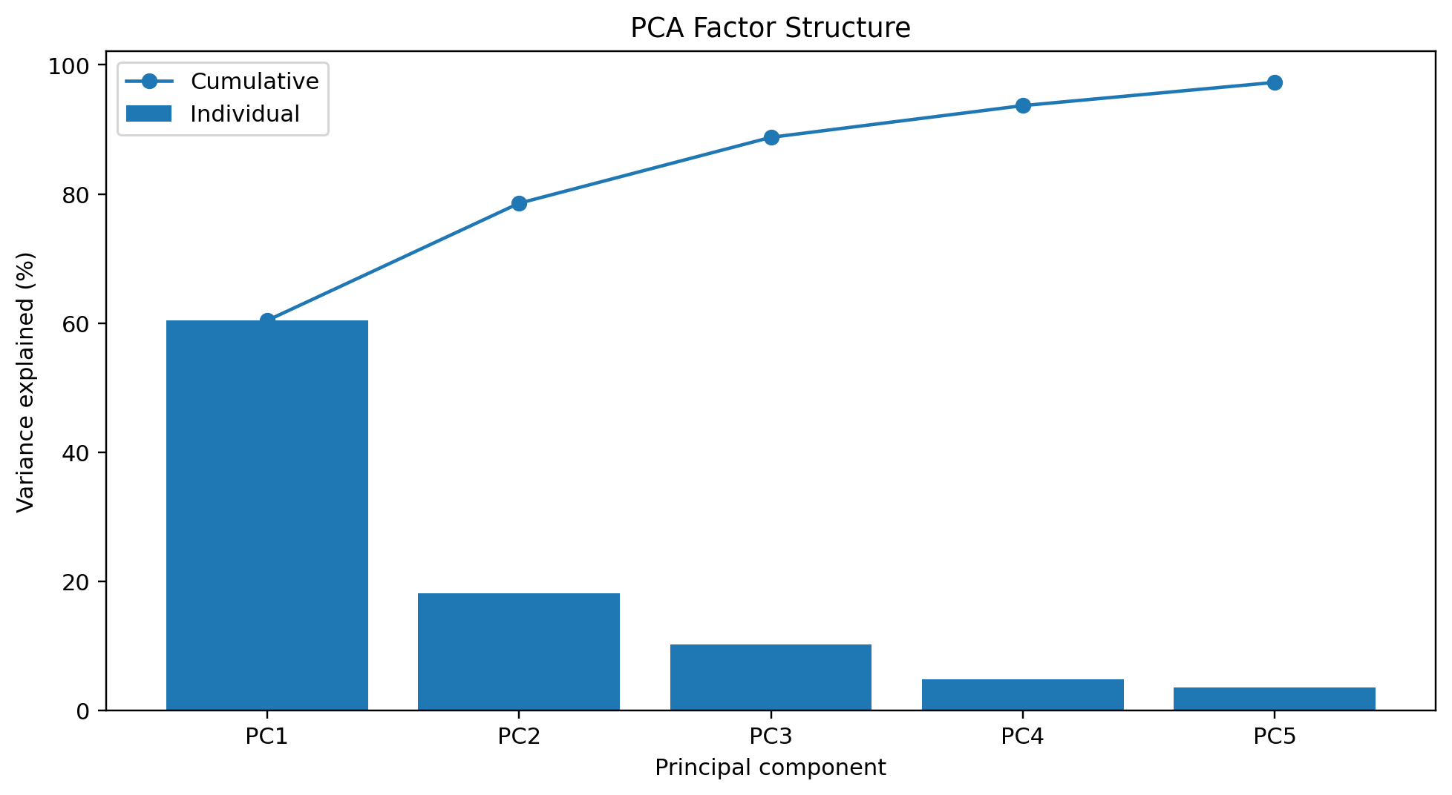
Principal Component Analysis
Generated 2026-09-10 | Universe: SPY, QQQ, IWM, EFA, EEM, TLT, GLD

Component | Explained Variance (%) | Cumulative Variance (%)
PC1 | 60.417080917 | 60.417080917
PC2 | 18.148590852 | 78.565671769
PC3 | 10.209902624 | 88.775574393
PC4 | 4.9077509036 | 93.683325297
PC5 | 3.5963514905 | 97.279676787

PORTFOLIO
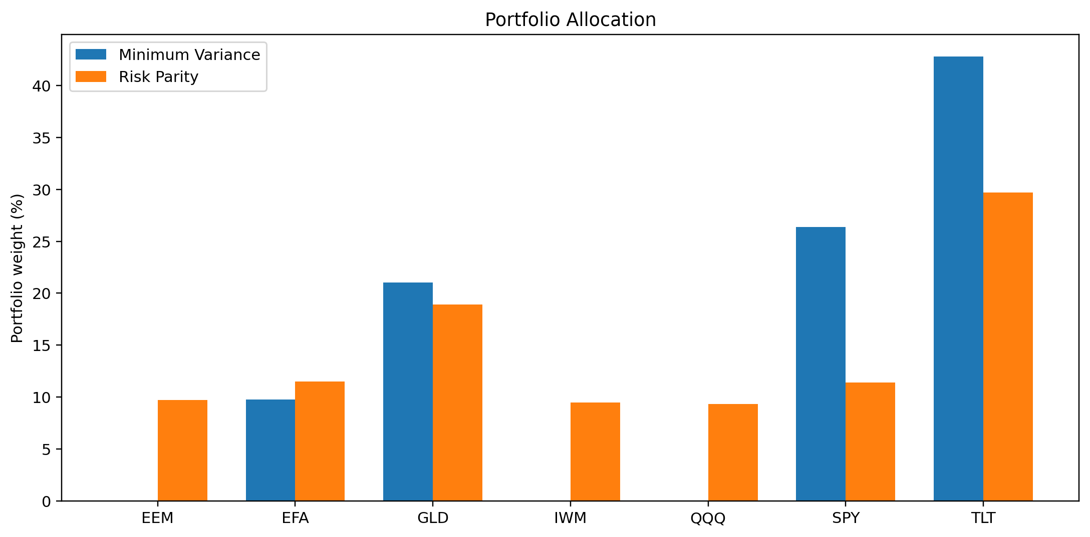
Portfolio Construction and Risk Contributions
Generated 2026-09-10 | Universe: SPY, QQQ, IWM, EFA, EEM, TLT, GLD

Asset | Min Variance Weight (%) | Min Variance Risk Contribution (%) | Risk Parity Weight (%) | Risk Parity Risk Contribution (%)
EEM | 0 | 0 | 9.7164939008 | 14.285726493
EFA | 9.7807508072 | 9.7807542578 | 11.485092286 | 14.285651113
GLD | 21.032238372 | 21.03224149 | 18.914160596 | 14.285705596
IWM | 0 | 0 | 9.4548767382 | 14.285035665
QQQ | 0 | 0 | 9.3141662153 | 14.28635918
SPY | 26.396270372 | 26.396275985 | 11.417045646 | 14.285796223
TLT | 42.790740449 | 42.790728267 | 29.698164618 | 14.285725729

RISK ANALYTICS
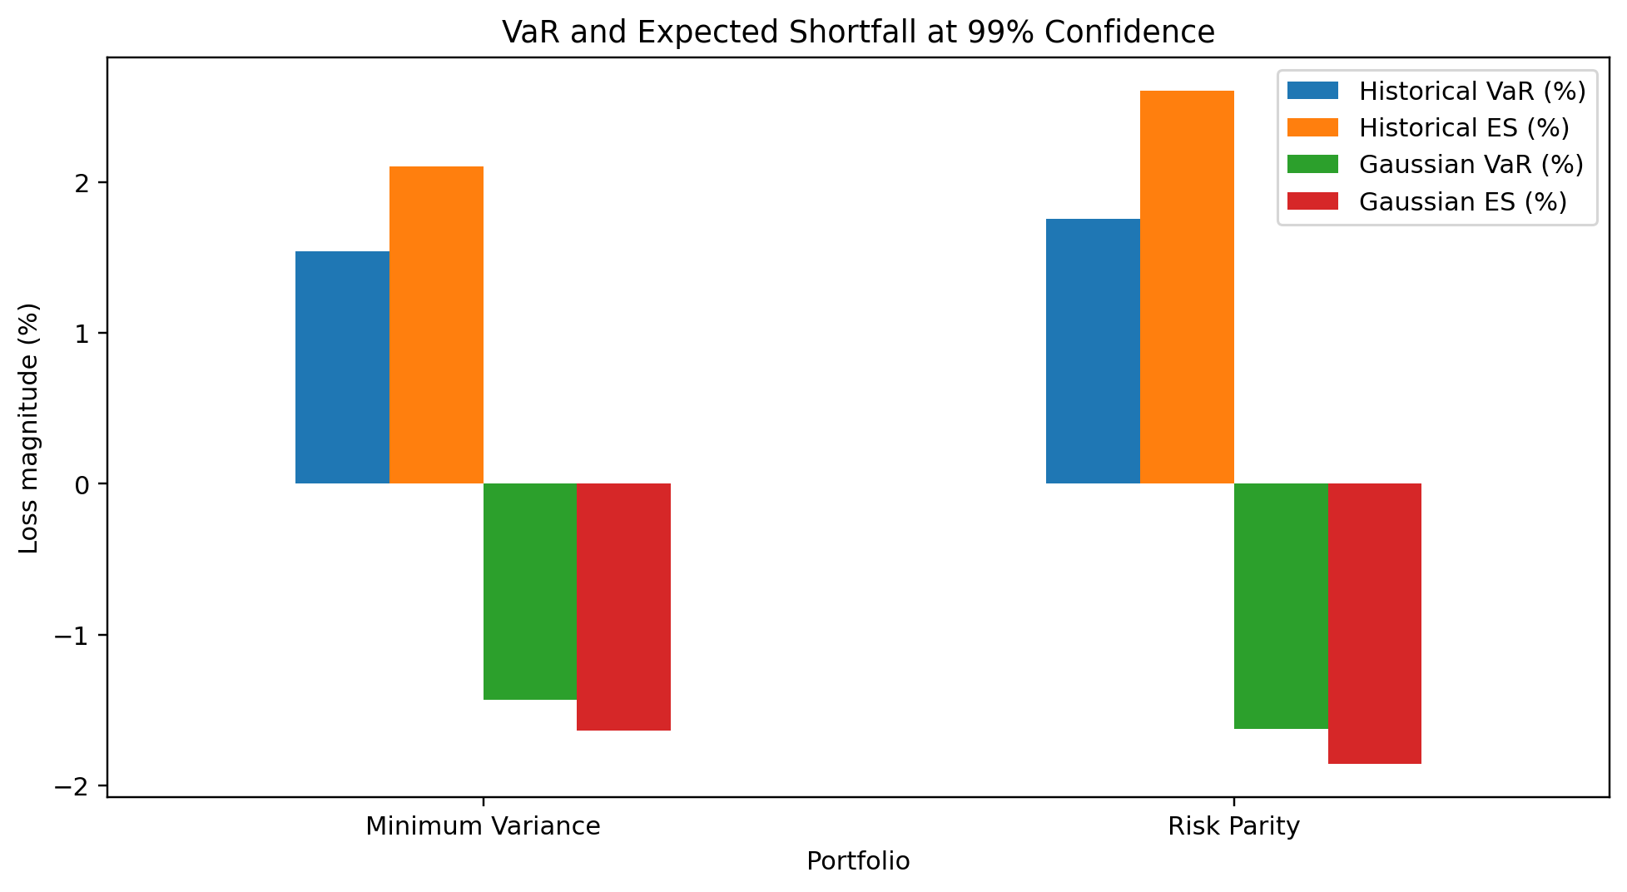
Portfolio Risk Analytics — VaR / ES / Performance
Generated 2026-09-10 | Universe: SPY, QQQ, IWM, EFA, EEM, TLT, GLD

Portfolio | Confidence Level (%) | Historical VaR (%) | Historical ES (%) | Gaussian VaR (%) | Gaussian ES (%) | Monte Carlo VaR (%) | Monte Carlo ES (%) | Annual Return (%) | Annual Volatility (%) | Sharpe Ratio | Max Drawdown (%) | Observations
Minimum Variance | 99 | 1.5400399859 | 2.1058751492 | -1.4317959998 | -1.6361864824 | 1.3848744038 | 1.5923575856 | 6.9906160055 | 9.574861471 | 0.75369479494 | -25.785845719 | 2938
Risk Parity | 99 | 1.7564660354 | 2.6040857906 | -1.6242625068 | -1.8557999717 | 1.5665158336 | 1.8015567676 | 8.50608688 | 10.846587004 | 0.80704950259 | -26.574369252 | 2938

STRESS TEST
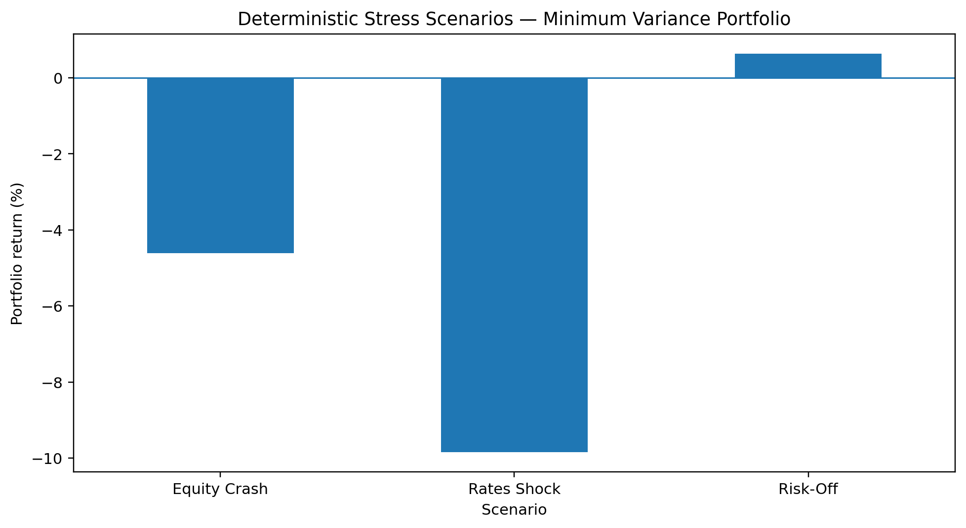
Deterministic Stress Test Results
Generated 2026-09-10 | Universe: SPY, QQQ, IWM, EFA, EEM, TLT, GLD

Scenario | Portfolio Return (%) | Portfolio Loss (%)
Equity Crash | -4.606829673 | 4.606829673
Rates Shock | -9.8406981692 | 9.8406981692
Risk-Off | 0.63213928534 | -0.63213928534

BACKTEST
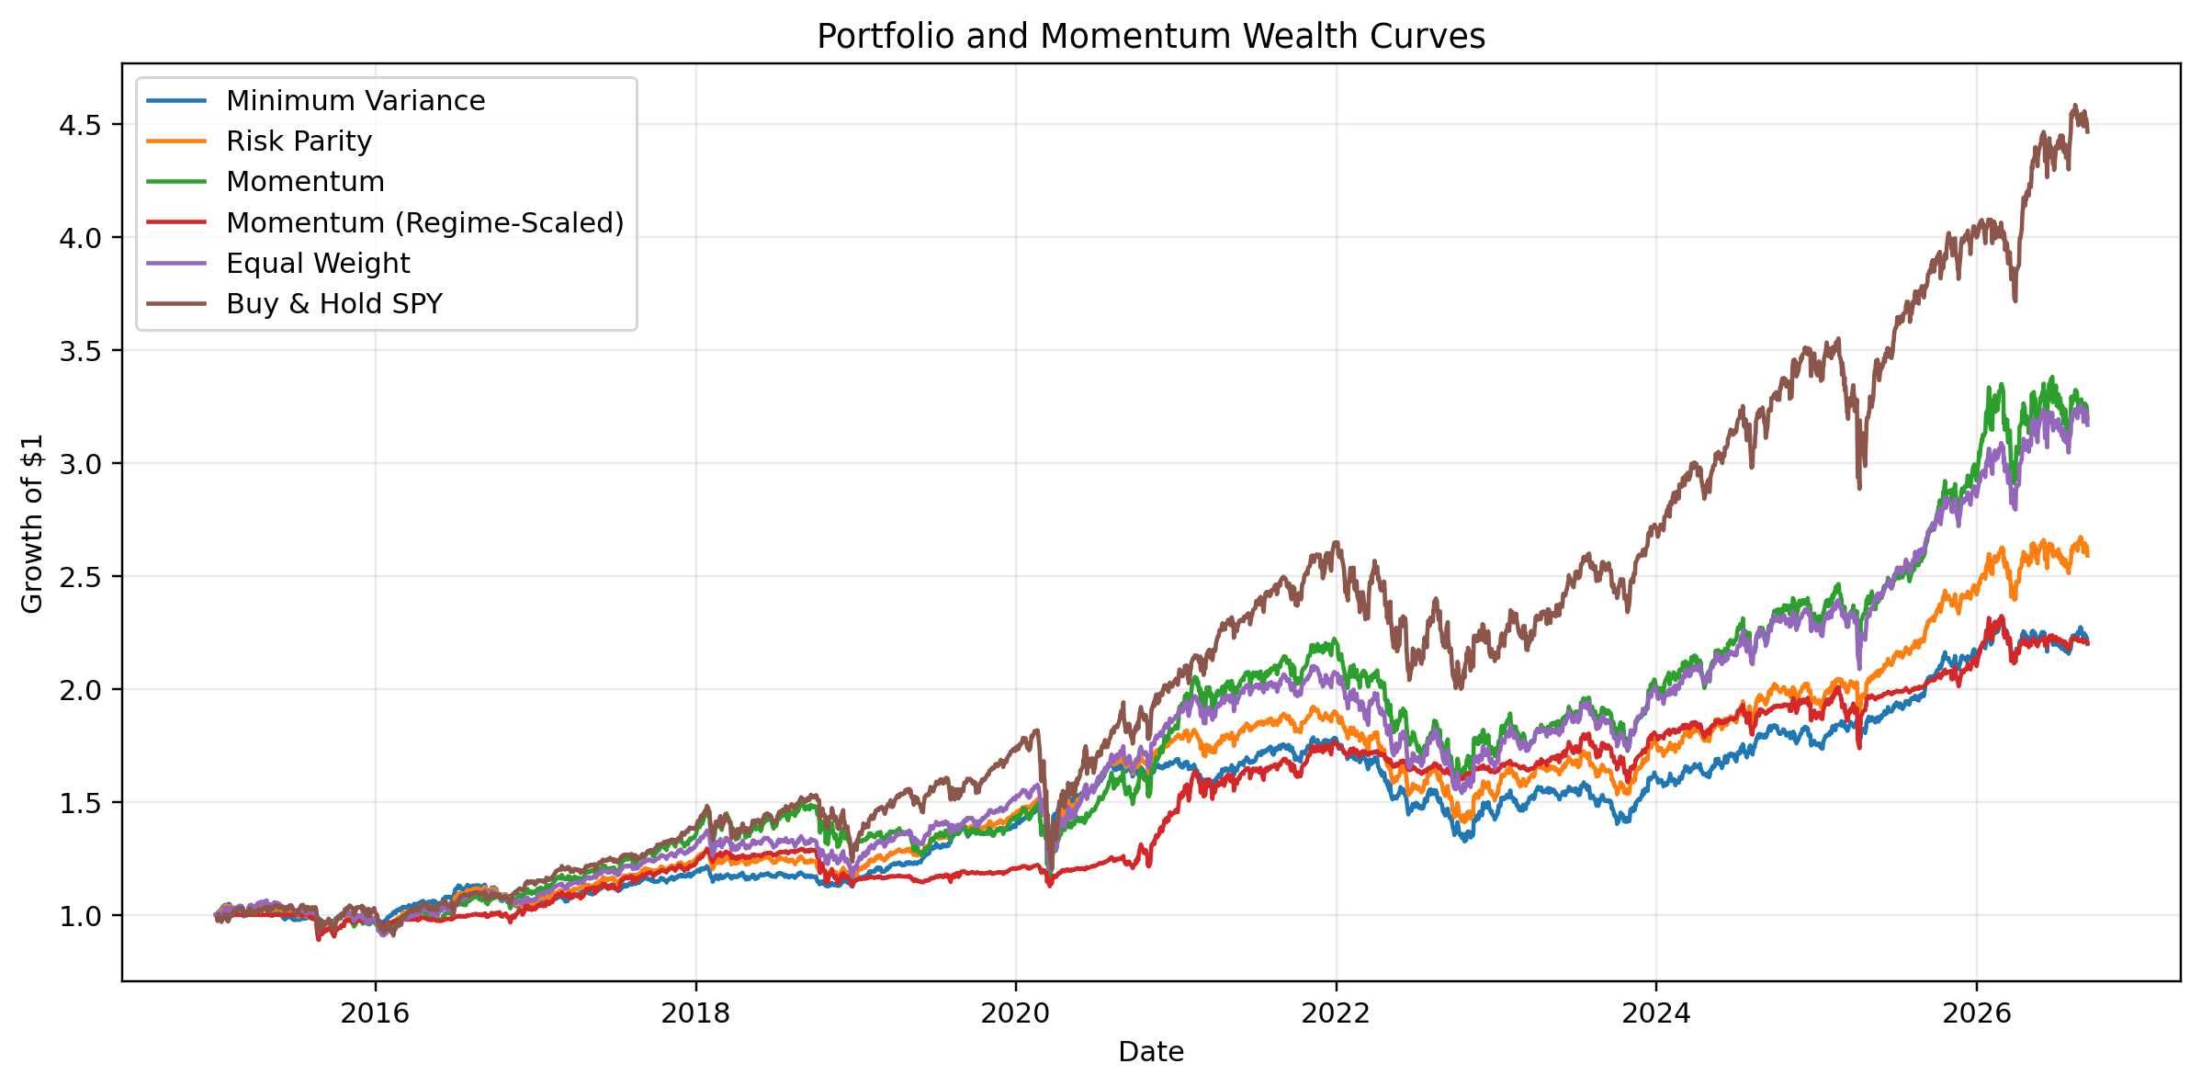
Backtest Wealth Curves
Generated 2026-09-10 | Universe: SPY, QQQ, IWM, EFA, EEM, TLT, GLD

Date | Minimum Variance | Risk Parity | Momentum | Momentum (Regime-Scaled) | Equal Weight | Buy & Hold SPY
2015-01-02 |  |  | 1 | 1 | 1
2015-01-05 | 1.0028172245 | 0.99838440615 | 1 | 1 | 0.99139802884 | 0.98194099828
2015-01-06 | 1.0093482919 | 1.0002189036 | 1 | 1 | 0.98768156312 | 0.9726918162
2015-01-07 | 1.0116623065 | 1.0056850208 | 1 | 1 | 0.99650601026 | 0.98481268062
2015-01-08 | 1.0111113079 | 1.0095998398 | 1 | 1 | 1.0060384741 | 1.0022880838
2015-01-09 | 1.0156537517 | 1.0117135603 | 1 | 1 | 1.0046011677 | 0.99425636556
2015-01-12 | 1.0181755987 | 1.0122758714 | 1 | 1 | 1.0024104377 | 0.98646770843
2015-01-13 | 1.017199316 | 1.0127952681 | 1 | 1 | 1.0035642465 | 0.98369314265
2015-01-14 | 1.0182533643 | 1.0122850382 | 1 | 1 | 1.0009800087 | 0.97775410612
2015-01-15 | 1.0286737505 | 1.0189069118 | 1 | 1 | 1.0024936296 | 0.96879753259
2015-01-16 | 1.0307569323 | 1.0241306783 | 1 | 1 | 1.0114988747 | 0.9815027149
2015-01-20 | 1.040519734 | 1.0316836701 | 1 | 1 | 1.0165282991 | 0.98359557649
2015-01-21 | 1.0376130589 | 1.03210897 | 1 | 1 | 1.0202453213 | 0.98856065994
2015-01-22 | 1.0422251729 | 1.040456507 | 1 | 1 | 1.0320580545 | 1.0032621268
2015-01-23 | 1.0445954476 | 1.0412412615 | 1 | 1 | 1.0304014572 | 0.99776128375
2015-01-26 | 1.0430867409 | 1.0411382572 | 1 | 1 | 1.0321675718 | 1.0000973863
2015-01-27 | 1.0428154024 | 1.03895387 | 1 | 1 | 1.0270337648 | 0.98690590189
2015-01-28 | 1.0433296764 | 1.0359008314 | 1 | 1 | 1.0193883632 | 0.97424954762
2015-01-29 | 1.039605559 | 1.0346545334 | 1 | 1 | 1.0220402222 | 0.98325512904
2015-01-30 | 1.0473136644 | 1.0354525878 | 1 | 1 | 1.0154017165 | 0.97089066394
2015-02-02 | 1.0484456673 | 1.0391004201 | 1 | 1 | 1.0223875021 | 0.98291432189
2015-02-03 | 1.0421221896 | 1.0385864905 | 1 | 1 | 1.0288830084 | 0.9971280479
2015-02-04 | 1.0419548115 | 1.0375901939 | 1 | 1 | 1.0266049133 | 0.99333124053
2015-02-05 | 1.0416184378 | 1.0400879907 | 1 | 1 | 1.0327866903 | 1.0033588837
2015-02-06 | 1.0260302513 | 1.0252964484 | 1 | 1 | 1.0205405619 | 1.0005846776
2015-02-09 | 1.0245963186 | 1.0233609663 | 1 | 1 | 1.0177634957 | 0.99610607609
2015-02-10 | 1.0236428767 | 1.0239805906 | 1 | 1 | 1.021461297 | 1.0067180371
2015-02-11 | 1.02152357 | 1.0211673858 | 1 | 1 | 1.0185579061 | 1.0073019953
2015-02-12 | 1.0247179969 | 1.0278763538 | 1 | 1 | 1.0285275431 | 1.0169891011
2015-02-13 | 1.0231681862 | 1.0296108414 | 1 | 1 | 1.0332162982 | 1.0211754537
2015-02-17 | 1.0136434795 | 1.0223911106 | 1 | 1 | 1.0293815661 | 1.0227821031
2015-02-18 | 1.0174406576 | 1.0256654426 | 1 | 1 | 1.0318876092 | 1.0228791297
2015-02-19 | 1.0137574844 | 1.0231095628 | 1 | 1 | 1.0306073041 | 1.0221488673
2015-02-20 | 1.0163450761 | 1.0262572996 | 1 | 1 | 1.0348219068 | 1.0282826764
2015-02-23 | 1.0212167792 | 1.028755511 | 1 | 1 | 1.0349689074 | 1.0281361923
2015-02-24 | 1.0280188663 | 1.0351801358 | 1 | 1 | 1.0404569023 | 1.0310573321
2015-02-25 | 1.030590748 | 1.0369210461 | 1 | 1 | 1.041162807 | 1.0301811251
2015-02-26 | 1.0246567183 | 1.0337450282 | 1 | 1 | 1.0403561263 | 1.0289642008
2015-02-27 | 1.0276350881 | 1.0351008289 | 1 | 1 | 1.0397106939 | 1.0254589229
2015-03-02 | 1.0204182356 | 1.0309287116 | 1 | 1 | 1.0396986961 | 1.0319329997
2015-03-03 | 1.0167280788 | 1.0264680041 | 1 | 1 | 1.0346673244 | 1.0276986283
2015-03-04 | 1.0146684169 | 1.0232356611 | 1 | 1 | 1.0303981954 | 1.0233657016
2015-03-05 | 1.0144388296 | 1.0233693711 | 1 | 1 | 1.0310442265 | 1.0244855094
2015-03-06 | 0.99390784641 | 1.0043055131 | 1 | 1 | 1.0139119175 | 1.0100768309
2015-03-09 | 0.99927867767 | 1.0082137458 | 1 | 1 | 1.0167167691 | 1.0142631835
2015-03-10 | 0.99746788088 | 1.001811702 | 1 | 1 | 1.0048007179 | 0.99780966218
2015-03-11 | 0.99894926166 | 1.0036490128 | 1 | 1 | 1.0061579177 | 0.99547337977
2015-03-12 | 1.0031583211 | 1.0090749764 | 1 | 1 | 1.0138592985 | 1.0081299139
2015-03-13 | 0.99995017998 | 1.0051106808 | 1 | 1 | 1.0089880406 | 1.0019473666
2015-03-16 | 1.008563912 | 1.013636256 | 1 | 1 | 1.0182711485 | 1.0153341632
2015-03-17 | 1.0099525544 | 1.0160068807 | 1 | 1 | 1.020201588 | 1.0123162665
2015-03-18 | 1.0277730204 | 1.0336012181 | 1 | 1 | 1.0369047 | 1.0244855094
2015-03-19 | 1.0229653394 | 1.0286023794 | 1 | 1 | 1.0316339914 | 1.0198126748
2015-03-20 | 1.0323218126 | 1.0390492882 | 1 | 1 | 1.0431038318 | 1.0288141197
2015-03-23 | 1.0331372898 | 1.0403176051 | 1 | 1 | 1.0443535209 | 1.0268094724
2015-03-24 | 1.0361972019 | 1.0428958939 | 1 | 1 | 1.0450277279 | 1.0210399402
2015-03-25 | 1.0282721169 | 1.0320620914 | 1 | 1 | 1.031735194 | 1.0060775175
2015-03-26 | 1.0213055491 | 1.0258667322 | 1 | 1 | 1.0267114946 | 1.003681976
2015-03-27 | 1.0268381146 | 1.0308055275 | 1 | 1 | 1.0306532559 | 1.0059800413
2015-03-30 | 1.0255686277 | 1.0329282476 | 1 | 1 | 1.0366549908 | 1.0182527852
2015-03-31 | 1.022419647 | 1.0290068831 | 1 | 1 | 1.0308925412 | 1.0093536723
2015-04-01 | 1.0315991978 | 1.0375603699 | 1 | 1 | 1.0370026231 | 1.0057842795
2015-04-02 | 1.028175142 | 1.0369701864 | 1 | 1 | 1.0394361206 | 1.0094024104
2015-04-06 | 1.0312088918 | 1.0421700667 | 1 | 1 | 1.0467046595 | 1.0161988602
2015-04-07 | 1.0329723844 | 1.0420032885 | 1 | 1 | 1.0446539336 | 1.013509631
2015-04-08 | 1.0332606811 | 1.0456600683 | 1 | 1 | 1.0506088035 | 1.01693218
2015-04-09 | 1.0273673769 | 1.0422187331 | 1 | 1 | 1.0503820461 | 1.021431104
2015-04-10 | 1.0321399287 | 1.0467344971 | 1 | 1 | 1.0548578344 | 1.0270051442
2015-04-13 | 1.029327292 | 1.0436723275 | 1 | 1 | 1.051191507 | 1.0223600058
2015-04-14 | 1.0324022672 | 1.0459373771 | 1 | 1 | 1.0529482925 | 1.0243158252
2015-04-15 | 1.0355882773 | 1.0504799451 | 1 | 1 | 1.0585257466 | 1.0289119557
2015-04-16 | 1.0328237 | 1.0491442582 | 1 | 1 | 1.0585128479 | 1.028618268
2015-04-17 | 1.0345608691 | 1.0458919994 | 1 | 1 | 1.0499007555 | 1.0167856959
2015-04-20 | 1.0316006629 | 1.0451992688 | 1 | 1 | 1.052544774 | 1.0260760626
2015-04-21 | 1.031426837 | 1.0467702468 | 1 | 1 | 1.05526146 | 1.0248535631
2015-04-22 | 1.0233096488 | 1.0419591535 | 1 | 1 | 1.0546373725 | 1.029890225
2015-04-23 | 1.0278192084 | 1.0470361273 | 1 | 1 | 1.0596913264 | 1.0324817081
2015-04-24 | 1.0287413197 | 1.0485386125 | 1 | 1 | 1.0618472917 | 1.0348771597
2015-04-27 | 1.0324686389 | 1.0516830425 | 1 | 1 | 1.0635472798 | 1.0305744471
2015-04-28 | 1.0292441843 | 1.0501430099 | 1 | 1 | 1.0642124031 | 1.033850422
2015-04-29 | 1.0203270739 | 1.0404130751 | 1 | 1 | 1.0548275482 | 1.0295965374
2015-04-30 | 1.0135482885 | 1.0298875757 | 1 | 1 | 1.0414848306 | 1.0192793431
2015-05-01 | 1.0109806022 | 1.0301985615 | 1 | 1 | 1.0460739593 | 1.0303297673
2015-05-04 | 1.0094737954 | 1.0303710119 | 1 | 1 | 1.0479335882 | 1.0332635863
2015-05-05 | 1.0049500215 | 1.0234953256 | 1 | 1 | 1.0382343955 | 1.021431104
2015-05-06 | 0.99663745178 | 1.0164625833 | 1 | 1 | 1.0330501995 | 1.0172259576
2015-05-07 | 1.0013712666 | 1.0198070682 | 1 | 1 | 1.0351557287 | 1.0212843501
2015-05-08 | 1.0092963823 | 1.0289740393 | 1 | 1 | 1.0464785995 | 1.0347306756
2015-05-11 | 0.99583876147 | 1.0179269369 | 1 | 1 | 1.0383255801 | 1.0297921193
2015-05-12 | 0.99788920233 | 1.0190109809 | 1 | 1 | 1.0380192462 | 1.0267118163
2015-05-13 | 0.99900432269 | 1.0213134678 | 1 | 1 | 1.0412036399 | 1.0269072184
2015-05-14 | 1.0052127591 | 1.0291965884 | 1 | 1 | 1.050971366 | 1.0376157564
2015-05-15 | 1.0148711921 | 1.0368327535 | 1 | 1 | 1.0557558407 | 1.0387399704
2015-05-18 | 1.0080654199 | 1.0321229011 | 1 | 1 | 1.0540044007 | 1.0419669374
2015-05-19 | 1.000836884 | 1.0261337515 | 1 | 1 | 1.0498353512 | 1.0416250512
2015-05-20 | 1.0019061174 | 1.0272789791 | 1 | 1 | 1.0507823397 | 1.0408915515
2015-05-21 | 1.0084830162 | 1.0318956708 | 1 | 1 | 1.0536917934 | 1.0439231164
2015-05-22 | 1.0072268405 | 1.0306397536 | 1 | 1 | 1.0520040504 | 1.0414291096
2015-05-26 | 1.0068774502 | 1.0260084738 | 1 | 1 | 1.04250919 | 1.0302320213
2015-05-27 | 1.011307156 | 1.0316829772 | 1 | 1 | 1.049947948 | 1.0400113878
2015-05-28 | 1.0100149946 | 1.0291999597 | 1 | 1 | 1.0468851173 | 1.0388378962
2015-05-29 | 1.0085064095 | 1.0260182479 | 1 | 1 | 1.0417136569 | 1.0323832428
2015-06-01 | 1.003958168 | 1.0227324065 | 1 | 1 | 1.0402748236 | 1.0344860858
2015-06-02 | 0.99901128217 | 1.0199801402 | 1 | 1 | 1.0397430886 | 1.0334591682
2015-06-03 | 0.99187444878 | 1.0154254249 | 1 | 1 | 1.0386737637 | 1.0361974951
2015-06-04 | 0.99267967911 | 1.0125927895 | 1 | 1 | 1.0318521003 | 1.0274451361
2015-06-05 | 0.98479223896 | 1.0063591541 | 1 | 1 | 1.0273243435 | 1.0256849886
2015-06-08 | 0.9832048402 | 1.0043070373 | 1 | 1 | 1.0242840038 | 1.019377179
2015-06-09 | 0.97976720451 | 1.0006884564 | 1 | 1 | 1.0210609297 | 1.019230515
2015-06-10 | 0.9829672345 | 1.0073543127 | 1 | 1 | 1.0317788134 | 1.0314541611
2015-06-11 | 0.99196695887 | 1.0133553961 | 1 | 1 | 1.0349405112 | 1.0347795935
2015-06-12 | 0.98913669744 | 1.0104316219 | 1 | 1 | 1.0309369274 | 1.0268583903
2015-06-15 | 0.9890335282 | 1.0086945648 | 1 | 1 | 1.0274573101 | 1.0224574821
2015-06-16 | 0.99300913628 | 1.0121706429 | 1 | 1 | 1.0307170627 | 1.0280320618
2015-06-17 | 0.99090526791 | 1.0113744999 | 1 | 1 | 1.0312430248 | 1.0296941935
2015-06-18 | 0.99510615458 | 1.0181762127 | 1 | 1 | 1.0407591175 | 1.0404024618
2015-06-19 | 0.99881070371 | 1.0195562837 | 1 | 1 | 1.0392990002 | 1.0357837607
2015-06-22 | 0.99058749229 | 1.0165080022 | 1 | 1 | 1.0421963029 | 1.0410901908
2015-06-23 | 0.98711319134 | 1.0150726873 | 1 | 1 | 1.0427225977 | 1.0418274672
2015-06-24 | 0.9874819586 | 1.0133243231 | 1 | 1 | 1.038171795 | 1.0342610092
2015-06-25 | 0.98488874169 | 1.0110316774 | 1 | 1 | 1.036051069 | 1.0311164114
2015-06-26 | 0.98027914397 | 1.0059730549 | 1 | 1 | 1.0316669572 | 1.0309199302
2015-06-29 | 0.98394404451 | 1.0019913426 | 1 | 1 | 1.0181296486 | 1.0093010675
2015-06-30 | 0.97994018237 | 1.0008000777 | 1 | 1 | 1.0193579823 | 1.0114135322
2015-07-01 | 0.97625719158 | 0.99873619824 | 1 | 1 | 1.0204719527 | 1.0195207856
2015-07-02 | 0.97711005016 | 0.9991730539 | 1 | 1 | 1.0203770634 | 1.0185872078
2015-07-06 | 0.9827504906 | 0.99958689897 | 1 | 1 | 1.0156641481 | 1.0156882789
2015-07-07 | 0.98596552259 | 0.99982049722 | 1 | 1 | 1.0146545535 | 1.02207585
2015-07-08 | 0.98361546358 | 0.99195480759 | 1 | 1 | 1.0008110526 | 1.0049282151
2015-07-09 | 0.97788156986 | 0.99083669321 | 1 | 1 | 1.0041526054 | 1.0067459132
2015-07-10 | 0.97787004808 | 0.99669267684 | 1 | 1 | 1.0163704426 | 1.0194225001
2015-07-13 | 0.97885570049 | 0.9999600704 | 1 | 1 | 1.0225822786 | 1.0306741714
2015-07-14 | 0.98168976883 | 1.0032808745 | 1 | 1 | 1.0266281234 | 1.0351452194
2015-07-15 | 0.98461960288 | 1.0034732296 | 1 | 1 | 1.0245412385 | 1.0348014448
2015-07-16 | 0.9896941642 | 1.0098651834 | 1 | 1 | 1.0322346066 | 1.0431047297
2015-07-17 | 0.98983513332 | 1.0102295162 | 1 | 1 | 1.0327235092 | 1.0439892996
2015-07-20 | 0.98278592793 | 1.0033131491 | 1 | 1 | 1.0273141665 | 1.0445295553
2015-07-21 | 0.98311346688 | 1.0030672659 | 1 | 1 | 1.0259003699 | 1.0404025517
2015-07-22 | 0.98341145525 | 1.0007081413 | 1 | 1 | 1.0214233593 | 1.0385352163
2015-07-23 | 0.98601259745 | 1.0002769425 | 1 | 1 | 1.0178048276 | 1.0326883506
2015-07-24 | 0.98532608737 | 0.99658325657 | 1 | 1 | 1.0106252147 | 1.0219772947
2015-07-27 | 0.98439765914 | 0.99240686751 | 1 | 1 | 1.0037028262 | 1.0160318737
2015-07-28 | 0.98604813674 | 0.99595335334 | 1 | 1 | 1.0103662976 | 1.0285123391
2015-07-29 | 0.98691267695 | 0.99787784538 | 1 | 1 | 1.0139098872 | 1.0355872795
2015-07-30 | 0.98837741033 | 0.99822951274 | 1 | 1 | 1.0133674943 | 1.0358331282
2015-07-31 | 0.99299710017 | 1.0035874803 | 1 | 1 | 1.0181916393 | 1.0342610092
2015-08-03 | 0.99467900496 | 1.0021428086 | 0.99592952313 | 0.99592952313 | 1.0140940941 | 1.0307722771
2015-08-04 | 0.99128692495 | 0.99997640611 | 0.99477486902 | 0.99477486902 | 1.0129661486 | 1.0287578281
2015-08-05 | 0.9887157796 | 0.99900106459 | 0.99983923248 | 0.99983923248 | 1.0140793639 | 1.032147915
2015-08-06 | 0.99085385413 | 0.99744719864 | 0.98861547995 | 0.98861547995 | 1.0086767182 | 1.0236973366
2015-08-07 | 0.99625287385 | 1.0005677888 | 0.98537535533 | 0.98537535533 | 1.0091529712 | 1.0217317157
2015-08-10 | 0.9976201461 | 1.0054540967 | 0.99692414851 | 0.99692414851 | 1.0181493751 | 1.0346049636
2015-08-11 | 1.0016026291 | 1.0042060975 | 0.98473375202 | 0.98473375202 | 1.0113619375 | 1.025269096
2015-08-12 | 1.0018371139 | 1.0031846316 | 0.98289353415 | 0.98289353415 | 1.0097221462 | 1.0264976203
2015-08-13 | 0.99832432725 | 0.99980941404 | 0.98106283953 | 0.98106283953 | 1.0068366314 | 1.0252200881
2015-08-14 | 1.0004191507 | 1.0019725134 | 0.98418396064 | 0.98418396064 | 1.0092598338 | 1.0289544891
2015-08-17 | 1.0041961023 | 1.0049445773 | 0.989761667 | 0.989761667 | 1.0119632211 | 1.0347030693
2015-08-18 | 0.99926898795 | 0.99906812912 | 0.9829638311 | 0.9829638311 | 1.005837653 | 1.031705675
2015-08-19 | 1.0033688744 | 0.99983140799 | 0.97451792879 | 0.97451792879 | 1.002571184 | 1.0235499533
2015-08-20 | 1.003474834 | 0.99446340185 | 0.94944862277 | 0.94944862277 | 0.99021441173 | 1.0021766696
2015-08-21 | 0.99587418064 | 0.98238290436 | 0.92469279753 | 0.92469279753 | 0.97184749805 | 0.97200849338
2015-08-24 | 0.98017463445 | 0.96135284061 | 0.89015372871 | 0.89015372871 | 0.94358860082 | 0.93108034335
2015-08-25 | 0.96874822798 | 0.95442815986 | 0.88957802769 | 0.88957802769 | 0.93962607842 | 0.92012379842
2015-08-26 | 0.97002167971 | 0.96310846419 | 0.91906091967 | 0.91906091967 | 0.95814604961 | 0.95545057177
2015-08-27 | 0.97786576459 | 0.97548522896 | 0.9360370061 | 0.9360370061 | 0.97532806769 | 0.97908397335
2015-08-28 | 0.98082304746 | 0.97751481555 | 0.93859356 | 0.93859356 | 0.97635089327 | 0.97913280139
2015-08-31 | 0.97502017249 | 0.9724544481 | 0.93124625919 | 0.93124625919 | 0.97127862548 | 0.97122211912
2015-09-01 | 0.96786425559 | 0.95899790138 | 0.91457883113 | 0.91457883113 | 0.95028820049 | 0.94223381906
2015-09-02 | 0.96947341867 | 0.96479073524 | 0.92602999088 | 0.92602999088 | 0.96121899832 | 0.96011819084
2015-09-03 | 0.97044167993 | 0.96500454387 | 0.92553259972 | 0.92553259972 | 0.96097781433 | 0.96080636948
2015-09-04 | 0.96751989058 | 0.95826231389 | 0.92234637528 | 0.92234637528 | 0.94979074773 | 0.94626235729
2015-09-08 | 0.9706625342 | 0.96763416861 | 0.93350520186 | 0.93350520186 | 0.96644959339 | 0.97004314223
2015-09-09 | 0.96620620058 | 0.96217174729 | 0.9279182821 | 0.9279182821 | 0.95907307945 | 0.95707187856
2015-09-10 | 0.96590545365 | 0.96435178364 | 0.93060450222 | 0.93060450222 | 0.96364811546 | 0.962280203
2015-09-11 | 0.96923190123 | 0.96755168255 | 0.93573366564 | 0.93573366564 | 0.96677900899 | 0.96665305536
2015-09-14 | 0.96832932041 | 0.96601914078 | 0.93384119189 | 0.93384119189 | 0.96425468723 | 0.96306630749
2015-09-15 | 0.96361202508 | 0.96508823861 | 0.93504535737 | 0.93504535737 | 0.96834777138 | 0.97510399339
2015-09-16 | 0.96840314297 | 0.97266363253 | 0.93831373974 | 0.93831373974 | 0.97832180925 | 0.98355484149
2015-09-17 | 0.97502099768 | 0.97801055455 | 0.94331777717 | 0.94331777717 | 0.9814222822 | 0.98134391136
2015-09-18 | 0.97636051332 | 0.97487149221 | 0.93934202377 | 0.93934202377 | 0.97228075694 | 0.96530718189
2015-09-21 | 0.96955573447 | 0.96947191786 | 0.93465142438 | 0.93465142438 | 0.9697356977 | 0.97029573517
2015-09-22 | 0.9683537464 | 0.96364058301 | 0.92960514488 | 0.92960514488 | 0.95886574705 | 0.95770151751
2015-09-23 | 0.96827790093 | 0.9619468495 | 0.92889191345 | 0.92889191345 | 0.95604271573 | 0.95617031329
2015-09-24 | 0.97418405105 | 0.96612329648 | 0.9293540412 | 0.9293540412 | 0.95764865264 | 0.95271296422
2015-09-25 | 0.97008886751 | 0.9612959959 | 0.91997215655 | 0.91997215655 | 0.95353404649 | 0.95246648602
2015-09-28 | 0.96631774759 | 0.95187128741 | 0.90790308398 | 0.90790308398 | 0.93744994668 | 0.92856187749
2015-09-29 | 0.9666784006 | 0.95118572782 | 0.905034184 | 0.905034184 | 0.93615860844 | 0.9291051007
2015-09-30 | 0.96969470122 | 0.95854952361 | 0.91561835066 | 0.91561835066 | 0.94836467242 | 0.94644094383
2015-10-01 | 0.97218262183 | 0.96093218457 | 0.91879139697 | 0.91879139697 | 0.95067753775 | 0.94891004211
2015-10-02 | 0.98448632082 | 0.97543967222 | 0.93058464113 | 0.93058464113 | 0.96674193247 | 0.96308483157
2015-10-05 | 0.98488700554 | 0.98088779077 | 0.93633962311 | 0.93633962311 | 0.97803983066 | 0.98022293463
2015-10-06 | 0.98800285255 | 0.98251482504 | 0.93513717931 | 0.93513717931 | 0.97786099838 | 0.97686459049
2015-10-07 | 0.98964539654 | 0.9883483516 | 0.93852484191 | 0.93852484191 | 0.98712574537 | 0.98486519549
2015-10-08 | 0.98816285758 | 0.98909246494 | 0.9399727226 | 0.9399727226 | 0.99095933214 | 0.9937552262
2015-10-09 | 0.99289688868 | 0.99405316535 | 0.9423998198 | 0.9423998198 | 0.99535130312 | 0.9943479069
2015-10-12 | 0.99701326554 | 0.99628947972 | 0.94585205254 | 0.94585205254 | 0.99592167692 | 0.99528643042
2015-10-13 | 0.99588575734 | 0.9921006153 | 0.94236556914 | 0.94236556914 | 0.9889948479 | 0.98901441003
2015-10-14 | 1.0022001695 | 0.99730634571 | 0.94310497347 | 0.94310497347 | 0.99177117652 | 0.98427251479
2015-10-15 | 1.0048729055 | 1.0048371355 | 0.95155571377 | 0.95155571377 | 1.004188415 | 0.99938591769
2015-10-16 | 1.004645014 | 1.0043675198 | 0.9544256471 | 0.9544256471 | 1.0042890866 | 1.0039295333
2015-10-19 | 1.0023763682 | 1.0021378515 | 0.9555337037 | 0.9555337037 | 1.0025066227 | 1.004423299
2015-10-20 | 1.0003353339 | 1.0002526205 | 0.95152770353 | 0.95152770353 | 1.0007885624 | 1.0031393823
2015-10-21 | 1.001034183 | 0.99734094181 | 0.95077515795 | 0.95077515795 | 0.9948589046 | 0.99691610003
2015-10-22 | 1.0072435655 | 1.0057027865 | 0.96312106504 | 0.96312106504 | 1.0061194981 | 1.0137578178
2015-10-23 | 1.0070988261 | 1.0093631886 | 0.97288521385 | 0.97288521385 | 1.0139255534 | 1.0248701988
2015-10-26 | 1.0088155494 | 1.0090412611 | 0.97444783285 | 0.97444783285 | 1.0116909042 | 1.022351643
2015-10-27 | 1.0089944831 | 1.007012822 | 0.97529420501 | 0.97529420501 | 1.0078989788 | 1.0203760407
2015-10-28 | 1.0092213767 | 1.0087665969 | 0.98038695139 | 0.98038695139 | 1.0124739861 | 1.0319823672
2015-10-29 | 0.99944671993 | 0.99917660849 | 0.97448412971 | 0.97448412971 | 1.0045203038 | 1.0313895966
2015-10-30 | 1.0005266918 | 0.99927675177 | 0.97408172433 | 0.97402233865 | 1.0030795111 | 1.0269447161
2015-11-02 | 1.0012456227 | 1.0040627127 | 0.98009825112 | 0.97582718664 | 1.0119812893 | 1.0390945357
2015-11-03 | 0.99534465262 | 1.0012045056 | 0.97950659041 | 0.97565046193 | 1.0121889398 | 1.0421069471
2015-11-04 | 0.99252755906 | 0.99795721481 | 0.97892260191 | 0.9754759551 | 1.008530752 | 1.0389462531
2015-11-05 | 0.99031954966 | 0.99625100769 | 0.9768551293 | 0.9748578971 | 1.0072623225 | 1.0379089944
2015-11-06 | 0.98049260919 | 0.98796606714 | 0.97213955596 | 0.97344611747 | 1.0014340056 | 1.037366041
2015-11-09 | 0.97531796219 | 0.98015891177 | 0.96384705588 | 0.97095502389 | 0.99145993786 | 1.0276854996
2015-11-10 | 0.97665099907 | 0.98044001761 | 0.9647183003 | 0.97121832473 | 0.99125510588 | 1.0300563123
2015-11-11 | 0.97455826259 | 0.97861643402 | 0.96237908198 | 0.97051183092 | 0.98953258822 | 1.0260063725
2015-11-12 | 0.97177068241 | 0.97345614223 | 0.95632594364 | 0.9686805435 | 0.9809873543 | 1.0116836601
2015-11-13 | 0.96990103915 | 0.96865871624 | 0.94830874586 | 0.96624431235 | 0.97295046836 | 1.0003239916
2015-11-16 | 0.97490838566 | 0.97565748656 | 0.95737220651 | 0.9690147763 | 0.98278306973 | 1.01553577
2015-11-17 | 0.97296378532 | 0.97334870675 | 0.95787367198 | 0.96916704543 | 0.98057557736 | 1.0147949865
2015-11-18 | 0.97895725092 | 0.98122305267 | 0.96973470746 | 0.97276730872 | 0.99107397973 | 1.0308956511
2015-11-19 | 0.98428639938 | 0.98622308082 | 0.97183796804 | 0.97340026011 | 0.9949580109 | 1.0300068548
2015-11-20 | 0.982783118 | 0.9868194068 | 0.97422011555 | 0.97411605321 | 0.99738153583 | 1.0337603194
2015-11-23 | 0.98151376105 | 0.98467811787 | 0.97390929143 | 0.97402281593 | 0.99457784527 | 1.0325753177
2015-11-24 | 0.9832146663 | 0.98715846633 | 0.97403288299 | 0.97405989772 | 0.99737630407 | 1.0339581494
2015-11-25 | 0.98341065131 | 0.9872794629 | 0.97502348685 | 0.97435708712 | 0.99748448589 | 1.0338099568
2015-11-27 | 0.98086434724 | 0.98331184209 | 0.97552955285 | 0.97450880315 | 0.99346412228 | 1.0349950484
2015-11-30 | 0.98274114187 | 0.98464649933 | 0.97464493895 | 0.97424369667 | 0.9934923695 | 1.0306983606
2015-12-01 | 0.99263931321 | 0.9937858234 | 0.9853794246 | 0.97746271661 | 1.0022078724 | 1.040526645
2015-12-02 | 0.98582851889 | 0.98585397696 | 0.98010943362 | 0.97589442132 | 0.99291228432 | 1.0299081197
2015-12-03 | 0.97245980766 | 0.9740929793 | 0.96111592684 | 0.97022087406 | 0.98230645814 | 1.0154864923
2015-12-04 | 0.98643597043 | 0.9875030761 | 0.97766715823 | 0.97523328195 | 0.9961914952 | 1.035291074
2015-12-07 | 0.98564325402 | 0.98311017476 | 0.97738320587 | 0.97514830831 | 0.98881729855 | 1.0290190536
2015-12-08 | 0.98302677343 | 0.97957984454 | 0.97538308895 | 0.97454964529 | 0.98375634872 | 1.0221046253
2015-12-09 | 0.97972114438 | 0.97432843287 | 0.96757146596 | 0.97220816084 | 0.97674639205 | 1.0141529382
2015-12-10 | 0.98077572981 | 0.97493303538 | 0.9702853212 | 0.97302621893 | 0.97734709518 | 1.0167706788
2015-12-11 | 0.98166993445 | 0.9694122224 | 0.96166945544 | 0.97043415768 | 0.96470484938 | 0.99706456245
2015-12-14 | 0.97505390119 | 0.96562637755 | 0.96157527247 | 0.97040564527 | 0.96435583615 | 1.0021020337
2015-12-15 | 0.97522715418 | 0.96845752732 | 0.96500325692 | 0.97144348461 | 0.97023897987 | 1.0126218239
2015-12-16 | 0.98250806091 | 0.97850960464 | 0.9738044812 | 0.97410147314 | 0.98334459813 | 1.0274386617
2015-12-17 | 0.97756141357 | 0.97106432791 | 0.96780044829 | 0.97229971393 | 0.97256492851 | 1.0117825751
2015-12-18 | 0.97743065934 | 0.96887640717 | 0.95765499123 | 0.96924192707 | 0.96627404996 | 0.99375729442
2015-12-21 | 0.98213654119 | 0.97465565996 | 0.96375655542 | 0.97109454369 | 0.97317155741 | 1.00195501
2015-12-22 | 0.98109880167 | 0.97565852485 | 0.96646266729 | 0.9719125585 | 0.97705799867 | 1.011047187
2015-12-23 | 0.98215089465 | 0.97936827002 | 0.97042086839 | 0.97310671493 | 0.98442795589 | 1.0235673084
2015-12-24 | 0.98546346406 | 0.98181500012 | 0.97168277392 | 0.97348633437 | 0.98551382788 | 1.0218776603
2015-12-28 | 0.98431925825 | 0.97960590046 | 0.9717271302 | 0.97349966595 | 0.9825028736 | 1.0195426368
2015-12-29 | 0.98091097134 | 0.97948088509 | 0.9748975705 | 0.97445253301 | 0.9868205671 | 1.0304233769
2015-12-30 | 0.97650509698 | 0.97307303285 | 0.9693412474 | 0.97278639701 | 0.97887520318 | 1.0231198529
2015-12-31 | 0.97460354487 | 0.96926549017 | 0.96354036627 | 0.97103994758 | 0.97236595873 | 1.0128853875
2016-01-04 | 0.97544432509 | 0.96406994874 | 0.95459157565 | 0.96833441489 | 0.96130766349 | 0.99872570501
2016-01-05 | 0.9746256118 | 0.96369514409 | 0.95329399688 | 0.96793953706 | 0.96152761355 | 1.0004149035
2016-01-06 | 0.97839171612 | 0.96293367091 | 0.95051521262 | 0.96709309457 | 0.95533008535 | 0.98779514775
2016-01-07 | 0.97386799342 | 0.95295809284 | 0.93356110125 | 0.96191815245 | 0.93926313067 | 0.96409673204
2016-01-08 | 0.97085784891 | 0.94764131566 | 0.92898707811 | 0.96050426453 | 0.93132935072 | 0.95351417573
2016-01-11 | 0.9651465374 | 0.94338201659 | 0.92685752785 | 0.95984372506 | 0.92916638456 | 0.95445845431
2016-01-12 | 0.97257758616 | 0.94937344368 | 0.93739023674 | 0.9631159932 | 0.93431365395 | 0.96215916701
2016-01-13 | 0.9698014792 | 0.94173647234 | 0.92190028036 | 0.95834147428 | 0.92059343089 | 0.93816229776
2016-01-14 | 0.96802530098 | 0.9436693964 | 0.93061274737 | 0.96105853121 | 0.92740407286 | 0.953563903
2016-01-15 | 0.96766502793 | 0.9358437948 | 0.91916139565 | 0.95751073349 | 0.9117019851 | 0.93309461247
2016-01-19 | 0.96739597336 | 0.93628172656 | 0.91928731837 | 0.95755008644 | 0.91299446972 | 0.93433680504
2016-01-20 | 0.96905489638 | 0.93588188035 | 0.91764723131 | 0.95703758111 | 0.90877574144 | 0.92236323405
2016-01-21 | 0.96860826766 | 0.93582837578 | 0.91758754796 | 0.95701890752 | 0.91006653937 | 0.92753010411
2016-01-22 | 0.97411900179 | 0.94710425249 | 0.93155165493 | 0.96138816289 | 0.92685713081 | 0.94655865268
2016-01-25 | 0.97332390634 | 0.94251490108 | 0.92393389608 | 0.95902963887 | 0.91800031841 | 0.93224987836
2016-01-26 | 0.98106290846 | 0.95198749415 | 0.9310540771 | 0.96124683146 | 0.92940061761 | 0.94496872892
2016-01-27 | 0.97830005658 | 0.94694616138 | 0.91987012834 | 0.95778284299 | 0.92198223346 | 0.93468453623
2016-01-28 | 0.97832737836 | 0.9489976193 | 0.92623413699 | 0.95977073392 | 0.92574914626 | 0.93955331244
2016-01-29 | 0.99064783922 | 0.96441624367 | 0.94282477251 | 0.96492813607 | 0.94431907762 | 0.96245699108
2016-02-01 | 0.99129409417 | 0.96419252901 | 0.94562604929 | 0.96578822084 | 0.94356624942 | 0.96210925989
2016-02-02 | 0.99226805005 | 0.9580690277 | 0.94476773573 | 0.96552523662 | 0.93036306986 | 0.94476981985
2016-02-03 | 0.99336329567 | 0.96155089795 | 0.94402489291 | 0.96529748747 | 0.93588861556 | 0.95043378275
2016-02-04 | 0.9984831094 | 0.96650325019 | 0.94932054622 | 0.96692198303 | 0.94005968349 | 0.95192461166
2016-02-05 | 0.99578369019 | 0.95921246049 | 0.9437094494 | 0.96520744323 | 0.92783060877 | 0.93379034462
2016-02-08 | 1.002420571 | 0.96013170042 | 0.94989870875 | 0.96710651901 | 0.92220349838 | 0.92122058594
2016-02-09 | 1.0012958223 | 0.95658673843 | 0.94855718715 | 0.96669677187 | 0.9174178126 | 0.92127004344
2016-02-10 | 1.0063625952 | 0.96104314383 | 0.95500794573 | 0.96866900746 | 0.92043515916 | 0.9204750366
2016-02-11 | 1.0129948395 | 0.96463433523 | 0.96957006327 | 0.97310013455 | 0.9191977716 | 0.90850155553
2016-02-12 | 1.0117940759 | 0.96774269372 | 0.96722493648 | 0.97239403503 | 0.92802411418 | 0.92723219011
2016-02-16 | 1.0072773655 | 0.96955749976 | 0.96130718001 | 0.97060922029 | 0.93659858134 | 0.94288225185
2016-02-17 | 1.01198011 | 0.97798714231 | 0.96857643497 | 0.97281109895 | 0.94885862199 | 0.95828358733
2016-02-18 | 1.0208790188 | 0.98298119671 | 0.97671718116 | 0.97526400033 | 0.94957560678 | 0.95435908969
2016-02-19 | 1.0197201672 | 0.98222837633 | 0.97600053704 | 0.97504932697 | 0.94911614224 | 0.95391199388
2016-02-22 | 1.0207002251 | 0.98655784714 | 0.97532562075 | 0.97484704941 | 0.95720652495 | 0.96772358545
2016-02-23 | 1.0206519956 | 0.98285918134 | 0.97616047705 | 0.97509738341 | 0.94943452838 | 0.9555017378
2016-02-24 | 1.0213813924 | 0.98456337381 | 0.97970661148 | 0.97616006515 | 0.95204711286 | 0.95987342117
2016-02-25 | 1.027975001 | 0.99088845846 | 0.98495353043 | 0.97772844267 | 0.95920244228 | 0.97149980051
2016-02-26 | 1.0213625772 | 0.98573454193 | 0.97911959083 | 0.97599109918 | 0.95561203746 | 0.96926369202
2016-02-29 | 1.023372582 | 0.98748331666 | 0.98187563984 | 0.97681527204 | 0.95545665483 | 0.96166189432
2016-03-01 | 1.0230457388 | 0.99493866269 | 0.98107846949 | 0.97657735346 | 0.97100321157 | 0.98426792873
2016-03-02 | 1.0284194602 | 1.0012080609 | 0.98642441245 | 0.97817377832 | 0.97756418314 | 0.98868978898
2016-03-03 | 1.0358034786 | 1.0090467461 | 0.99459087658 | 0.98060322581 | 0.98517184758 | 0.99256473919
2016-03-04 | 1.0342504665 | 1.0105597762 | 0.99302192371 | 0.98013915955 | 0.98916454653 | 0.99579431399
2016-03-07 | 1.0352879275 | 1.0116750549 | 0.99483085345 | 0.98067479814 | 0.99021162085 | 0.99658914099
2016-03-08 | 1.0352015814 | 1.0069420578 | 0.99334020378 | 0.98023396665 | 0.98118772253 | 0.98570840091
2016-03-09 | 1.0324349764 | 1.0062433589 | 0.99021743825 | 0.97930949762 | 0.9828782536 | 0.99057762674
2016-03-10 | 1.034165276 | 1.0072122269 | 0.99442787319 | 0.98055871383 | 0.98330191373 | 0.99137254366
2016-03-11 | 1.0330014328 | 1.011523309 | 0.99072588312 | 0.97946360617 | 0.99381364478 | 1.0073706064
2016-03-14 | 1.0310260966 | 1.0089264259 | 0.98708017214 | 0.97838232588 | 0.99096494525 | 1.0060785966
2016-03-15 | 1.0302108507 | 1.0051531336 | 0.98710449594 | 0.97838955872 | 0.98536217149 | 1.0044392153
2016-03-16 | 1.0388143726 | 1.0154217183 | 0.99732224523 | 0.9814278204 | 0.99604145467 | 1.0102520903
2016-03-17 | 1.0423396729 | 1.0211620344 | 0.99953699245 | 0.98208165557 | 1.0033226713 | 1.016661063
2016-03-18 | 1.0435767016 | 1.0230694857 | 1.0006295267 | 0.98240369202 | 1.0058237541 | 1.0206563298
2016-03-21 | 1.0388434697 | 1.0197117212 | 0.99620557622 | 0.98110068073 | 1.004209844 | 1.0221043555
2016-03-22 | 1.0390577814 | 1.0198852904 | 0.99692632603 | 0.98131362717 | 1.0042033749 | 1.0215553772
2016-03-23 | 1.0363087189 | 1.0127419975 | 0.99097618214 | 0.97955653927 | 0.99390423271 | 1.014813061
2016-03-24 | 1.0351567201 | 1.0116456277 | 0.99016447993 | 0.97931583474 | 0.99272939876 | 1.0143640768
2016-03-28 | 1.0370156467 | 1.0135616402 | 0.99155864587 | 0.979729502 | 0.99462543629 | 1.0149633219
2016-03-29 | 1.0493324451 | 1.0281224384 | 1.0042045422 | 0.98347801181 | 1.0097704086 | 1.024352064
2016-03-30 | 1.0435049687 | 1.0250959919 | 0.99746961245 | 0.98149923507 | 1.0101541508 | 1.0288462222
2016-03-31 | 1.0460085159 | 1.0267487837 | 1.0005546413 | 0.98254380208 | 1.010136348 | 1.0263491579
2016-04-01 | 1.0466373413 | 1.0270667663 | 1.0047287412 | 0.98398912136 | 1.0108356175 | 1.0333409198
2016-04-04 | 1.0443313122 | 1.0229527561 | 0.99834891992 | 0.98178599281 | 1.0056949279 | 1.0299950749
2016-04-05 | 1.0473115722 | 1.0213529401 | 0.9853068366 | 0.97726356851 | 0.99904749139 | 1.0197075551
2016-04-06 | 1.0473946432 | 1.0250041381 | 0.99826469746 | 0.98179529178 | 1.0067018306 | 1.0308440354
2016-04-07 | 1.0512708434 | 1.0237377788 | 0.98284319646 | 0.97644728764 | 0.99982321059 | 1.0185089751
2016-04-08 | 1.0508067752 | 1.026127631 | 0.98917797518 | 0.97866643362 | 1.0047631944 | 1.0212557547
2016-04-11 | 1.0526172955 | 1.0287763473 | 0.99144155563 | 0.97945610436 | 1.0071319644 | 1.0188585946
2016-04-12 | 1.0536632732 | 1.0329370928 | 1.002371197 | 0.98326337392 | 1.0146080619 | 1.0283466115
2016-04-13 | 1.0573296753 | 1.0401247148 | 1.0159547985 | 0.98796173155 | 1.0248897335 | 1.0387343052
2016-04-14 | 1.0524029595 | 1.0356838406 | 1.0143537513 | 0.9874127475 | 1.0217443666 | 1.0387839426
2016-04-15 | 1.0572550212 | 1.0386999489 | 1.0111814972 | 0.98632389988 | 1.022674309 | 1.0376354495
2016-04-18 | 1.0578080775 | 1.040648586 | 1.0169073527 | 0.98829323978 | 1.026658998 | 1.0449265642
2016-04-19 | 1.0625472085 | 1.0462363511 | 1.0210772523 | 0.98972219921 | 1.0329580151 | 1.0482229515
2016-04-20 | 1.056759535 | 1.0417893878 | 1.0201341031 | 0.98939985121 | 1.0305176006 | 1.0492215434
2016-04-21 | 1.0527889294 | 1.0378403423 | 1.0149453522 | 0.98762538697 | 1.0263282635 | 1.0435787124
2016-04-22 | 1.0488490491 | 1.0334996216 | 1.0077947457 | 0.98517190808 | 1.0225022785 | 1.0435787124
2016-04-25 | 1.0466378147 | 1.030661161 | 1.0050762555 | 0.98423486934 | 1.0193653288 | 1.0417807074
2016-04-26 | 1.0462544505 | 1.032209404 | 1.0075564915 | 0.98509128106 | 1.0223045611 | 1.0433284574
2016-04-27 | 1.0519901592 | 1.0363274129 | 1.0075867503 | 0.98510171258 | 1.0248024022 | 1.0454761719
2016-04-28 | 1.0541073987 | 1.0352840188 | 0.99701552554 | 0.98145741537 | 1.0199015805 | 1.0359876155
2016-04-29 | 1.0576332702 | 1.036911033 | 0.99202691131 | 0.97920788347 | 1.0189919534 | 1.0303946915
2016-05-02 | 1.0555317379 | 1.0367437098 | 0.98956801245 | 0.97811932052 | 1.0218611103 | 1.038584404
2016-05-03 | 1.0565936375 | 1.031836635 | 0.99010256738 | 0.97835629412 | 1.011821621 | 1.0295456411
2016-05-04 | 1.0549690326 | 1.0272548466 | 0.98805893212 | 0.97745059972 | 1.0047942279 | 1.0238023664
2016-05-05 | 1.0574624678 | 1.0283581211 | 0.9898191847 | 0.97823159497 | 1.0046056481 | 1.0236027379
2016-05-06 | 1.0588613101 | 1.0308175266 | 0.99261639038 | 0.97947145214 | 1.0080537701 | 1.0273481994
2016-05-09 | 1.0557256081 | 1.0268975499 | 0.98713387637 | 0.97704511287 | 1.0043488755 | 1.0281969801
2016-05-10 | 1.0613111811 | 1.0347951116 | 0.99215035045 | 0.97927200187 | 1.0147453334 | 1.0409815641
2016-05-11 | 1.0624681566 | 1.0339236995 | 0.99404293516 | 0.98010980622 | 1.0108721923 | 1.0312433822
2016-05-12 | 1.0586841752 | 1.0297598618 | 0.99002381844 | 0.97833250251 | 1.0072700064 | 1.0315430048
2016-05-13 | 1.0605898347 | 1.0285780002 | 0.99184515372 | 0.979139723 | 1.0025238111 | 1.0225540591
2016-05-16 | 1.0608436957 | 1.0322973819 | 0.99250200748 | 0.97943054745 | 1.0098562845 | 1.0326416807
2016-05-17 | 1.0590048813 | 1.0283071191 | 0.99110982224 | 0.97881437722 | 1.0034390878 | 1.0230034029
2016-05-18 | 1.0488085642 | 1.0205304563 | 0.98077306207 | 0.97423586439 | 0.99885723196 | 1.0233031154
2016-05-19 | 1.0486333953 | 1.018037544 | 0.98042826621 | 0.97408225454 | 0.99447035635 | 1.0197574622
2016-05-20 | 1.0512803528 | 1.0233674605 | 0.98230760258 | 0.97491967923 | 1.0018385233 | 1.0261995265
2016-05-23 | 1.0509358056 | 1.0225220394 | 0.98166110944 | 0.97463190846 | 1.000458775 | 1.0248011381
2016-05-24 | 1.0501930852 | 1.0259574725 | 0.9787736864 | 0.97334617515 | 1.0085491749 | 1.0380856926
2016-05-25 | 1.0508560703 | 1.0287641458 | 0.97886526546 | 0.97338702051 | 1.0137143413 | 1.0451263725
2016-05-26 | 1.052789581 | 1.0308760844 | 0.97953300405 | 0.97368482452 | 1.0156341305 | 1.0454259051
2016-05-27 | 1.0513976245 | 1.0306481276 | 0.97777106644 | 0.97289931529 | 1.0168587953 | 1.0499206027
2016-05-31 | 1.0522942327 | 1.0319760193 | 0.97916929149 | 0.97324445554 | 1.0177482992 | 1.0479229693
2016-06-01 | 1.0543732981 | 1.0337674842 | 0.98082484307 | 0.97373811575 | 1.0192727793 | 1.050070414
2016-06-02 | 1.0579558128 | 1.0376554943 | 0.98341502494 | 0.97450955588 | 1.0230369127 | 1.0532667174
2016-06-03 | 1.0704154927 | 1.0484094572 | 0.99619949859 | 0.97831016644 | 1.0303583618 | 1.0501203211
2016-06-06 | 1.0691137779 | 1.0499541046 | 0.99553338249 | 0.97811392015 | 1.0345759695 | 1.0554639792
2016-06-07 | 1.0712341164 | 1.0525709018 | 0.99657561876 | 0.97842112004 | 1.0375087542 | 1.057112083
2016-06-08 | 1.0781596972 | 1.0594753469 | 1.0043582001 | 0.98071336213 | 1.0437051402 | 1.0605576522
2016-06-09 | 1.0807163355 | 1.0589763211 | 1.0079216635 | 0.98175723358 | 1.0405518072 | 1.0591096265
2016-06-10 | 1.0781015579 | 1.051547974 | 1.0077234053 | 0.98169930009 | 1.0286785054 | 1.0490717322
2016-06-13 | 1.0781053165 | 1.048398963 | 1.0091114796 | 0.98210496841 | 1.0222688045 | 1.0409815641
2016-06-14 | 1.0757601218 | 1.0455957404 | 1.0085579679 | 0.98194335896 | 1.0187891592 | 1.0389342034
2016-06-15 | 1.0795132728 | 1.0497593766 | 1.0118734885 | 0.98291176737 | 1.0224262104 | 1.0374858181
2016-06-16 | 1.0804491482 | 1.0497186818 | 1.0109739316 | 0.98264962439 | 1.0222456129 | 1.0405818576
2016-06-17 | 1.0804622481 | 1.0497698461 | 1.0119432293 | 0.9829322667 | 1.0221619731 | 1.0367067275
2016-06-20 | 1.0786188197 | 1.0525152809 | 1.0084947968 | 0.98192739545 | 1.0293857441 | 1.0433832204
2016-06-21 | 1.0737873994 | 1.0494710071 | 1.0014292242 | 0.97986356348 | 1.0288045874 | 1.0463445557
2016-06-22 | 1.0741300855 | 1.0494485326 | 1.0016006528 | 0.97991388457 | 1.0282332465 | 1.0446382719
2016-06-23 | 1.073994696 | 1.0552346785 | 0.99994787365 | 0.97942878666 | 1.0400202203 | 1.0582419621
2016-06-24 | 1.0782106751 | 1.044639537 | 1.0132726758 | 0.98334419919 | 1.0124179324 | 1.0202416062
2016-06-27 | 1.0838322492 | 1.0425326598 | 1.017479147 | 0.98456886729 | 1.0019628658 | 1.0019689481
2016-06-28 | 1.090290801 | 1.0529843629 | 1.0206617459 | 0.98549276469 | 1.0166273776 | 1.0200406289
2016-06-29 | 1.094517913 | 1.0622665247 | 1.0252562892 | 0.98682363337 | 1.0308024788 | 1.0374097434
2016-06-30 | 1.1029347668 | 1.0719536217 | 1.0328900201 | 0.98902790547 | 1.0422022202 | 1.0515654693
2016-07-01 | 1.1136575848 | 1.0816040445 | 1.0459141725 | 0.99276922833 | 1.0495744231 | 1.0537744211
2016-07-05 | 1.1173355489 | 1.0796591945 | 1.0457201218 | 0.99271397115 | 1.0423868918 | 1.0461943847
2016-07-06 | 1.1210570955 | 1.083175854 | 1.047405656 | 0.99319400016 | 1.0460292025 | 1.0524692826
2016-07-07 | 1.119511237 | 1.082038943 | 1.0451394043 | 0.99254931368 | 1.0451212908 | 1.0518165335
2016-07-08 | 1.130525774 | 1.0955872927 | 1.0573309797 | 0.9960227469 | 1.0606355659 | 1.0674783752
2016-07-11 | 1.1267137292 | 1.0958637559 | 1.0542882711 | 0.99516286282 | 1.06470003 | 1.0712435297
2016-07-12 | 1.1185195228 | 1.0930967192 | 1.0476380315 | 0.99327967631 | 1.0677906375 | 1.0790243636
2016-07-13 | 1.1261685011 | 1.0978425382 | 1.0543739453 | 0.99519559937 | 1.069582353 | 1.0788735632
2016-07-14 | 1.1199435926 | 1.0956333245 | 1.0516346145 | 0.99441992487 | 1.0717614592 | 1.0848974867
2016-07-15 | 1.1139659498 | 1.0911177561 | 1.046488309 | 0.9929600294 | 1.0687098277 | 1.0834417277
2016-07-18 | 1.1149454522 | 1.0935770631 | 1.0498381607 | 0.99391358105 | 1.0722271432 | 1.0863534256
2016-07-19 | 1.1167923299 | 1.0925891586 | 1.0486851357 | 0.99358609995 | 1.0690350169 | 1.0852487249
2016-07-20 | 1.1130302026 | 1.0919083334 | 1.043538567 | 0.9921232512 | 1.0715798746 | 1.0897668924
2016-07-21 | 1.1160129028 | 1.0936865745 | 1.0484734484 | 0.9935307729 | 1.0714799997 | 1.0856507694
2016-07-22 | 1.1166203341 | 1.0954748216 | 1.0490151041 | 0.99368475437 | 1.0744750521 | 1.0905200852
2016-07-25 | 1.1137058477 | 1.0920920544 | 1.0428281356 | 0.99192656338 | 1.0709378891 | 1.0875581204
2016-07-26 | 1.1160456467 | 1.0955137757 | 1.0475810429 | 0.9932828372 | 1.074657966 | 1.0880599792
2016-07-27 | 1.1258628119 | 1.1045887751 | 1.0587231081 | 0.99645220216 | 1.0814551796 | 1.086905731
2016-07-28 | 1.1245162807 | 1.1035135579 | 1.0571490524 | 0.99600775983 | 1.0809270298 | 1.0881605128
2016-07-29 | 1.132754812 | 1.1111049598 | 1.0655880043 | 0.99839302276 | 1.0873474838 | 1.089917513
2016-08-01 | 1.1269696918 | 1.1074036545 | 1.0655002753 | 0.99836836371 | 1.0854568381 | 1.0890137896
2016-08-02 | 1.1214666605 | 1.1012493755 | 1.0608777033 | 0.99706896573 | 1.0788894822 | 1.0820361455
2016-08-03 | 1.1211044887 | 1.1019159829 | 1.0632482011 | 0.99773734151 | 1.0804344775 | 1.0851989077
2016-08-04 | 1.1260570627 | 1.1065765544 | 1.0661422106 | 0.99855205098 | 1.0843513362 | 1.0863534256
2016-08-05 | 1.1197447745 | 1.1047748678 | 1.0690459938 | 0.99936795865 | 1.0874601924 | 1.0952384207
2016-08-08 | 1.1204962523 | 1.1059979051 | 1.0710938651 | 0.99994227735 | 1.0887031272 | 1.0945862111
2016-08-09 | 1.1272214361 | 1.112245344 | 1.0753507244 | 1.0011345016 | 1.0937760777 | 1.0952384207
2016-08-10 | 1.1298402041 | 1.1136399624 | 1.0745501742 | 1.0009109117 | 1.0937794595 | 1.0925277899
2016-08-11 | 1.1260603407 | 1.1130858369 | 1.0784098369 | 1.0019894594 | 1.0965858087 | 1.0975979931
2016-08-12 | 1.129079173 | 1.1147607741 | 1.0766651706 | 1.0015031496 | 1.0967171924 | 1.0966440928
2016-08-15 | 1.1266380562 | 1.1158508541 | 1.0851929401 | 1.0038828834 | 1.1006966359 | 1.099806765
2016-08-16 | 1.1248185396 | 1.1132393036 | 1.0824204939 | 1.0031134687 | 1.0971530926 | 1.0941341696
2016-08-17 | 1.1282815404 | 1.1146547736 | 1.079146486 | 1.0022032305 | 1.0971937078 | 1.0961920512
2016-08-18 | 1.1314011753 | 1.1189317494 | 1.0868678397 | 1.0043544766 | 1.1019956784 | 1.0986520673
2016-08-19 | 1.1255066633 | 1.1135513425 | 1.0816567251 | 1.0029098282 | 1.0974671534 | 1.0970457776
2016-08-22 | 1.1293163432 | 1.1150334158 | 1.0771479791 | 1.0016556783 | 1.0971021877 | 1.0969954209
2016-08-23 | 1.1308669252 | 1.1166395404 | 1.0781461483 | 1.001934142 | 1.0989678378 | 1.0992045525
2016-08-24 | 1.1252941933 | 1.1113166468 | 1.072199038 | 1.0002761257 | 1.0938100414 | 1.0935821339
2016-08-25 | 1.1226088678 | 1.1093986382 | 1.0728742886 | 1.0004651122 | 1.0925146268 | 1.092829121
2016-08-26 | 1.1182634557 | 1.1051912896 | 1.0685528836 | 0.99925618723 | 1.0887235031 | 1.0907709696
2016-08-29 | 1.1269193731 | 1.1125100494 | 1.0738248074 | 1.0007351976 | 1.0945639382 | 1.096142234
2016-08-30 | 1.1220374023 | 1.1083044132 | 1.0699247548 | 0.9996448186 | 1.0912782167 | 1.0943348771
2016-08-31 | 1.121185521 | 1.1058421159 | 1.0632388257 | 0.99695411902 | 1.0876551048 | 1.0912226515
2016-09-01 | 1.1234438843 | 1.109101035 | 1.0667728435 | 0.99834935265 | 1.0912386165 | 1.0912727384
2016-09-02 | 1.1245455253 | 1.1137076026 | 1.0771578257 | 1.0024414901 | 1.0986196211 | 1.0961920512
2016-09-06 | 1.1336881763 | 1.1239865295 | 1.0874200533 | 1.0064626856 | 1.1084332245 | 1.099505434
2016-09-07 | 1.1325535138 | 1.1234577597 | 1.0887655323 | 1.0069870234 | 1.1084310622 | 1.0994048105
2016-09-08 | 1.1242158985 | 1.1163770573 | 1.0849655972 | 1.0055072352 | 1.1031366419 | 1.0968952469
2016-09-09 | 1.1054944359 | 1.0944137051 | 1.0523815849 | 0.99279249018 | 1.0784699285 | 1.0706411374
2016-09-12 | 1.1105187738 | 1.1011388011 | 1.0659525204 | 0.99818298823 | 1.0877892733 | 1.0860020076
2016-09-13 | 1.0971672135 | 1.086077279 | 1.0470145103 | 0.99071608523 | 1.0713428349 | 1.0703900731
2016-09-14 | 1.0983997679 | 1.0878637391 | 1.0498028616 | 0.99182699263 | 1.0730481527 | 1.0699883883
2016-09-15 | 1.098713829 | 1.092086147 | 1.065421936 | 0.99804022114 | 1.0811032635 | 1.0806809201
2016-09-16 | 1.0994361255 | 1.0911761679 | 1.0623132613 | 0.9968140939 | 1.0780314435 | 1.0765033799
2016-09-19 | 1.0989961773 | 1.0923104517 | 1.0659401528 | 0.99824704045 | 1.0802585978 | 1.0767049866
2016-09-20 | 1.101527724 | 1.0942206164 | 1.0652963639 | 0.99799318729 | 1.0816086677 | 1.0767555232
2016-09-21 | 1.1138795447 | 1.1089527762 | 1.0838656632 | 1.0053178311 | 1.0976410325 | 1.0888644279
2016-09-22 | 1.1211780762 | 1.1172510624 | 1.0945070174 | 1.0094736698 | 1.1064539949 | 1.0957257119
2016-09-23 | 1.1183314068 | 1.1124886313 | 1.0849059719 | 1.0057452155 | 1.1000548173 | 1.0897218411
2016-09-26 | 1.1177833651 | 1.1087185035 | 1.0730035258 | 1.0010993571 | 1.0930269835 | 1.0808926881
2016-09-27 | 1.1219305758 | 1.1139837159 | 1.0831027797 | 1.005066695 | 1.0991568607 | 1.087602902
2016-09-28 | 1.1223979146 | 1.1161069317 | 1.0897477075 | 1.0076629619 | 1.1031085893 | 1.0930015029
2016-09-29 | 1.1192842802 | 1.1097652808 | 1.0754960643 | 1.0021143017 | 1.0937485454 | 1.0831127004
2016-09-30 | 1.1172886375 | 1.1104468379 | 1.0836510308 | 1.0071093745 | 1.0977776122 | 1.0912861369
2016-10-03 | 1.1141079705 | 1.1084451544 | 1.0845071072 | 1.0076456591 | 1.0964310502 | 1.0886625514
2016-10-04 | 1.0988810611 | 1.0947785293 | 1.0781511391 | 1.0036650202 | 1.0855832314 | 1.0831127004
2016-10-05 | 1.0980482763 | 1.0965273127 | 1.0867891527 | 1.0090852621 | 1.0896621794 | 1.0879057617
2016-10-06 | 1.0929092199 | 1.0921196679 | 1.0865133275 | 1.0089126337 | 1.0864994392 | 1.0886625514
2016-10-07 | 1.0918431902 | 1.0898842323 | 1.0811982726 | 1.0055858704 | 1.0831065285 | 1.0849286899
2016-10-10 | 1.0917037629 | 1.0927373006 | 1.0917136143 | 1.012178108 | 1.0885060296 | 1.0905795241
2016-10-11 | 1.0843374761 | 1.0818176021 | 1.0714737134 | 0.99952922324 | 1.0745566663 | 1.0768060598
2016-10-12 | 1.0852915914 | 1.0819731774 | 1.0702053464 | 0.99873167942 | 1.0742625876 | 1.0782188358
2016-10-13 | 1.0862484404 | 1.0806578343 | 1.0628055309 | 0.99407690924 | 1.0709411325 | 1.0746870307
2016-10-14 | 1.0787928775 | 1.0751767608 | 1.0623710745 | 0.99380299914 | 1.0681005988 | 1.0752423035
2016-10-17 | 1.0810480984 | 1.0764649549 | 1.0606080012 | 0.99269129284 | 1.0677443699 | 1.0715086219
2016-10-18 | 1.0867912552 | 1.0840790817 | 1.0720210187 | 0.99989167317 | 1.076574368 | 1.0782188358
2016-10-19 | 1.0895439955 | 1.0872634452 | 1.0756894258 | 1.0021980105 | 1.0799957221 | 1.0810944747
2016-10-20 | 1.0889625504 | 1.0862033747 | 1.073155332 | 1.0006065899 | 1.0785468711 | 1.0790765188
2016-10-21 | 1.0897306528 | 1.0869205207 | 1.0742201321 | 1.0012758031 | 1.0790805352 | 1.0795809853
2016-10-24 | 1.0883945519 | 1.0878826106 | 1.082324606 | 1.0063677153 | 1.0821835118 | 1.0841723499
2016-10-25 | 1.0903149121 | 1.0888075439 | 1.0788658827 | 1.0041999581 | 1.0816517441 | 1.0805396515
2016-10-26 | 1.0848210513 | 1.0818286919 | 1.0690477181 | 0.99803998682 | 1.074521755 | 1.0783700858
2016-10-27 | 1.0792872599 | 1.0756919917 | 1.060295772 | 0.99253252968 | 1.0687639071 | 1.0754944469
2016-10-28 | 1.0784535387 | 1.0742004619 | 1.0556612131 | 0.98960823074 | 1.0666382232 | 1.0723157683
2016-10-31 | 1.0820236888 | 1.0777324278 | 1.0587327395 | 0.99211365771 | 1.0694403269 | 1.0723663948
2016-11-01 | 1.0810063624 | 1.0748029638 | 1.0489091928 | 0.98372911019 | 1.0644215787 | 1.0645966215
2016-11-02 | 1.082271042 | 1.0727815212 | 1.0374821979 | 0.97396784992 | 1.0592956013 | 1.0581892674
2016-11-03 | 1.0785127946 | 1.0689711471 | 1.0314633797 | 0.96882135653 | 1.055456708 | 1.0533457595
2016-11-04 | 1.0814829861 | 1.0698880478 | 1.0289654576 | 0.96668435411 | 1.0542035678 | 1.0521853966
2016-11-07 | 1.0812077509 | 1.0765333519 | 1.0579102175 | 0.99145230475 | 1.0683187137 | 1.0753933737
2016-11-08 | 1.0799615088 | 1.0768798447 | 1.0634087709 | 0.99614592218 | 1.070555131 | 1.0802369716
2016-11-09 | 1.0633172693 | 1.0647768594 | 1.0644152894 | 0.99700469983 | 1.0661537326 | 1.0916895303
2016-11-10 | 1.0536780076 | 1.0541397972 | 1.0542790526 | 0.98835703047 | 1.057241761 | 1.0944139192
2016-11-11 | 1.0449695507 | 1.0473353901 | 1.0558183779 | 0.9896714225 | 1.0524428528 | 1.0918915866
2016-11-14 | 1.0400979271 | 1.0429101256 | 1.0546623268 | 0.98868442722 | 1.0490795857 | 1.09274882
2016-11-15 | 1.0467928421 | 1.0513061572 | 1.0676993818 | 0.99981608859 | 1.058512056 | 1.101275473
2016-11-16 | 1.0485794942 | 1.051759388 | 1.0668352493 | 0.99907905427 | 1.0571813235 | 1.0992068905
2016-11-17 | 1.0430488392 | 1.0491224207 | 1.072019594 | 1.0035011954 | 1.0583128054 | 1.1048575449
2016-11-18 | 1.0381048214 | 1.0445886067 | 1.0709314155 | 1.0025734014 | 1.0541004318 | 1.1023854791
2016-11-21 | 1.0429592842 | 1.0504910936 | 1.0798148859 | 1.0101482404 | 1.0612072118 | 1.1107102556
2016-11-22 | 1.0435254815 | 1.0536029994 | 1.0896514466 | 1.0185296161 | 1.0659182379 | 1.1128796414
2016-11-23 | 1.0372332462 | 1.0472078947 | 1.0865628706 | 1.0159000712 | 1.0605612201 | 1.1134850012
2016-11-25 | 1.0379845522 | 1.0484900973 | 1.0906729825 | 1.019400216 | 1.0626682686 | 1.117622256
2016-11-28 | 1.0417408787 | 1.050577471 | 1.0865719904 | 1.0159090112 | 1.062163703 | 1.112375085
2016-11-29 | 1.0437739438 | 1.0523924457 | 1.0881451104 | 1.0172486706 | 1.0640148302 | 1.1145447406
2016-11-30 | 1.0328237587 | 1.0427397081 | 1.0825851833 | 1.0120056369 | 1.0566575601 | 1.1118707084
2016-12-01 | 1.026355414 | 1.034841546 | 1.070326584 | 1.0005462415 | 1.0485124848 | 1.1077839901
2016-12-02 | 1.0311190342 | 1.0387541995 | 1.0712534651 | 1.0014126942 | 1.0512507153 | 1.1083388134
2016-12-05 | 1.0321102654 | 1.0425324021 | 1.083117481 | 1.0125032312 | 1.0576588617 | 1.1149984007
2016-12-06 | 1.0331140135 | 1.0451398991 | 1.0898261813 | 1.0187745553 | 1.0617111943 | 1.1185302957
2016-12-07 | 1.0427455098 | 1.0557587595 | 1.1040848167 | 1.0321035936 | 1.0737510027 | 1.133161533
2016-12-08 | 1.0375600557 | 1.0539879154 | 1.1121597173 | 1.039652048 | 1.0751954056 | 1.1359362786
2016-12-09 | 1.0318370643 | 1.0496778292 | 1.1138552282 | 1.0412370194 | 1.07396106 | 1.1427981921
2016-12-12 | 1.032729716 | 1.0481791762 | 1.1057946333 | 1.0337019381 | 1.0706456804 | 1.1414862195
2016-12-13 | 1.036489382 | 1.0530962298 | 1.1145728844 | 1.0419078878 | 1.0769924101 | 1.1491046529
2016-12-14 | 1.0245853095 | 1.0394175431 | 1.098115352 | 1.0265233104 | 1.0626659828 | 1.1396194236
2016-12-15 | 1.0247388334 | 1.0395662404 | 1.1020523904 | 1.0302036721 | 1.0632730757 | 1.1443110521
2016-12-16 | 1.0246963051 | 1.0390099471 | 1.0983514413 | 1.0267440078 | 1.0622058081 | 1.1420735048
2016-12-19 | 1.0309233673 | 1.0437350826 | 1.0997492397 | 1.0280506762 | 1.0652710905 | 1.1445597783
2016-12-20 | 1.0285248792 | 1.0431665871 | 1.1055220082 | 1.0334470868 | 1.0668995502 | 1.1489752541
2016-12-21 | 1.029860275 | 1.0432082097 | 1.1013106813 | 1.0295103189 | 1.0655334841 | 1.1457782313
2016-12-22 | 1.0278537561 | 1.0393732136 | 1.0927450851 | 1.0215031601 | 1.0607366065 | 1.1437988522
2016-12-23 | 1.0300924362 | 1.0422883938 | 1.0970633481 | 1.0255398923 | 1.0639376968 | 1.1454737529
2016-12-27 | 1.0304903679 | 1.0439784091 | 1.102189705 | 1.0303320344 | 1.0666588852 | 1.1483157608
2016-12-28 | 1.0316791811 | 1.0443453191 | 1.09834142 | 1.0267346398 | 1.0647563356 | 1.138825316
2016-12-29 | 1.0362790486 | 1.049921965 | 1.1041628575 | 1.0321765465 | 1.0700491051 | 1.1385715541
2016-12-30 | 1.0349591371 | 1.0470412642 | 1.0963576958 | 1.0248802452 | 1.0660690518 | 1.1344102899
2017-01-03 | 1.0412840477 | 1.0541754654 | 1.1038732743 | 1.0319058428 | 1.0739769119 | 1.1430884627
2017-01-04 | 1.0465625469 | 1.0611512418 | 1.1141993145 | 1.0415586729 | 1.0823263714 | 1.1498887791
2017-01-05 | 1.0576396008 | 1.0706671247 | 1.1117195381 | 1.0392405665 | 1.0891182787 | 1.1489752541
2017-01-06 | 1.0524938166 | 1.0663473897 | 1.1149348036 | 1.0422462115 | 1.0867206919 | 1.1530859817
2017-01-09 | 1.0568569547 | 1.0695390526 | 1.1124894937 | 1.0399603245 | 1.0878571196 | 1.1492798224
2017-01-10 | 1.0575244427 | 1.0720084491 | 1.1168566701 | 1.0440427812 | 1.091182572 | 1.1492798224
2017-01-11 | 1.0610691076 | 1.0763885246 | 1.1195675537 | 1.0465769278 | 1.0960000205 | 1.1525277414
2017-01-12 | 1.0603262565 | 1.0758156029 | 1.1151795867 | 1.0424750359 | 1.0953016454 | 1.1496349272
2017-01-13 | 1.0597812929 | 1.0765652961 | 1.1199977334 | 1.0469790617 | 1.0974492436 | 1.1522737996
2017-01-17 | 1.0663613396 | 1.0802066529 | 1.1124921501 | 1.0399628077 | 1.0975256371 | 1.148214238
2017-01-18 | 1.058942991 | 1.0742532969 | 1.1152806837 | 1.0425695419 | 1.0940657862 | 1.1507515877
2017-01-19 | 1.0543432548 | 1.0699289762 | 1.1106895645 | 1.0382777424 | 1.0900599415 | 1.1464886209
2017-01-20 | 1.0555997511 | 1.0718855272 | 1.114772746 | 1.0420947193 | 1.0930429002 | 1.1507008712
2017-01-23 | 1.0610828217 | 1.0775700895 | 1.1125594341 | 1.0400257051 | 1.0973891099 | 1.1477064444
2017-01-24 | 1.05902673 | 1.0784494665 | 1.1231111545 | 1.0498895022 | 1.1014418547 | 1.1550656306
2017-01-25 | 1.054998852 | 1.0782273858 | 1.1336453355 | 1.0597369033 | 1.1059668046 | 1.1650630597
2017-01-26 | 1.0537596996 | 1.0760427363 | 1.1321271083 | 1.0583176575 | 1.1030980116 | 1.1638450563
2017-01-27 | 1.0552282359 | 1.0771357171 | 1.1309581677 | 1.0572249264 | 1.1033622803 | 1.1620180962
2017-01-30 | 1.0523407554 | 1.072624201 | 1.1204242988 | 1.0473778171 | 1.0971788027 | 1.1548118686
2017-01-31 | 1.058673695 | 1.0785342984 | 1.1222574559 | 1.0490914608 | 1.1017430281 | 1.1547100761
2017-02-01 | 1.0557256131 | 1.0771725703 | 1.12476688 | 1.0514372821 | 1.1020666898 | 1.1551671533
2017-02-02 | 1.0570049509 | 1.0784172615 | 1.123741875 | 1.0504791026 | 1.103198017 | 1.1559281694
2017-02-03 | 1.0597090249 | 1.0826273304 | 1.1331236662 | 1.0592492444 | 1.1090712204 | 1.1638957727
2017-02-06 | 1.0642244607 | 1.0853301029 | 1.1300568412 | 1.0563823622 | 1.1093747309 | 1.1618151406
2017-02-07 | 1.0670231388 | 1.0865452282 | 1.12978674 | 1.0561298704 | 1.1091440154 | 1.1618660369
2017-02-08 | 1.0751710825 | 1.0932164531 | 1.130238071 | 1.0565517767 | 1.1137116845 | 1.1633884287
2017-02-09 | 1.0702658413 | 1.0914666219 | 1.1391453258 | 1.0648783197 | 1.1158096078 | 1.1702903578
2017-02-10 | 1.0719546585 | 1.0947092625 | 1.1447847535 | 1.0701500827 | 1.1203511191 | 1.1749085194
2017-02-13 | 1.0709359981 | 1.0946400877 | 1.1500143386 | 1.0750387231 | 1.1220933742 | 1.1813031944
2017-02-14 | 1.0688478916 | 1.0936303374 | 1.154107579 | 1.0788651032 | 1.1227532 | 1.186022519
2017-02-15 | 1.0696145329 | 1.0962656956 | 1.1606919744 | 1.0850202264 | 1.1273809656 | 1.1922144182
2017-02-16 | 1.0733235259 | 1.0986347272 | 1.1591616801 | 1.0835897002 | 1.1282775596 | 1.1911991906
2017-02-17 | 1.0754548407 | 1.0996656806 | 1.1611950487 | 1.0854905026 | 1.128442465 | 1.1930766873
2017-02-21 | 1.0768244123 | 1.1028731589 | 1.1684413921 | 1.092264418 | 1.1335715167 | 1.2001820216
2017-02-22 | 1.0776471754 | 1.1034998507 | 1.1665222376 | 1.0904703834 | 1.1337640481 | 1.1991160776
2017-02-23 | 1.0814254212 | 1.105681795 | 1.1630136439 | 1.0871905339 | 1.134590556 | 1.1999281697
2017-02-24 | 1.0876145809 | 1.1087596405 | 1.1639714115 | 1.0880858594 | 1.1347394633 | 1.2014509212
2017-02-27 | 1.0842787244 | 1.1068940307 | 1.1688321809 | 1.0926297291 | 1.1346300485 | 1.2033285078
2017-02-28 | 1.0852804027 | 1.1048084134 | 1.1605745717 | 1.0849104779 | 1.1301409014 | 1.2000804988
2017-03-01 | 1.0822914035 | 1.1068036238 | 1.1772869229 | 1.1005332611 | 1.1383730282 | 1.2168782444
2017-03-02 | 1.0753014711 | 1.0977751043 | 1.1683439472 | 1.092173326 | 1.1281268974 | 1.209215569
2017-03-03 | 1.0771686432 | 1.1002576428 | 1.1690230096 | 1.0928081167 | 1.1309226024 | 1.2099762253
2017-03-06 | 1.0722692036 | 1.0956464455 | 1.1643303351 | 1.0884213829 | 1.126700128 | 1.2063735611
2017-03-07 | 1.0678542763 | 1.0914452502 | 1.159981173 | 1.084355766 | 1.1227243855 | 1.2027699977
2017-03-08 | 1.0630851741 | 1.0862248687 | 1.1574010056 | 1.0819438136 | 1.1176973913 | 1.2005371264
2017-03-09 | 1.0590605373 | 1.0820635008 | 1.15665239 | 1.0812440043 | 1.1146391763 | 1.2020596082
2017-03-10 | 1.0629896398 | 1.0871699516 | 1.1613331961 | 1.0856196435 | 1.120599481 | 1.2062719485
2017-03-13 | 1.0608440725 | 1.0877693318 | 1.1630877557 | 1.0872598139 | 1.1234138068 | 1.2068809951
2017-03-14 | 1.0599543304 | 1.0854382963 | 1.1588125732 | 1.0832633535 | 1.1194031426 | 1.2022625638
2017-03-15 | 1.0735574708 | 1.1010258304 | 1.1705190515 | 1.0942066236 | 1.1356452166 | 1.2126666234
2017-03-16 | 1.0721166492 | 1.1013164158 | 1.1699956296 | 1.0937173264 | 1.1370543423 | 1.2102808835
2017-03-17 | 1.0752715705 | 1.1041284757 | 1.1707297044 | 1.0944035429 | 1.1388727094 | 1.2081555598
2017-03-20 | 1.0777235823 | 1.1069540238 | 1.1689661247 | 1.0927549404 | 1.1411152151 | 1.2068303686
2017-03-21 | 1.0794143115 | 1.1036225791 | 1.1470559204 | 1.07227318 | 1.1322017649 | 1.1913350639
2017-03-22 | 1.0825026963 | 1.1069956585 | 1.1506334916 | 1.0756175102 | 1.1355610259 | 1.1941388545
2017-03-23 | 1.081477942 | 1.1067792421 | 1.1514881832 | 1.0764164798 | 1.1358835862 | 1.1928644696
2017-03-24 | 1.0835769417 | 1.1091045081 | 1.1522813901 | 1.0771579733 | 1.1379117349 | 1.191998244
2017-03-27 | 1.0869510577 | 1.1120472928 | 1.1532186947 | 1.07803417 | 1.1399339657 | 1.1907748453
2017-03-28 | 1.0855108175 | 1.1122727824 | 1.1613616433 | 1.0856462361 | 1.1428650386 | 1.1994395296
2017-03-29 | 1.089107477 | 1.1158865845 | 1.1647719265 | 1.0888341846 | 1.1459626663 | 1.2005611358
2017-03-30 | 1.0842337164 | 1.1120438932 | 1.1695896916 | 1.0933378536 | 1.1440546522 | 1.2043838409
2017-03-31 | 1.0852449398 | 1.1123039369 | 1.1690424456 | 1.0928262856 | 1.1432560677 | 1.2015804099
2017-04-03 | 1.0904886955 | 1.1157786905 | 1.1640190803 | 1.0881304204 | 1.1443409713 | 1.1994904259
2017-04-04 | 1.0886254846 | 1.1145941667 | 1.1644257789 | 1.0885106042 | 1.1440253276 | 1.2002550388
2017-04-05 | 1.0886306964 | 1.1126032526 | 1.1572910115 | 1.0818409906 | 1.1401586247 | 1.1966875344
2017-04-06 | 1.0879226567 | 1.1125592251 | 1.1621696417 | 1.0864015567 | 1.1411156026 | 1.2000512739
2017-04-07 | 1.0862164132 | 1.1112122432 | 1.1613979478 | 1.0856801737 | 1.1401200385 | 1.1988279651
2017-04-10 | 1.0884234097 | 1.1125074869 | 1.1626322049 | 1.0868339629 | 1.1405486904 | 1.1995416818
2017-04-11 | 1.0963132969 | 1.1192776544 | 1.1635794224 | 1.0877194262 | 1.1452427985 | 1.1981145182
2017-04-12 | 1.0991052845 | 1.1205531094 | 1.1550462699 | 1.0797425958 | 1.1443219374 | 1.1928644696
2017-04-13 | 1.0990783403 | 1.119005796 | 1.1472531936 | 1.072457592 | 1.1405330767 | 1.185117087
2017-04-17 | 1.1001854488 | 1.1225305388 | 1.1582984114 | 1.0827827127 | 1.1469710835 | 1.1956167346
2017-04-18 | 1.1060883048 | 1.125419043 | 1.1566444581 | 1.0812365894 | 1.1463780049 | 1.1920487806
2017-04-19 | 1.1004677612 | 1.1208126503 | 1.1578914252 | 1.0824022601 | 1.1428911439 | 1.1898571838
2017-04-20 | 1.1023050311 | 1.1255632794 | 1.1691790611 | 1.0929539943 | 1.1506639808 | 1.1995416818
2017-04-21 | 1.1021127734 | 1.1255846274 | 1.1669704617 | 1.0908893854 | 1.1503103549 | 1.1957190666
2017-04-24 | 1.1041416651 | 1.1313283757 | 1.1807914075 | 1.1038092694 | 1.1607279415 | 1.2088692765
2017-04-25 | 1.0985627898 | 1.1295553554 | 1.1897523263 | 1.1121859778 | 1.1634585509 | 1.2159033921
2017-04-26 | 1.1018050876 | 1.131998884 | 1.1909807335 | 1.1133342986 | 1.1646180929 | 1.2151383295
2017-04-27 | 1.1011329536 | 1.1317872239 | 1.1935841811 | 1.1157680135 | 1.164983744 | 1.2161580532
2017-04-28 | 1.1021547219 | 1.1316988544 | 1.18808586 | 1.1106281574 | 1.1636444951 | 1.2135077606
2017-05-01 | 1.0972951708 | 1.1299953288 | 1.194885964 | 1.1169849261 | 1.1652347426 | 1.2165659427
2017-05-02 | 1.1003227073 | 1.1328192904 | 1.193681779 | 1.1158592484 | 1.1676115392 | 1.2170246386
2017-05-03 | 1.0968323599 | 1.1278981596 | 1.1894651429 | 1.1119175175 | 1.1621789869 | 1.215546219
2017-05-04 | 1.0935513464 | 1.1241452957 | 1.1895308898 | 1.111978978 | 1.1594364618 | 1.2169736524
2017-05-05 | 1.09673296 | 1.1287584375 | 1.1950940928 | 1.1171794858 | 1.1654323465 | 1.2217650051
2017-05-08 | 1.0928171024 | 1.1252266403 | 1.1942338985 | 1.1163753723 | 1.1625117814 | 1.2215609704
2017-05-09 | 1.0908726006 | 1.1251938889 | 1.1950825212 | 1.1171686687 | 1.1635560424 | 1.2204398139
2017-05-10 | 1.0909926387 | 1.1266649071 | 1.1985044902 | 1.1203675411 | 1.1661356261 | 1.2226311408
2017-05-11 | 1.091051481 | 1.1263434885 | 1.1945871795 | 1.116705621 | 1.1651187923 | 1.220133627
2017-05-12 | 1.0953387186 | 1.1301024546 | 1.1927117615 | 1.1149524715 | 1.1676764024 | 1.2180950787
2017-05-15 | 1.096814447 | 1.1334105595 | 1.1992631039 | 1.1210766967 | 1.1729576139 | 1.2248228275
2017-05-16 | 1.0999858257 | 1.1368956038 | 1.200709196 | 1.1224285103 | 1.1761506248 | 1.223701581
2017-05-17 | 1.1046755375 | 1.1344639127 | 1.1726332966 | 1.0961830296 | 1.1650961799 | 1.2019882095
2017-05-18 | 1.1046684331 | 1.1333167149 | 1.179046109 | 1.1021777564 | 1.1641723296 | 1.2068303686
2017-05-19 | 1.1100858645 | 1.140838318 | 1.1851500024 | 1.1078837042 | 1.1734559895 | 1.2146798135
2017-05-22 | 1.1113772691 | 1.1433620946 | 1.1931523284 | 1.1153643155 | 1.1774587233 | 1.2208477034
2017-05-23 | 1.1073617285 | 1.1405859448 | 1.1957396137 | 1.1177829218 | 1.1765439167 | 1.2235488023
2017-05-24 | 1.1116959399 | 1.1447165803 | 1.1987638836 | 1.1206100232 | 1.1801824438 | 1.2264031295
2017-05-25 | 1.1129988544 | 1.1467323427 | 1.2043371015 | 1.1258198931 | 1.1832201517 | 1.2322646527
...
Generated 2026-09-10 | Universe: SPY, QQQ, IWM, EFA, EEM, TLT, GLD
Date | Minimum Variance | Risk Parity | Momentum | Momentum (Regime-Scaled) | Equal Weight | Buy & Hold SPY
2026-08-31 | 2.238512456 | 2.6335491 | 3.2475063036 | 2.2122706701 | 3.2162416438 | 4.520360529
2026-09-01 | 2.2151405983 | 2.604438963 | 3.2139210429 | 2.2054069709 | 3.1811667698 | 4.4893037364
2026-09-02 | 2.2269016376 | 2.6205059736 | 3.2337795531 | 2.2094950704 | 3.2019607617 | 4.5092223402
2026-09-03 | 2.2454416717 | 2.6422747421 | 3.2622021126 | 2.2153210246 | 3.2302344769 | 4.5564267369
2026-09-04 | 2.2411085763 | 2.6444569003 | 3.2629863433 | 2.215480793 | 3.2364831051 | 4.5388651878
2026-09-08 | 2.2283799811 | 2.6315292797 | 3.2511813186 | 2.2130762039 | 3.2217525755 | 4.5139371687
2026-09-09 | 2.2220232294 | 2.621416456 | 3.2282303892 | 2.2083894008 | 3.2060879728 | 4.4929574767
2026-09-10 | 2.1985353743 | 2.5902984334 | 3.1997197843 | 2.2025382833 | 3.1684446517 | 4.4655835594

BENCHMARK COMPARISON
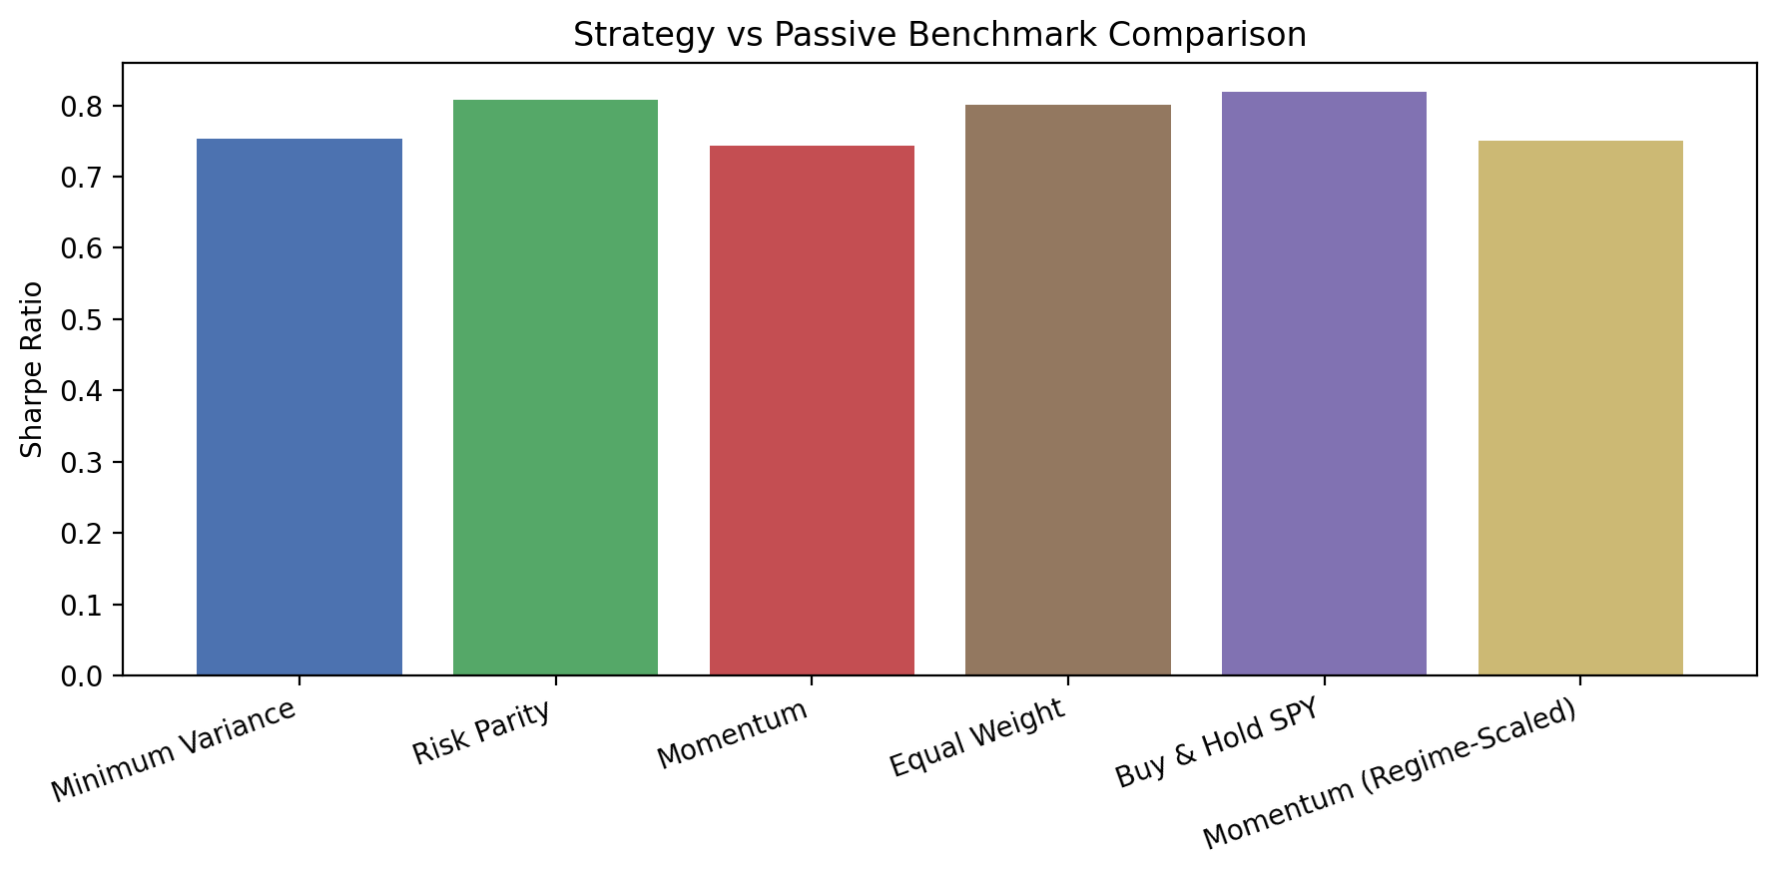
...
Generated 2026-09-10 | Universe: SPY, QQQ, IWM, EFA, EEM, TLT, GLD
Strategy | Annual Return (%) | Annual Volatility (%) | Sharpe Ratio | Max Drawdown (%) | Correlation vs SPY | Tracking Error (%) | Information Ratio | Excess Ann. Return vs SPY (%)
Minimum Variance | 6.9906160055 | 9.574861471 | 0.75369479494 | -25.785845719 | 0.54596321074 | 14.712002522 | -0.48716579884 | -6.7044889766
Risk Parity | 8.50608688 | 10.846587004 | 0.80704950259 | -26.574369252 | 0.77445002933 | 11.445114604 | -0.49191076388 | -5.1890181021
Momentum | 10.486709843 | 14.929789287 | 0.74290616285 | -28.013946564 | 0.787443389 | 10.880039402 | -0.30225075088 | -3.2083951393
Equal Weight | 10.393696232 | 13.497249884 | 0.80038987421 | -26.770779323 | 0.91184268261 | 7.634390047 | -0.46853364091 | -3.3014087501
Buy & Hold SPY | 13.695104982 | 17.560082001 | 0.8191139263 | -33.71726769
Momentum (Regime-Scaled) | 7.0048447143 | 9.6481084168 | 0.75007633845 | -13.473882747 | 0.68862532916 | 12.965280262 | -0.55104298225 | -6.6902602678

WALK-FORWARD
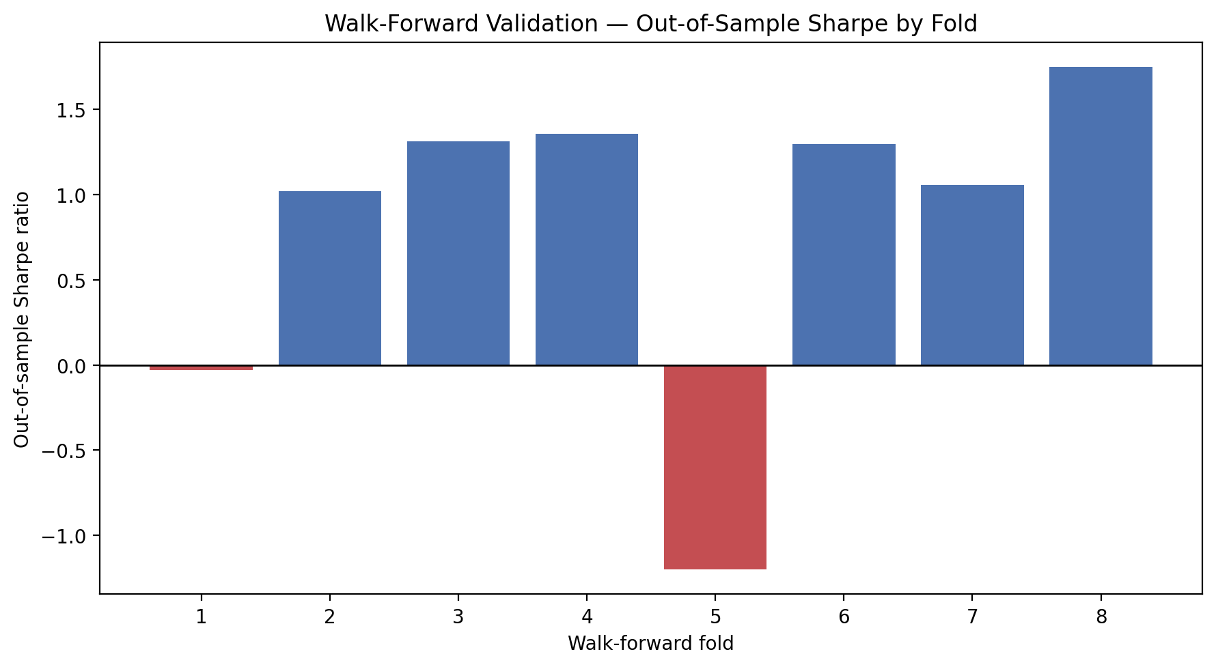
...
Generated 2026-09-10 | Universe: SPY, QQQ, IWM, EFA, EEM, TLT, GLD
Fold | Train Start | Train End | Test Start | Test End | Annual Return (%) | Annual Volatility (%) | Sharpe Ratio | Max Drawdown (%) | Observations
1 | 2015-01-02 | 2018-01-02 | 2018-01-02 | 2019-01-02 | -2.0819263732 | 17.696192377 | -0.030437621927 | -16.121273827 | 252
2 | 2016-01-02 | 2019-01-02 | 2019-01-02 | 2020-01-02 | 9.4083694074 | 9.2474927192 | 1.0187216863 | -8.5840986977 | 253
3 | 2017-01-02 | 2020-01-02 | 2020-01-02 | 2020-12-31 | 28.970396319 | 21.112347388 | 1.3118986942 | -22.219629594 | 253
4 | 2018-01-02 | 2021-01-02 | 2021-01-02 | 2021-12-31 | 19.980698946 | 14.182038661 | 1.3556622109 | -7.5127830853 | 252
5 | 2019-01-02 | 2022-01-02 | 2022-01-02 | 2022-12-30 | -21.746364913 | 18.950655714 | -1.1991366995 | -27.186837929 | 251
6 | 2020-01-02 | 2023-01-02 | 2023-01-02 | 2024-01-02 | 16.086041428 | 12.070699469 | 1.296202721 | -12.017501168 | 251
7 | 2021-01-02 | 2024-01-02 | 2024-01-02 | 2025-01-02 | 13.796060618 | 13.022101783 | 1.0576706342 | -8.7410023829 | 253
8 | 2022-01-02 | 2025-01-02 | 2025-01-02 | 2026-01-02 | 29.359560538 | 15.403968807 | 1.7482866942 | -13.660393652 | 251

SENSITIVITY GRID
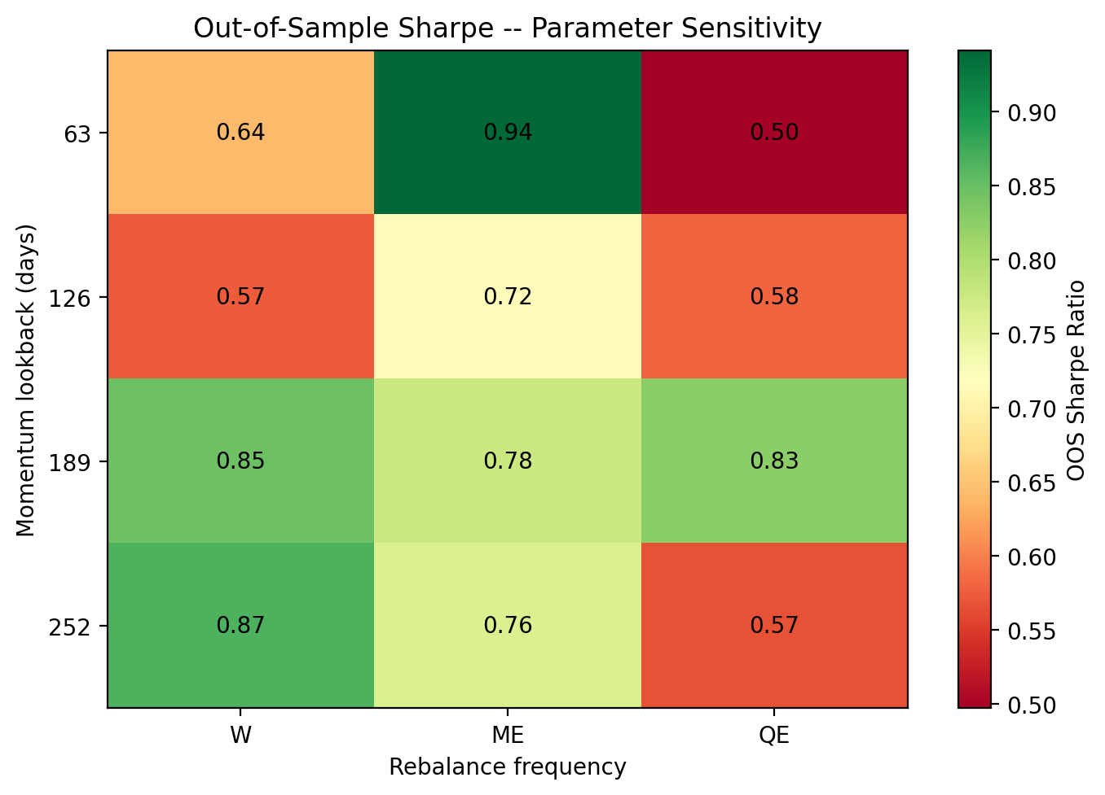
...
Generated 2026-09-10 | Universe: SPY, QQQ, IWM, EFA, EEM, TLT, GLD
Lookback (days) | Rebalance Frequency | OOS Annual Return (%) | OOS Annual Volatility (%) | OOS Sharpe Ratio | OOS Max Drawdown (%) | Annualized Turnover (x/yr) | Folds
126 | ME | 10.479803505 | 15.643651032 | 0.71557600978 | -28.013946564 | 4.7730520585 | 8
126 | QE | 9.2257080035 | 17.96805937 | 0.58160649739 | -34.247409757 | 2.8295338551 | 8
189 | W | 11.843255493 | 14.452130088 | 0.8470468663 | -30.509766706 | 9.1173868663 | 8
189 | ME | 11.192917369 | 15.179760756 | 0.77503571764 | -28.812172141 | 3.8584552569 | 8
189 | QE | 12.836493777 | 16.235518657 | 0.82538976578 | -29.611279838 | 2.2007485539 | 8
252 | W | 12.51272744 | 14.908633376 | 0.86567630074 | -28.620783349 | 7.5740047635 | 8
252 | ME | 11.113045307 | 15.457356258 | 0.75921555987 | -29.708489655 | 3.6869683566 | 8
252 | QE | 8.867791601 | 17.809357923 | 0.56676190835 | -34.247409757 | 2.2007485539 | 8

REBALANCE FREQUENCY
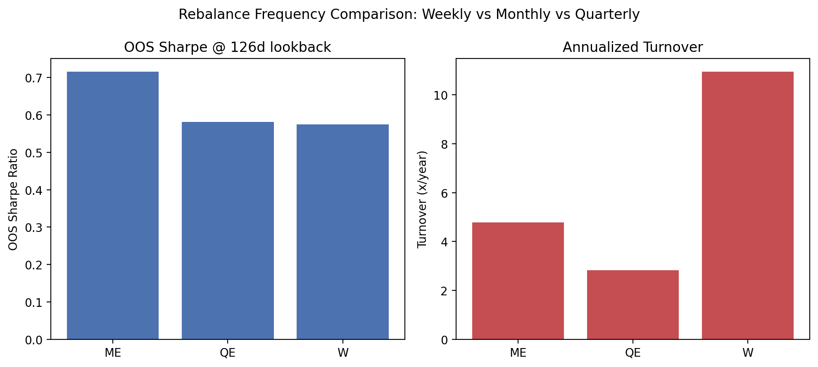
Rebalance Frequency Comparison @ 126d Lookback (OOS)
Generated 2026-09-10 | Universe: SPY, QQQ, IWM, EFA, EEM, TLT, GLD

Lookback (days) | Rebalance Frequency | OOS Annual Return (%) | OOS Annual Volatility (%) | OOS Sharpe Ratio | OOS Max Drawdown (%) | Annualized Turnover (x/yr) | Folds
126 | ME | 10.479803505 | 15.643651032 | 0.71557600978 | -28.013946564 | 4.7730520585 | 8
126 | QE | 9.2257080035 | 17.96805937 | 0.58160649739 | -34.247409757 | 2.8295338551 | 8
126 | W | 7.6430180334 | 14.71548312 | 0.57432382388 | -34.083824871 | 10.94658047 | 8

REGIME SIGNAL
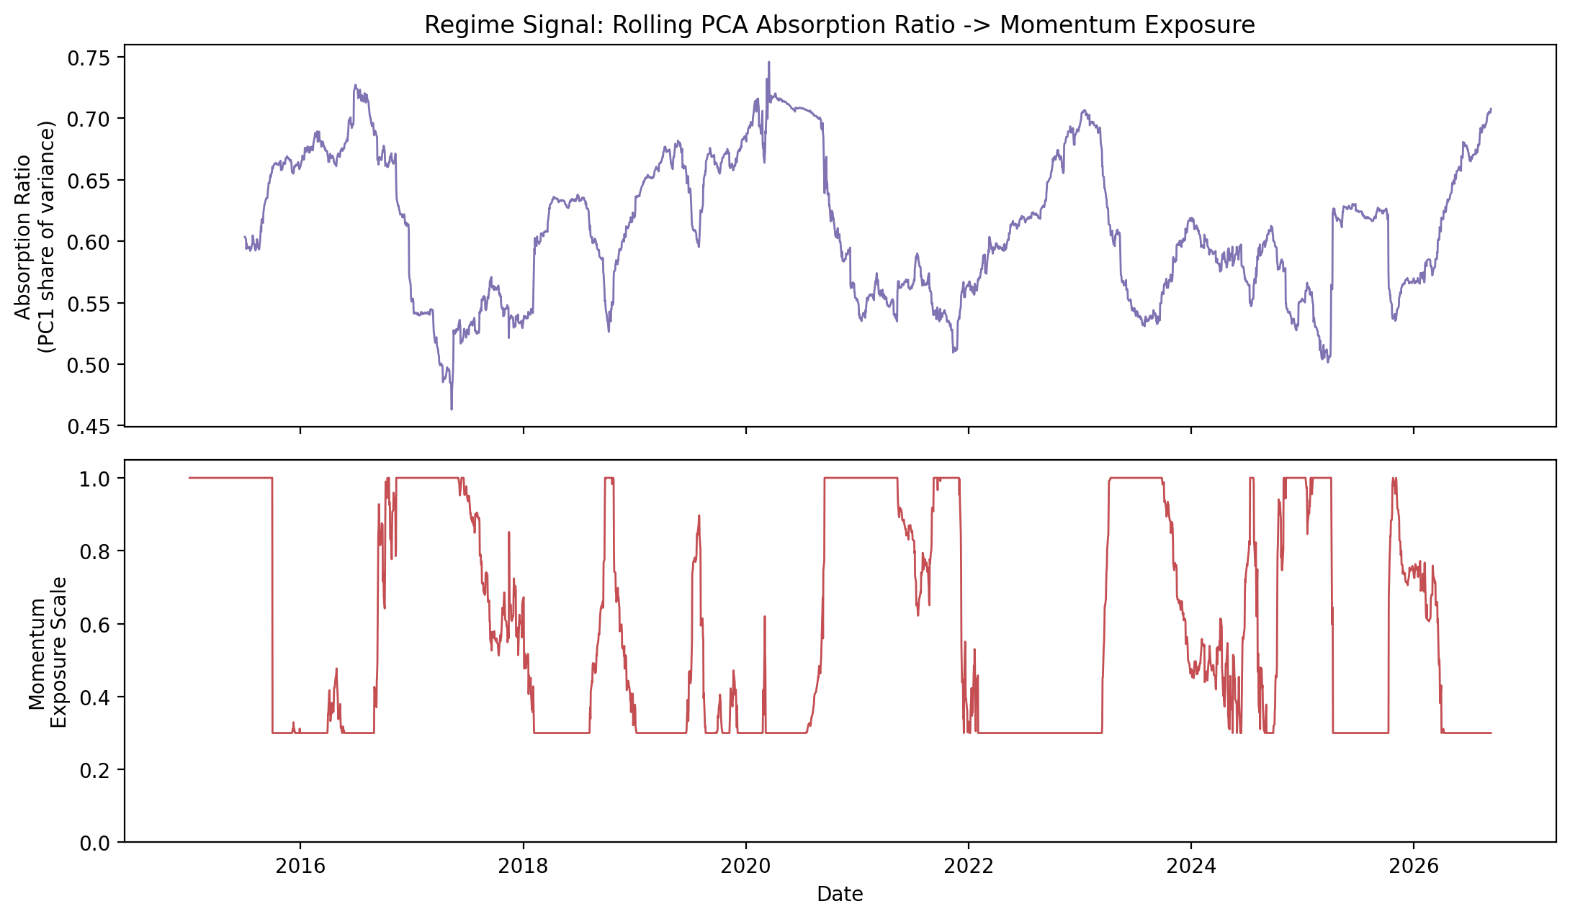
...
Generated 2026-09-10 | Universe: SPY, QQQ, IWM, EFA, EEM, TLT, GLD
Metric | Value
Absorption Ratio -- current | 0.70761734832
Absorption Ratio -- historical mean | 0.61068863363
Absorption Ratio -- historical min | 0.46298731197
Absorption Ratio -- historical max | 0.74585122068
Momentum exposure scale -- current | 0.3
Momentum exposure scale -- historical mean | 0.58028816272
% of days at full exposure (scale = 1.0) | 23.880597015
% of days at minimum exposure (scale = min_scale) | 41.18692253

CURRENT MODEL PICKS
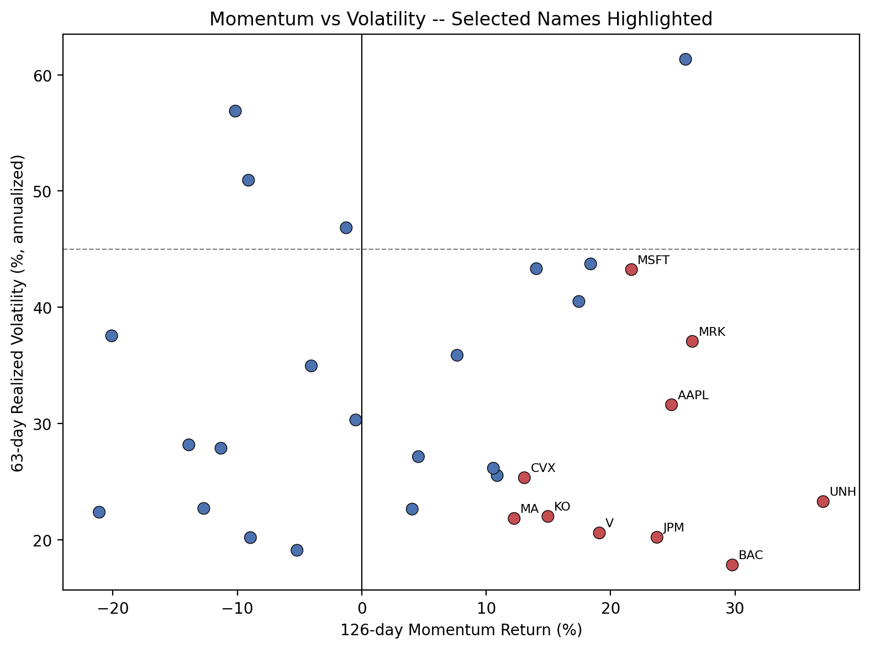
...
Generated 2026-09-10 | 31-stock universe | NOT INVESTMENT ADVICE. This ranks the configured universe purely by trailing price momentum and realized volatility (see src/screener.py for the exact formula). It has no view on valuation, fundamentals, earnings, news, or anything else a real investment decision should weigh, and past momentum is not a guarantee of future performance. For informational/research purposes only.
Ticker | Momentum Return (%) | Realized Volatility (%) | Risk-Adjusted Momentum Score | Target Weight (%)
JPM | 23.722333739 | 20.196953056 | 1.1745501251 | 12.083535331
V | 19.09377745 | 20.571629531 | 0.92816067006 | 11.863454738
AAPL | 24.891826829 | 31.608059188 | 0.7875151929 | 7.7211509375
MRK | 26.562919874 | 37.060380178 | 0.71674709613 | 6.5852156577
KO | 14.959444993 | 21.995740128 | 0.68010646177 | 11.095357301
MA | 12.246155618 | 21.817903315 | 0.56128929722 | 11.185795093
CVX | 13.064906262 | 25.325135631 | 0.5158869217 | 9.636694523
MSFT | 21.673909227 | 43.24070963 | 0.50123851833 | 5.6440007094

