1 Images
a | a | a |  | 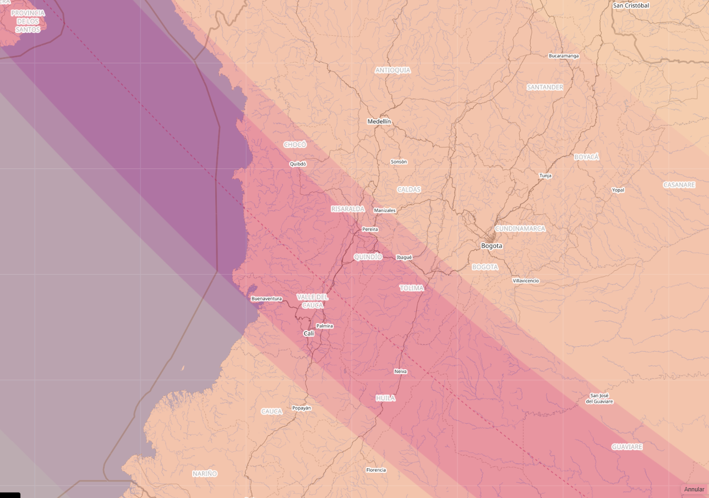
b | b | b | EXAMPLE
c | c | c | EXAMPLE
d | d | d | EXAMPLE
1a | 1a | 1a |  | 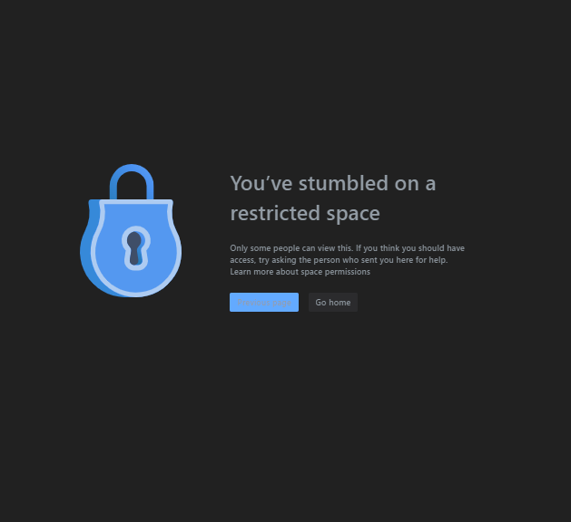
1b | 1b | 1b | EXAMPLE
1c | 1c | 1c | EXAMPLE
1d | 1d | 1d | EXAMPLE
1b | 1b | 1b | EXAMPLE
1c | 1c | 1c | EXAMPLE
1d | 1d | 1d | EXAMPLE
1b | 1b | 1b | EXAMPLE
1c | 1c | 1c | EXAMPLE
1d | 1d | 1d | EXAMPLE
1b | 1b | 1b | EXAMPLE
1c | 1c | 1c | EXAMPLE
1d | 1d | 1d | EXAMPLE
1b | 1b | 1b | EXAMPLE
1c | 1c | 1c | EXAMPLE
1d | 1d | 1d | EXAMPLE
1b | 1b | 1b | EXAMPLE
1c | 1c | 1c | EXAMPLE
1d | 1d | 1d | EXAMPLE
1b | 1b | 1b | EXAMPLE
1c | 1c | 1c | EXAMPLE
1d | 1d | 1d | EXAMPLE
1b | 1b | 1b | EXAMPLE
1c | 1c | 1c | EXAMPLE
1d | 1d | 1d | EXAMPLE
1b | 1b | 1b | EXAMPLE
1c | 1c | 1c | EXAMPLE
1d | 1d | 1d | EXAMPLE

2 Images
a | a | a |  | 
b | b | b | EXAMPLE
c | c | c | EXAMPLE
d | d | d | EXAMPLE
1a | 1a | 1a |  | 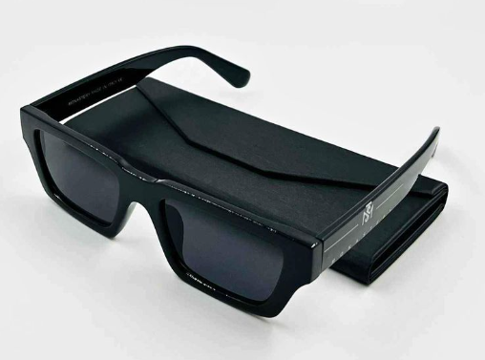
1b | 1b | 1b | EXAMPLE
1c | 1c | 1c | EXAMPLE
1d | 1d | 1d | EXAMPLE
1b | 1b | 1b | EXAMPLE
1c | 1c | 1c | EXAMPLE
1d | 1d | 1d | EXAMPLE
1b | 1b | 1b | EXAMPLE
1c | 1c | 1c | EXAMPLE
1d | 1d | 1d | EXAMPLE
1b | 1b | 1b | EXAMPLE
1c | 1c | 1c | EXAMPLE
1d | 1d | 1d | EXAMPLE
1b | 1b | 1b | EXAMPLE
1c | 1c | 1c | EXAMPLE
1d | 1d | 1d | EXAMPLE
1b | 1b | 1b | EXAMPLE
1c | 1c | 1c | EXAMPLE
1d | 1d | 1d | EXAMPLE
1b | 1b | 1b | EXAMPLE
1c | 1c | 1c | EXAMPLE
1d | 1d | 1d | EXAMPLE
1b | 1b | 1b | EXAMPLE
1c | 1c | 1c | EXAMPLE
1d | 1d | 1d | EXAMPLE

