Formulas
Existing stock retirement

New stock retirement

Total stock

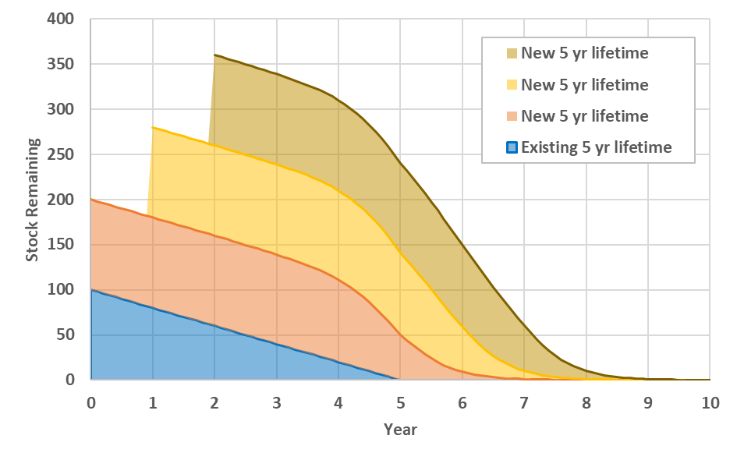

Market share

Life cycle cost

Capital cost

 | Ignore UIC for now

Cost recovery factor

Service cost
 | Note that market shares used to calculate the weighted-average LCC are from the previous iteration of the demand-supply equilibrium process (i.e. the final market shares from the previous year if calculating the first iteration or the previous demand-supply iteration if equilibrium prices have not yet been found).

Declining capital cost

Global capital cost reduction

Cumulative production for declining capital cost function

Declining intangible cost

