resampling
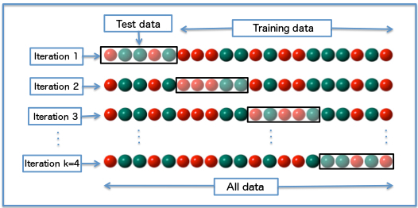
Resampling Methods
Statistical methods to infer about a population from sample data (sample -> population) by sampling such dataset (resample -> sample).
Advantages: Learn from data by relying on the variability between samples of the same dataset, rather than parametric assumptions over the (real) population.
Intuition: Almost like building a synthetic or simulated population using the same dataset.

Method | Historical Order (First = 1) | Sample Size | Sampling | Types (Instances | Implementations) | Main Uses | Utility Ranking (1 = Max)
Permutation | 2 | Same as the original dataset | Iteratively sampling observations arragements without replacement | 1. Exhaustive (Full): all possible rearragements 2. Non-exhaustive: 2.1 Approximate: specified subset of rearragements 2.2 Monte Carlo: randomly drawn subsets of rearregements | - Testing (Statistics, Hypothesis, Significance) | 3
Bootstrap | 3 | Same as the original dataset | Iteratively sampling observations with replacement | 1.1 Parametric (fixed parameters) 1.2 Non-parametric (non-fixed parameters) 2.1 Exhaustive (Exact, Full): all possible bootstrap combinations 2.2 Monte Carlo: randomly drawn bootstraps combinations 3. Unweighted vs weighted 4. Unbalanced vs balanced | - Estimation (Statistics, Confidence interval, Effect Size, Sampling Distribution, etc.) - Testing - Prediction | 1
Jacknife | 1 | One observation less than the original dataset | Iteratively sampling observations by systematically leaving out each one |  | - Estimation (Statistics) | 4
Cross-validation | 4 | Less than the original dataset | Partioning the dataset into complementary subsets for validation purposes | 1. Exhaustive cross-validation 1.1 Leave-one-out cross-validation * 1.2 Leave-p-out cross-validation 2. Non-exhaustive cross-validation 2.1 Simple validation (Hold-out): two (Train, Validation) or three random partitions (Train, Validation, Test) in just one single run (round, iteration) 2.2 k-fold cross-validation: random partitions of k equal sized subsamples over k times (folds), with each of the k subsamples used exactly once as the validation data 2.3 Repeated random sub-sampling validation (aka Monte Carlo cross-validation): random partitions over n times, so that the proportion of the split is not dependent on the number of iterations (folds) 3. Unweighted vs weighted 4. Unbalanced vs balanced | - Estimation aka Training (Model) aka Learning (Model) - Testing (Model Performance) - Prediction | 2

* Similar to Jacknife, but not necessarily the same because jacknife deals with a statistics (not a model) and, also, in cross-validation you compute a statistic on the left-out sample(s), while in jackknifing, you compute a statistic from the kept samples only.

 |  |  |  |  | Jacknife example: Jacknife regression:
 |  |  |  |  | 1- Estimate the slope and intercept using all available data.
 |  |  |  |  | 2- Leave out 1 observation and estimate the slope and intercept (also known as the "partial estimate" of the coefficients).
 |  |  |  |  | 3- Calculate the difference between the "partial estimate" and the "all data" estimate of the slope and the intercept (also know as the "pseudo value" of the coefficients).
 |  |  |  |  | 4- Repeat steps 2 & 3 for the entire data set.
 |  |  |  |  | 5- Compute the mean of the pseudo values for each coefficient -- these are the jackknife estimates of the slope and intercept

