Theater Outcomes by Launch Date
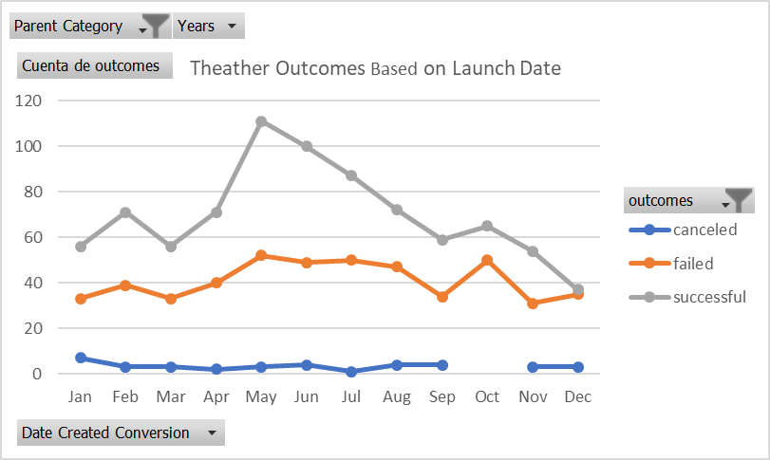
Parent Category | theater
Years | (Todas)

Cuenta de outcomes | Etiquetas de columna
Etiquetas de fila | canceled | failed | successful | Total general
Jan | 7 | 33 | 56 | 96
Feb | 3 | 39 | 71 | 113
Mar | 3 | 33 | 56 | 92
Apr | 2 | 40 | 71 | 113
May | 3 | 52 | 111 | 166
Jun | 4 | 49 | 100 | 153
Jul | 1 | 50 | 87 | 138
Aug | 4 | 47 | 72 | 123
Sep | 4 | 34 | 59 | 97
Oct |  | 50 | 65 | 115
Nov | 3 | 31 | 54 | 88
Dec | 3 | 35 | 37 | 75
Total general | 37 | 493 | 839 | 1369
Theather Outcomes Based on Launch Date
 | canceled | failed | successful
Jan | 7 | 33 | 56
Feb | 3 | 39 | 71
Mar | 3 | 33 | 56
Apr | 2 | 40 | 71
May | 3 | 52 | 111
Jun | 4 | 49 | 100
Jul | 1 | 50 | 87
Aug | 4 | 47 | 72
Sep | 4 | 34 | 59
Oct |  | 50 | 65
Nov | 3 | 31 | 54
Dec | 3 | 35 | 37

Outcomes Based on Goals.
Goal | Number Successful | Number Failed | Number Canceled | Total Projects | Percentage Successful | Percentage Failed | Percentage Canceled
Less Than 1000 | 141 | 45 | 0 | 186 | 76% | 24% | 0
1000 to 4999 | 388 | 146 | 0 | 534 | 73% | 27% | 0
5000 to 9999 | 93 | 76 | 0 | 169 | 55% | 45% | 0
10000 to 14999 | 39 | 33 | 0 | 72 | 54% | 46% | 0
15000 to 19999 | 12 | 12 | 0 | 24 | 50% | 50% | 0
20000 to 24999 | 9 | 11 | 0 | 20 | 45% | 55% | 0
25000 to 29999 | 1 | 4 | 0 | 5 | 20% | 80% | 0
30000 to 34999 | 3 | 8 | 0 | 11 | 27% | 73% | 0
35000 to 39999 | 4 | 2 | 0 | 6 | 67% | 33% | 0
40000 to 44999 | 2 | 1 | 0 | 3 | 67% | 33% | 0
45000 to 49999 | 0 | 1 | 0 | 1 | 0% | 100% | 0
Greater than 50000 | 2 | 14 | 0 | 16 | 13% | 88% | 0
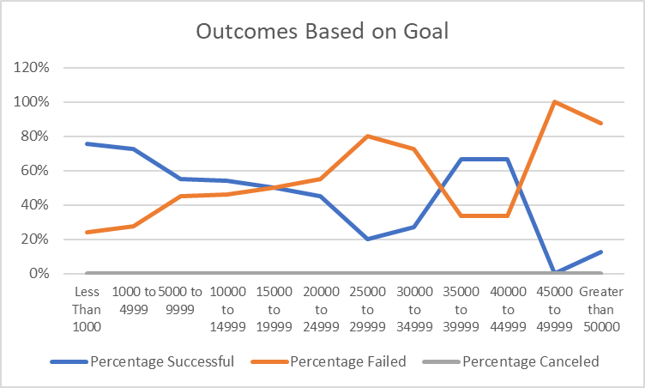
Outcomes Based on Goal

Category Statistics
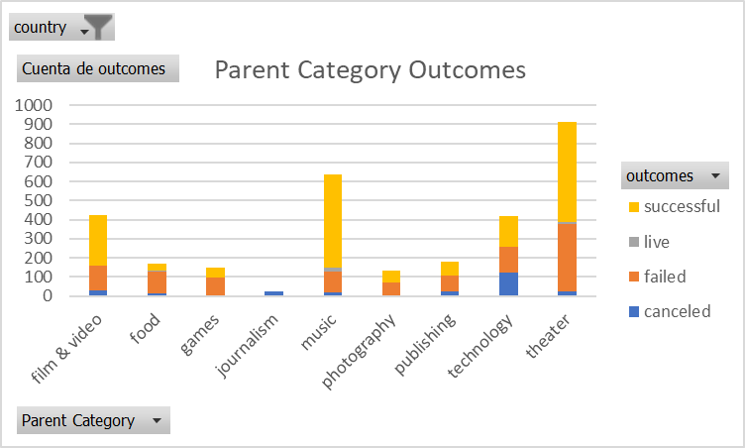
country | US

Cuenta de outcomes | Etiquetas de columna
Etiquetas de fila | canceled | failed | successful | Total general
technology | 121 | 138 | 158 | 417
Total general | 121 | 138 | 158 | 417

Parent Category Outcomes

Subcategory Statistics
country | US
Parent Category | (Todas)

Cuenta de outcomes | Etiquetas de columna
Etiquetas de fila | failed | live | successful | Total general
plays | 250 | 9 | 412 | 671
Total general | 250 | 9 | 412 | 671

