Sheet1
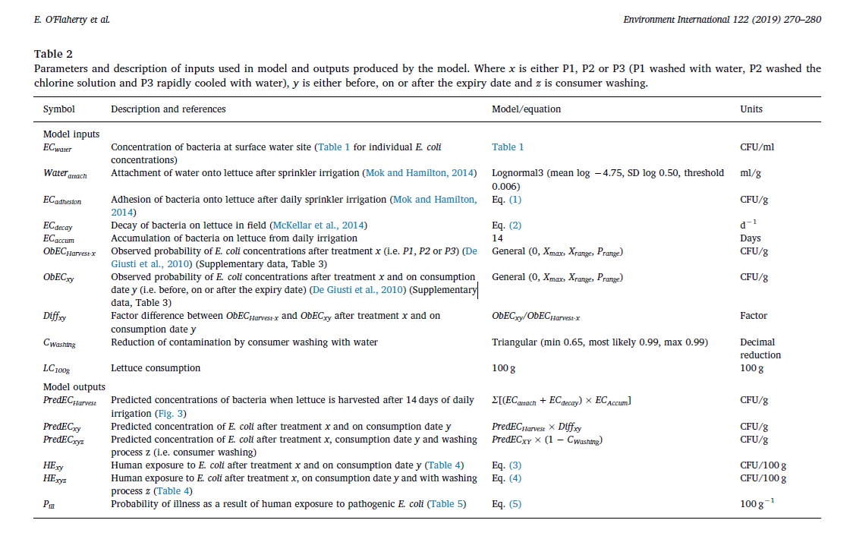
Formula | Equation | Data | Units
Adesion to lettuce | ECadhesion = ECwater × Waterattach | ECwater: Various values (CFU/ml) Waterattach: Lognormal3 (mean log −4.75, SD log 0.50, threshold 0.006) (ml/g) | ECadhesion: CFU/g ECwater: CFU/ml Waterattach: ml/g
Decay on the field (ECdecay) | log R = f × k1 × t + (1 - f) × k2 × t | f: 0.00007642 (unitless) k1: 4.45 (d-1) k2: 0.06981 (d-1) t: Time (day) | log R: Log CFU k1: d-1 k2: d-1 t: days
Human exposure without washing | HExy = LC100g × PredECxy | LC100g: 100 g PredECxy: Various values (CFU/g) | HExy: CFU/100 g LC100g: g PredECxy: CFU/g
Factor difference between ObECHarvest-x and ObECxy after treatment x and on consumption date y | Diffxy = ObECxy/ObECHarvest-x Factor
Predicted concentrations of bacteria when lettuce is harvested after 14 days of daily irrigation | PredECHarvest = Σ[(ECadhesion+ECdecay)×ECAccum] | ECAccum : 14 days | CFU/g
PredECxy Predicted concentration of E. coli after treatment x and on consumption date y PredECHarvest×Diffxy CFU/g | PredECxy = PredECHarvest × Diffxy |  | CFU/g
Predicted concentration of E. coli after treatment x, consumption date y and washing process z | PredECxyz = PredECxy × (1−CWashing) | Cwashing : Triangular (min 0.65, most likely 0.99, max 0.99) | Decimal reduction 100g
Human exposure with washing | HExyz = LC100g × PredECxyz | LC100g: 100 g PredECxyz: Various values (CFU/g) | HExyz: CFU/100 g LC100g: g PredECxyz: CFU/g
Dose response | Pill = 1 - (1 + D / N50)^(-α) | D: HExy or HExyz (CFU/100 g) N50: 6.85 × 10^7 (CFU) α: 2.21 × 10-1 (unitless) | Pill: Unitless D: CFU/100 g N50: CFU

