FR_A0100
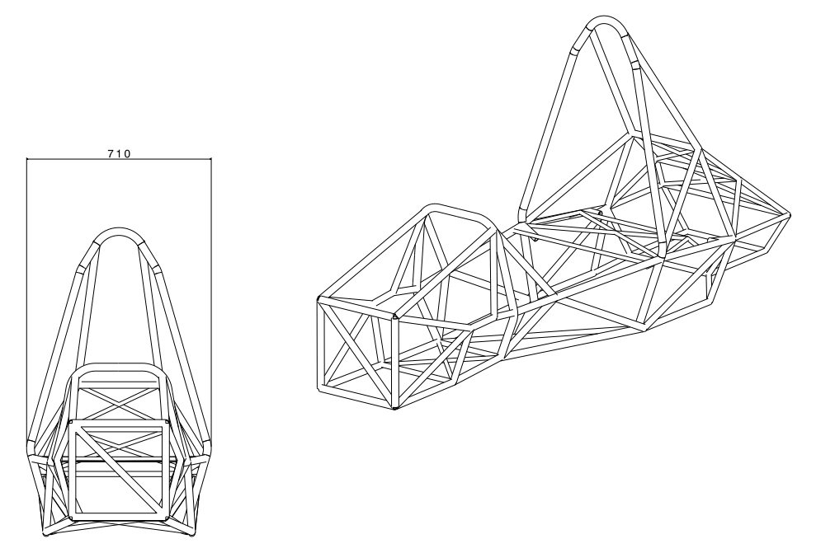
FR | Frame / Frame Tubes | FR_A0100 |  |  |  |  |  |  | Retour
FR | Frame / Frame Tubes |  | FR_A0100 | Frame | 25CrMo4 ; 30*1,5, 25*1,5, 20*15, 15*1,5 | m | 1 | FR_01001

FR_A0200
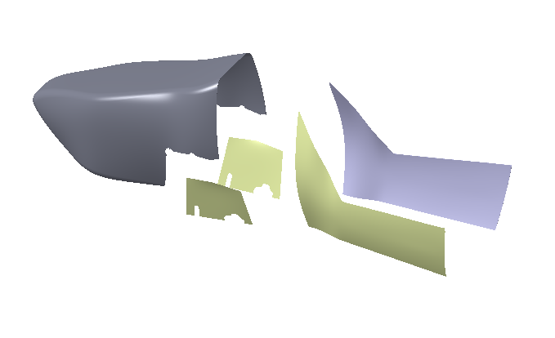
FR | Bodywork | FR_A0200 |  |  |  |  |  |  | Retour
FR | Bodywork |  | FR_A0200 | Nose | Nose of the bodywork | b | 1 | FR_02001
FR | Bodywork |  | FR_A0200 | Side plates | Side plate from the front hoop to main | b | 2 | FR_02002
FR | Bodywork |  | FR_A0200 | Additional plates | Lower side plate with holes | b | 2 | FR_02003
FR | Bodywork |  | FR_A0200 | Push-clips | Attachement of the nose to the frame | b | 4 | FR_02004
FR | Bodywork |  | FR_A0200 | Hook and loop belts | Attachement of the bodywork to the frame | b | 20 | FR_02005

FR_A0600 (2)

FR | Impact Atenuator | FR_A0600 |  |  |  |  |  |  | Retour
FR | Impact Attenuator |  | FR_A0500 | Front plate | Floor pan from front hoop to front car | m | 1 | FR_05001
FR | Impact Attenuator |  | FR_A0500 | Cockpit plate | Floor pan from front hoop to main hoop | m | 1 | FR_05002

FR_A0600

FR | Floor Pan | FR_A0600 |  |  |  |  |  |  | Retour
FR | Floor Pan |  | FR_A0600 | Front plate | Floor pan from front hoop to front car | m | 1 | FR_06001
FR | Floor Pan |  | FR_A0600 | Cockpit plate | Floor pan from front hoop to main hoop | m | 1 | FR_06002

FR_05001
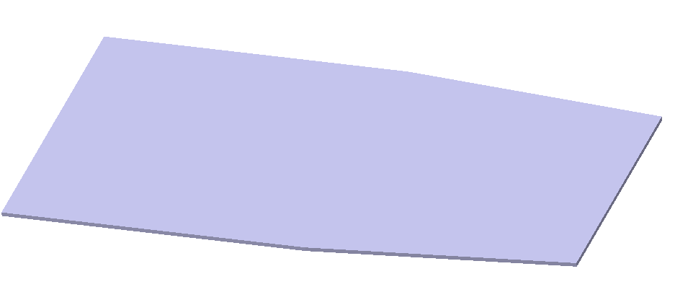
FR | FR_A0600 | Front plate | FR_06001

