Chassis Pics
2023 FS STRUCTURAL EQUIVALENCY SPREADSHEET (SES) V0.9 - CHASSIS PICTURES
 |  |  |  |  | This chart below is for laminated members of the primary structure, ACPS and TSPS only!
University Name | Ecole Centrale Lyon | Car No.(s) & Event(s) | 81 |  | Structure | Thickness outer skin [mm] | Outer skin layup | Core material | Core thickness [mm] | inner skin layup | Thickness inner skin [mm] | Proof of T3.4.3

Please attach pictures of the frame and/or monocoque in the table below for review during the SES process. All tubes/lay-ups must be colour coded to show outer diameter and wall thickness. Three view drawings and isometric views of the structure (CAD, FEA models, etc) are acceptable. Note: Identical composite layups need the identical colour code beyond borders of their specific lamiante structure! Maybe you need to work with two picture sets (Structures & your design)

 |  |  |  |  | MHBS | 0.00 |  |  | 0.0 |  | 0.00
 |  |  |  |  | FHB | 0.00 |  |  | 0.0 |  | 0.00
Images must include dimensions/labels indicating the following: |  |  |  | Compliance shown? | FBH | 0.00 |  |  | 0.0 |  | 0.00
 |  |  |  |  | FBHS | 2.00 |  |  | 20.0 |  | 2.00
Angle of main and front hoops, including angle of main hoop below upper side impact tube. |  |  |  | Yes | SIS vertical | 1.00 |  |  | 18.0 |  | 1.00
Angle between main hoop bracing and main hoop |  |  |  | Yes | SIS horizontal | 1.00 |  |  | 10.0 |  | 1.00
Distance from top of main hoop to main hoop brace attachment |  |  |  | Yes | SHB | 0.00 |  |  | 0.0 |  | 0.00
Distance from top of front hoop to front hoop brace attachment |  |  |  | Yes | YourMaterial7
Outer diameter and wall thickness of all tubes / monocoque lay-up |  |  |  | Yes | YourMaterial8
Compliance to T 7.3.1 - Protection of lubrication systems |  |  |  | No | YourMaterial9
Teams entering cars with IC Powertrains must show the location of the fuel tank and complete filler neck inside rollover protection structure (CV2.2.2) in all images and highlight them in the colour red. |  |  |  | No | YourMaterial10
Teams entering cars with EV Powertrains must show the location of all HV components in these images and highlight them by colouring them orange. |  |  |  | No | YourMaterial11
Teams with breakthroughs/cutouts/holes in the laminated primary structure greater 60 mm² must show their location in these images and highlight them by colouring them purple. These breakthroughs/cutouts/holes must also be shown in the SE3D-file. |  |  |  | No | YourMaterial12

Il nous faut :
3 way view du châssis (angles et dimensions)
vue isométrique (couleur des tubes)
vue prouvant la compliance à T 7.3.1
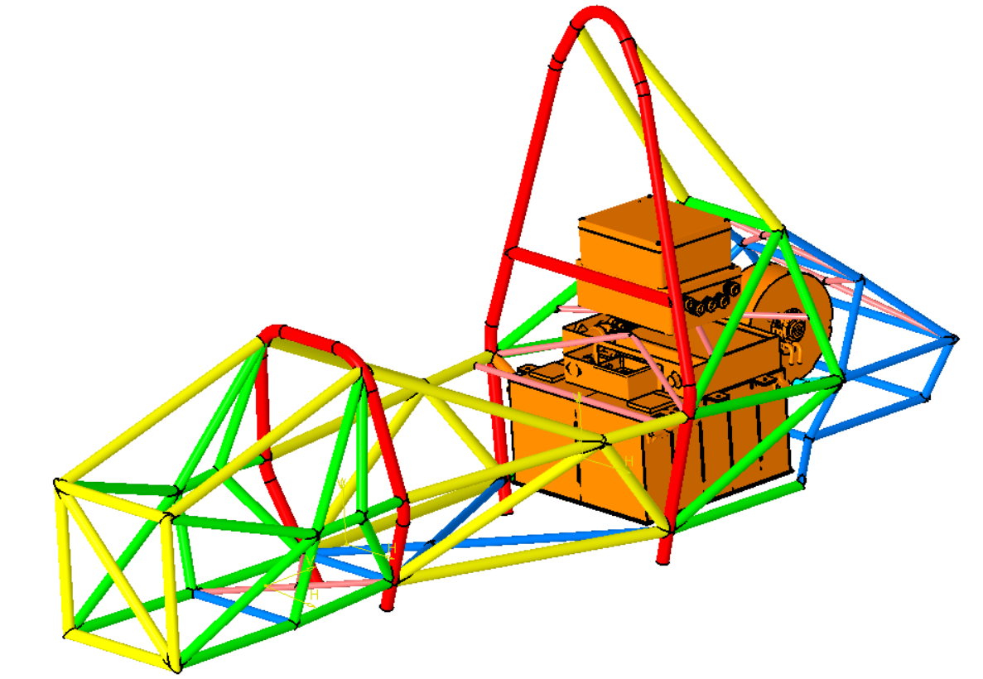
Code couleur

A2.2 Significant Changes
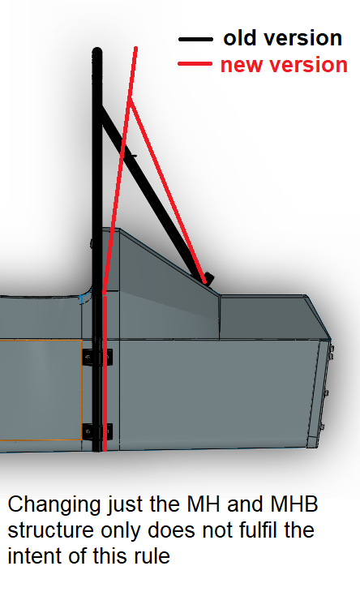
Please explain and show by pictures which new significant changes in the chassis structure (T1.1) to its predecessor you have applied.
Note that the requirements on whether a vehicle can be called 'new' have been updated (see A2.2.2)!
Significant change | Explanation

T3.10.5 T3.5 Guidance Notes
MONOCOQUE EQUIVALENCY GUIDANCE NOTES - MAIN HOOP BRACING SUPPORT

 | There are three scenarios for main hoop bracing | BACK | 3. Teams with non square/rectangular structures must complete an analysis similar to
 | support (MHBS) equivalency. |  | that required in scenario 2, but at a cross-section through the structure where the
 |  |  | equivalent tube offset ("d" in the image below) is ~ 75mm.
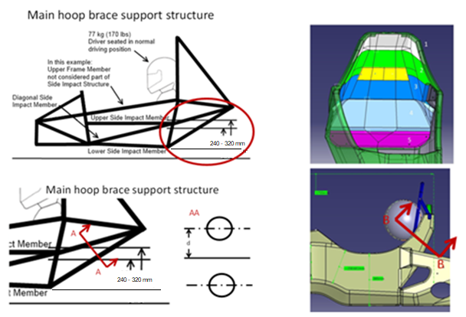
 | 1. Chassis with a near square/rectangular structure
 | rearward of the main hoop; the design is >=100%
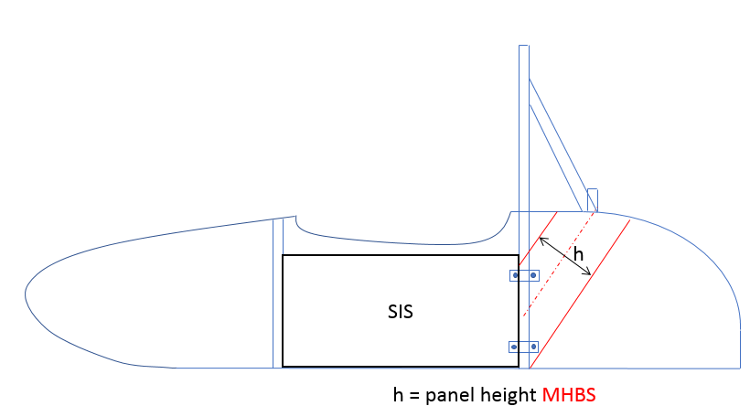
 | equivalency using the flat-panel calc by entering
 | the panel height as per the image shown
 | to the right of this text.

 | MHBS as stated in T3.10.5.

 | In this case no additional proof is required,
 | but images of the chassis proving the
 | panel height entered must be supplied.

 | Pay attention to the right fiber direction of the panel.

 | 2. Chassis with a structure as per 1., but where >=100% equivalence is not shown on the
 | flat panel calc alone.

 | In this case additional proof of equivalence is required, by showing the actual chassis
 | design is >=100% equivalent, it is acceptable to include half of the chassis in this proof.

 | Using a CAD measure of the cross-section of the MHBS (per definition in T3.10.5), or other
 | appropriate method, provide proof of the second moment of area and area of the
 | monocoque skins.

 | Multiply this measured "I" by the "E" derived from the required physical test of your
 | structure to prove the buckling modulus is equivalent.

 | The measured "I" must be transposed from the cross-section centroid to a reference
 | co-ordinate system on the chassis centre-line, and the same completed for the baseline
 | tubes.

 | The measured "A" must be multiplied by the physical test derived skin UTS to prove
 | the strength of the section is >=100%

T3.11 T3.5 Guidance Notes
MONOCOQUE EQUIVALENCY GUIDANCE NOTES - FRONT HOOP BRACING

 | There are two scenarios for front hoop bracing support equivalency.

 | 1. Chassis where, when calculated as a flat panel, half of the smallest width of the upper
 | horizontal panel between the top of the front bulkhead and the top of the front hoop
 | shows >=100% equivalency to 1 front hoop bracing tube.

 | In this case no additional proof is required, but images of the chassis proving the smallest
 | panel width between front hoop and front bulkhead entered must be supplied.

 | 2. Chassis where the flat panel calculation shows <100% equivalence to 1 front hoop
 | bracing tube.

 | In this case additional proof of equivalence is required, by showing the actual chassis
 | design is >=100% equivalent.

 | Using a CAD measure of the cross-section, or other appropriate method, provide proof
 | of the second moment of area and area of the monocoque skins.

 | The height of the moncoque section used for comparison must not exceed 50mm
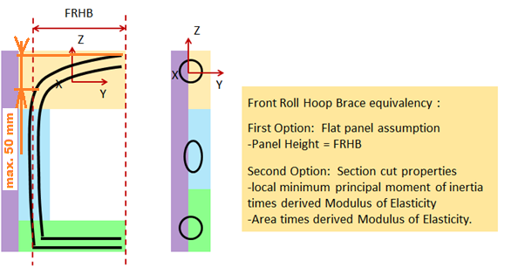

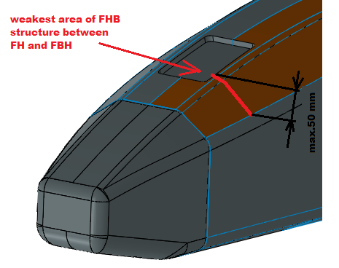
 | The measured "A" must be multiplied by the physical test derived skin UTS to prove
 | the strength of the section is >=100%

 | BACK

T3.14 T3.5 Guidance Notes
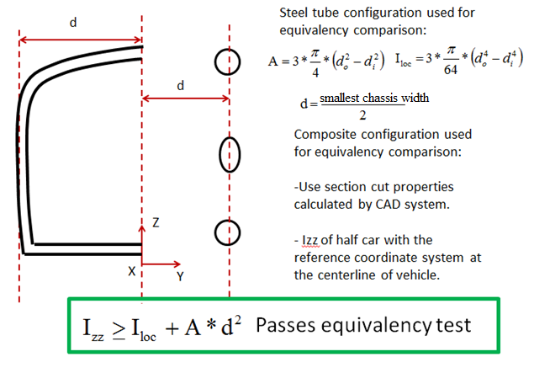
MONOCOQUE EQUIVALENCY GUIDANCE NOTES - FRONT BULKHEAD SUPPORT

 | There are two scenarios for front bulkhead support equivalency.

 | 1. Chassis where, when calculated as a flat panel, the vertical panel between the
 | front bulkhead and front hoop shows >=100% to 3 front bulkhead support tubes.

 | In this case no additional proof is required, but images of the chassis proving the panel
 | height entered must be supplied.

FBH

Front Bulkhead Support T3.14: T3.14.2 Equivalency in the SES is based on a half car model for the weakest area.
First option: Flat panel assumption
-Panel height = FBHS

 | 2. Chassis where the flat panel calculation shows >33% but <100% equivalence to 3
 | front bulkhead support tubes.
 | (If the flat panel calculation shows <33% equivalence the panel core and/or skin
 | thickness must be increased and the physical tests repeated until >33% is achieved)

 | In this case additional proof of equivalence is required, by showing the actual chassis
 | design is >=100% equivalent.

 | Using a CAD measure of the cross-section, or other appropriate method, provide proof
 | of the second moment of area and area of the monocoque skins. | BACK

 | Multiply this measured "I" by the "E" derived from the required physical test to prove the
 | buckling modulus is equivalent.

 | The measured "I" must be transposed from the cross-section centroid to a reference
 | co-ordinate system on the chassis centre-line, and the same completed for the baseline
 | tubes.

 | The measured "A" must be multiplied by the physical test derived skin UTS to prove
 | the strength of the section is >=100%

T3.15 T3.5 Guidance Notes
MONOCOQUE SIDE IMPACT STRUCTURE GUIDANCE NOTES

 | There is only one scenario for monocoque side-impact structure equivalency.

 | Unlike other areas of the monocoque, no allowance for geometric form is allowed.

 | The requirement to prove buckling modulus remains, but with a more stringent requirement
 | where:

 | - The vertical side-impact zone, when calculated as a flat-panel must equivalent EI to
 | two baseline side-impact tubes.

 |  | Note: In practical terms it is impossible for a car with rules compliant ride height to
 |  | have a panel height greater than 320mm, panel heights greater than this will
 |  | return a null value for EI

 | - The horizontal floor (up-to the centre of the chassis), when calculated as flat-panel
 | must have equivalent EI to one baseline side-impact tube.

 | In both cases this is calculated about the weakest axis.
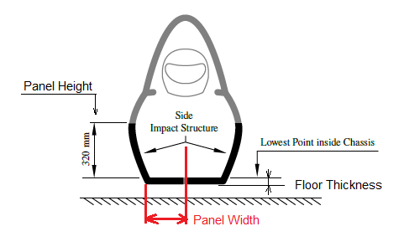

 | BACK

T3.5.9 Guidance Notes
PERIMETER SHEAR TEST GUIDANCE NOTES

 | When entering peak loads please ensure they are in accordance with the image below:

 | Note: Make sure to include BOTH peaks. Also, in case of assymetrical laminates.

 | Note: If the first peak is higher than the second then it can be used for the punch through
 | strength requirement.

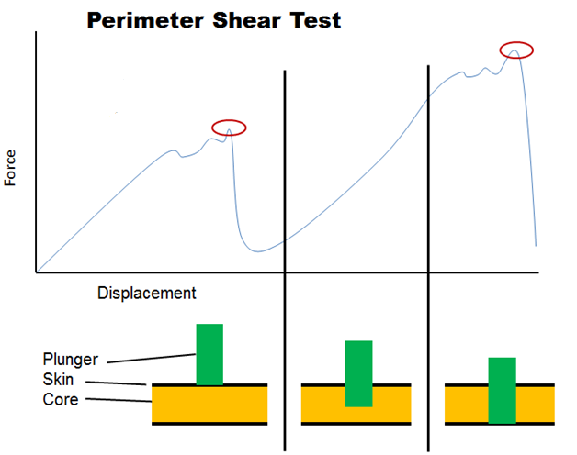
Higher Peak:
T3.14 / T3.15 requirement

Lower Peak:
Ymax, used to derive shear strenght for any attachment

 |  | BACK

T4.5 Guidance Notes
HARNESS ATTACHMENT GUIDANCE NOTES |  | SHOULDER HARNESS BAR GUIDANCE NOTES

 | ALL harness attachments, including typical designs found on steel tube frames have to |  | There are two scenarios for the shoulder harness bar (SHB) equivalency.
 | show equivalency to the forces laid out in T4.5
 |  |  | 1.) SHB is orientated vertically or inclined:
 | Attachments for LAP BELTS and ANTI-SUBMARINGE BELTS on steel tube frames using
 | unalloyed carbon steel (T 3.2.2) do generally not require calculations with regards to bending |  | - Panel height of SHB is the shortest distance from lower to upper SHB laminate
 | loads in the tube structure if and only if ALL of the following criteria are met:
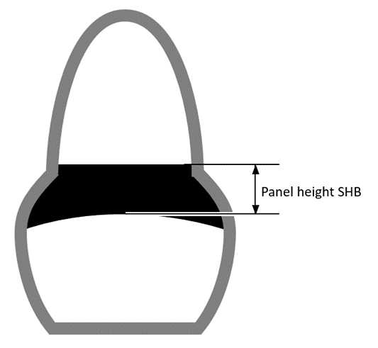
 | 1.) The attachment points are located at a frame node or maximum 50mm away from it
 | 2.) The frame node in question is properly triangulated both in side and top view
 | 3.) The triangulation of the frame node in question is done with "SIS" tubes
 | 4.) Lap belts and anti-submarine belts one either side are not attached to the same tube
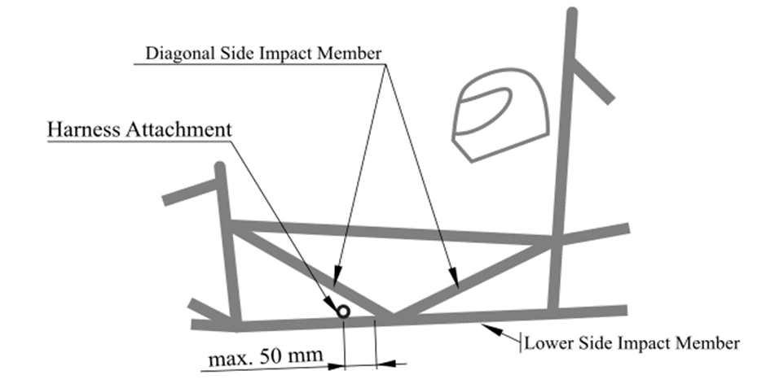

 |  |  | 2.) SHB is on the top rear surface of the monocoque:

 |  |  | - SHB laminates reaching beyond a third of the shortest distance on top surface are
 |  |  | not considered as part of the panel height.

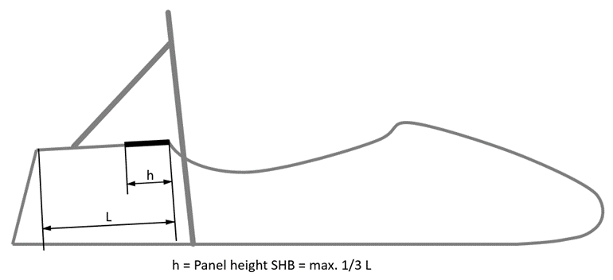

 | The bending calculations for the SHOULDER HARNESS BAR of steel tube frames shall be
 | done by applying the force of 13 kN ONCE at the middle of one shoulder harness attachment

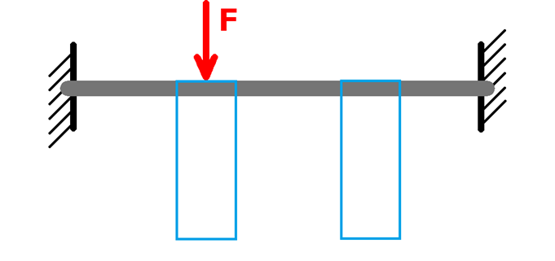

 |  |  | Note: For both cases, geometrical stiffness is acceptable to show equivalence.

 | Failure must not occur anywhere in the loadpath from the harness to the roll hoops

 | Maximum allowable deflection with the force applied: 25mm (including plastic deformation)

 | BACK |  | BACK

EV4.4 Guidance Notes
TRACTIVE SYSTEM PROTECTION EQUIVALENCY GUIDANCE NOTES
 | There are three scenarios for the tractive system protection equivalency. | For both scenario 1 & 2:

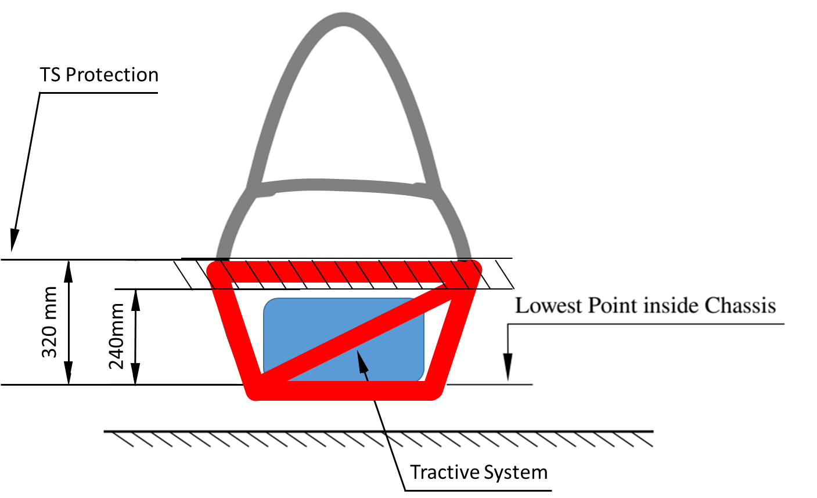
 | 1. Tubular frame cars with motors laying within the primary structure: | At least 1 diagonal member has to connect upper and lower side-impact tube members,
 |  | the same applies for rear-impact members .
 | Side- and rear-impact zone must fulfill T3.15 with exception of: “must connect the
 | main hoop and front hoop” and must follow T 3.16 when having bolted attachments.

 | Side-impact zone must be connected from main hoop to rear-impact zone.
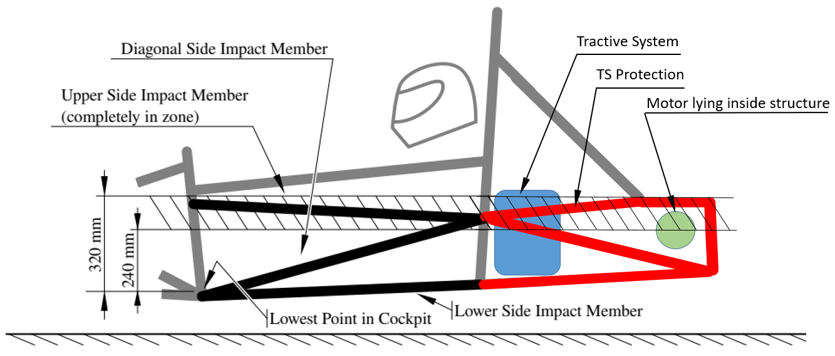

 |  | 3. Monocoques:

 |  | Side- and rear-impact zone must fulfill T3.15 with exception of: “must connect the
 | 2. Tubular Frame cars with motors laying outside the primary structure according | main hoop and front hoop” and must follow T 3.16 when having bolted attachments.
 | rule EV 4.4.3 (outboard wheel motors):
 |  | Side-impact zone must be connected from main hoop to rear-impact zone.
 | All mentioned above must be followed.
 |  | No structure higher than 320mm over the lowest chassis point can be added to
 | The motor is behind the rear bulkhead and no tractive system component | the side-and rear-impact zone to prove equivalence.
 | not falling under EV 4.4.3 penetrates the bulkhead in front of the motor.
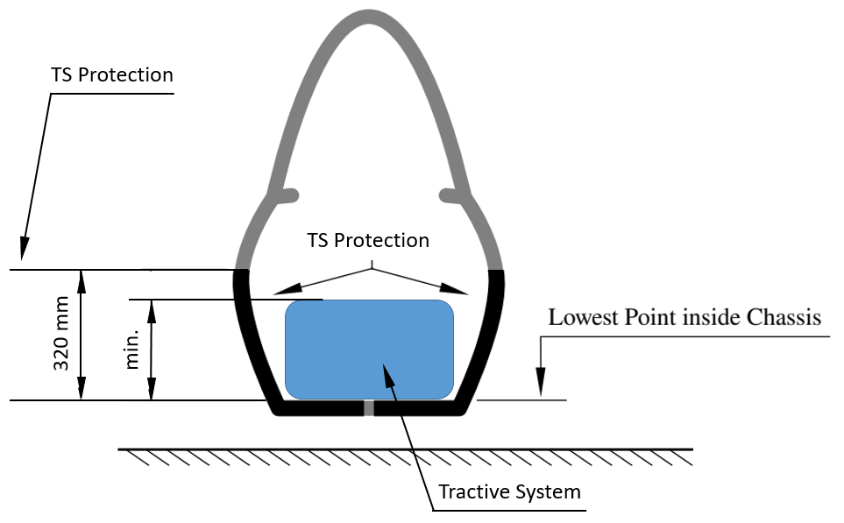
 | In this case, the bulkhead in front of the motor can be considered as rear-impact
 | zone. Any structure behind does not need to meet the requirements for a side-
 | or rear-impact zone.
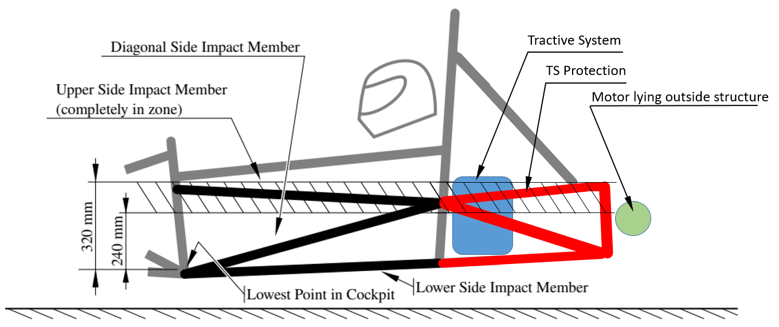

 | Note: For scenario 1. and 2. triangulation still applies for all structural relevant members. | In comparison to tubular frames, monocoques do not need to extend the side- and
 |  | rear-impact zone beyond the TS components, if the highest point of any TS
 |  | component is below 320mm measured from the lowest chassis point.

 |  |  | BACK

EV5.5 TSAC Attachment Guidance
ACCUMULATOR CONTAINER ATTACHMENT GUIDANCE NOTES
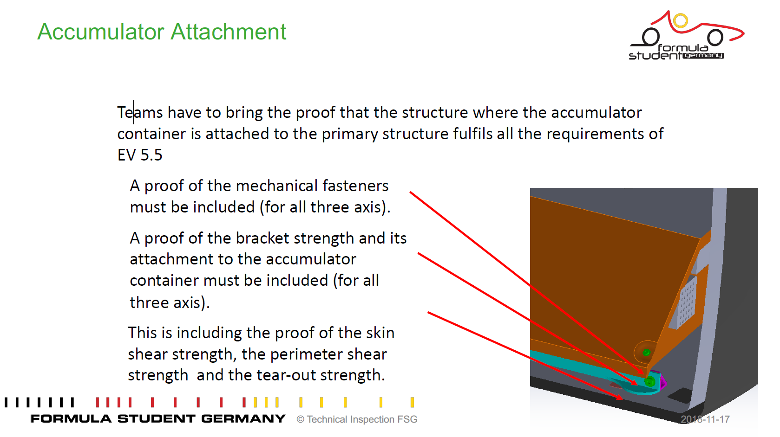

 | BACK

 | Please note:
 | Hand calculations always preferred

! | Showing some flashy and colourfull FEM images without legends , full model description or lettertypes are unreadable, nothing given about the meshing etc. etc. result basically a "FAIL" directly | !

Monocoque Attachments Guidance

MONOCOQUE ATTACHMENTS GUIDANCE NOTES
 |  |  | Note: Brackets which have no "form" or gusseting are not acceptable as they will fail in
 | All monocoque attachment tabs follow the same order, stepping through each key element |  | bending at <30KN
 | from Row 13 to Row 20.
 |  |  | Below are some examples of brackets which are not acceptable:
 | The images below show an example hoop attachment, in this case the following data
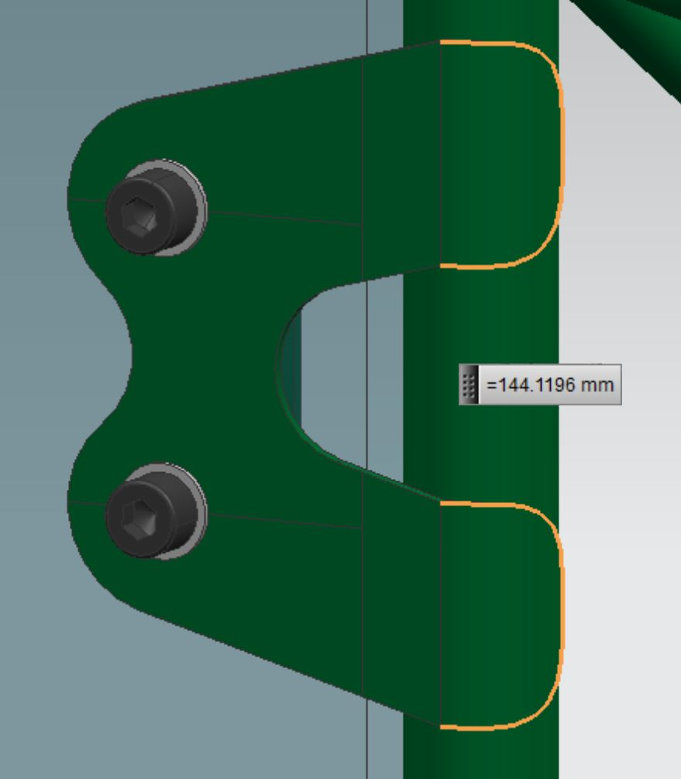
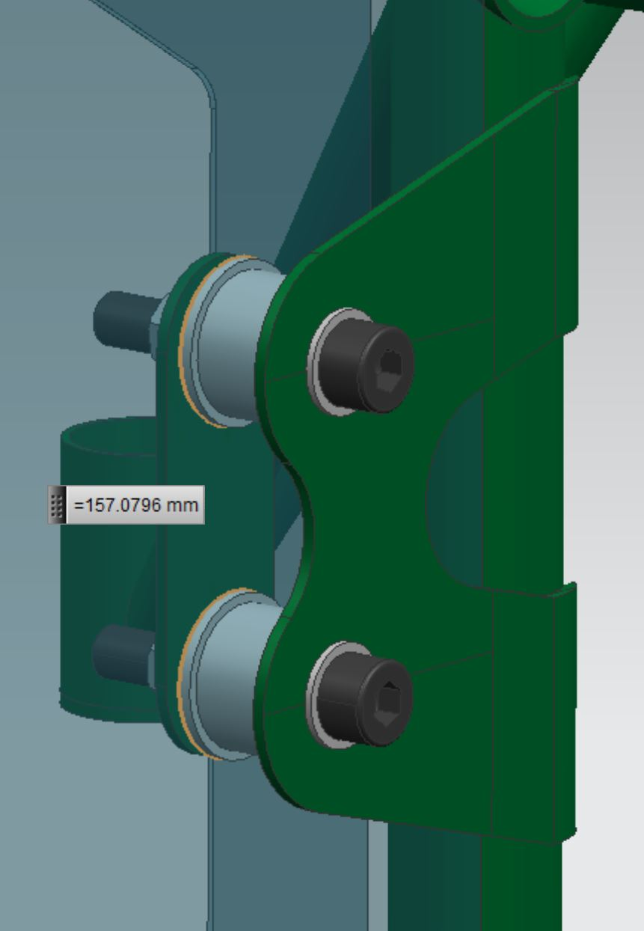
 | would be entered:

 | Row 13: | Total weld length of all welds joining the hoop tube to the bracket
 | Row 14: | Thickness of the bracket joined to the hoop
 | Row 15: | Outside perimeter of the bracket joined to the hoop
 | Row 16: | Thickness of the laminate skin in contact with the bracket joined to the hoop
 | Row 17: | Combined outside perimeter of all inserts in the core material
 | Row 18: | Thickness of the laminate skin in contact with the backing plate
 | Row 19: | Thickness of the backing plate
 | Row 20: | Outside perimeter of the backing plate
 | Row 21: | Shortest distance from edge of bolt hole to nearest "free edge"

 | Entering the combined perimeter of all inserts between the outer and inner skins is
 | optional, provided the strength in both loading directions is >=30kN without their inclusion.

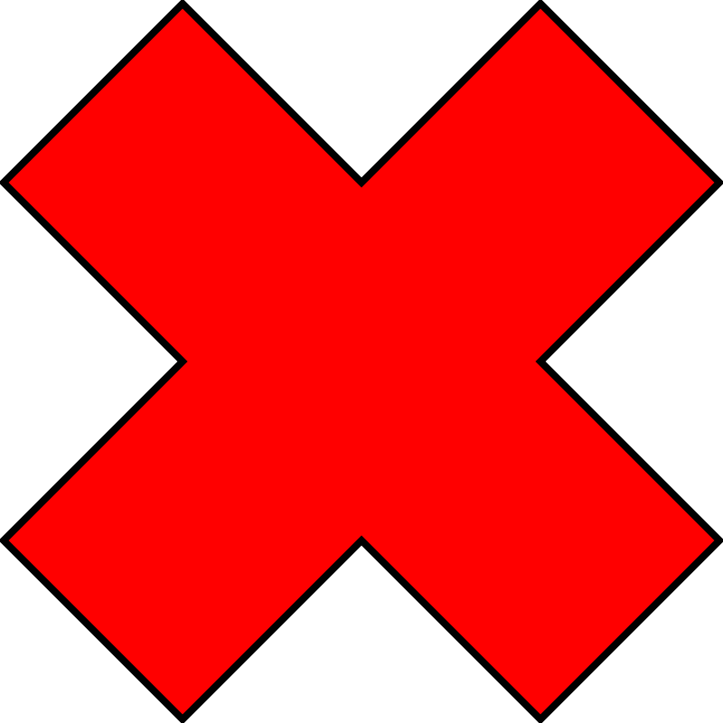
 | If teams using a another laminated structure than the SIS for the MH attachment then
 | additional shear strength test must be performed.
 | In this case please copy the given chart in to the yellow area then the cells for the
 | "Skin shear strength, Mpa" are unlocked and you can enter the specific value
 | of your specific structure.

 |  |  |  | BACK

Front Hoop Attachment Guidance
FRONT HOOP ATTACHMENT GUIDANCE NOTES

 | This section elaborates on the front hoop attachments, and how to show equivalency:

 | At the minimum, a front hoop has three attachment points per side:

 | 1. Front hoop bracing attachment
 | 2. Upper FBHS/SIS attachment
 | 3. Lower FBHS/SIS attachment

 | If the upper FBHS member is more than 100mm above the upper SIS member, additional bracing is needed and therefore a fourth connection exists. (T3.14.1)

 | For composite cars, this means that there are at least 3 attachment points per side.
 | T3.11.4 means they cannot be combined and therefore must be separate attachments.

 | The top attachment, for the front hoop bracing, must lie in the top 50mm of the FHB area, as described in the T3.11 T3.5 Guidance Notes.

 | For laminated front hoops, this also means that only the top 50mm can be used to show
 | equivalency for the front hoop bracing attachments.

 | T3.11 T3.5 Guidance Notes

 | BACK

1

2

(4)

3

