A2.2 Significant Changes
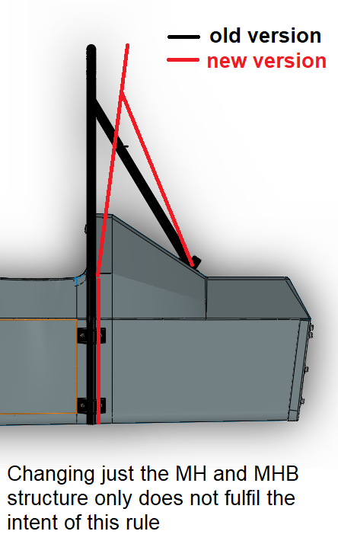
Please explain and show by pictures which new significant changes in the chassis structure (T1.1) to its predecessor you have applied.
Note that the requirements on whether a vehicle can be called 'new' have been updated (see A2.2.2)!
Significant change | Explanation

T3.10.5 T3.5 Guidance Notes
MONOCOQUE EQUIVALENCY GUIDANCE NOTES - MAIN HOOP BRACING SUPPORT

 | There are three scenarios for main hoop bracing | BACK | 3. Teams with non square/rectangular structures must complete an analysis similar to
 | support (MHBS) equivalency. |  | that required in scenario 2, but at a cross-section through the structure where the
 |  |  | equivalent tube offset ("d" in the image below) is ~ 75mm.
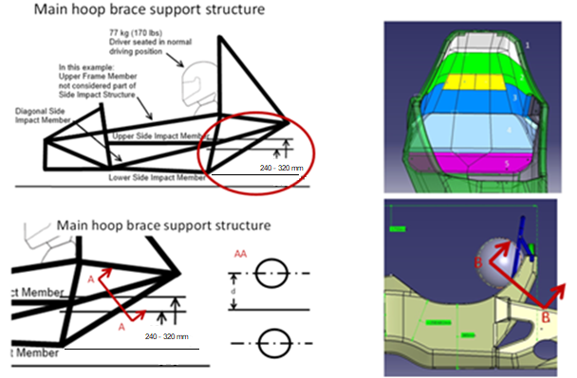
 | 1. Chassis with a near square/rectangular structure
 | rearward of the main hoop; the design is >=100%
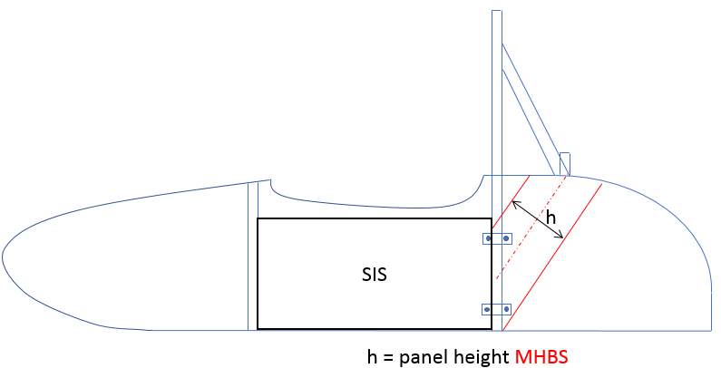
 | equivalency using the flat-panel calc by entering
 | the panel height as per the image shown
 | to the right of this text.

 | MHBS as stated in T3.10.5.

 | In this case no additional proof is required,
 | but images of the chassis proving the
 | panel height entered must be supplied.

 | Pay attention to the right fiber direction of the panel.

 | 2. Chassis with a structure as per 1., but where >=100% equivalence is not shown on the
 | flat panel calc alone.

 | In this case additional proof of equivalence is required, by showing the actual chassis
 | design is >=100% equivalent, it is acceptable to include half of the chassis in this proof.

 | Using a CAD measure of the cross-section of the MHBS (per definition in T3.10.5), or other
 | appropriate method, provide proof of the second moment of area and area of the
 | monocoque skins.

 | Multiply this measured "I" by the "E" derived from the required physical test of your
 | structure to prove the buckling modulus is equivalent.

 | The measured "I" must be transposed from the cross-section centroid to a reference
 | co-ordinate system on the chassis centre-line, and the same completed for the baseline
 | tubes.

 | The measured "A" must be multiplied by the physical test derived skin UTS to prove
 | the strength of the section is >=100%

T3.11 T3.5 Guidance Notes
MONOCOQUE EQUIVALENCY GUIDANCE NOTES - FRONT HOOP BRACING

 | There are two scenarios for front hoop bracing support equivalency.

 | 1. Chassis where, when calculated as a flat panel, half of the smallest width of the upper
 | horizontal panel between the top of the front bulkhead and the top of the front hoop
 | shows >=100% equivalency to 1 front hoop bracing tube.

 | In this case no additional proof is required, but images of the chassis proving the smallest
 | panel width between front hoop and front bulkhead entered must be supplied.

 | 2. Chassis where the flat panel calculation shows <100% equivalence to 1 front hoop
 | bracing tube.

 | In this case additional proof of equivalence is required, by showing the actual chassis
 | design is >=100% equivalent.

 | Using a CAD measure of the cross-section, or other appropriate method, provide proof
 | of the second moment of area and area of the monocoque skins.

 | The height of the moncoque section used for comparison must not exceed 50mm
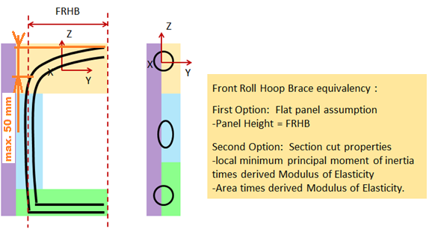

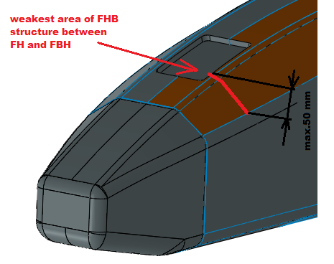
 | The measured "A" must be multiplied by the physical test derived skin UTS to prove
 | the strength of the section is >=100%

 | BACK

T3.14 T3.5 Guidance Notes
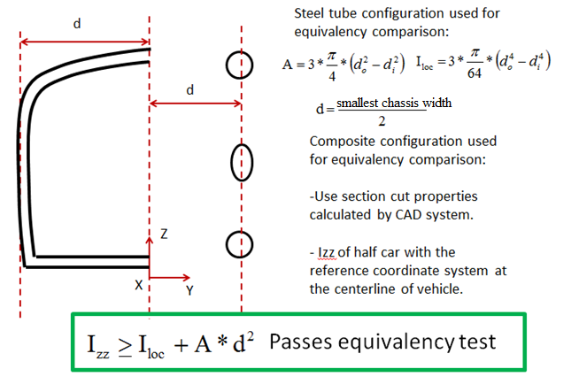
MONOCOQUE EQUIVALENCY GUIDANCE NOTES - FRONT BULKHEAD SUPPORT

 | There are two scenarios for front bulkhead support equivalency.

 | 1. Chassis where, when calculated as a flat panel, the vertical panel between the
 | front bulkhead and front hoop shows >=100% to 3 front bulkhead support tubes.

 | In this case no additional proof is required, but images of the chassis proving the panel
 | height entered must be supplied.

Front Bulkhead Support T3.14: T3.14.2 Equivalency in the SES is based on a half car model for the weakest area.
First option: Flat panel assumption
-Panel height = FBHS
FBH

 | 2. Chassis where the flat panel calculation shows >33% but <100% equivalence to 3
 | front bulkhead support tubes.
 | (If the flat panel calculation shows <33% equivalence the panel core and/or skin
 | thickness must be increased and the physical tests repeated until >33% is achieved)

 | In this case additional proof of equivalence is required, by showing the actual chassis
 | design is >=100% equivalent.

 | Using a CAD measure of the cross-section, or other appropriate method, provide proof
 | of the second moment of area and area of the monocoque skins. | BACK

 | Multiply this measured "I" by the "E" derived from the required physical test to prove the
 | buckling modulus is equivalent.

 | The measured "I" must be transposed from the cross-section centroid to a reference
 | co-ordinate system on the chassis centre-line, and the same completed for the baseline
 | tubes.

 | The measured "A" must be multiplied by the physical test derived skin UTS to prove
 | the strength of the section is >=100%

T3.15 T3.5 Guidance Notes
MONOCOQUE SIDE IMPACT STRUCTURE GUIDANCE NOTES

 | There is only one scenario for monocoque side-impact structure equivalency.

 | Unlike other areas of the monocoque, no allowance for geometric form is allowed.

 | The requirement to prove buckling modulus remains, but with a more stringent requirement
 | where:

 | - The vertical side-impact zone, when calculated as a flat-panel must equivalent EI to
 | two baseline side-impact tubes.

 |  | Note: In practical terms it is impossible for a car with rules compliant ride height to
 |  | have a panel height greater than 320mm, panel heights greater than this will
 |  | return a null value for EI

 | - The horizontal floor (up-to the centre of the chassis), when calculated as flat-panel
 | must have equivalent EI to one baseline side-impact tube.

 | In both cases this is calculated about the weakest axis.
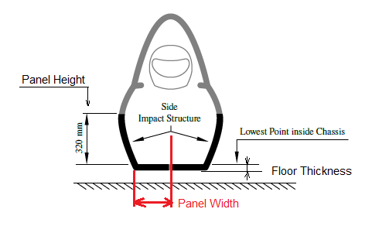

 | BACK

T3.5.9 Guidance Notes
PERIMETER SHEAR TEST GUIDANCE NOTES

 | When entering peak loads please ensure they are in accordance with the image below:

 | Note: Make sure to include BOTH peaks. Also, in case of assymetrical laminates.

 | Note: If the first peak is higher than the second then it can be used for the punch through
 | strength requirement.

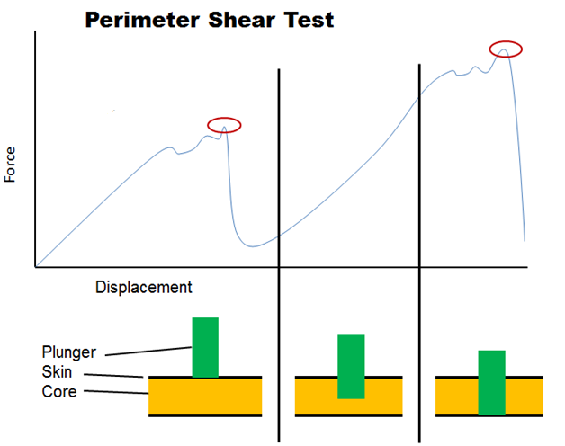
Higher Peak:
T3.14 / T3.15 requirement

Lower Peak:
Ymax, used to derive shear strenght for any attachment

 |  | BACK

T4.5 Guidance Notes
HARNESS ATTACHMENT GUIDANCE NOTES |  | SHOULDER HARNESS BAR GUIDANCE NOTES

 | ALL harness attachments, including typical designs found on steel tube frames have to |  | There are two scenarios for the shoulder harness bar (SHB) equivalency.
 | show equivalency to the forces laid out in T4.5
 |  |  | 1.) SHB is orientated vertically or inclined:
 | Attachments for LAP BELTS and ANTI-SUBMARINGE BELTS on steel tube frames using
 | unalloyed carbon steel (T 3.2.2) do generally not require calculations with regards to bending |  | - Panel height of SHB is the shortest distance from lower to upper SHB laminate
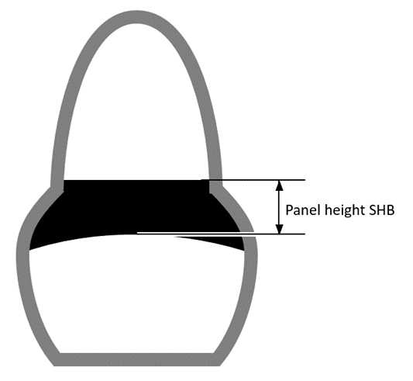
 | loads in the tube structure if and only if ALL of the following criteria are met:

 | 1.) The attachment points are located at a frame node or maximum 50mm away from it
 | 2.) The frame node in question is properly triangulated both in side and top view
 | 3.) The triangulation of the frame node in question is done with "SIS" tubes
 | 4.) Lap belts and anti-submarine belts one either side are not attached to the same tube
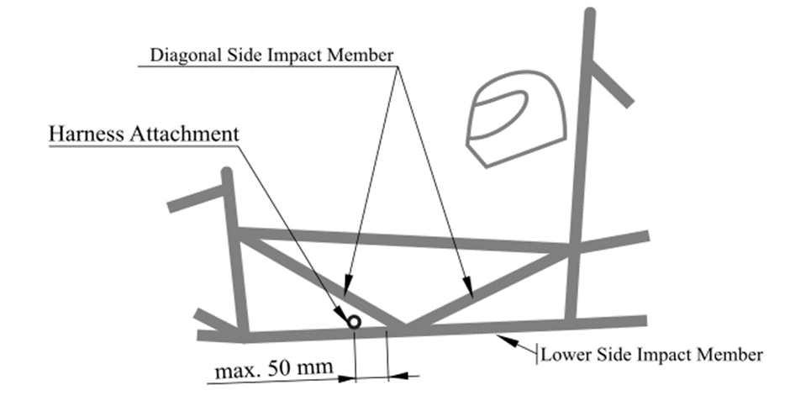

 |  |  | 2.) SHB is on the top rear surface of the monocoque:

 |  |  | - SHB laminates reaching beyond a third of the shortest distance on top surface are
 |  |  | not considered as part of the panel height.

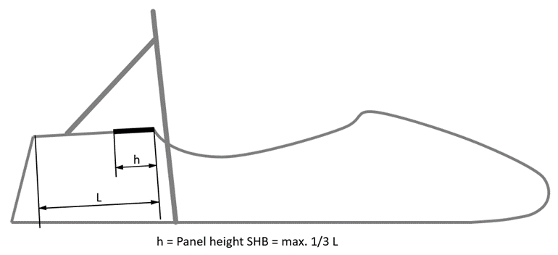

 | The bending calculations for the SHOULDER HARNESS BAR of steel tube frames shall be
 | done by applying the force of 13 kN ONCE at the middle of one shoulder harness attachment

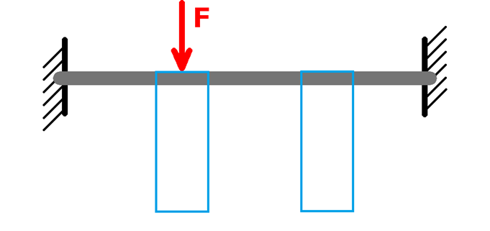

 |  |  | Note: For both cases, geometrical stiffness is acceptable to show equivalence.

 | Failure must not occur anywhere in the loadpath from the harness to the roll hoops

 | Maximum allowable deflection with the force applied: 25mm (including plastic deformation)

 | BACK |  | BACK

EV4.4 Guidance Notes
TRACTIVE SYSTEM PROTECTION EQUIVALENCY GUIDANCE NOTES
 | There are three scenarios for the tractive system protection equivalency. | For both scenario 1 & 2:

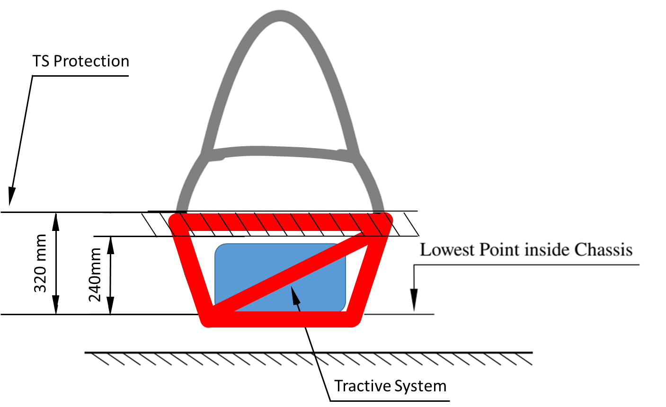
 | 1. Tubular frame cars with motors laying within the primary structure: | At least 1 diagonal member has to connect upper and lower side-impact tube members,
 |  | the same applies for rear-impact members .
 | Side- and rear-impact zone must fulfill T3.15 with exception of: “must connect the
 | main hoop and front hoop” and must follow T 3.16 when having bolted attachments.

 | Side-impact zone must be connected from main hoop to rear-impact zone.
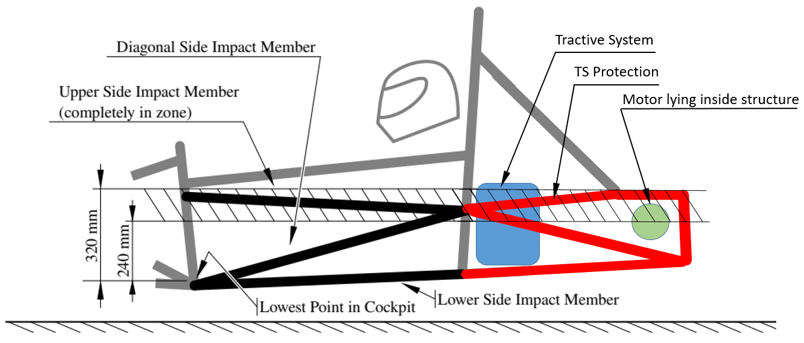

 |  | 3. Monocoques:

 |  | Side- and rear-impact zone must fulfill T3.15 with exception of: “must connect the
 | 2. Tubular Frame cars with motors laying outside the primary structure according | main hoop and front hoop” and must follow T 3.16 when having bolted attachments.
 | rule EV 4.4.3 (outboard wheel motors):
 |  | Side-impact zone must be connected from main hoop to rear-impact zone.
 | All mentioned above must be followed.
 |  | No structure higher than 320mm over the lowest chassis point can be added to
 | The motor is behind the rear bulkhead and no tractive system component | the side-and rear-impact zone to prove equivalence.
 | not falling under EV 4.4.3 penetrates the bulkhead in front of the motor.
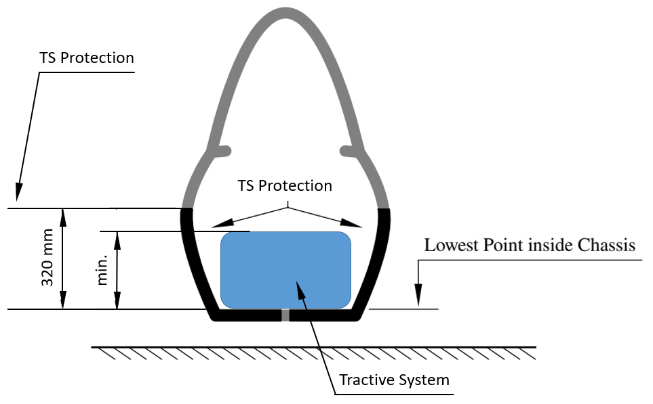
 | In this case, the bulkhead in front of the motor can be considered as rear-impact
 | zone. Any structure behind does not need to meet the requirements for a side-
 | or rear-impact zone.
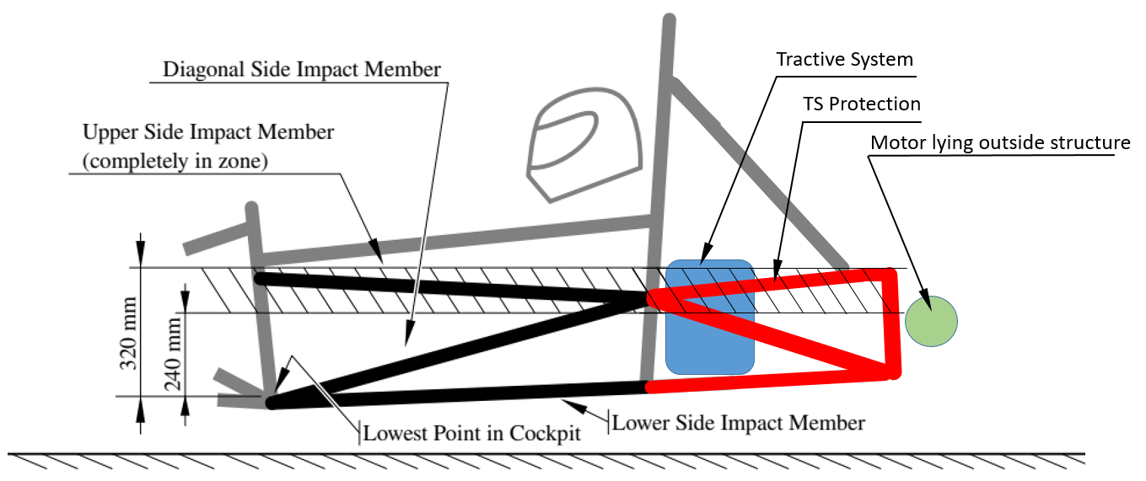

 | Note: For scenario 1. and 2. triangulation still applies for all structural relevant members. | In comparison to tubular frames, monocoques do not need to extend the side- and
 |  | rear-impact zone beyond the TS components, if the highest point of any TS
 |  | component is below 320mm measured from the lowest chassis point.

 |  |  | BACK

EV5.5 TSAC Attachment Guidance
ACCUMULATOR CONTAINER ATTACHMENT GUIDANCE NOTES
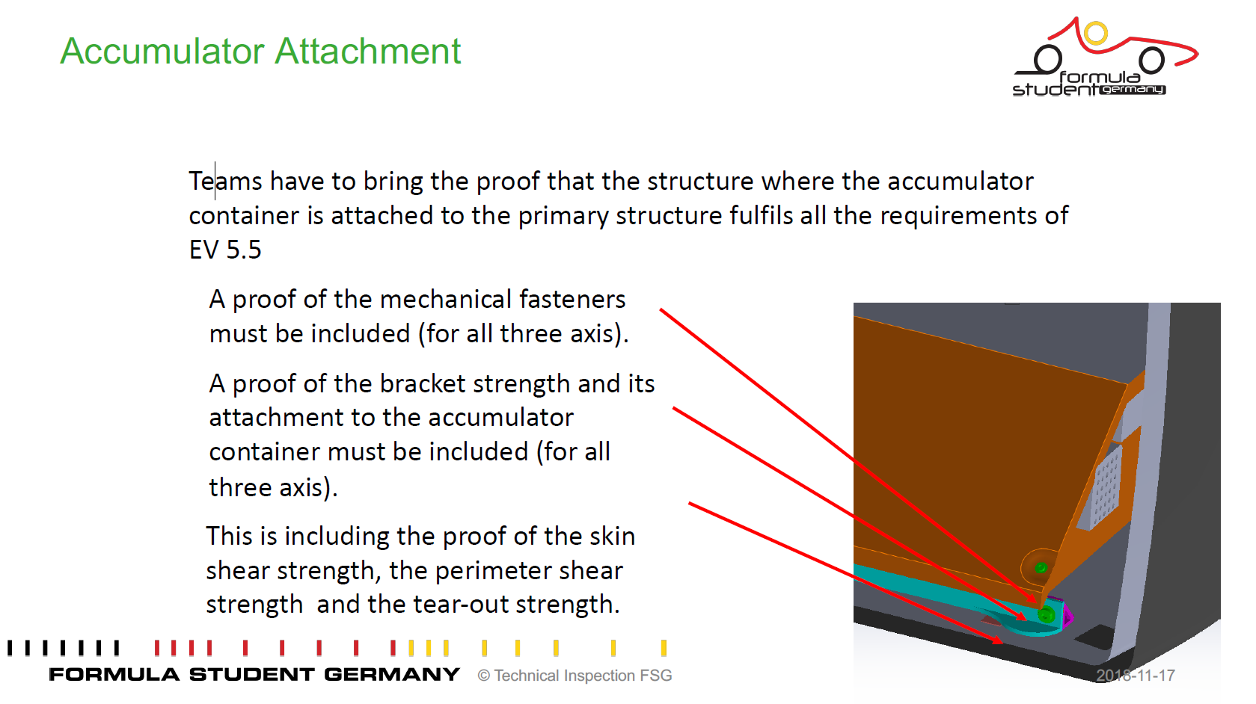

 | BACK

 | Please note:
 | Hand calculations always preferred

! | Showing some flashy and colourfull FEM images without legends , full model description or lettertypes are unreadable, nothing given about the meshing etc. etc. result basically a "FAIL" directly | !

Monocoque Attachments Guidance

MONOCOQUE ATTACHMENTS GUIDANCE NOTES
 |  |  | Note: Brackets which have no "form" or gusseting are not acceptable as they will fail in
 | All monocoque attachment tabs follow the same order, stepping through each key element |  | bending at <30KN
 | from Row 13 to Row 20.
 |  |  | Below are some examples of brackets which are not acceptable:
 | The images below show an example hoop attachment, in this case the following data
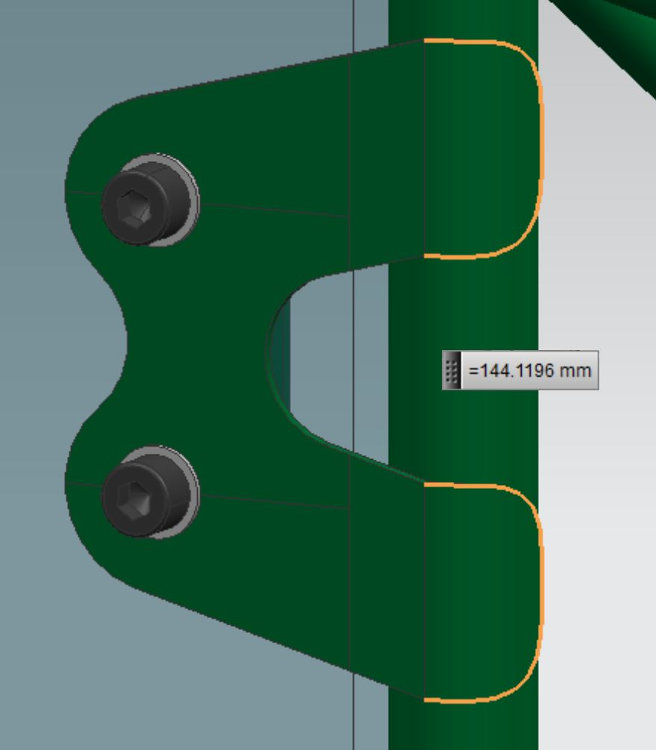
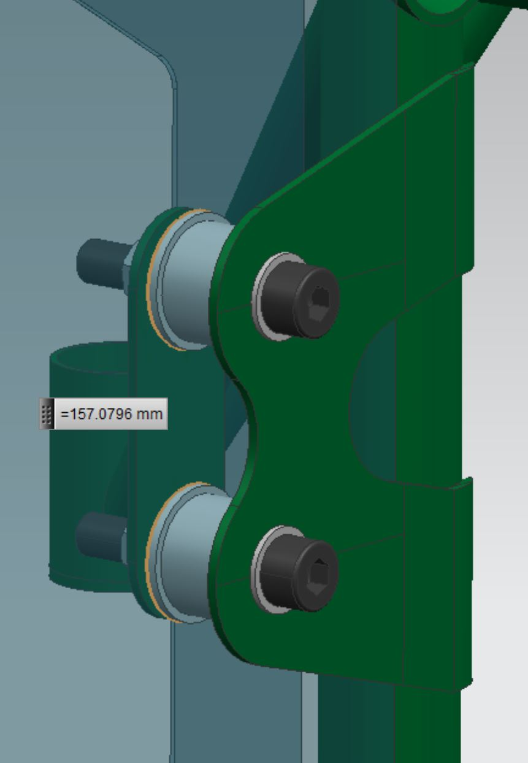
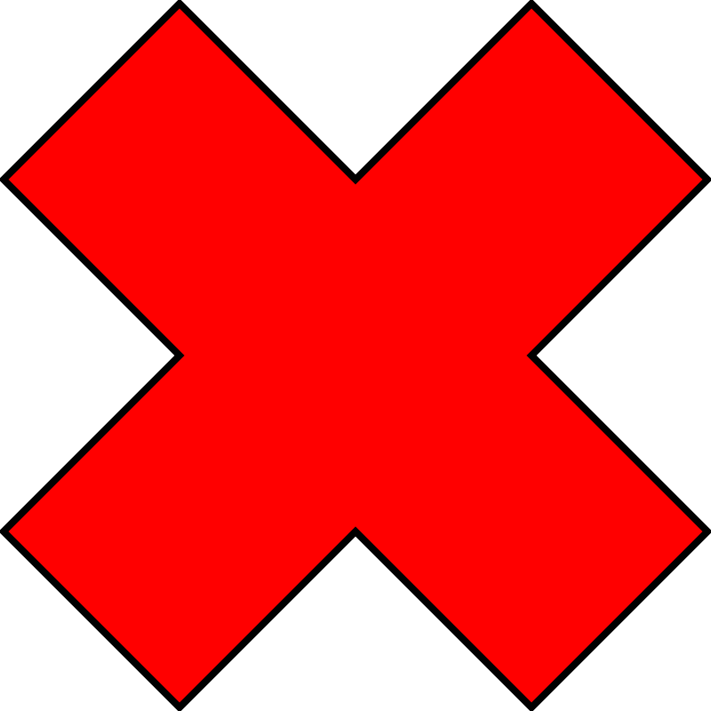
 | would be entered:

 | Row 13: | Total weld length of all welds joining the hoop tube to the bracket
 | Row 14: | Thickness of the bracket joined to the hoop
 | Row 15: | Outside perimeter of the bracket joined to the hoop
 | Row 16: | Thickness of the laminate skin in contact with the bracket joined to the hoop
 | Row 17: | Combined outside perimeter of all inserts in the core material
 | Row 18: | Thickness of the laminate skin in contact with the backing plate
 | Row 19: | Thickness of the backing plate
 | Row 20: | Outside perimeter of the backing plate
 | Row 21: | Shortest distance from edge of bolt hole to nearest "free edge"

 | Entering the combined perimeter of all inserts between the outer and inner skins is
 | optional, provided the strength in both loading directions is >=30kN without their inclusion.

 | If teams using a another laminated structure than the SIS for the MH attachment then
 | additional shear strength test must be performed.
 | In this case please copy the given chart in to the yellow area then the cells for the
 | "Skin shear strength, Mpa" are unlocked and you can enter the specific value
 | of your specific structure.

 |  |  |  | BACK

Front Hoop Attachment Guidance
FRONT HOOP ATTACHMENT GUIDANCE NOTES

 | This section elaborates on the front hoop attachments, and how to show equivalency:

 | At the minimum, a front hoop has three attachment points per side:

 | 1. Front hoop bracing attachment
 | 2. Upper FBHS/SIS attachment
 | 3. Lower FBHS/SIS attachment

 | If the upper FBHS member is more than 100mm above the upper SIS member, additional bracing is needed and therefore a fourth connection exists. (T3.14.1)

 | For composite cars, this means that there are at least 3 attachment points per side.
 | T3.11.4 means they cannot be combined and therefore must be separate attachments.

 | The top attachment, for the front hoop bracing, must lie in the top 50mm of the FHB area, as described in the T3.11 T3.5 Guidance Notes.

 | For laminated front hoops, this also means that only the top 50mm can be used to show
 | equivalency for the front hoop bracing attachments.

1
2
3
(4)
 | T3.11 T3.5 Guidance Notes

 | BACK

