TS Schematics
Status | OK
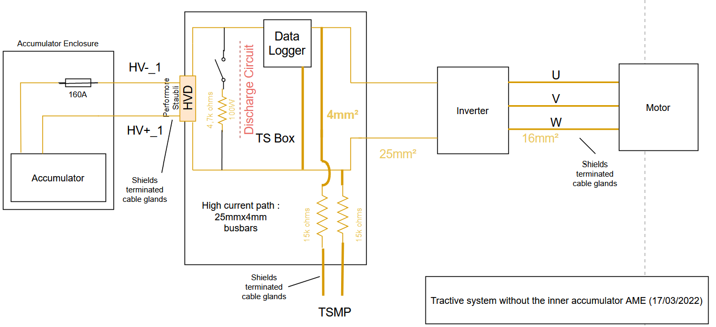 Tractive System Schematic |  |  |  |  | 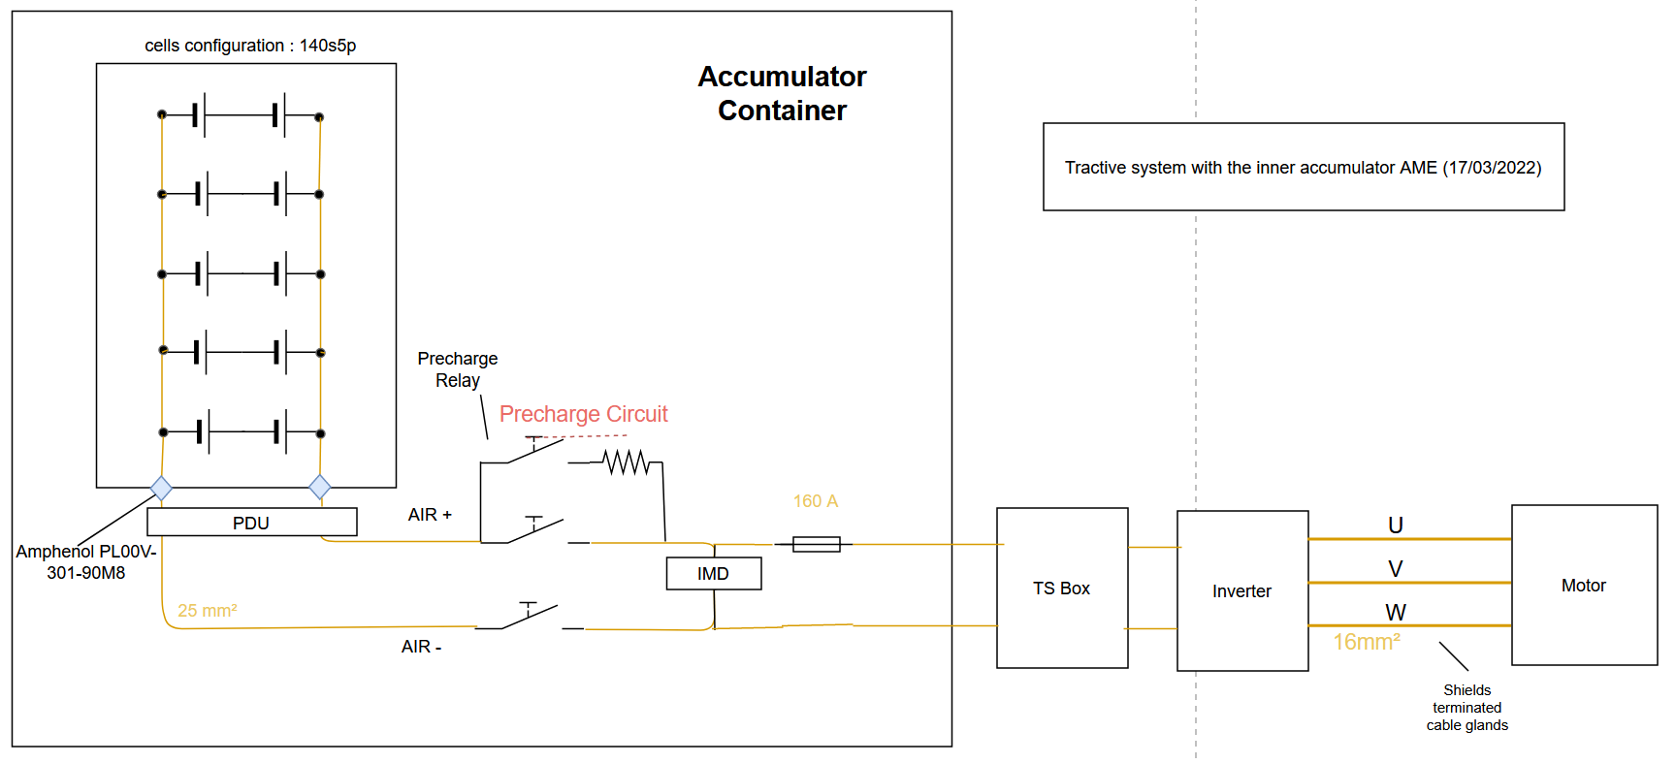 Accumulator TS Schematic |  |  |  | Additional Comments

Vehicle Tractive System Schematic Shows |  |  |  | OK | Accumulator TS Schematic Shows |  |  | OK
Rules References |  |  |  |  | Rules References
 |  | Shows details of all TS circuits outside of accumulator | TRUE | #VALUE! |  | Details of all TS circuits within accumulator | TRUE | #VALUE!
 |  | Accumulator is shown as a single element (without internal details) | TRUE | #VALUE! |  | All wire gauges labeled | TRUE | #VALUE!
 |  | All wire gauges labeled | TRUE | #VALUE! |  | All fuses labeled with ampacity | FALSE | #VALUE!
 |  | All fuses labeled with ampacity | FALSE | #VALUE! |  | All wires > 600mm have a fuse within the first 600mm from the source | TRUE | #VALUE!
 |  | All wires > 600mm have a fuse within the first 600mm from the source | TRUE | #VALUE! |  | Fuse locations represent physical location | TRUE | #VALUE!
 |  | Fuse locations represent physical location | TRUE | #VALUE! |  | Connectors labeled with Make/Model | TRUE | #VALUE!
 |  | Enclosures shown | TRUE | #VALUE! |  | Standard schematic symbols used | TRUE | #VALUE!
 |  | Connectors labeled with Make/Model | TRUE | #VALUE! |  | All text is readable (zooming is allowed) | TRUE | #VALUE!
 |  | Standard schematic symbols used | TRUE | #VALUE! | EV.6.4 | AIRs | TRUE | #VALUE!
 |  | All text is readable (zooming is allowed) | TRUE | #VALUE! | EV.6.3 | Maintenance plugs | FALSE | #VALUE!
EV.6.8 |  | TSMPs | TRUE | #VALUE! |  | Cells (details of all intercell connections may be abstracted) | TRUE | #VALUE!
 |  | Motor Controller | TRUE | #VALUE! |  | Accumulator Indicator | FALSE | #REF!
 |  | Motor | TRUE | #VALUE!
EV.6.8.5 |  | TSMPs not fused | TRUE | #VALUE!

Must be shown on at least one schematic |  |  |  | OK
Rules References
EV.8.6 |  | IMD | TRUE | #VALUE!
EV.6.5 |  | HVD | TRUE | #VALUE!
EV.6.6 |  | Precharge | TRUE | #VALUE!
EV.6.6 |  | Discharge | TRUE | #VALUE!
EV.4.2.3; EV.6.1.3 |  | Energy Meter | TRUE | #VALUE!
EV.6.6.1.c |  | Precharge is not fused | TRUE | #VALUE!
EV.6.6.1.c |  | Discharge is not fused | TRUE | #VALUE!

Accumulator
Status | BLANK

 |  | Segment-to-Segment Connection | Series | OK
 |  | Maximum TS Voltage | 588 | V
 |  | Nominal TS Voltage | 504 | V
 |  | Total Cells | 700

Segment Data |  |  |  |  |  |  |  |  | OK | BMS |  |  |  |  | BLANK | Maintenance Plugs |  |  |  | BLANK | Insulating Materials |  |  |  | BLANK | Additional Comments
Cell Connection Order |  | Parallel then Series |  |  |  |  |  |  | OK | BMS Type |  |  | Distributed |  | OK | Connector |  | Amphenol PL00X-301-90M10 |  | OK | Between cells and accum. container |  |  |  | BLANK
Segment | Parallel cells | Series cells | Temp Sensors | Accumulator Number | Max Voltage [V] |  | Segment Energy [MJ] |  |  | BMS Source |  |  | Purchased |  | OK | Ampacity |  | 200 | A | #N/A | Voltage Rating |  | #N/A | V | BLANK
 |  |  |  |  |  |  |  |  |  | Make | Tyva energie | Model | BMS 15S PRO |  | OK | Segment Fuse |  |  |  |  | Temperature Rating |  | #N/A | C | BLANK
1 | 5 | 14 | 7 | 70 | 58.8 |  | 3.1752 |  | OK | Galvanic Isolation TS to GLV |  |  |  | V | BLANK | Segment Fuse Ampacity |  | #N/A | A |  | On top of cells |  |  |  | BLANK
2 | 5 | 14 | 7 | 70 | 58.8 |  | 3.1752 |  | OK | Galvanic Isolation between segments |  |  |  | V | BLANK | AIR |  |  |  |  | Voltage Rating |  | #N/A | V | BLANK
3 | 5 | 14 | 7 | 70 | 58.8 |  | 3.1752 |  | OK | Galvanic Isolation device |  |  |  |  |  | Make/Model |  | TE Connectivity LEV200H4ANA |  | OK | Temperature Rating |  | #N/A | C | BLANK
4 | 5 | 14 | 7 | 70 | 58.8 |  | 3.1752 |  | OK | Gavlanic Isolation device datasheet |  |  |  |  |  | Contact Voltage Rating |  | 900 | V | OK | Separating AIR and Fuse from cells |  |  |  | BLANK
5 | 5 | 14 | 7 | 70 | 58.8 |  | 3.1752 |  | OK | Voltage Sense Leads |  |  |  |  |  | Max switching current |  | 650 | A |  | Voltage Rating |  | #N/A | V | BLANK
6 | 5 | 14 | 7 | 70 | 58.8 |  | 3.1752 |  | OK | Max Sense Lead Length |  |  |  | cm | BLANK | Max continuous current |  | 500 | A | #N/A | Temperature Rating |  | #N/A | C | BLANK
7 | 5 | 14 | 7 | 70 | 58.8 |  | 3.1752 |  | OK | Overcurrent Protection Device |  |  |  |  | BLANK | Main Fuse
8 | 5 | 14 | 7 | 70 | 58.8 |  | 3.1752 |  | OK | Overcurrent Location |  |  |  |  | BLANK | Main Fuse |  |  |  | BLANK
9 | 5 | 14 | 7 | 70 | 58.8 |  | 3.1752 |  | OK | Overcurrent Other Location |  |  |  |  |  | Main fuse ampacity |  | #N/A | A
10 | 5 | 14 | 7 | 70 | 58.8 |  | 3.1752 |  | OK | Overcurrent Voltage Rating |  |  | #N/A |  | BLANK
11 |  |  |  |  | #VALUE! |  | #VALUE! |  |  | Temperature Sensors
12 |  |  |  |  | #VALUE! |  | #VALUE! |  |  | Temp Sensor Location |  |  | On cell terminal |  | OK
13 |  |  |  |  | #VALUE! |  | #VALUE! |  |  | Distance to cell terminal |  |  |  | mm
14 |  |  |  |  | #VALUE! |  | #VALUE! |  |  | Cells sensed per sensor |  |  | 4 | cells | OK
15 |  |  |  |  | #VALUE! |  | #VALUE! |  |  | Thermal Contact material used
16 |  |  |  |  | #VALUE! |  | #VALUE! |  |  | Thermal contact material datasheet
17 |  |  |  |  | #VALUE! |  | #VALUE! |  |  | Thermal contact material conductivity |  |  |  | W/(m∙K)
18 |  |  |  |  | #VALUE! |  | #VALUE! |  |  | Thermal contact material thickness |  |  |  | mm
 |  |  |  |  |  |  |  |  |  | Percent of cells sensed |  |  | 40 | % | OK

Picture of Maintenance Plugs |  |  |  |  |  |  |  |  | Picture of Cell Connections |  |  |  |  |  |  |  | Picture of Temperature Sensor Location |  |  |  |  |  | Picture of Fuse and AIR Separation from Cells |  |  |  |  | Picture of Segment Insulation between Cell Terminals and Sides of Accumulator Container |  | Picture of Insulation on Top of Segment

Maintenance Plug(s) Picture Shows |  |  |  |  |  |  | BLANK |  | Cell Connections Picture Shows |  |  |  |  |  | BLANK |  | Temperature Sensor Picture Shows |  |  |  |  | BLANK | Fuse and AIR Separation Picture Shows |  |  |  | BLANK | Segment Insulation Picture Shows | BLANK | Segment Insulation Picture Shows | BLANK
Unique Configuration of plugs |  |  |  |  |  |  | #REF! |  | Bolted connection have positive locking |  |  |  |  |  | BLANK |  | Temp sensor in direct contact with terminal or busbar |  |  |  |  | BLANK | Fuse and air are separated from cells |  |  |  | BLANK | Insulation between cells and accumulator container | BLANK | Insulation on top of cells (air not acceptable) | BLANK
Non-conductive on un-necessary surface |  |  |  |  |  |  | BLANK |  | location of parallel cell overcurrent for parallel cells |  |  |  |  |  | BLANK |  | Distance from sensor to cell negative terminal |  |  |  |  | BLANK | Additional Comments |  |  |  | Rules References | Additional Comments | Rules References | Additional Comments | Rules References
Positive Locking |  |  |  |  |  |  | BLANK |  | Additional Comments |  |  |  |  |  | Rules References |  | Additional Comments |  |  |  |  | Rules References |  |  |  |  | EV.6.4.4 |  | EV.6.2.2.a EV.6.2.3 |  | EV.6.2.2.a EV.6.2.3
Additional Comments |  |  |  |  |  |  | Rules References |  |  |  |  |  |  |  | EV.7.4.1 EV.7.4.3 |  |  |  |  |  |  | EV.8.5
 |  |  |  |  |  |  | EV.6.3

Parallel Cell Fusing |  |  |  |  | BLANK | Rules Referenes
Source |  |  |  |  | BLANK | EV.7.6.3 EV.7.6.5
Make/Model
Continuous Current |  |  | #N/A | A
Continuous Current |  |  |  | A

 | Test Data | Continuous
 |  | 0
 |  | 0
Test Data Summary
Tests at current 1 |  |  | 0
Tests at current 2 |  |  | 0 |  |  |  | #NUM! | 0
Tests at current 3 |  |  | 0 |  |  |  | #NUM! | 0
Tests at current 4 |  |  | 0
See Fusible Link Testing Guideline on FSAEOnline.com

Testing | Current [A] | Time to blow [s]
Test 1
Test 2
Test 3
Test 4
Test 5
Test 6
Test 7
Test 8
Test 9
Test 10
Test 11
Test 12
Test 13
Test 14
Test 15
Test 16

Charging
Status | BLANK
Charger |  |  |  |  | BLANK |  | Additional Comments
Make |  |  |  |  | BLANK
Model |  |  | 3.3kW |  | OK
Datasheet |  |  |  |  | BLANK
Input Voltage |  |  | 90~265 VAC | V | OK
Input Current |  |  | <=16 | A | OK
Output Voltage |  |  | 540 | V | OK
Output Current |  |  | 6 | A | OK
Power |  |  | 3300 | kW | OK
Input to Output isolation |  |  |  |  | BLANK

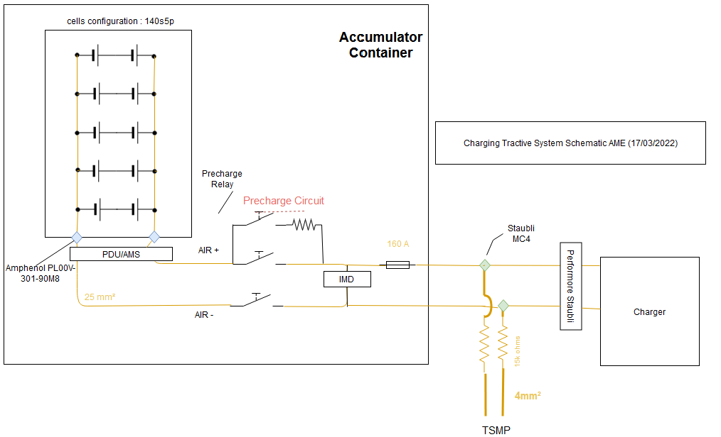 Charging Tractive System Schematic |  |  |  |  |  |  |  | 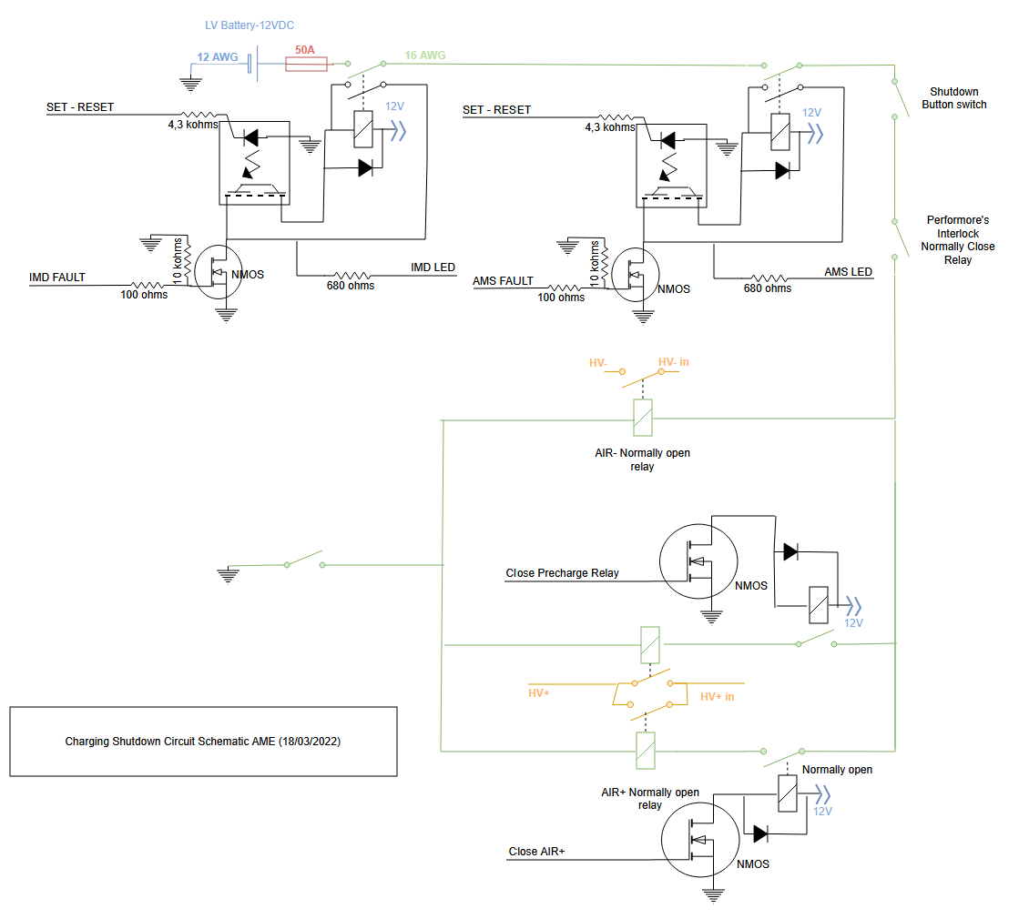 Charging Shutdown Circuit

Charging Tractive System Schematic Shows |  |  |  |  |  |  | OK | Charging Shtdown Circuit Shows |  |  | OK
Rules References |  |  |  |  |  |  |  | Rules References
 |  | Fuse |  |  |  | TRUE | #VALUE! | EV.9.3 | IMD Control and Powerstage | TRUE | #VALUE!
 |  | Connectors |  |  |  | TRUE | #VALUE! | EV.9.3 | AMS | TRUE | #VALUE!
 |  | Wire Gauge |  |  |  | TRUE | #VALUE! | EV.9.2.7 | Charger Shutdown Button | TRUE | #VALUE!
EV.9.4 |  | IMD |  |  |  | TRUE | #VALUE! | EV.9.4 | AIRs | TRUE | #VALUE!
EV.9.4.2 |  | AIRs |  |  |  | TRUE | #VALUE! |  | Charge Connector Interlock | TRUE | #VALUE!
EV.9.2.6 |  | TSMPs |  |  |  | TRUE | #VALUE! |  | Charge Control (CAN, Enable, etc.) | FALSE | #VALUE!
Additional Comments |  |  |  |  |  |  |  | Additional Comments

Shutdown Circuit
Status | OK
IMD |  |  |  |  | OK | BSPD |  |  |  | OK
Rules Reference |  |  | EV.8.6 |  |  | Rules Reference |  | EV.8.7
Make/Model |  |  | Bender IR155-3203 |  | OK | Current Sensor Make/Model |  | DHAB S/118 |  | OK
Setpoint |  |  | 300 | kΩ | OK | Current Sensor Datasheet |  | https://www.lem.com/sites/default/files/products_datasheets/dhab_s_118.pdf |  | OK
 |  |  |  |  |  | Trip Current |  | 9.92 | A | OK
 |  |  |  |  |  | Sensor Output @ Trip Current |  | 3.16 | V | OK
 |  |  |  |  |  | Accuracy @ Trip Current |  | 0.04 | A | OK

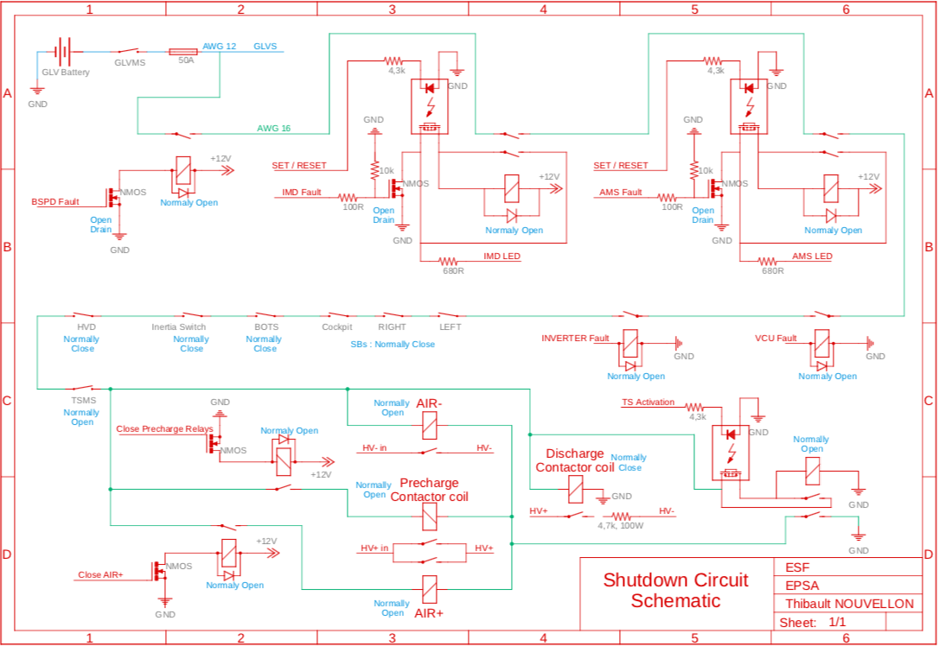 Shutdown Circuit Schematic |  |  |  |  |  |  |  |  |  | 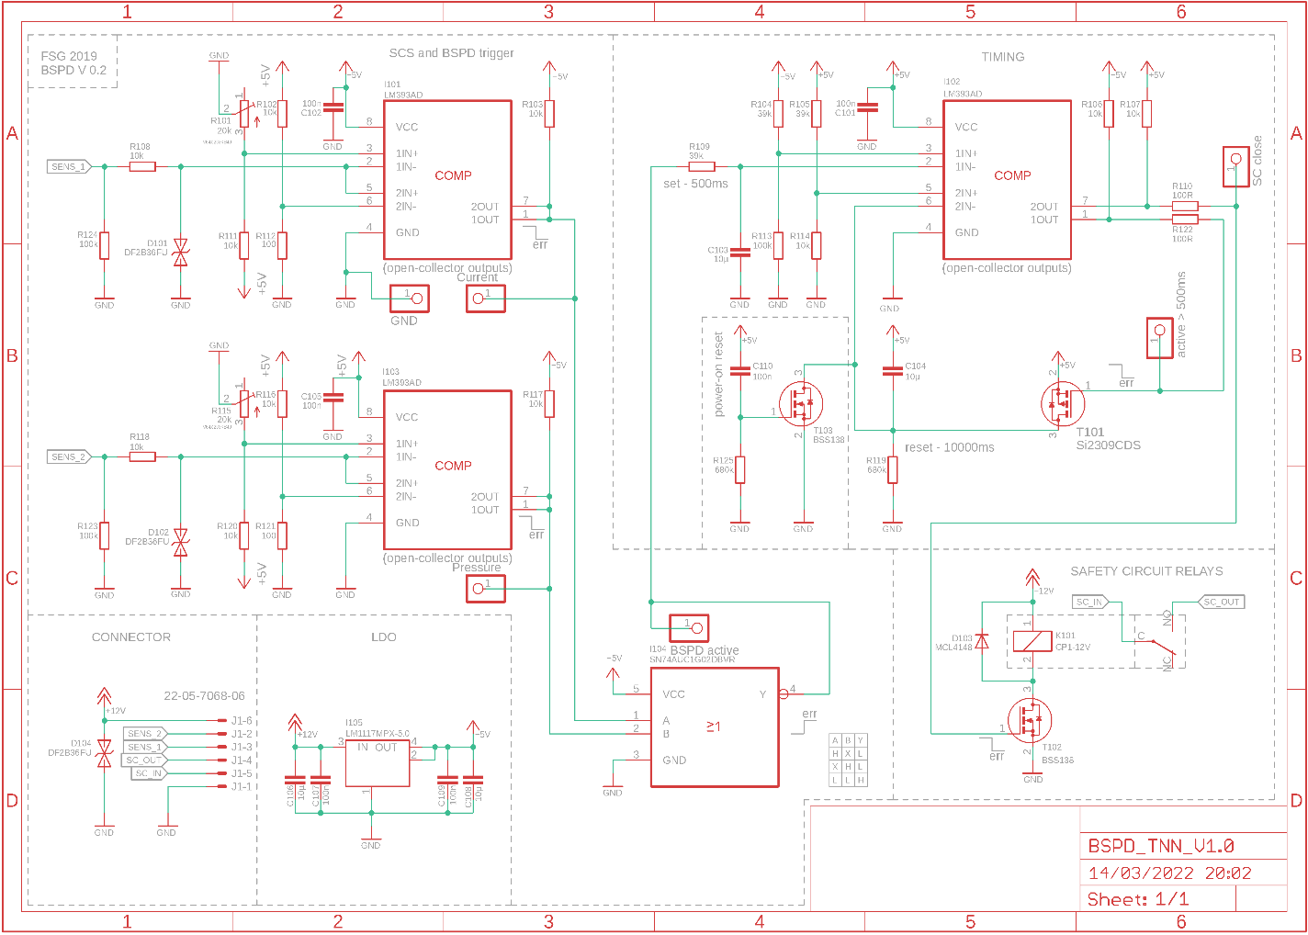 BSPD System Schematic

Shutdown Circuit Schematic Shows |  |  |  |  |  |  |  | OK |  | BSPD System Schematic Shows |  | OK
Rules References
EV.8.9 |  | GLVMS |  |  |  |  | TRUE | #VALUE! |  | BSPD Current Sensor input open/short circuit protection | TRUE | #VALUE!
EV.8.9 |  | TSMS |  |  |  |  | TRUE | #VALUE! |  | BSPD Brake Position input open/short circuit protection | TRUE | #VALUE!
EV.8.10 |  | 2 Side Shutdown Buttons |  |  |  |  | TRUE | #VALUE! |  | Shutdown circuit powerstage | TRUE | #VALUE!
EV.8.10 |  | 1 Cockpit Shutdown Button |  |  |  |  | TRUE | #VALUE! |  | Additional Comments | Rules References
T.3.2 |  | Brake Over Travel Switch (BOTS) |  |  |  |  | TRUE | #VALUE! |  |  | EV.8.7
EV.8.8 |  | Inertia Switch |  |  |  |  | TRUE | #VALUE!
EV.8.3 |  | AMS |  |  |  |  | TRUE | #VALUE!
EV.8.6 |  | IMD |  |  |  |  | TRUE | #VALUE!
EV.8.7 |  | BSPD |  |  |  |  | TRUE | #VALUE!
EV.6.5.2 |  | HVD Interlock |  |  |  |  | TRUE | #VALUE! |  | 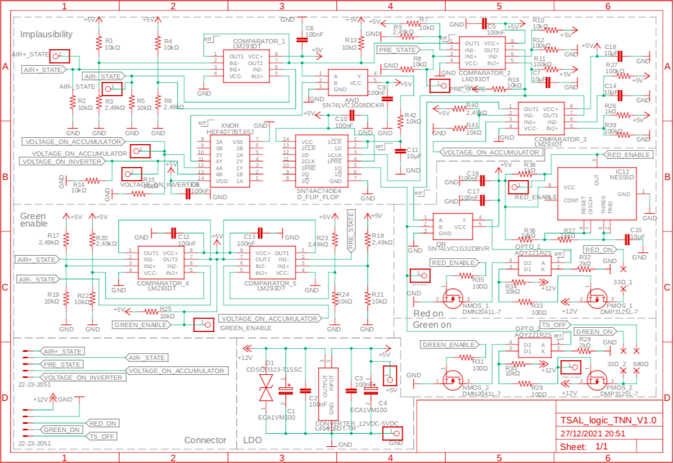 TSAL Schematic
EV.8.1.4 |  | IMD, AMS, BSPD have independent power stages |  |  |  |  | TRUE | #VALUE!
 |  | GLV Battery |  |  |  |  | TRUE | #VALUE!
 |  | GLV Fuse |  |  |  |  | TRUE | #VALUE!
 |  | Wire Gauge |  |  |  |  | TRUE | #VALUE!
EV.8.1.2 |  | Precharge Contactor coil |  |  |  |  | TRUE | #VALUE!
EV.8.1.2 |  | Positive AIR coil |  |  |  |  | TRUE | #VALUE!
EV.8.1.2 |  | Negative AIR coil |  |  |  |  | TRUE | #VALUE!
 |  | Discharge Contactor coil |  |  |  |  | TRUE | #VALUE!
EV.8.9.1; EV.8.9.3 |  | TSMS is last switch |  |  |  |  | TRUE | #VALUE!
EV.8.9.1; EV.8.9.2 |  | GLVMS is first switch |  |  |  |  | TRUE | #VALUE!
 |  | Uses proper electrical schematic symbols |  |  |  |  | TRUE | #VALUE!
 |  | Labels/text are readable (zooming in is acceptable) |  |  |  |  | TRUE | #VALUE!
EV.6.10 |  | Interlocks on TS connectors outside of an enclosure |  |  |  |  | TRUE | #VALUE!
Additional Comments |  |  |  |  |  |  | Rules References
 |  |  |  |  |  |  | EV.8.1 EV.8.2

 |  |  |  |  |  |  |  |  |  | TSAL Schematic Shows |  | OK
 |  |  |  |  |  |  |  |  |  | TSAL controlled by >60V present in TS | TRUE | #VALUE!
 |  |  |  |  |  |  |  |  |  | TSAL powered by GLV | TRUE | #VALUE!
 |  |  |  |  |  |  |  |  |  | TSAL flashes red when HV present and solid green when not | TRUE | #VALUE!
 |  |  |  |  |  |  |  |  |  | Additional Comments | Rules References
 |  |  |  |  |  |  |  |  |  |  | EV.6.9

Torque Security
Status | OK
APPS Sensor Transfer function |  |  |  | OK | Torque Control Path Security Checks |  |  |  |  |  |  |  |  | OK
Rules Reference |  | T.4.2.3
Position | APPS1 Output [V] |  | APPS2 Output [V] |  | Source Device | Destination Device | Communication | Redundant | Out Of Range | Correlation | Checksum | Timeout | Other |  | Additional Comments
0% | 1 |  | 2.4 | OK
20% | 1.7 |  | 4.1 | OK | APPS | VCU | Analog | yes | yes | yes |  |  |  | OK
40% | 2.4 |  | 5.7 | OK | VCU | Inverter | Digital |  |  |  |  |  |  | OK
60% | 3.1 |  | 7.3 | OK | Inverter
80% | 3.7 |  | 9 | OK
100% | 4.4 |  | 10.5 | OK

Other
Status | OK
Motor Controller |  |  |  | OK | Motor |  |  | OK
Make |  | no |  | OK | Make |  | no | OK
Model |  | BAMOCAR-PG-D3-700-400 |  | OK | Model |  | EMRAX 228 MV LC | OK
Datasheet |  | https://www.unitek-industrie-elektronik.de/images/pdf/BAMOCAR Digital/BAMOCAR-PG-D3-700-400_EN.pdf |  | OK | Datasheet |  | https://emrax.com/wp-content/uploads/2017/01/emrax_228_technical_data_4.5.pdf | OK
Galvanic Isolation between TS and control |  | 700 | V | OK

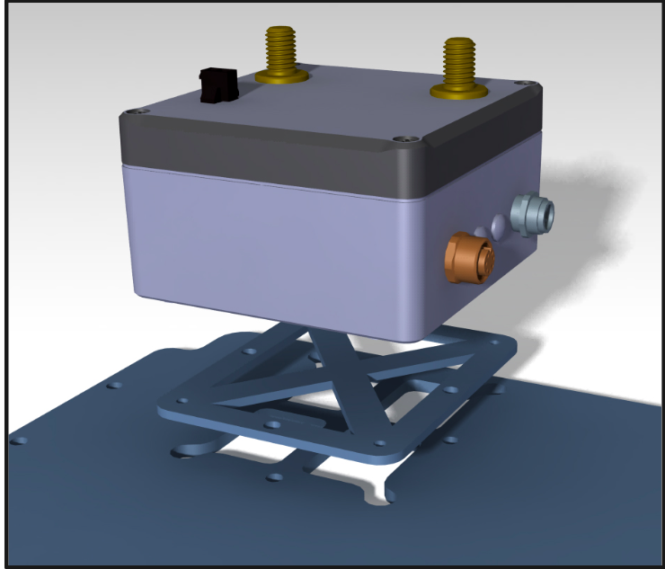 Picture of Energy Meter Download Connector to prove Compliance with EV.4.2.2

Energy Meter Download Picture Shows |  |  |  |  |  | OK
Energy Meter Download Connector |  |  |  |  | TRUE | #VALUE!
Additional Comments

