front
bracket_h (mm) | 33.00
bracket_e (mm) | 5.00
bracket_l (mm) | 24.00
bracket_r (mm) | 6.00
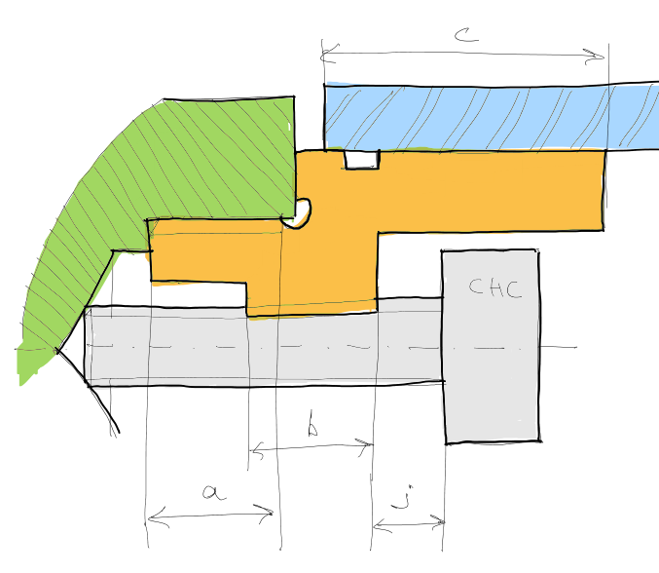
braket_alpha (deg) | 20.00
bracket_y (mm) | 27.00
joint_h (mm) | 23.00
entr_h (mm) | 7.00
chape_e (mm) | 4.00
shim_e (mm) | 7.00
insert_a (mm) | 8.00
insert_b (mm) | 5.00
insert_r (mm) | 5.00
insert_c (mm) | 36.00
Rcaliper_offset (mm) | 15.00
Rcaliper_radius (mm) | 89.00
Rcaliper_distance (mm) | 84.00
Fcaliper_offset (mm) | 0.00
Fcaliper_radius (mm) | 90.00
Fcaliper_distance (mm) | 69.85

