Sheet1 (2)
What Parts are in a Computer?

What parts do you think are part of a computer:

Parts of a CPU

Fill In the Parts of the CPU
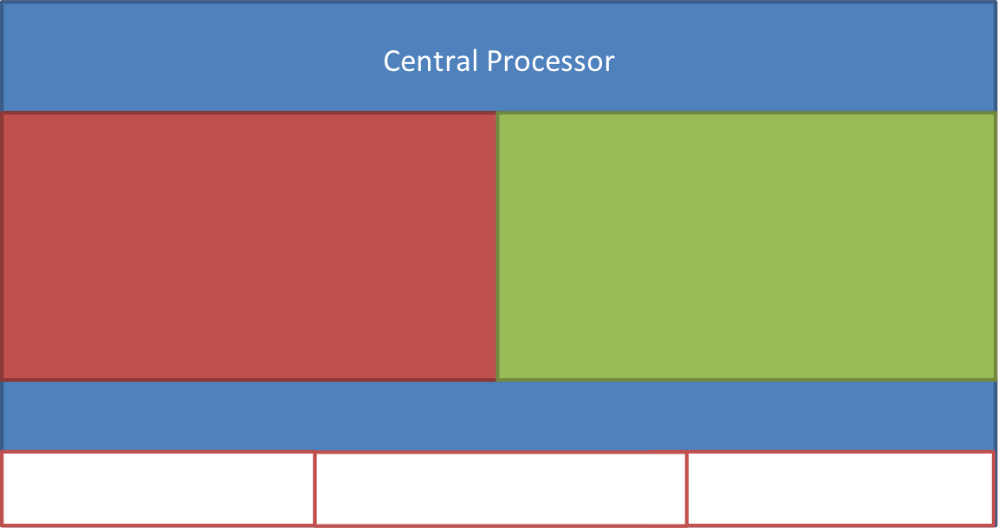

Operating Systems

What operating systems have you heard of:

Software Types

Write down pieces of software you know in the following types:
Games | Productivity | Entertainment

