Sheet1 (2)
What Parts are in a Computer?

What parts do you think are part of a computer:

Parts of a CPU

Fill In the Parts of the CPU
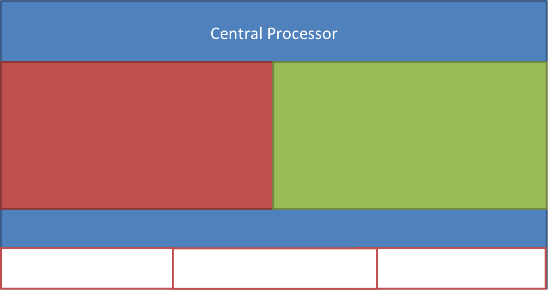

Operating Systems

What operating systems have you heard of:

Software Types

Write down pieces of software you know in the following types:
Games | Productivity | Entertainment

PythonFunction
Functions |  | Functions | Graphs

Keyword def - this is what indicates a function is being defined in Python.
Brackets and Colon - the brackets hold any variables the function uses; the colon indicates that this is the start of the instructions.
Parts of a Function |  | Function 1 | This exercise allows you to create a Pie Chart reading data from a file.
 |  | def sayHello(): print('Hello')
 | Basic Function |  | 1) Load the Pie Chart code that you wrote in the last exercise - and save the file under a new file name.
def <functionname>(): <instructions>

Functions have a name - this is used to call the function in a program. The name should reflect the main purpose of the function.
A function performs a set of repeatable instructions - this enables the function to carry out its purpose.
Remember - instructions are indented.
 |  |  | 2) You are going to read data from a CSV file - this is a comma separated values file.
 |  | • What is the name of function 1? | Information: A CSV file will have lines of data where each entry has a comma between it and the next. This means each line looks like:

 |  | • What other function does function 1 call? |  | 255,33,5,2,1,4
 | Example |  | To do this we will import a module to help us read this file. At the top of your code, where you import modules, take a new line and add the following import (This will help us to read the CSV file):
def writeDragon(): print("Writing Dragon") |  | • What does function 1 do?

Functions are called by name - and functions can call other functions.
 |  | Function 2 | import csv
 |  | def sayHello(person): print('Hello, %s' % person)
 |  |  | 3) In your prior program, you 'hard-coded' your data values and labels. Now we will replace these with values read from the file.
 | Function with Variables
def <functionname>(variable1, variable2): <instructions>
 |  |  | First we need to open the file - which we will call data.csv
A function can take variables on which it operates - these can be numbers, text or other data types.
 |  | • What is the name of function 2? | datafile = open('data.csv')
 | Example
def writeDragons(numberofdragons): print('There are %d dragons' % numberofdragons) |  | • What is "person" in function 2? | Now we put a file reader for CSV data onto the file.

 |  | • What does function 2 do? | csvReader = csv.reader(datafile)

 |  |  | 4) The file is now open and can be read. The first thing we do is read the first line of the file which contains our data labels (like hair colours or birth months).
 | Returning Function | Function 3
def <functionname>(variable1): <instructions> return <value> |  | def multiplyaddtwo(x): b = x*2 return b+2
A function can return a value to where it was called - this is done using the keyword return followed by the value.
 |  |  | headers = next(csvReader)

 |  |  | We created a new variable called headers which holds these labels, the function next asks the CSV Reader to read a line of data.

 | Example
def getAgeInYears(BirthYear, TargetYear): return TargetYear - BirthYear |  | • What is the name of function 3? | 5) Now we will create a variable to hold our data.

 |  | • What is the input for function 3? | datalines = []

 |  | • What does function 3 do? | This is an empty list - like the ones you have previously filled with values.

Modules |  | Graphs | Graphs

Keyword import - this allows us to import a module into our program.
Modules are collections of prewritten functions and objects -we can call the functions in them to save us writing code.
Each module has a name.
Using Prewritten Functions
 |  | This exercise will allow you to create a Pie Chart. | 6) Now we loop to read in all the lines of data in the files - note that currently we only make a chart for the first line.
 | Importing Modules
import <module> |  | 1) Import Modules - you will import the modules which will allow the creation of a chart.
 |  |  | for row in csvReader: datalines.append([int(i) for i in row])
 |  | import matplotlib.pyplot as plt

Generally you do not want to blanket import modules - often you only need to import specific functions. To do this we use the keyword from.
This is the string module - which contains functions and types for strings in Python
 |  | Note: the module is renamed as something shorter to help simplify the program. | This looks complicated and it is the first few times you see it. What is happening is that the loop will continue doing things until the end of the file is reached. For each row in the file, all of its values are converted to integers (whole numbers without decimal points). If you want to find out more about how it is doing this, look up "list comprehension".
 | Example
import string |  | 2) Create Data - now create the data for your chart - there is an example of how to do this below. Now use the example data created by your class.

 |  | haircolours = ['brown','blonde','black','red'] numberofpeople = [5,3,2,4] | 7) Now we need to make some changes to how you are calling the pie function.

 | Importing Specifics |  | Currently you have:
from <module> import <function> |  | Note: the labels are all strings, and the values are all numbers. Remember these are in list structures. | ax.pie(numberofpeople, labels=haircolours, autopct='%1.1f%%', shadow=True, startangle=90)
When using from - we need to give the function or item name that we want to import.

This example imports a function choice from the random module.
 |  | 3) Now create a figure to display and add the plot for your chart. | We need to change numberofpeople and haircolours to datalines[0] and headers to make use of our new data.
 | Example
from random import choice |  | figure = plt.figure() ax = figure.add_subplot(111) | ax.pie(datalines[0], labels=headers, autopct='%1.1f%%', shadow=True, startangle=90)

 |  | Note: we are using functions from the module we imported here.
 |  |  | 8) That’s all the changes to the program done - now we will create the data file. Create a new blank file and save it as 'data.csv'
 |  | 4) Lets add some data to the chart - here we call a function: pie which takes in our numbers, labels and some formatting information.
 | Example Function
Imports
from random import choice import string def generate_password(length, base): password = ''" for _ in range(length): password += choice(base) return password |  |  | Into this file put in the data the class created, in the first row add your labels and in the second your values:
 |  | ax.pie(numberofpeople, labels=haircolours, autopct='%1.1f%%', shadow=True, startangle=90) ax.axis('equal')
Function name and inputs
 |  |  | green, purple, orange, maroon 5,3,7,12
Instructions
 |  | 5) This last line shows the chart.
Return Value
 |  | plt.show() | Save your file.

 |  |  | 9) Run your program now and it should generate your new pie chart.
 |  | 6) Remember to save your work.
 |  |  | 10) Experiment with the program - what else could it do? - if you have an idea and you aren't sure how to do it, ask.
 |  | 7) Try changing your data or some of the options in the Pie chart to find out what happens.

