Experiment
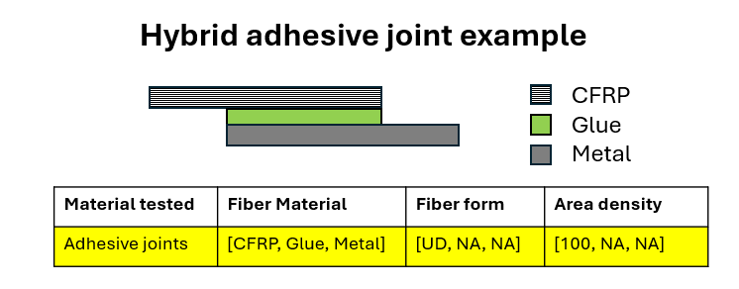
General |  |  |  |  |  |  |  |  |  |  |  |  |  |  | Publication | Material info |  |  |  |  |  |  |  |  |  |  |  |  |  |  |  |  |  |  | Laminates and Assemblies |  | Fatigue
Laboratory | Researcher | Date | Experiment type | QS experiment type | FA experiment type | OT experiment type | OT add info | Fracture mode (FM) | FM add info | Control mode | Loading rate | Fatigue loading type (FLT) | FLT add info | Measuring Equipment | DOI | Material tested | Sample type | Other polymers add info | Fiber Material | Fiber form | Area density | Resin | Hardener | Mixing ratio | Glue | Curing time | Curing temperature | Curing pressure | Postcuring time | Postcuring temperature | Postcuring pressure | Glue curing time | Glue curing temperature | Glue curing pressure | Stacking sequence | Fiber volume ratio | R ratio | Frequency
GR-MeC | Joseph Bernaert | 2024-09 | QS | fracture |  |  |  | Mode I |  | Displacement Controlled | 1 |  |  | MTS Acumen | 123 | Adhesive joints | DCB |  | [GFRP, Glue, GFRP] | [UD, NA, UD] |  | Polyester |  |  | Epoxy Sikapower 830

