Experiment
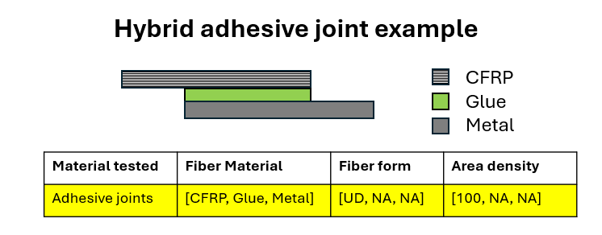
General |  |  |  |  |  |  |  |  |  |  |  |  |  |  | Publication | Material info |  |  |  |  |  |  |  |  |  |  |  |  |  |  |  |  |  |  | Laminates and Assemblies |  | Fatigue
Laboratory | Researcher | Date | Experiment type | QS experiment type | FA experiment type | OT experiment type | OT add info | Fracture mode (FM) | FM add info | Control mode | Loading rate | Fatigue loading type (FLT) | FLT add info | Measuring Equipment | DOI | Material tested | Sample type | Other polymers add info | Fiber Material | Fiber form | Area density | Resin | Hardener | Mixing ratio | Glue | Curing time | Curing temperature | Curing pressure | Postcuring time | Postcuring temperature | Postcuring pressure | Glue curing time | Glue curing temperature | Glue curing pressure | Stacking sequence | Fiber volume ratio | R ratio | Frequency
GR-MeC | Filippo Mannino | 2023-10 | FA |  | tensile |  |  |  |  | Load Controlled |  | CA |  |  | https://doi.org/10.1016/j.ijfatigue.2024.108600 | Bulk adhesives | Type II |  |  |  |  | Epoxy Sikadur-330 |  |  |  | 10080 | 21 | 1 | 30 | 90 | 1 |  |  |  |  |  | 0.1 | 10

