Experiment
 |  | General |  |  |  |  |  |  |  |  |  |  |  |  |  |  | Publication | Material info |  |  |  |  |  |  |  |  |  |  |  |  |  |  |  |  |  |  | Laminates and Assemblies |  | Fatigue
MANDATORY FIELDS |  | Laboratory | Researcher | Date | Experiment type | QS experiment type | FA experiment type | OT experiment type | OT add info | Fracture mode (FM) | FM add info | Control mode | Loading rate | Fatigue loading type (FLT) | FLT add info | Measuring Equipment | DOI | Material tested | Sample type | Other polymers add info | Fiber Material | Fiber form | Area density | Resin | Hardener | Mixing ratio | Glue | Curing time | Curing temperature | Curing pressure | Postcuring time | Postcuring temperature | Postcuring pressure | Glue curing time | Glue curing temperature | Glue curing pressure | Stacking sequence | Fiber volume ratio | R ratio | Frequency
Values on this line → |  | GR-MeC | Filippo Mannino | 2023-10 | QS | tensile |  |  |  |  |  | Displacement Controlled | 1 |  |  |  | https://doi.org/10.1016/j.ijfatigue.2024.108600 | Bulk adhesives | Type I |  |  |  |  | Epoxy Sikadur-330 |  |  |  | 10080 | 21 | 1 | 30 | 90 | 1
🗑️delete this line when done 🗑️ | Unit | - | - | - |  |  |  |  |  |  |  |  | DC = mm/min, LC = kN/s, SC = -/min |  |  |  | - | - | - |  | - | - | [g/m^2] | - | - | - |  | [min] | [°C] | [bar] | [min] | [°C] | [bar] | [min] | [°C] | [bar] | - | - | - | [Hz]
🗑️delete this line when done 🗑️ | Type | String ("Unknown" if Unknown) | String | String (YYYY-MM) | FA = fatigue, QS = quasi-static, OT = other test | Choose from the menu | Choose from the menu | Choose from the menu | Fill in if Other is selected in OT experiment type | Choose from the menu, mandatory if you have selected fracture in QS or FA experiment type |  | Choose from the menu, always mandatory | Float | Choose from the menu, mandatory if you have chosen FA | Fill in if Other/NA is selected in Fatigue control mode FCM | Example: MTS Acumen, 5kN, 90% | String | String | String, when possible use the standard name |  | List [Material1, Material2, Material3] | List [Material1, Material2, Material3] | Double, List [Material1, Material2, Material3] | String | String | String |  | Float | Float | Float | Float | Float | Float | Float | Float | Float | List [Angle1, Angle2, Angle3] | Float | Float | Float
🗑️delete this line when done 🗑️ | Definition | Name of the laboratory | First name Lastname | Starting month of experiment | Experimental campaign type |  |  |  |  | Type of fracture mode | If you want to add particular info | Load Controlled (LC), Displacement Controlled (DC) or strain controlled (SC) | Rate used for testing, if Control mode is LC then it's loading rate, if you have selected DC is displacement rate and the same for SC . If Experiment type is FA you can skip this and add frequency | Constant Amplitude (CA), Variable Amplitude(VA), Block Loading (BL), ...... |  | Test machine name with load cell capacity and accuracy | DOI of the journal/conference | Composites, Adhesives, Adhesive joints, other polymers | IF Adhesives: ASTM Type I ... , IF delamination or adhesive bonded joints: DCB, ELS, ... , IF laminate testing: ASTM D3039 ... | Fill in if Other polyumers is selected in sample type field | fiber material type (carbon, glass, aramid, basalt) | Unidirectional, woven fabric, short fiber, ... | fiber weight in terms of g/m2 | Epoxy, thermoplastics, vinyl esters, ... IT refers to the resin used in the composite layers ot the one used for bulk adhesives. IF you have add commercial name | Trade Name or Family Name | Resin : hardner ratio in terms of weight percentage | Add the commercial name of the glue of the adhesive joints | Dwell time, to fill for bulk adhesive, laminates or full adhesive joints | Dwell curing temperatureto fill for bulk adhesive, laminates or full adhesive joints | Dwell curing pressure, to fill for bulk adhesive, laminates or full adhesive joints | Fill for bulk adhesive, laminates or full adhesive joints | Fill for bulk adhesive, laminates or full adhesive joints | Fill for bulk adhesive, laminates or full adhesive joints | Specific fot the glue inside the laminate | Specific fot the glue inside the laminate | Specific for the glue inside the laminate | composite layup sequence, if in a joint you have a laminate put the stacking sequence here. If you ahve short fibers leave this blank | Amount of fiber content in the composite | Fatigue ratio | Testing frequency, mandatory if loading rate is empty and test type is FA

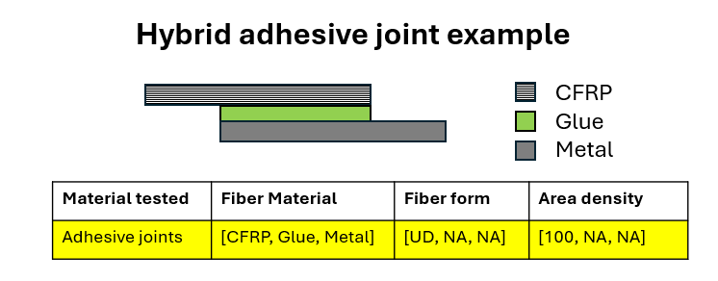
🗑️delete this 2 columns when done 🗑️

