Info (ReadMe)
Open Building Data Format (OpenBDF)
Version | Internal Working Draft
Date | 2025-03-04
Authors | Zuhaib Batra, Nicole Di Santo, Martin Röck
Contact | martin.roeck@riselabs.at

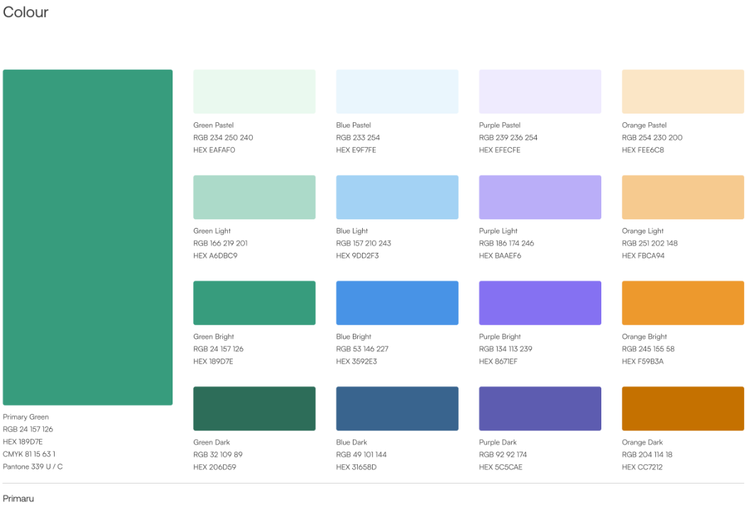
Documentation Requirements
Hidden Cells | Not for the user, only for internal use
Automatic | Read‑only information for display.
Minimum Required | Essential information for compliance with regulations and standards.
Recommended | Recommended information to provide additional insights that are useful for specific projects or detailed analyses.
Optional | Other optional information relevant to other considerations.

Sheet Name Colour
Sheet | OpenBDF SLIM VERSION | OpenBDF FULL VERSION (as a Template from the Platform)
Info (ReadMe) | TRUE | TRUE
General Information | TRUE | TRUE
Materials Database (platform) | FALSE | TRUE
Building Elements Database (platform) | FALSE | TRUE
Building Bill of Materials (platform) | FALSE | TRUE
Building Bill of Materials SLIM | TRUE | TRUE
Building LCA Results Wide | TRUE | TRUE
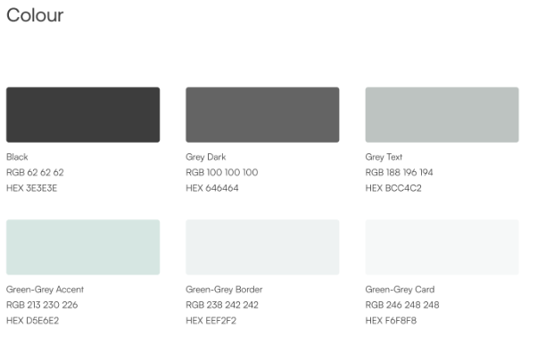
Building LCA Results_Tall (platform - ONLY PYTHON) | FALSE | TRUE
Dropdowns | FALSE | FALSE

User input (Data and Model)
Type of Cell | Colour Code | Meaning
User Input | Yellow | Editable fields
Error / Missing Value | Red | Needs user attention
Display | Light Blue | Read‑only display
Excluded | Black | Not Applicable
Instructions | Orange | Not editable

Changelog (add new versions on top)

v2.0.1 | 2nd generation OpenBDF
 | Updated OpenBDF inventory and LCIA data structure
 | Revised the building level attribute

OpenBDF_v2.0.1_Draft_19.02.2026_MR02_Slim

Definiton

