DRV8328_DRV8329
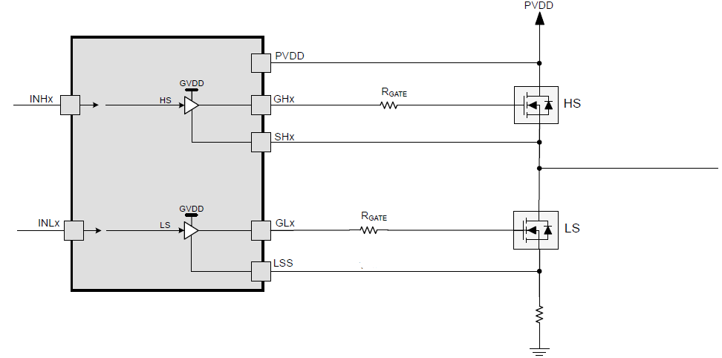
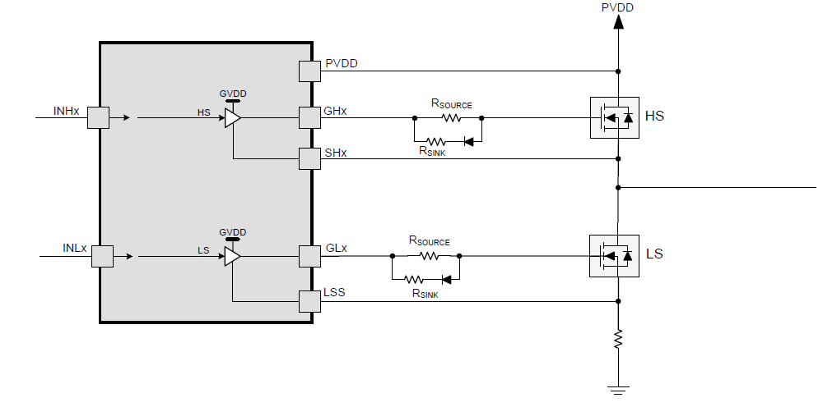
DRV8328/DRV8329 Gate Resistor Calculator
Directions: Enter User Inputs on left for PVDD, MOSFET parameters, PWM frequency, and gate resistor configuation. The tool will calculate Rsource and/or Rsink values recommended for required gate drive current(s). Assume: room temperature (25C), trapezoidal commutation, 0.7V drop from sink diode, Rsource = Rsink for "source gate resistor + sink resistor with diode" configuration (2x sink current), and datasheet specifications.
USER INPUTS |  | CALCULATIONS |  | DRV8328/DRV8329 MAXIMUM GATE CURRENT SPECS

PVDD | 33.6 | Estimated GVDD (assume 10uF GVDD bypass cap) [V] | 13.5684 | Max source current (A) | 1
MOSFET VDS fall time (ns) | 20 | Average GVDD current required [mA] | 10.44 | Max sink current (A) | 2
MOSFET VDS rise time (ns) | 30 | Peak source gate drive current required [mA] | 950
MOSFET Qgd gate charge gate-to-drain (nC) | 19 | Peak sink gate drive current required (mA) | 633.33333333
MOSFET Qg gate charge (nC) | 87 | R_source [Ω] | 3
Miller plateau voltage (V) | 6 | R_sink (Ω) | 8
PWM frequency [kHz] | 60
Gate resistor configuration | source gate resistor + sink resistor with diode

Single gate resistor |  |  | Source gate resistor + sink resistor with diode

