Sheet1
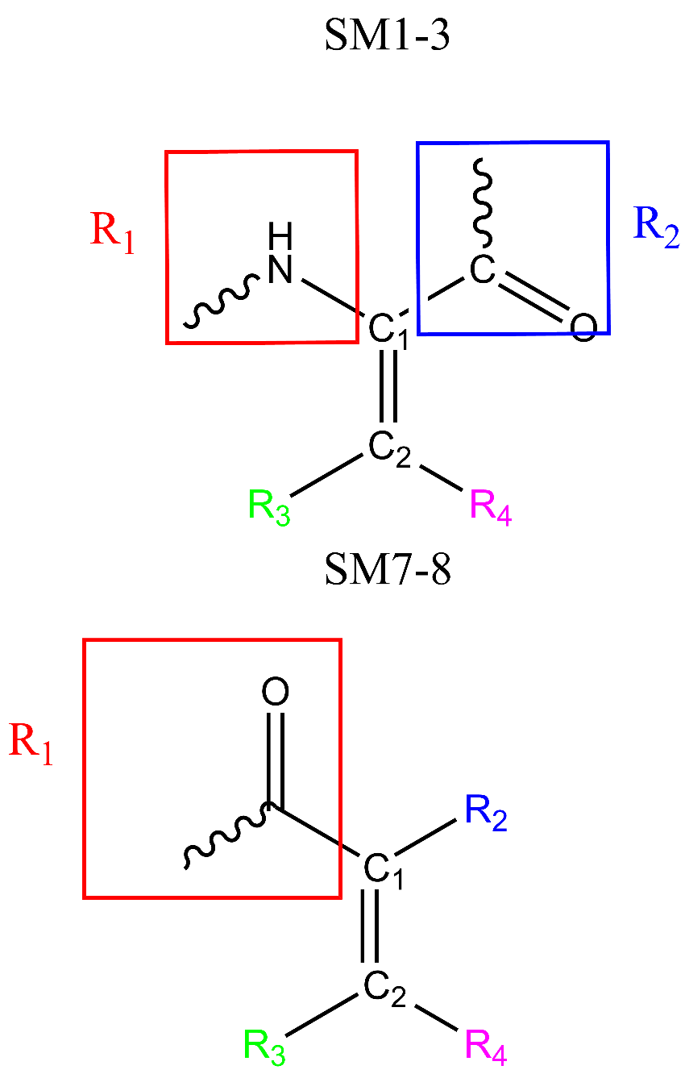
Substrate | substrate_smiles | filename_tud | C1_index | C2_index | R1_index | R2_index | R3_index | R4_index
SM1 | O=C(OC)/C(NC(C)=O)=C/C1=CC=CC=C1 | SM1_only_after_DFT.xyz | 22 | 1 | 5 | 23 | 3 | 2
SM2 | C=C(NC(C)=O)C(OC)=O | SM2_only_after_DFT.xyz | 11 | 1 | 4 | 12 | 2 | 19
SM3 | OC(/C(NC(C)=O)=C/C1=CC=CC=C1)=O | SM3_only_after_DFT.xyz | 22 | 1 | 5 | 23 | 3 | 2
SM7 | C/C(C(O)=O)=C\C1=CC=CC=C1 | SM7_only_after_DFT.xyz | 4 | 1 | 3 | 8 | 5 | 12
SM8 | C=C(C(O)=O)C1=CC=CC=C1 | SM8_only_after_DFT.xyz | 4 | 1 | 3 | 7 | 5 | 6

