Sheet1
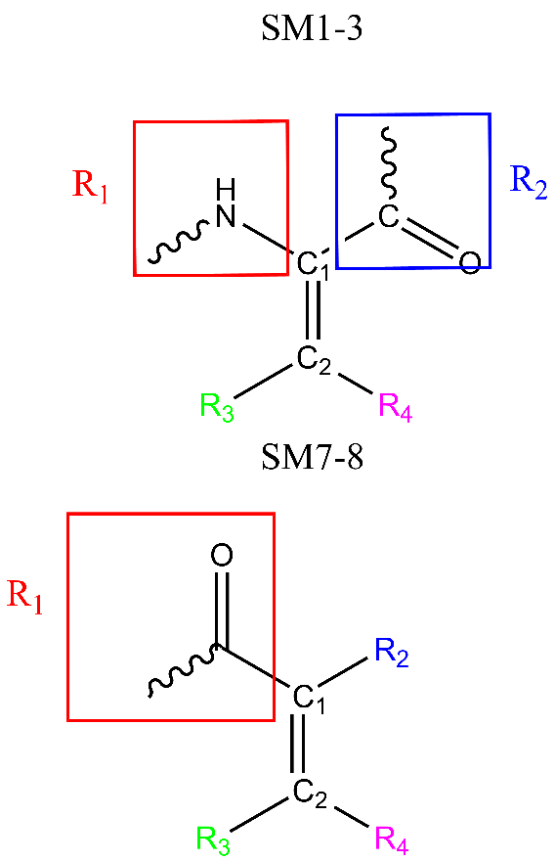
Substrate | substrate_smiles | filename_tud | C1_index | C2_index | R1_index | R2_index | R3_index | R4_index
SM1 | O=C(OC)/C(NC(C)=O)=C/C1=CC=CC=C1 | SM1.xyz | 5 | 10 | 6 | 2 | 11 | 24
SM2 | C=C(NC(C)=O)C(OC)=O | SM2.xyz | 2 | 1 | 3 | 7 | 11 | 12
SM3 | OC(/C(NC(C)=O)=C/C1=CC=CC=C1)=O | SM3.xyz | 3 | 8 | 4 | 2 | 9 | 21
SM7 | C/C(C(O)=O)=C\C1=CC=CC=C1 | SM7.xyz | 2 | 6 | 3 | 1 | 17 | 7
SM8 | C=C(C(O)=O)C1=CC=CC=C1 | SM8.xyz | 2 | 1 | 3 | 6 | 13 | 12

