Table 15
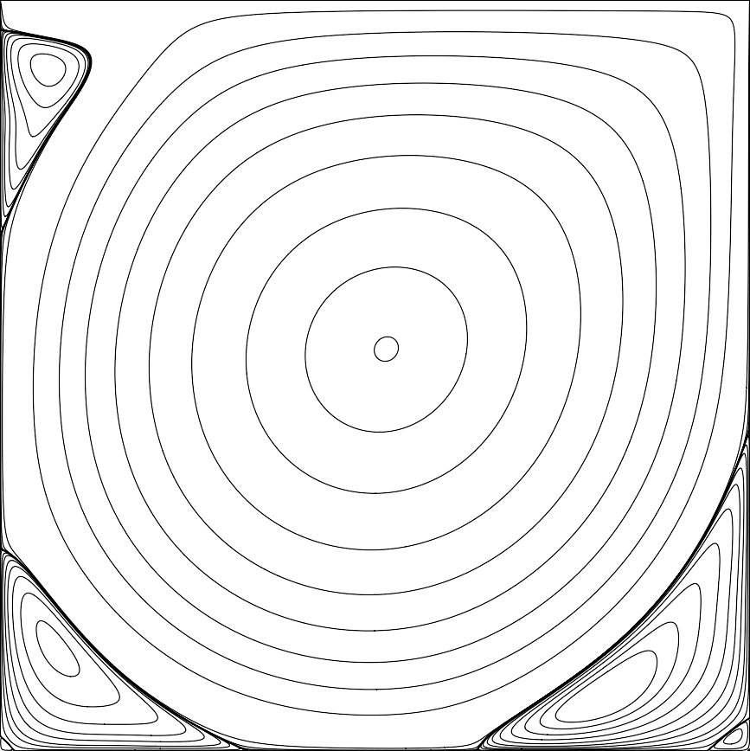

Figure 1. Streamlines, manual levels. Figure 2. Vorticity contours, levels from -5 to 5 with step 1.

