Proposed Items reference sheet
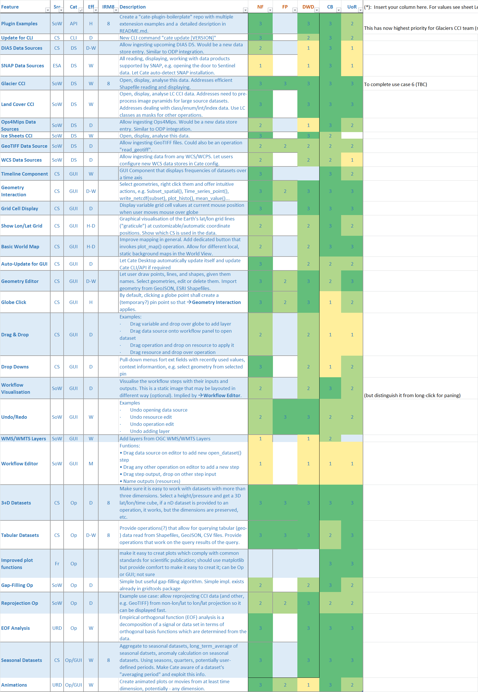
Toolbox-Roadmap-Input-v0.7.xlsx

