Sheet1
ESDL asset | Mode of Operation | Properties to Define | Definition | Default | Behaviour in ESSIM | <tr> | <td> | </td> | </tr> | <tr><td>ESDL asset</td><td>Mode of Operation</td><td>Properties to Define</td><td>Definition</td><td>Default</td><td>Behaviour in ESSIM</td></tr>
Consumer | Flexible | Power | Rated input power in Watts | 0 | Demand will be scheduled by ESSIM between 0% and 100% of this power. | <tr> | <td> | </td> | </tr> | <tr><td>Consumer</td><td>Flexible</td><td>Power</td><td>Rated input power in Watts</td><td>0</td><td>Demand will be scheduled by ESSIM between 0% and 100% of this power.</td></tr>
 |  | MarginalCosts | Value (or Profile of values) between 0 and 1 | 1 | It determines a priority in fulfilment of demand among consumers; A consumer with higher marginal costs has a higher priority over others. | <tr> | <td> | </td> | </tr> | <tr><td></td><td></td><td>MarginalCosts</td><td>Value (or Profile of values) between 0 and 1</td><td>1</td><td>It determines a priority in fulfilment of demand among consumers; A consumer with higher marginal costs has a higher priority over others.</td></tr>
 | Inflexible | Profile | Demand Profile | N/A | One of DateTimeProfile, SingleValueProfile or InfluxDBProfile containing a time-varying demand pattern of power or energy attached to the Input Port of the consumer. | <tr> | <td> | </td> | </tr> | <tr><td></td><td>Inflexible</td><td>Profile</td><td>Demand Profile</td><td>N/A</td><td>One of DateTimeProfile, SingleValueProfile or InfluxDBProfile containing a time-varying demand pattern of power or energy attached to the Input Port of the consumer.</td></tr>
 | Both | CommissioningDate | Date (and time) of commissioning of asset | Disabled | For the simulation period before this date, the asset would be “disabled” and gets a “zero” allocation. | <tr> | <td> | </td> | </tr> | <tr><td></td><td>Both</td><td>CommissioningDate</td><td>Date (and time) of commissioning of asset</td><td>Disabled</td><td>For the simulation period before this date, the asset would be “disabled” and gets a “zero” allocation.</td></tr>
 |  | DecommissioningDate | Date (and time) of decommissioning of asset | Disabled | For the simulation period after this date, the asset would be “disabled” and gets a “zero” allocation. | <tr> | <td> | </td> | </tr> | <tr><td></td><td></td><td>DecommissioningDate</td><td>Date (and time) of decommissioning of asset</td><td>Disabled</td><td>For the simulation period after this date, the asset would be “disabled” and gets a “zero” allocation.</td></tr>
 |  | Name | Human-readable name for the asset | <ESDLClass>_<first-4-chars-of-id> | This property is used to annotate the asset in the Grafana dashboard. If not available, it will fall back to asset's ID. | <tr> | <td> | </td> | </tr> | <tr><td></td><td></td><td>Name</td><td>Human-readable name for the asset</td><td><ESDLClass>_<first-4-chars-of-id></td><td>This property is used to annotate the asset in the Grafana dashboard. If not available, it will fall back to asset's ID.</td></tr>
Conversion | Flexible | Power | Rated output power in Watts | 0 | Conversion asset will be scheduled by ESSIM between 0% and 100% of this power. | <tr> | <td> | </td> | </tr> | <tr><td>Conversion</td><td>Flexible</td><td>Power</td><td>Rated output power in Watts</td><td>0</td><td>Conversion asset will be scheduled by ESSIM between 0% and 100% of this power.</td></tr>
 |  | MarginalCosts | Value (or Profile of values) between 0 and 1 | 0.5 | Determines a priority in fulfilment of demand among consumers (on the Input side of Conversion) or a priority in scheduling of producers (on the Output side of Conversion). A producer with lower marginal costs and a consumer with higher marginal costs have a higher priority over others. | <tr> | <td> | </td> | </tr> | <tr><td></td><td></td><td>MarginalCosts</td><td>Value (or Profile of values) between 0 and 1</td><td>0.5</td><td>Determines a priority in fulfilment of demand among consumers (on the Input side of Conversion) or a priority in scheduling of producers (on the Output side of Conversion). A producer with lower marginal costs and a consumer with higher marginal costs have a higher priority over others.</td></tr>
 |  | Efficiency | Value between 0 and 1 | 0.6 (60%) | Rated efficiency of the conversion asset in converting input energy carrier to output energy carrier. | <tr> | <td> | </td> | </tr> | <tr><td></td><td></td><td>Efficiency</td><td>Value between 0 and 1</td><td>0.6 (60%)</td><td>Rated efficiency of the conversion asset in converting input energy carrier to output energy carrier.</td></tr>
 |  | ControlStrategy | Strategy to operate this asset | N/A | One of either “DrivenByDemand” or “DrivenBySupply” designated with the appropriate port. | <tr> | <td> | </td> | </tr> | <tr><td></td><td></td><td>ControlStrategy</td><td>Strategy to operate this asset</td><td>N/A</td><td>One of either “DrivenByDemand” or “DrivenBySupply” designated with the appropriate port.</td></tr>
 |  |  |  |  | If “DrivenByDemand” is chosen, then an Output Port must be attached to it. Then this conversion asset will attempt to fulfil the demand placed for the energy carrier at this output port by being a flexible producer. The MarginalCosts determine the priority of this asset while competing with other producers in the network. | <tr> | <td> | </td> | </tr> | <tr><td></td><td></td><td></td><td></td><td></td><td>If “DrivenByDemand” is chosen, then an Output Port must be attached to it. Then this conversion asset will attempt to fulfil the demand placed for the energy carrier at this output port by being a flexible producer. The MarginalCosts determine the priority of this asset while competing with other producers in the network.</td></tr>
 |  |  |  |  | If “DrivenBySupply” is chosen, then an Input Port must be attached to it. Then this conversion asset will attempt to consume the supply of energy carrier placed at this input port by being a flexible consumer. The MarginalCosts determine the priority of this asset while competing with other consumers in the network. | <tr> | <td> | </td> | </tr> | <tr><td></td><td></td><td></td><td></td><td></td><td>If “DrivenBySupply” is chosen, then an Input Port must be attached to it. Then this conversion asset will attempt to consume the supply of energy carrier placed at this input port by being a flexible consumer. The MarginalCosts determine the priority of this asset while competing with other consumers in the network.</td></tr>
 | Inflexible | ControlStrategy | Strategy to operate this asset | N/A | Set to “DrivenByProfile” and attach one of DateTimeProfile, SingleValueProfile or InfluxDBProfile containing a time-varying demand/production pattern of power or energy to it. | <tr> | <td> | </td> | </tr> | <tr><td></td><td>Inflexible</td><td>ControlStrategy</td><td>Strategy to operate this asset</td><td>N/A</td><td>Set to “DrivenByProfile” and attach one of DateTimeProfile, SingleValueProfile or InfluxDBProfile containing a time-varying demand/production pattern of power or energy to it.</td></tr>
 | Both | CommissioningDate | Date (and time) of commissioning of asset | Disabled | For the simulation period before this date, the asset would be “disabled” and gets a “zero” allocation. | <tr> | <td> | </td> | </tr> | <tr><td></td><td>Both</td><td>CommissioningDate</td><td>Date (and time) of commissioning of asset</td><td>Disabled</td><td>For the simulation period before this date, the asset would be “disabled” and gets a “zero” allocation.</td></tr>
 |  | DecommissioningDate | Date (and time) of decommissioning of asset | Disabled | For the simulation period after this date, the asset would be “disabled” and gets a “zero” allocation. | <tr> | <td> | </td> | </tr> | <tr><td></td><td></td><td>DecommissioningDate</td><td>Date (and time) of decommissioning of asset</td><td>Disabled</td><td>For the simulation period after this date, the asset would be “disabled” and gets a “zero” allocation.</td></tr>
 |  | Name | Human-readable name for the asset | <ESDLClass>_<first-4-chars-of-id> | This property is used to annotate the asset in the Grafana dashboard. If not available, it will fall back to asset's ID. | <tr> | <td> | </td> | </tr> | <tr><td></td><td></td><td>Name</td><td>Human-readable name for the asset</td><td><ESDLClass>_<first-4-chars-of-id></td><td>This property is used to annotate the asset in the Grafana dashboard. If not available, it will fall back to asset's ID.</td></tr>
Heat Pump (Heat Pump is a Conversion asset. So all properties set for a Conversion asset apply to it as well. Only specific properties will be mentioned in this table) | Both (Flexible and Inflexible) | COP | Coefficient of performance of the heat pump | 3.5 | This is used in computing the energy input/output at the various ports of the heat pump like so: COP = HeatOut/ElecIn HeatOut = ElecIn + HeatIn PS: Efficiency parameter of a heat pump is ignored | <tr> | <td> | </td> | </tr> | <tr><td>Heat Pump (Heat Pump is a Conversion asset. So all properties set for a Conversion asset apply to it as well. Only specific properties will be mentioned in this table)</td><td>Both (Flexible and Inflexible)</td><td>COP</td><td>Coefficient of performance of the heat pump</td><td>3.5</td><td>This is used in computing the energy input/output at the various ports of the heat pump like so: COP = HeatOut/ElecIn HeatOut = ElecIn + HeatIn PS: Efficiency parameter of a heat pump is ignored</td></tr>
 |  | Carriers | Energy carriers supported by this asset | N/A | 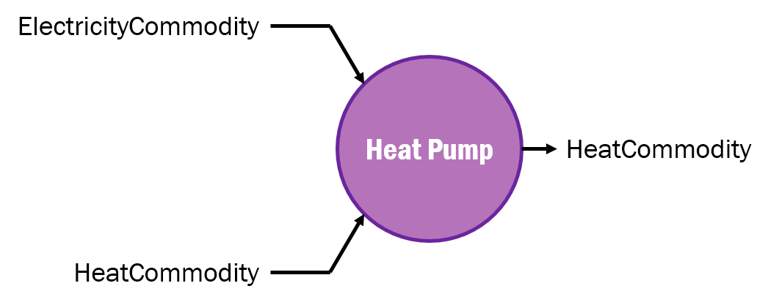 Heat pump currently supports only these commodities: | <tr> | <td> | </td> | </tr> | <tr><td></td><td></td><td>Carriers</td><td>Energy carriers supported by this asset</td><td>N/A</td><td>Heat pump currently supports only these commodities:</td></tr>
Co-generation (Co-generation is a Conversion asset. So all properties set for a Conversion asset apply to it as well. Only specific properties will be mentioned in this table) PS: Only a Heat-Electricity co-generation plant is currently supported | Both (Flexible and Inflexible) | HeatEfficiency | Value between 0 and 1 | 0.35 | Efficiency of heat production process. | <tr> | <td> | </td> | </tr> | <tr><td>Co-generation (Co-generation is a Conversion asset. So all properties set for a Conversion asset apply to it as well. Only specific properties will be mentioned in this table) PS: Only a Heat-Electricity co-generation plant is currently supported</td><td>Both (Flexible and Inflexible)</td><td>HeatEfficiency</td><td>Value between 0 and 1</td><td>0.35</td><td>Efficiency of heat production process.</td></tr>
 |  | ElectricalEfficiency | Value between 0 and 1 | 0.55 | Efficiency of electricity production process. | <tr> | <td> | </td> | </tr> | <tr><td></td><td></td><td>ElectricalEfficiency</td><td>Value between 0 and 1</td><td>0.55</td><td>Efficiency of electricity production process.</td></tr>
 |  | Carriers | Energy carriers supported by this asset | N/A | 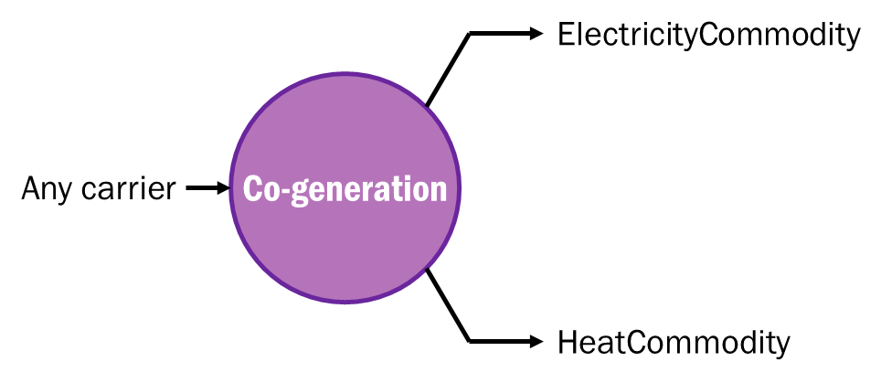 Co-generation currently supports only these output commodities: | <tr> | <td> | </td> | </tr> | <tr><td></td><td></td><td>Carriers</td><td>Energy carriers supported by this asset</td><td>N/A</td><td>Co-generation currently supports only these output commodities:</td></tr>
Producer | Flexible | Power | Rated input power in Watts | 0 | Production will be scheduled by ESSIM between 0% and 100% of this power. | <tr> | <td> | </td> | </tr> | <tr><td>Producer</td><td>Flexible</td><td>Power</td><td>Rated input power in Watts</td><td>0</td><td>Production will be scheduled by ESSIM between 0% and 100% of this power.</td></tr>
 |  | MarginalCosts | Value (or Profile of values) between 0 and 1 | 0.5 | It determines a priority in fulfilment of demand among consumers; A producer with lower marginal costs has a higher priority over others. | <tr> | <td> | </td> | </tr> | <tr><td></td><td></td><td>MarginalCosts</td><td>Value (or Profile of values) between 0 and 1</td><td>0.5</td><td>It determines a priority in fulfilment of demand among consumers; A producer with lower marginal costs has a higher priority over others.</td></tr>
 |  | ControlStrategy | Strategy to operate this asset | N/A | A producer may be designated with a CurtailmentStrategy with a MaxPower attribute. Then, the producer output is limited to MaxPower. | <tr> | <td> | </td> | </tr> | <tr><td></td><td></td><td>ControlStrategy</td><td>Strategy to operate this asset</td><td>N/A</td><td>A producer may be designated with a CurtailmentStrategy with a MaxPower attribute. Then, the producer output is limited to MaxPower.</td></tr>
 | Inflexible | Profile | Production Profile | N/A | One of DateTimeProfile, SingleValueProfile or InfluxDBProfile containing a time-varying demand pattern of power or energy attached to the Output Port of the producer. | <tr> | <td> | </td> | </tr> | <tr><td></td><td>Inflexible</td><td>Profile</td><td>Production Profile</td><td>N/A</td><td>One of DateTimeProfile, SingleValueProfile or InfluxDBProfile containing a time-varying demand pattern of power or energy attached to the Output Port of the producer.</td></tr>
 | Both | CommissioningDate | Date (and time) of commissioning of asset | Disabled | For the simulation period before this date, the asset would be “disabled” and gets a “zero” allocation. | <tr> | <td> | </td> | </tr> | <tr><td></td><td>Both</td><td>CommissioningDate</td><td>Date (and time) of commissioning of asset</td><td>Disabled</td><td>For the simulation period before this date, the asset would be “disabled” and gets a “zero” allocation.</td></tr>
 |  | DecommissioningDate | Date (and time) of decommissioning of asset | Disabled | For the simulation period after this date, the asset would be “disabled” and gets a “zero” allocation. | <tr> | <td> | </td> | </tr> | <tr><td></td><td></td><td>DecommissioningDate</td><td>Date (and time) of decommissioning of asset</td><td>Disabled</td><td>For the simulation period after this date, the asset would be “disabled” and gets a “zero” allocation.</td></tr>
 |  | Name | Human-readable name for the asset | <ESDLClass>_<first-4-chars-of-id> | This property is used to annotate the asset in the Grafana dashboard. If not available, it will fall back to asset's ID. | <tr> | <td> | </td> | </tr> | <tr><td></td><td></td><td>Name</td><td>Human-readable name for the asset</td><td><ESDLClass>_<first-4-chars-of-id></td><td>This property is used to annotate the asset in the Grafana dashboard. If not available, it will fall back to asset's ID.</td></tr>
PV Panel (PV Panel is a Producer asset. So all properties set for a Producer asset apply to it as well. Only specific properties will be mentioned in this table) | Flexible | PanelEfficiency | Value between 0 and 1 | 1 | This efficiency factor is applied to the Power property of a PV Panel to calculate its final output. | <tr> | <td> | </td> | </tr> | <tr><td>PV Panel (PV Panel is a Producer asset. So all properties set for a Producer asset apply to it as well. Only specific properties will be mentioned in this table)</td><td>Flexible</td><td>PanelEfficiency</td><td>Value between 0 and 1</td><td>1</td><td>This efficiency factor is applied to the Power property of a PV Panel to calculate its final output.</td></tr>
Storage | Flexible | FillLevel | Value between 0 and 1 | 0 | Initial fill level represented as State of Charge of the storage asset. | <tr> | <td> | </td> | </tr> | <tr><td>Storage</td><td>Flexible</td><td>FillLevel</td><td>Value between 0 and 1</td><td>0</td><td>Initial fill level represented as State of Charge of the storage asset.</td></tr>
 |  | Capacity | Capacity of the storage in Joules | 0 | Determines when the storage asset is full and cannot charge any more. | <tr> | <td> | </td> | </tr> | <tr><td></td><td></td><td>Capacity</td><td>Capacity of the storage in Joules</td><td>0</td><td>Determines when the storage asset is full and cannot charge any more.</td></tr>
 |  | MaxChargeRate | Maximum charge rate of the storage in Joules/second (Watts). | 0 | Storage asset is flexible to charge anywhere between 0% and 100% of this rate capped at remaining storable capacity. | <tr> | <td> | </td> | </tr> | <tr><td></td><td></td><td>MaxChargeRate</td><td>Maximum charge rate of the storage in Joules/second (Watts).</td><td>0</td><td>Storage asset is flexible to charge anywhere between 0% and 100% of this rate capped at remaining storable capacity.</td></tr>
 |  | MaxDischargeRate | Maximum discharge rate of the storage in Joules/second (Watts). | 0 | Storage asset is flexible to discharge anywhere between 0% and 100% of this rate capped at remaining dischargable capacity. | <tr> | <td> | </td> | </tr> | <tr><td></td><td></td><td>MaxDischargeRate</td><td>Maximum discharge rate of the storage in Joules/second (Watts).</td><td>0</td><td>Storage asset is flexible to discharge anywhere between 0% and 100% of this rate capped at remaining dischargable capacity.</td></tr>
 |  | ControlStrategy | Strategy to operate this asset | N/A | A storage asset may be designated with a StorageStrategy with two marginal costs defined – marginal charging costs and marginal discharging costs. | <tr> | <td> | </td> | </tr> | <tr><td></td><td></td><td>ControlStrategy</td><td>Strategy to operate this asset</td><td>N/A</td><td>A storage asset may be designated with a StorageStrategy with two marginal costs defined – marginal charging costs and marginal discharging costs.</td></tr>
 |  |  |  |  | Marginal charging costs determine the priority of this storage asset while competing with other consumers in the network. | <tr> | <td> | </td> | </tr> | <tr><td></td><td></td><td></td><td></td><td></td><td>Marginal charging costs determine the priority of this storage asset while competing with other consumers in the network.</td></tr>
 |  |  |  |  | Marginal discharging costs determine the priority of this storage asset while competing with other producers in the network. | <tr> | <td> | </td> | </tr> | <tr><td></td><td></td><td></td><td></td><td></td><td>Marginal discharging costs determine the priority of this storage asset while competing with other producers in the network.</td></tr>
 |  |  |  |  | Attention: Marginal charging costs should always be lesser than marginal discharging costs! | <tr> | <td> | </td> | </tr> | <tr><td></td><td></td><td></td><td></td><td></td><td>Attention: Marginal charging costs should always be lesser than marginal discharging costs!</td></tr>
 | Inflexible | Profile | Charge/Discharge profile | N/A | One of DateTimeProfile, SingleValueProfile or InfluxDBProfile containing a time-varying charge/discharge pattern of power, energy or state-of-charge attached directly to the storage. The same profile is to be used to define both charging and discharging behaviour. | <tr> | <td> | </td> | </tr> | <tr><td></td><td>Inflexible</td><td>Profile</td><td>Charge/Discharge profile</td><td>N/A</td><td>One of DateTimeProfile, SingleValueProfile or InfluxDBProfile containing a time-varying charge/discharge pattern of power, energy or state-of-charge attached directly to the storage. The same profile is to be used to define both charging and discharging behaviour.</td></tr>
 | Both | CommissioningDate | Date (and time) of commissioning of asset | Disabled | For the simulation period before this date, the asset would be “disabled” and gets a “zero” allocation. | <tr> | <td> | </td> | </tr> | <tr><td></td><td>Both</td><td>CommissioningDate</td><td>Date (and time) of commissioning of asset</td><td>Disabled</td><td>For the simulation period before this date, the asset would be “disabled” and gets a “zero” allocation.</td></tr>
 |  | DecommissioningDate | Date (and time) of decommissioning of asset | Disabled | For the simulation period after this date, the asset would be “disabled” and gets a “zero” allocation. | <tr> | <td> | </td> | </tr> | <tr><td></td><td></td><td>DecommissioningDate</td><td>Date (and time) of decommissioning of asset</td><td>Disabled</td><td>For the simulation period after this date, the asset would be “disabled” and gets a “zero” allocation.</td></tr>
 |  | Name | Human-readable name for the asset | <ESDLClass>_<first-4-chars-of-id> | This property is used to annotate the asset in the Grafana dashboard. If not available, it will fall back to asset's ID. | <tr> | <td> | </td> | </tr> | <tr><td></td><td></td><td>Name</td><td>Human-readable name for the asset</td><td><ESDLClass>_<first-4-chars-of-id></td><td>This property is used to annotate the asset in the Grafana dashboard. If not available, it will fall back to asset's ID.</td></tr>

