Breaches
BREACHES |  |  |  |  |  | 12 | 7 | 11 | 6 | 2 | 0 | 38
Quarantine Leaks |  |  |  |  |  | NSW | VIC | QLD | WA | SA | NT | AUS

NO | STATE | DATE | FACILITY |  | CASE NAME | VARIANT | ONWARD | VAX | LINK
1 | WA | 2020-04-14 | Duxton | Hotel | Security Guard | - | - |  | https://ww2.health.wa.gov.au/Media-releases/2020/COVID19-update-15-April-2020
2 | WA | 2020-05-12 | Pan Pacific Perth | Hotel | Contractor | - | - |  | https://ww2.health.wa.gov.au/Media-releases/2020/COVID19-update-12-May-2020
3 | VIC | 2020-05-25 | Rydges Hotel | Hotel | Staff and Security Guards | - | Y |  | https://www.parliament.vic.gov.au/file_uploads/0387_RC_Covid-19_Final_Report_Volume_2_v21_Digital_h1LPjbnZ.pdf
4 | VIC | 2020-06-14 | Stamford Hotel | Hotel | Security Guard | - | Y |  | https://www.parliament.vic.gov.au/file_uploads/0387_RC_Covid-19_Final_Report_Volume_2_v21_Digital_h1LPjbnZ.pdf
4 | VIC | 2020-06-15 | Stamford Hotel | Hotel | Couple | - | Y |  | https://www.parliament.vic.gov.au/file_uploads/0387_RC_Covid-19_Final_Report_Volume_2_v21_Digital_h1LPjbnZ.pdf
5 | NSW | 2020-08-17 | Marriot Hotel | Hotel | Security Guard | - | - |  | https://www.health.nsw.gov.au/news/Pages/20200818_01.aspx
6 | NSW | 2020-08-20 | Marriot Hotel | Hotel | Security Guard | - | - |  | https://www.health.nsw.gov.au/news/Pages/20200823_00.aspx

 | STATE | DATE | FACILITY |  | CASE NAME | VARIANT | ONWARD | VAX | LINK
7 | SA | 2020-11-14 | Peppers | Hotel | Parafield | - | Y |  | https://www.abc.net.au/news/2020-11-25/explainer-what-we-know-about-south-australia-coronavirus-cluster/12918444
8 | NSW | 2020-12-04 | Novotel | Hotel | HQ Cleaner | USA | - |  | https://www.health.nsw.gov.au/news/Pages/20201204_00.aspx
- | NSW | 2020-12-17 | N/A | Unknown | Bus Driver | USA | - |  | https://www.health.nsw.gov.au/news/Pages/20201217_00.aspx
- | NSW | 2020-12-17 | N/A | Unknown | Avalon | USA | Y |  | https://www.health.nsw.gov.au/news/Pages/20201217_00.aspx
- | NSW | 2021-01-03 | N/A | Airport | Patient Transport | USA | Y |  | https://www.health.nsw.gov.au/news/Pages/20210103_00.aspx
9 | QLD | 2021-01-07 | Grand Chancellor | Hotel | Cleaner | Alpha | Y |  | https://www.facebook.com/QLDHealth/posts/3660028480771874
12 | WA | 2021-01-31 | Four Points Sheraton | Hotel | Case 903 | Alpha | - |  | https://ww2.health.wa.gov.au/Media-releases/2021/COVID-19-update-31-January-2021
10 | VIC | 2021-02-03 | Park Royal Hotel | Hotel | Family | Alpha | - |  | https://www.dhhs.vic.gov.au/coronavirus-update-Victoria-3-February-2021
11 | VIC | 2021-02-05 | Grand Hyatt | Hotel | Resident Support Officer | Alpha | - |  | https://www.dhhs.vic.gov.au/coronavirus-update-victoria-4-february-2021
13 | VIC | 2021-02-08 | Holiday Inn Hotel | Hotel | Nebuliser | Alpha | Y |  | https://www.dhhs.vic.gov.au/coronavirus-update-victoria-8-february-2021
14 | QLD | 2021-03-12 | Princess Alexandria | Hospital | Doctor | Alpha | Y | - | https://www.health.qld.gov.au/news-events/doh-media-releases/releases/covid-19-case-identified-at-pa-hospital2
15 | NSW | 2021-03-14 | Sofitel Wentworth | Hotel | HQ Worker | Alpha | - | 2 | https://www.health.nsw.gov.au/news/Pages/20210314_00.aspx
14 | QLD | 2021-03-26 | Princess Alexandria Hospital | Hospital | Nurse | Alpha | Y | - | https://www.health.qld.gov.au/news-events/doh-media-releases/releases/210326-covid-19-update
17 | NSW | 2021-04-17 | Adina Apartments | Hotel | Families | Beta | - | - | https://www.health.nsw.gov.au/news/Pages/20210417_00.aspx
16 | WA | 2021-04-21 | Mercure Hotel | Hotel | Guests | Alpha | Y | - | https://ww2.health.wa.gov.au/Media-releases/2021/COVID-19-update-21-April-2021-Hotel-quarantine-acquired-cases-confirmed
18 | NSW | 2021-04-21 | Mercure Hotel | Hotel | Adjacent Room | Beta | - | - | https://www.health.nsw.gov.au/news/Pages/20210422_00.aspx
19 | WA | 2021-05-01 | Pan Pacific Hotel | Hotel | Case 1001 | USA | Y | 1 | https://www.facebook.com/abcperth/videos/1659525380911538
- | NSW | 2021-05-05 | Park Royal / SHA | Unknown | BBQ | Delta | Y | - | https://www.health.nsw.gov.au/news/Pages/20210506_00.aspx
20 | SA | 2021-05-11 | Playford Hotel | Hotel | Wollert Man | Kappa | Y | - | https://twitter.com/SAHealth/status/1391981778357817346
21 | WA | 2021-05-31 | Pan Pacific Hotel | Hotel | Adjoining Room | B.1.1381 | - | - | https://www.facebook.com/abcperth/videos/389264902398378
- | VIC | 2021-06-02 | Novotel | Hotel | Jervis Bay Family | Delta | Y | - | https://www.abc.net.au/news/2021-06-08/melbourne-covid-outbreak-delta-strain-link-hotel-quarantine/100183468
- | NSW | 2021-06-15 | Radisson Blu | Hotel | Adjacent Room | Alpha | - | - | https://twitter.com/NSWHealth/status/1404762991896141828
- | NSW | 2021-06-16 | N/A | Airport | Limo Driver | Delta | Y | - | https://twitter.com/NSWHealth/status/1405038475246596099
- | QLD | 2021-06-20 | Four Points | Hotel | Flight Attendant | Alpha | Y | - | https://www.health.qld.gov.au/news-events/doh-media-releases/releases/brisbanes-covid-19-community-case-update-variant-confirmed
- | QLD | 2021-06-23 | Novotel | Hotel | Adjacent Room | Delta | - | - | https://twitter.com/AnnastaciaMP/status/1407476171088875522
- | QLD | 2021-06-26 | Novotel | Hotel | NT Granite Mine | Delta | Y | - | https://coronavirus.nt.gov.au/updates/items/2021-06-26-positive-covid-19-case-update
- | QLD | 2021-06-29 | Prince Charles Hospital | Hospital | Receptionist | Delta | Y |  | https://twitter.com/AnnastaciaMP/status/1409685159620714496
- | QLD | 2021-07-01 | Brisbane Airport | Airport | Luggage Handler | Delta | Y | - | https://www.abc.net.au/news/2021-07-01/covid-qld-coronavirus-update-latest-cases-delta/100252538
- | NSW ? | 2021-07-15 | HQ / Community | Unknown | 12yo Boy | Delta | Y | - | https://www.news.com.au/national/queensland/news/nsw-health-investigating-covid19-hotel-quarantine-transmission-after-brisbane-family-tests-positive/news-story/30205cf2020a675811de59156ae1218b#.sbgaw
- | QLD | 2021-07-15 | Brisbane Airport | Airport | Airport Worker | Delta | - | 2 | https://twitter.com/AnnastaciaMP/status/1415470728367919104
- | QLD | 2021-07-26 | Amora Hotel | Hotel | Adjacent Room | Delta | - | - | https://www.facebook.com/annastaciamp/posts/378031947015744
- | QLD | 2021-07-31 | SCUH Hospital | Hospital | Medical Student | Delta | Y | - | https://www.facebook.com/annastaciamp/videos/531067324881714
- | QLD ? | 2021-08-04 | Reef Pilot | Airport | - | Delta | - | - | https://www.facebook.com/annastaciamp/videos/1220428838473021/
- | NSW ? | 2021-07-21 | Adina Town Hall | Hotel | - | Delta | - | - | https://www.health.nsw.gov.au/news/Pages/20210804_01.aspx
- | NSW ? | 2021-08-16 | Defence Contractor | Hotel | - | Delta | - | - | https://coronavirus.nt.gov.au/updates/items/2021-08-16-lockdown-restrictions-in-place
- | QLD ? | 2021-09-28 | Hotel Quarantine | Hotel | - | - | - | - | https://twitter.com/MartySilkHack/status/1442636928419962881
- | NSW ? | 2021-09-21 | - | - | - | Delta + | - | - | https://www.abc.net.au/news/2021-10-09/genomic-sequencing-reveals-new-version-of-delta/13578302

* | COVID Live count genomic links and multiple seeding events.
 | Commonwealth official stats only includes epidemiological links to quarantine.

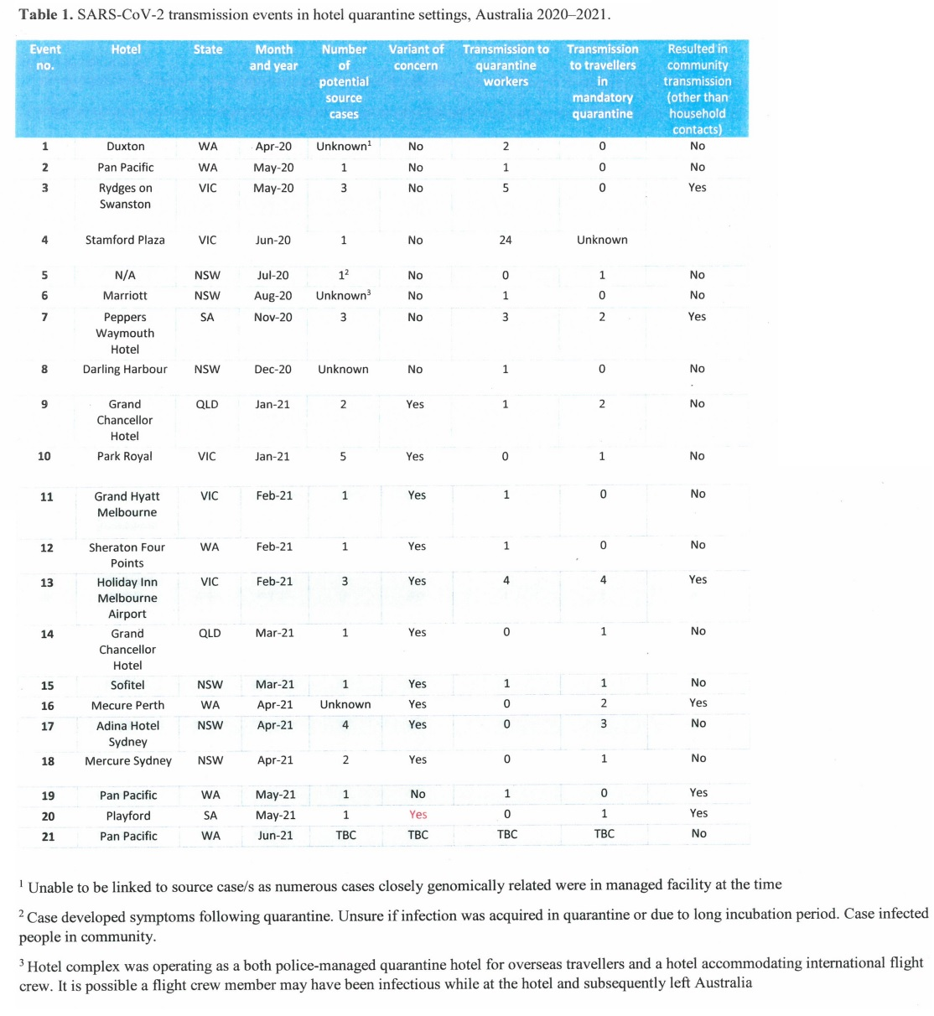

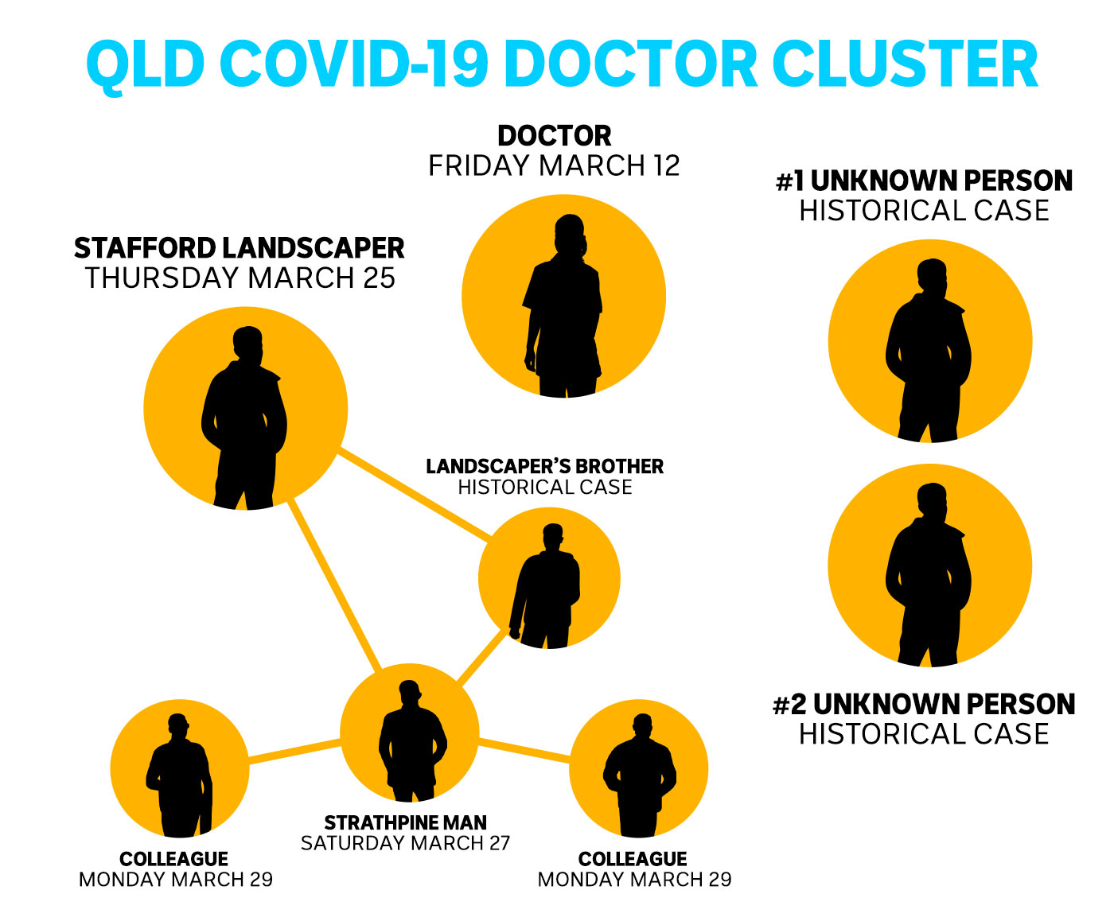

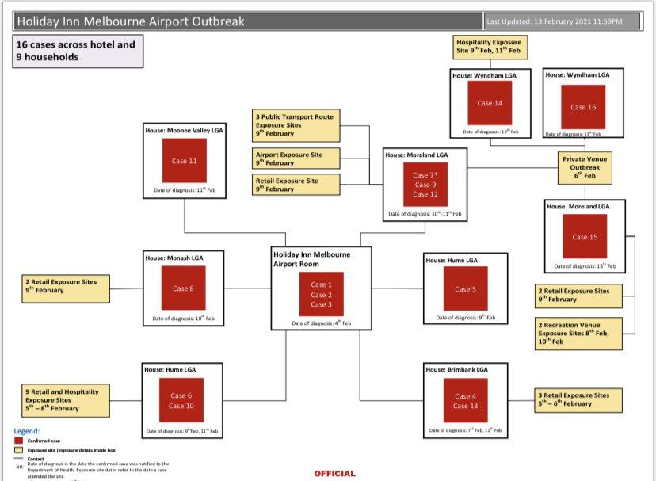

COVID transmission linked to hotel quarantine
https://twitter.com/TomMcIlroy/status/1399994669195403264

Hotel quarantine statistics.
https://twitter.com/JonathanLea10/status/1399921070207950850

NSW coronavirus outbreaks take three weeks to end
https://www.abc.net.au/news/2021-01-19/nsw-coronavirus-clusters-three-weeks-to-end-analysis-shows/13066306

Anatomy of our battle against COVID-19
https://www.abc.net.au/news/2021-01-25/covid-19-spread-through-australia-over-year/13078574

QLD 7d
DATE | OSEAS 7d AV | BREACH
QLD Breaches
 | OSEAS 7d AV | BREACH
...

2021-06-01 | 1.6 | 0
2021-06-02 | 1.1 | 0
2021-06-03 | 1.1 | 0
2021-06-04 | 2 | 0
2021-06-05 | 2 | 0
2021-06-06 | 2 | 0
2021-06-07 | 2 | 0
2021-06-08 | 2.1 | 0
2021-06-09 | 2.1 | 0
2021-06-10 | 2.7 | 0
2021-06-11 | 1.4 | 0
2021-06-12 | 1.3 | 0
2021-06-13 | 2.1 | 0
2021-06-14 | 2.4 | 0
2021-06-15 | 2.6 | 0
2021-06-16 | 2.4 | 0
2021-06-17 | 2.6 | 0
2021-06-18 | 3.1 | 0
2021-06-19 | 3.1 | 0
2021-06-20 | 2 | 2
2021-06-21 | 2.4 | 0
2021-06-22 | 2.4 | 0
2021-06-23 | 2.6 | 2.6
2021-06-24 | 1.6 | 0
2021-06-25 | 1.1 | 0
2021-06-26 | 1.3 | 1.3
2021-06-27 | 1.1 | 0
2021-06-28 | 0.6 | 0
2021-06-29 | 0.9 | 0.9
2021-06-30 | 0.9 | 0
2021-07-01 | 1.1 | 1.1
2021-07-02 | 1.4 | 0
2021-07-03 | 1.9 | 0
2021-07-04 | 2.1 | 0
2021-07-05 | 2.4 | 0
2021-07-06 | 2.6 | 0
2021-07-07 | 2.4 | 0
2021-07-08 | 2.3 | 0
2021-07-09 | 2 | 0
2021-07-10 | 2.1 | 0
2021-07-11 | 2.1 | 0
2021-07-12 | 1.9 | 0
2021-07-13 | 1.3 | 0
2021-07-14 | 2 | 0
2021-07-15 | 2.1 | 2.1
2021-07-16 | 2.1 | 0
2021-07-17 | 1.6 | 0
2021-07-18 | 1.4 | 0
2021-07-19 | 1.6 | 0
2021-07-20 | 1.9 | 0
2021-07-21 | 1.3 | 0
2021-07-22 | 0.9 | 0
2021-07-23 | 1.1 | 0
2021-07-24 | 1 | 0
2021-07-25 | 1.9 | 0
2021-07-26 | 1.6 | 1.6
2021-07-27 | 1.1 | 0
2021-07-28 | 3.7 | 0
2021-07-29 | 4.1 | 0
2021-07-30 | 4 | 0
2021-07-31 | 4.1 | 4.1
0 | 0 | 0
0 | 0 | 0

NSW 7d
DATE | OSEAS 7d AV | BREACH
NSW Breaches
 | OSEAS 7d AV | BREACH
...

2021-03-01 | 4.3 | 0
2021-03-02 | 4.1 | 0
2021-03-03 | 4.9 | 0
2021-03-04 | 4.4 | 0
2021-03-05 | 5.4 | 0
2021-03-06 | 5 | 0
2021-03-07 | 4.6 | 0
2021-03-08 | 4.3 | 0
2021-03-09 | 4.6 | 0
2021-03-10 | 4.4 | 0
2021-03-11 | 4.7 | 0
2021-03-12 | 4.3 | 0
2021-03-13 | 3.9 | 0
2021-03-14 | 4 | 4
2021-03-15 | 4.1 | 0
2021-03-16 | 3.7 | 0
2021-03-17 | 3.7 | 0
2021-03-18 | 3.3 | 0
2021-03-19 | 2.9 | 0
2021-03-20 | 3.3 | 0
2021-03-21 | 3.1 | 0
2021-03-22 | 3.6 | 0
2021-03-23 | 3.9 | 0
2021-03-24 | 3.4 | 0
2021-03-25 | 3.4 | 0
2021-03-26 | 3.1 | 0
2021-03-27 | 3.1 | 0
2021-03-28 | 2.9 | 0
2021-03-29 | 2.4 | 0
2021-03-30 | 2.6 | 0
2021-03-31 | 2.7 | 0
2021-04-01 | 2.9 | 0
2021-04-02 | 2.4 | 0
2021-04-03 | 2.4 | 0
2021-04-04 | 2.6 | 0
2021-04-05 | 2.7 | 0
2021-04-06 | 3 | 0
2021-04-07 | 3.4 | 0
2021-04-08 | 3.1 | 0
2021-04-09 | 3.4 | 0
2021-04-10 | 3.6 | 0
2021-04-11 | 4.3 | 0
2021-04-12 | 5.1 | 0
2021-04-13 | 4.9 | 0
2021-04-14 | 4.4 | 0
2021-04-15 | 5.4 | 0
2021-04-16 | 6.1 | 0
2021-04-17 | 6.1 | 6.1
2021-04-18 | 6.1 | 0
2021-04-19 | 6 | 0
2021-04-20 | 5.7 | 0
2021-04-21 | 6.4 | 6.4
2021-04-22 | 5.9 | 0
2021-04-23 | 7.4 | 0
2021-04-24 | 7 | 0
2021-04-25 | 6.3 | 0
2021-04-26 | 6.3 | 0
2021-04-27 | 7.4 | 0
2021-04-28 | 7.6 | 0
2021-04-29 | 9 | 0
2021-04-30 | 8.3 | 0
2021-05-01 | 8.7 | 0
2021-05-02 | 9 | 0
2021-05-03 | 8.6 | 0
2021-05-04 | 8 | 0
2021-05-05 | 8.1 | 8.1
2021-05-06 | 7.1 | 0
2021-05-07 | 6 | 0
2021-05-08 | 6.3 | 0
2021-05-09 | 6.6 | 0
2021-05-10 | 6.7 | 0
2021-05-11 | 6.3 | 0
2021-05-12 | 5.4 | 0
2021-05-13 | 5 | 0
2021-05-14 | 4.4 | 0
2021-05-15 | 4 | 0
2021-05-16 | 3.7 | 0
2021-05-17 | 3.1 | 0
2021-05-18 | 3 | 0
2021-05-19 | 2.7 | 0
2021-05-20 | 2.3 | 0
2021-05-21 | 2.1 | 0
2021-05-22 | 1.9 | 0
2021-05-23 | 1.7 | 0
2021-05-24 | 1.7 | 0
2021-05-25 | 1.6 | 0
2021-05-26 | 1.6 | 0
2021-05-27 | 1.3 | 0
2021-05-28 | 1.7 | 0
2021-05-29 | 1.7 | 0
2021-05-30 | 2.1 | 0
2021-05-31 | 2.1 | 0
2021-06-01 | 1.9 | 0
2021-06-02 | 1.7 | 0
2021-06-03 | 2 | 0
2021-06-04 | 1.6 | 0
2021-06-05 | 1.4 | 0
2021-06-06 | 1.4 | 0
2021-06-07 | 1.9 | 0
2021-06-08 | 2.4 | 0
2021-06-09 | 2.9 | 0
2021-06-10 | 3 | 0
2021-06-11 | 3.1 | 0
2021-06-12 | 3.3 | 0
2021-06-13 | 2.7 | 0
2021-06-14 | 2.9 | 0
2021-06-15 | 2.9 | 2.9
2021-06-16 | 2.7 | 2.7
2021-06-17 | 2.4 | 0
2021-06-18 | 2.3 | 0
2021-06-19 | 2.7 | 0
2021-06-20 | 3.1 | 0
2021-06-21 | 2.9 | 0
2021-06-22 | 2.3 | 0
2021-06-23 | 2 | 0
2021-06-24 | 2 | 0
2021-06-25 | 2.1 | 0
2021-06-26 | 1.6 | 0
2021-06-27 | 1.3 | 0
2021-06-28 | 1.1 | 0
2021-06-29 | 1.3 | 0
2021-06-30 | 2 | 0
2021-07-01 | 2.4 | 0
2021-07-02 | 2.4 | 0
2021-07-03 | 3.1 | 0
2021-07-04 | 2.9 | 0
2021-07-05 | 2.7 | 0
2021-07-06 | 2.6 | 0
2021-07-07 | 1.9 | 0
2021-07-08 | 1.4 | 0
2021-07-09 | 1.4 | 0
2021-07-10 | 1 | 0

VIC 7d
DATE | OSEAS 7d AV | BREACH
VIC Breaches
 | OSEAS 7d AV | BREACH
...

2021-03-01 | 0 | 0
2021-03-02 | 0 | 0
2021-03-03 | 0 | 0
2021-03-04 | 0 | 0
2021-03-05 | 0 | 0
2021-03-06 | 0.1 | 0
2021-03-07 | 0 | 0
2021-03-08 | 0.1 | 0
2021-03-09 | 0.3 | 0
2021-03-10 | 0.3 | 0
2021-03-11 | 0.3 | 0
2021-03-12 | 0.3 | 0
2021-03-13 | 0.1 | 0
2021-03-14 | 0.3 | 0
2021-03-15 | 0.1 | 0
2021-03-16 | 0 | 0
2021-03-17 | 0 | 0
2021-03-18 | 0 | 0
2021-03-19 | 0 | 0
2021-03-20 | 0 | 0
2021-03-21 | 0 | 0
2021-03-22 | 0 | 0
2021-03-23 | 0 | 0
2021-03-24 | 0 | 0
2021-03-25 | 0 | 0
2021-03-26 | 0 | 0
2021-03-27 | 0 | 0
2021-03-28 | 0 | 0
2021-03-29 | 0.1 | 0
2021-03-30 | 0.1 | 0
2021-03-31 | 0.1 | 0
2021-04-01 | 0.1 | 0
2021-04-02 | 0.1 | 0
2021-04-03 | 0.1 | 0
2021-04-04 | 0.1 | 0
2021-04-05 | 0 | 0
2021-04-06 | 0 | 0
2021-04-07 | 0 | 0
2021-04-08 | 0 | 0
2021-04-09 | 0 | 0
2021-04-10 | 0.1 | 0
2021-04-11 | 0.1 | 0
2021-04-12 | 0.4 | 0
2021-04-13 | 0.4 | 0
2021-04-14 | 0.4 | 0
2021-04-15 | 1.1 | 0
2021-04-16 | 1.1 | 0
2021-04-17 | 1.3 | 0
2021-04-18 | 1.3 | 0
2021-04-19 | 1.6 | 0
2021-04-20 | 1.7 | 0
2021-04-21 | 2.1 | 0
2021-04-22 | 1.7 | 0
2021-04-23 | 2 | 0
2021-04-24 | 1.9 | 0
2021-04-25 | 2 | 0
2021-04-26 | 1.4 | 0
2021-04-27 | 1.9 | 0
2021-04-28 | 1.7 | 0
2021-04-29 | 1.6 | 0
2021-04-30 | 1.6 | 0
2021-05-01 | 1.9 | 0
2021-05-02 | 1.9 | 0
2021-05-03 | 2 | 0
2021-05-04 | 1.6 | 0
2021-05-05 | 1.3 | 0
2021-05-06 | 1.4 | 0
2021-05-07 | 1.1 | 0
2021-05-08 | 0.9 | 0
2021-05-09 | 1.6 | 0
2021-05-10 | 1.7 | 0
2021-05-11 | 1.7 | 0
2021-05-12 | 1.7 | 0
2021-05-13 | 1.6 | 0
2021-05-14 | 1.7 | 0
2021-05-15 | 1.7 | 0
2021-05-16 | 1.4 | 0
2021-05-17 | 1.3 | 0
2021-05-18 | 1.1 | 0
2021-05-19 | 1.3 | 0
2021-05-20 | 1.1 | 0
2021-05-21 | 1 | 0
2021-05-22 | 0.9 | 0
2021-05-23 | 0.4 | 0
2021-05-24 | 0.6 | 0
2021-05-25 | 0.6 | 0
2021-05-26 | 0.4 | 0
2021-05-27 | 0.4 | 0
2021-05-28 | 0.6 | 0
2021-05-29 | 0.9 | 0
2021-05-30 | 0.9 | 0
2021-05-31 | 0.6 | 0
2021-06-01 | 0.9 | 0
2021-06-02 | 0.7 | 0.7
2021-06-03 | 0.7 | 0
2021-06-04 | 0.9 | 0
2021-06-05 | 0.7 | 0
2021-06-06 | 1.4 | 0
2021-06-07 | 1.4 | 0
2021-06-08 | 1.3 | 0
2021-06-09 | 1.4 | 0
2021-06-10 | 1.4 | 0
2021-06-11 | 1.3 | 0
2021-06-12 | 1.6 | 0
2021-06-13 | 0.6 | 0
2021-06-14 | 1.1 | 0
2021-06-15 | 1.4 | 0
2021-06-16 | 1.9 | 0
2021-06-17 | 2 | 0
2021-06-18 | 2 | 0
2021-06-19 | 1.9 | 0
2021-06-20 | 2.3 | 0
2021-06-21 | 2.9 | 0
2021-06-22 | 2.7 | 0
2021-06-23 | 2.1 | 0
2021-06-24 | 2.4 | 0
2021-06-25 | 2.3 | 0
2021-06-26 | 2.3 | 0
2021-06-27 | 2.1 | 0
2021-06-28 | 1.3 | 0
2021-06-29 | 1.3 | 0
2021-06-30 | 1.6 | 0
2021-07-01 | 1 | 0
2021-07-02 | 1.3 | 0
2021-07-03 | 1 | 0
2021-07-04 | 1 | 0
2021-07-05 | 1 | 0
2021-07-06 | 1 | 0
2021-07-07 | 0.9 | 0
2021-07-08 | 1 | 0
2021-07-09 | 0.9 | 0
2021-07-10 | 1.3 | 0

WA 7d
DATE | OSEAS 7d AV | BREACH
WA Breaches
 | OSEAS 7d AV | BREACH
...

2021-03-01 | 0.1 | 0
2021-03-02 | 0 | 0
2021-03-03 | 0.1 | 0
2021-03-04 | 0.1 | 0
2021-03-05 | 0.1 | 0
2021-03-06 | 0.4 | 0
2021-03-07 | 0.6 | 0
2021-03-08 | 0.9 | 0
2021-03-09 | 1 | 0
2021-03-10 | 1 | 0
2021-03-11 | 1.1 | 0
2021-03-12 | 1.1 | 0
2021-03-13 | 1 | 0
2021-03-14 | 1 | 0
2021-03-15 | 0.9 | 0
2021-03-16 | 0.9 | 0
2021-03-17 | 0.9 | 0
2021-03-18 | 0.7 | 0
2021-03-19 | 1 | 0
2021-03-20 | 1 | 0
2021-03-21 | 0.9 | 0
2021-03-22 | 0.9 | 0
2021-03-23 | 0.7 | 0
2021-03-24 | 0.7 | 0
2021-03-25 | 1 | 0
2021-03-26 | 0.7 | 0
2021-03-27 | 0.6 | 0
2021-03-28 | 0.7 | 0
2021-03-29 | 1 | 0
2021-03-30 | 1 | 0
2021-03-31 | 1.4 | 0
2021-04-01 | 1.4 | 0
2021-04-02 | 1.4 | 0
2021-04-03 | 1.4 | 0
2021-04-04 | 1.7 | 0
2021-04-05 | 1.4 | 0
2021-04-06 | 1.7 | 0
2021-04-07 | 1.3 | 0
2021-04-08 | 1 | 0
2021-04-09 | 1 | 0
2021-04-10 | 1 | 0
2021-04-11 | 0.9 | 0
2021-04-12 | 0.9 | 0
2021-04-13 | 1 | 0
2021-04-14 | 1.9 | 0
2021-04-15 | 2 | 0
2021-04-16 | 2.1 | 0
2021-04-17 | 2.3 | 0
2021-04-18 | 2.9 | 0
2021-04-19 | 3 | 0
2021-04-20 | 3 | 0
2021-04-21 | 2.3 | 2.3
2021-04-22 | 2.1 | 0
2021-04-23 | 2 | 0
2021-04-24 | 2 | 0
2021-04-25 | 1.3 | 0
2021-04-26 | 1 | 0
2021-04-27 | 1.1 | 0
2021-04-28 | 1.4 | 0
2021-04-29 | 2 | 0
2021-04-30 | 2.1 | 0
2021-05-01 | 2.1 | 2.1
2021-05-02 | 2.3 | 0
2021-05-03 | 2.7 | 0
2021-05-04 | 2.1 | 0
2021-05-05 | 1.9 | 0
2021-05-06 | 1.7 | 0
2021-05-07 | 1.6 | 0
2021-05-08 | 1.4 | 0
2021-05-09 | 1.1 | 0
2021-05-10 | 0.7 | 0
2021-05-11 | 1 | 0
2021-05-12 | 0.7 | 0
2021-05-13 | 0.3 | 0
2021-05-14 | 0.3 | 0
2021-05-15 | 0.3 | 0
2021-05-16 | 0.3 | 0
2021-05-17 | 0.3 | 0
2021-05-18 | 0 | 0
2021-05-19 | 0 | 0
2021-05-20 | 0.1 | 0
2021-05-21 | 0.1 | 0
2021-05-22 | 0.1 | 0
2021-05-23 | 0.1 | 0
2021-05-24 | 0.3 | 0
2021-05-25 | 0.3 | 0
2021-05-26 | 0.3 | 0
2021-05-27 | 0.1 | 0
2021-05-28 | 0.1 | 0
2021-05-29 | 0.1 | 0
2021-05-30 | 0.1 | 0
2021-05-31 | 0 | 0
2021-06-01 | 0.1 | 0
2021-06-02 | 0 | 0
2021-06-03 | 0 | 0
2021-06-04 | 0 | 0
2021-06-05 | 0 | 0
2021-06-06 | 0 | 0
2021-06-07 | 0 | 0
2021-06-08 | -0.1 | 0
2021-06-09 | 0 | 0
2021-06-10 | 0 | 0
2021-06-11 | 0 | 0
2021-06-12 | 0 | 0
2021-06-13 | 0 | 0
2021-06-14 | 0 | 0
2021-06-15 | 0.1 | 0
2021-06-16 | 0.3 | 0
2021-06-17 | 0.3 | 0
2021-06-18 | 0.3 | 0
2021-06-19 | 0.3 | 0
2021-06-20 | 0.3 | 0
2021-06-21 | 0.3 | 0
2021-06-22 | 0.1 | 0
2021-06-23 | 0 | 0
2021-06-24 | 0.1 | 0
2021-06-25 | 0.1 | 0
2021-06-26 | 0.1 | 0
2021-06-27 | 0.1 | 0
2021-06-28 | 0.1 | 0
2021-06-29 | 0.1 | 0
2021-06-30 | 0.6 | 0
2021-07-01 | 0.4 | 0
2021-07-02 | 0.4 | 0

SA 7d
SA Breaches
 | OSEAS 7d AV | BREACH
2020-10-27 | 1.4 | 0
2020-10-28 | 1.4 | 0
2020-10-29 | 1.6 | 0
2020-10-30 | 1.4 | 0
2020-10-31 | 1.9 | 0
2020-11-01 | 1.3 | 0
2020-11-02 | 0.9 | 0
2020-11-03 | 1.1 | 0
2020-11-04 | 1.1 | 0
2020-11-05 | 1.7 | 0
2020-11-06 | 1.7 | 0
2020-11-07 | 1.6 | 0
2020-11-08 | 2 | 0
2020-11-09 | 2.3 | 0
2020-11-10 | 2.1 | 0
2020-11-11 | 2 | 0
2020-11-12 | 1.4 | 0
2020-11-13 | 1.3 | 0
2020-11-14 | 1.3 | 1.3
2020-11-15 | 1 | 0
2020-11-16 | 1.4 | 0
2020-11-17 | 1.3 | 0
2020-11-18 | 1.3 | 0
2020-11-19 | 1.1 | 0
2020-11-20 | 1.1 | 0
2020-11-21 | 1 | 0
2020-11-22 | 0.9 | 0
2020-11-23 | 0.3 | 0
2020-11-24 | 0.4 | 0
2020-11-25 | 0.1 | 0
2020-11-26 | 0.1 | 0
2020-11-27 | 0.1 | 0
2020-11-28 | 0 | 0
2020-11-29 | 0 | 0
2020-11-30 | -0.1 | 0
2020-12-01 | -0.3 | 0
2020-12-02 | 0 | 0
2020-12-03 | 0 | 0
2020-12-04 | 0 | 0
2020-12-05 | 0 | 0
2020-12-06 | 0 | 0
2020-12-07 | 0 | 0
2020-12-08 | 0 | 0
2020-12-09 | 0 | 0
2020-12-10 | 0 | 0
2020-12-11 | 0 | 0
2020-12-12 | 0 | 0
2020-12-13 | 0 | 0
2020-12-14 | 0.1 | 0
2020-12-15 | 0.1 | 0
...
DATE | OSEAS 7d AV | BREACH
2020-10-27 | 1.4 | 0
2020-10-28 | 1.4 | 0
2020-10-29 | 1.6 | 0
2020-10-30 | 1.4 | 0
2020-10-31 | 1.9 | 0
2020-11-01 | 1.3 | 0
2020-11-02 | 0.9 | 0
2020-11-03 | 1.1 | 0
2020-11-04 | 1.1 | 0
2020-11-05 | 1.7 | 0
2020-11-06 | 1.7 | 0
2020-11-07 | 1.6 | 0
2020-11-08 | 2 | 0
2020-11-09 | 2.3 | 0
2020-11-10 | 2.1 | 0
2020-11-11 | 2 | 0
2020-11-12 | 1.4 | 0
2020-11-13 | 1.3 | 0
2020-11-14 | 1.3 | 1.3
2020-11-15 | 1 | 0
2020-11-16 | 1.4 | 0
2020-11-17 | 1.3 | 0
2020-11-18 | 1.3 | 0
2020-11-19 | 1.1 | 0
2020-11-20 | 1.1 | 0
2020-11-21 | 1 | 0
2020-11-22 | 0.9 | 0
2020-11-23 | 0.3 | 0
2020-11-24 | 0.4 | 0
2020-11-25 | 0.1 | 0
2020-11-26 | 0.1 | 0
2020-11-27 | 0.1 | 0
2020-11-28 | 0 | 0
2020-11-29 | 0 | 0
2020-11-30 | -0.1 | 0
2020-12-01 | -0.3 | 0
2020-12-02 | 0 | 0
2020-12-03 | 0 | 0
2020-12-04 | 0 | 0
2020-12-05 | 0 | 0
2020-12-06 | 0 | 0
2020-12-07 | 0 | 0
2020-12-08 | 0 | 0
2020-12-09 | 0 | 0
2020-12-10 | 0 | 0
2020-12-11 | 0 | 0
2020-12-12 | 0 | 0
2020-12-13 | 0 | 0
2020-12-14 | 0.1 | 0
2020-12-15 | 0.1 | 0
2020-12-16 | 0.1 | 0
2020-12-17 | 0.1 | 0
2020-12-18 | 0.1 | 0
2020-12-19 | 0.1 | 0
2020-12-20 | 0.6 | 0
2020-12-21 | 0.4 | 0
2020-12-22 | 0.4 | 0
2020-12-23 | 0.4 | 0
2020-12-24 | 0.6 | 0
2020-12-25 | 0.9 | 0
2020-12-26 | 0.7 | 0
2020-12-27 | 0.6 | 0
2020-12-28 | 0.7 | 0
2020-12-29 | 0.7 | 0
2020-12-30 | 1.1 | 0
2020-12-31 | 1.3 | 0
2021-01-01 | 1.6 | 0
2021-01-02 | 1.7 | 0
2021-01-03 | 1.3 | 0
2021-01-04 | 1.7 | 0
2021-01-05 | 1.4 | 0
2021-01-06 | 1.1 | 0
2021-01-07 | 0.9 | 0
2021-01-08 | 0.7 | 0
2021-01-09 | 1 | 0
2021-01-10 | 1.1 | 0
2021-01-11 | 0.7 | 0
2021-01-12 | 1 | 0
2021-01-13 | 1.1 | 0
2021-01-14 | 1.1 | 0
2021-01-15 | 0.9 | 0
2021-01-16 | 0.9 | 0
2021-01-17 | 0.9 | 0
2021-01-18 | 0.7 | 0
2021-01-19 | 0.7 | 0
2021-01-20 | 0.6 | 0
2021-01-21 | 0.9 | 0
2021-01-22 | 0.7 | 0
2021-01-23 | 0.4 | 0
2021-01-24 | 0.4 | 0
2021-01-25 | 0.4 | 0
2021-01-26 | 0.4 | 0
2021-01-27 | 0.3 | 0
2021-01-28 | 0 | 0
2021-01-29 | 0 | 0
2021-01-30 | 0 | 0
2021-01-31 | 0.1 | 0
2021-02-01 | 0 | 0
2021-02-02 | 0.1 | 0
2021-02-03 | 0.7 | 0
2021-02-04 | 0.7 | 0
2021-02-05 | 0.9 | 0
2021-02-06 | 0.9 | 0
2021-02-07 | 0.7 | 0
2021-02-08 | 1 | 0
2021-02-09 | 0.9 | 0
2021-02-10 | 0.6 | 0
2021-02-11 | 0.7 | 0
2021-02-12 | 0.6 | 0
2021-02-13 | 0.6 | 0
2021-02-14 | 0.6 | 0
2021-02-15 | 0.4 | 0
2021-02-16 | 0.4 | 0
2021-02-17 | 0.4 | 0
2021-02-18 | 0.3 | 0
2021-02-19 | 0.3 | 0
2021-02-20 | 0.3 | 0
2021-02-21 | 0.6 | 0
2021-02-22 | 0.6 | 0
2021-02-23 | 0.9 | 0
2021-02-24 | 0.7 | 0
2021-02-25 | 0.7 | 0
2021-02-26 | 0.7 | 0
2021-02-27 | 0.7 | 0
2021-02-28 | 0.4 | 0
2021-03-01 | 0.9 | 0
2021-03-02 | 0.7 | 0
2021-03-03 | 0.7 | 0
2021-03-04 | 0.7 | 0
2021-03-05 | 0.7 | 0
2021-03-06 | 0.7 | 0
2021-03-07 | 0.7 | 0
2021-03-08 | 0.3 | 0
2021-03-09 | 0.4 | 0
2021-03-10 | 0.4 | 0
2021-03-11 | 0.9 | 0
2021-03-12 | 1 | 0
2021-03-13 | 1.7 | 0
2021-03-14 | 1.9 | 0
2021-03-15 | 2.3 | 0
2021-03-16 | 2.3 | 0
2021-03-17 | 2.4 | 0
2021-03-18 | 2.3 | 0
2021-03-19 | 2.3 | 0
2021-03-20 | 1.7 | 0
2021-03-21 | 1.6 | 0
2021-03-22 | 1.1 | 0
2021-03-23 | 0.9 | 0
2021-03-24 | 0.9 | 0
2021-03-25 | 0.6 | 0
2021-03-26 | 0.6 | 0
2021-03-27 | 0.9 | 0
2021-03-28 | 1.1 | 0
2021-03-29 | 1.4 | 0
2021-03-30 | 1.9 | 0
2021-03-31 | 1.6 | 0
2021-04-01 | 1.7 | 0
2021-04-02 | 1.9 | 0
2021-04-03 | 1.4 | 0
2021-04-04 | 1.3 | 0
2021-04-05 | 1.3 | 0
2021-04-06 | 0.9 | 0
2021-04-07 | 1 | 0
2021-04-08 | 1 | 0
2021-04-09 | 1 | 0
2021-04-10 | 1 | 0
2021-04-11 | 1 | 0
2021-04-12 | 0.7 | 0
2021-04-13 | 1.9 | 0
2021-04-14 | 1.9 | 0
2021-04-15 | 2 | 0
2021-04-16 | 1.9 | 0
2021-04-17 | 2.4 | 0
2021-04-18 | 2.3 | 0
2021-04-19 | 3.1 | 0
2021-04-20 | 2.4 | 0
2021-04-21 | 2.6 | 0
2021-04-22 | 3.6 | 0
2021-04-23 | 3.4 | 0
2021-04-24 | 3 | 0
2021-04-25 | 3 | 0
2021-04-26 | 4.1 | 0
2021-04-27 | 3.9 | 0
2021-04-28 | 3.4 | 0
2021-04-29 | 2.6 | 0
2021-04-30 | 2.9 | 0
2021-05-01 | 3 | 0
2021-05-02 | 3.3 | 0
2021-05-03 | 1.7 | 0
2021-05-04 | 1.9 | 0
2021-05-05 | 2.3 | 0
2021-05-06 | 2.1 | 0
2021-05-07 | 2.3 | 0
2021-05-08 | 2 | 0
2021-05-09 | 2 | 0
2021-05-10 | 1.6 | 0
2021-05-11 | 1.3 | 1.3
2021-05-12 | 1.1 | 0
2021-05-13 | 0.9 | 0
2021-05-14 | 0.4 | 0
2021-05-15 | 0.6 | 0
2021-05-16 | 0.3 | 0
2021-05-17 | 0.3 | 0
2021-05-18 | 0.9 | 0
2021-05-19 | 0.7 | 0
2021-05-20 | 0.9 | 0
2021-05-21 | 1 | 0
2021-05-22 | 0.9 | 0
2021-05-23 | 0.9 | 0
2021-05-24 | 1 | 0
2021-05-25 | 0.6 | 0
2021-05-26 | 0.9 | 0
2021-05-27 | 0.7 | 0
2021-05-28 | 0.6 | 0
2021-05-29 | 0.6 | 0
2021-05-30 | 0.9 | 0
2021-05-31 | 0.7 | 0
2021-06-01 | 0.6 | 0
2021-06-02 | 1.1 | 0
2021-06-03 | 1.1 | 0
2021-06-04 | 1.3 | 0
2021-06-05 | 1.4 | 0
2021-06-06 | 1.4 | 0
2021-06-07 | 1.9 | 0
2021-06-08 | 2.1 | 0
2021-06-09 | 1.3 | 0
2021-06-10 | 1.4 | 0
2021-06-11 | 1.4 | 0
2021-06-12 | 1.7 | 0
2021-06-13 | 1.6 | 0
2021-06-14 | 1.1 | 0
2021-06-15 | 1 | 0
2021-06-16 | 1.6 | 0
2021-06-17 | 1.6 | 0
2021-06-18 | 1.9 | 0
2021-06-19 | 1.6 | 0
2021-06-20 | 1.4 | 0
2021-06-21 | 1.9 | 0
2021-06-22 | 1.7 | 0
2021-06-23 | 1.1 | 0
2021-06-24 | 1.6 | 0
2021-06-25 | 0.7 | 0
2021-06-26 | 0.9 | 0
2021-06-27 | 1.3 | 0
2021-06-28 | 0.9 | 0
2021-06-29 | 1.1 | 0
2021-06-30 | 2 | 0
2021-07-01 | 1.4 | 0
2021-07-02 | 2 | 0

NT 7d
NT Breaches
 | OSEAS 7d AV
2020-10-27 | 0
2020-10-28 | 0
2020-10-29 | 0.6
2020-10-30 | 0.7
2020-10-31 | 0.7
2020-11-01 | 0.7
2020-11-02 | 0.7
2020-11-03 | 0.7
2020-11-04 | 0.7
2020-11-05 | 0.3
2020-11-06 | 0.1
2020-11-07 | 0.1
2020-11-08 | 0.1
2020-11-09 | 0.3
2020-11-10 | 0.4
2020-11-11 | 0.4
2020-11-12 | 0.4
2020-11-13 | 1
2020-11-14 | 1
2020-11-15 | 1
2020-11-16 | 0.9
2020-11-17 | 0.7
2020-11-18 | 0.7
2020-11-19 | 0.6
2020-11-20 | 0
2020-11-21 | 0
2020-11-22 | 0
2020-11-23 | 0.1
2020-11-24 | 0.1
2020-11-25 | 0.4
2020-11-26 | 0.9
2020-11-27 | 0.9
2020-11-28 | 0.9
2020-11-29 | 0.9
2020-11-30 | 0.9
2020-12-01 | 0.9
2020-12-02 | 0.6
2020-12-03 | 1
2020-12-04 | 1
2020-12-05 | 1
2020-12-06 | 1
2020-12-07 | 0.9
2020-12-08 | 1.1
2020-12-09 | 1.1
2020-12-10 | 0.4
2020-12-11 | 0.4
2020-12-12 | 0.4
2020-12-13 | 0.6
2020-12-14 | 0.7
2020-12-15 | 0.7
...
DATE | OSEAS 7d AV | BREACH
2020-10-27 | 0 | 0
2020-10-28 | 0 | 0
2020-10-29 | 0.6 | 0
2020-10-30 | 0.7 | 0
2020-10-31 | 0.7 | 0
2020-11-01 | 0.7 | 0
2020-11-02 | 0.7 | 0
2020-11-03 | 0.7 | 0
2020-11-04 | 0.7 | 0
2020-11-05 | 0.3 | 0
2020-11-06 | 0.1 | 0
2020-11-07 | 0.1 | 0
2020-11-08 | 0.1 | 0
2020-11-09 | 0.3 | 0
2020-11-10 | 0.4 | 0
2020-11-11 | 0.4 | 0
2020-11-12 | 0.4 | 0
2020-11-13 | 1 | 0
2020-11-14 | 1 | 0
2020-11-15 | 1 | 0
2020-11-16 | 0.9 | 0
2020-11-17 | 0.7 | 0
2020-11-18 | 0.7 | 0
2020-11-19 | 0.6 | 0
2020-11-20 | 0 | 0
2020-11-21 | 0 | 0
2020-11-22 | 0 | 0
2020-11-23 | 0.1 | 0
2020-11-24 | 0.1 | 0
2020-11-25 | 0.4 | 0
2020-11-26 | 0.9 | 0
2020-11-27 | 0.9 | 0
2020-11-28 | 0.9 | 0
2020-11-29 | 0.9 | 0
2020-11-30 | 0.9 | 0
2020-12-01 | 0.9 | 0
2020-12-02 | 0.6 | 0
2020-12-03 | 1 | 0
2020-12-04 | 1 | 0
2020-12-05 | 1 | 0
2020-12-06 | 1 | 0
2020-12-07 | 0.9 | 0
2020-12-08 | 1.1 | 0
2020-12-09 | 1.1 | 0
2020-12-10 | 0.4 | 0
2020-12-11 | 0.4 | 0
2020-12-12 | 0.4 | 0
2020-12-13 | 0.6 | 0
2020-12-14 | 0.7 | 0
2020-12-15 | 0.7 | 0
2020-12-16 | 0.7 | 0
2020-12-17 | 0.9 | 0
2020-12-18 | 1 | 0
2020-12-19 | 1.3 | 0
2020-12-20 | 1.1 | 0
2020-12-21 | 1 | 0
2020-12-22 | 0.7 | 0
2020-12-23 | 0.9 | 0
2020-12-24 | 0.7 | 0
2020-12-25 | 0.6 | 0
2020-12-26 | 0.3 | 0
2020-12-27 | 0.3 | 0
2020-12-28 | 0.3 | 0
2020-12-29 | 0.4 | 0
2020-12-30 | 0.3 | 0
2020-12-31 | 0.3 | 0
2021-01-01 | 0.3 | 0
2021-01-02 | 1.1 | 0
2021-01-03 | 1.4 | 0
2021-01-04 | 1.4 | 0
2021-01-05 | 2.1 | 0
2021-01-06 | 2.1 | 0
2021-01-07 | 2.1 | 0
2021-01-08 | 2.1 | 0
2021-01-09 | 1.4 | 0
2021-01-10 | 1.3 | 0
2021-01-11 | 1.3 | 0
2021-01-12 | 0.4 | 0
2021-01-13 | 0.6 | 0
2021-01-14 | 0.7 | 0
2021-01-15 | 0.7 | 0
2021-01-16 | 0.6 | 0
2021-01-17 | 0.4 | 0
2021-01-18 | 0.4 | 0
2021-01-19 | 0.6 | 0
2021-01-20 | 0.7 | 0
2021-01-21 | 0.6 | 0
2021-01-22 | 0.6 | 0
2021-01-23 | 0.7 | 0
2021-01-24 | 0.7 | 0
2021-01-25 | 0.7 | 0
2021-01-26 | 0.6 | 0
2021-01-27 | 0.3 | 0
2021-01-28 | 0.1 | 0
2021-01-29 | 0.1 | 0
2021-01-30 | 0 | 0
2021-01-31 | 0 | 0
2021-02-01 | 0 | 0
2021-02-02 | 0 | 0
2021-02-03 | 0 | 0
2021-02-04 | 0.1 | 0
2021-02-05 | 0.1 | 0
2021-02-06 | 0.4 | 0
2021-02-07 | 0.6 | 0
2021-02-08 | 0.6 | 0
2021-02-09 | 0.6 | 0
2021-02-10 | 0.6 | 0
2021-02-11 | 0.4 | 0
2021-02-12 | 0.4 | 0
2021-02-13 | 0.1 | 0
2021-02-14 | 0.1 | 0
2021-02-15 | 0.1 | 0
2021-02-16 | 0.1 | 0
2021-02-17 | 0.1 | 0
2021-02-18 | 0.1 | 0
2021-02-19 | 0.1 | 0
2021-02-20 | 0.3 | 0
2021-02-21 | 0.1 | 0
2021-02-22 | 0.1 | 0
2021-02-23 | 0.1 | 0
2021-02-24 | 0.1 | 0
2021-02-25 | 0.1 | 0
2021-02-26 | 0.3 | 0
2021-02-27 | 0.1 | 0
2021-02-28 | 0.1 | 0
2021-03-01 | 0.1 | 0
2021-03-02 | 0.1 | 0
2021-03-03 | 0.1 | 0
2021-03-04 | 0.1 | 0
2021-03-05 | 0 | 0
2021-03-06 | 0 | 0
2021-03-07 | 0 | 0
2021-03-08 | 0 | 0
2021-03-09 | 0 | 0
2021-03-10 | 0 | 0
2021-03-11 | 0 | 0
2021-03-12 | 0 | 0
2021-03-13 | 0 | 0
2021-03-14 | 0 | 0
2021-03-15 | 0 | 0
2021-03-16 | 0 | 0
2021-03-17 | 0.1 | 0
2021-03-18 | 0.1 | 0
2021-03-19 | 0.1 | 0
2021-03-20 | 0.1 | 0
2021-03-21 | 0.1 | 0
2021-03-22 | 0.1 | 0
2021-03-23 | 0.1 | 0
2021-03-24 | 0 | 0
2021-03-25 | 0 | 0
2021-03-26 | 0 | 0
2021-03-27 | 0 | 0
2021-03-28 | 0.3 | 0
2021-03-29 | 0.3 | 0
2021-03-30 | 0.3 | 0
2021-03-31 | 0.3 | 0
2021-04-01 | 0.4 | 0
2021-04-02 | 0.7 | 0
2021-04-03 | 0.7 | 0
2021-04-04 | 0.6 | 0
2021-04-05 | 0.6 | 0
2021-04-06 | 0.6 | 0
2021-04-07 | 0.6 | 0
2021-04-08 | 0.4 | 0
2021-04-09 | 0.1 | 0
2021-04-10 | 0.1 | 0
2021-04-11 | 0 | 0
2021-04-12 | 0 | 0
2021-04-13 | 0 | 0
2021-04-14 | 0.1 | 0
2021-04-15 | 0.1 | 0
2021-04-16 | 0.1 | 0
2021-04-17 | 1 | 0
2021-04-18 | 1 | 0
2021-04-19 | 1.6 | 0
2021-04-20 | 2.4 | 0
2021-04-21 | 2.7 | 0
2021-04-22 | 3.4 | 0
2021-04-23 | 5.1 | 0
2021-04-24 | 5.7 | 0
2021-04-25 | 5.9 | 0
2021-04-26 | 5.9 | 0
2021-04-27 | 5 | 0
2021-04-28 | 4.7 | 0
2021-04-29 | 4 | 0
2021-04-30 | 2.4 | 0
2021-05-01 | 1 | 0
2021-05-02 | 0.9 | 0
2021-05-03 | 0.3 | 0
2021-05-04 | 0.3 | 0
2021-05-05 | 0.1 | 0
2021-05-06 | 0.3 | 0
2021-05-07 | 0.1 | 0
2021-05-08 | 0.1 | 0
2021-05-09 | 0.1 | 0
2021-05-10 | 0.1 | 0
2021-05-11 | 0.1 | 0
2021-05-12 | 0.1 | 0
2021-05-13 | 0 | 0
2021-05-14 | 0 | 0
2021-05-15 | 0.3 | 0
2021-05-16 | 0.3 | 0
2021-05-17 | 0.3 | 0
2021-05-18 | 0.4 | 0
2021-05-19 | 0.4 | 0
2021-05-20 | 0.4 | 0
2021-05-21 | 0.4 | 0
2021-05-22 | 0.3 | 0
2021-05-23 | 0.3 | 0
2021-05-24 | 0.3 | 0
2021-05-25 | 0.1 | 0
2021-05-26 | 0.1 | 0
2021-05-27 | 0.3 | 0
2021-05-28 | 0.3 | 0
2021-05-29 | 0.3 | 0
2021-05-30 | 0.3 | 0
2021-05-31 | 0.3 | 0
2021-06-01 | 0.3 | 0
2021-06-02 | 0.3 | 0
2021-06-03 | 0.1 | 0
2021-06-04 | 0.1 | 0
2021-06-05 | 0 | 0
2021-06-06 | 0 | 0
2021-06-07 | 0 | 0
2021-06-08 | 0.1 | 0
2021-06-09 | 0.1 | 0
2021-06-10 | 0.1 | 0
2021-06-11 | 0.1 | 0
2021-06-12 | 0.1 | 0
2021-06-13 | 0.3 | 0
2021-06-14 | 0.3 | 0
2021-06-15 | 0.1 | 0
2021-06-16 | 0.1 | 0
2021-06-17 | 0.1 | 0
2021-06-18 | 0.3 | 0
2021-06-19 | 0.3 | 0
2021-06-20 | 0.1 | 0
2021-06-21 | 0.1 | 0
2021-06-22 | 0.1 | 0
2021-06-23 | 0.3 | 0
2021-06-24 | 0.3 | 0
2021-06-25 | 0.1 | 0
2021-06-26 | 0.1 | 0
2021-06-27 | 0.1 | 0
2021-06-28 | 0.1 | 0
2021-06-29 | 0.1 | 0
2021-06-30 | 0 | 0
2021-07-01 | 0 | 0
2021-07-02 | 0 | 0
2021-07-03 | 0 | 0
2021-07-04 | 0 | 0

