CPI Adjustment
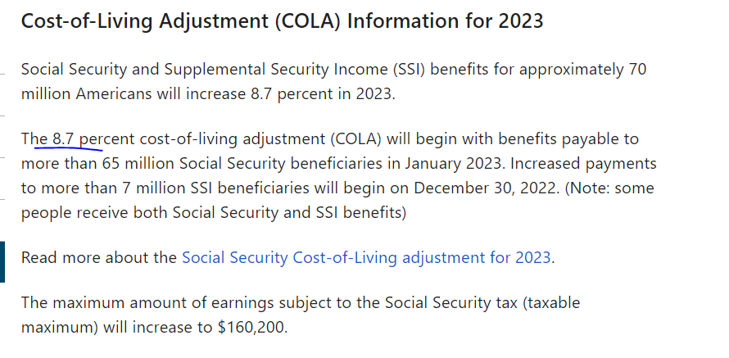
https://www.capitalone.com/learn-grow/money-management/cost-of-living-adjustment/

Overall, Coop salaries have not changed over the years (other than a scope of work change) and due to the worsening
purchase power of fiat dollars, we have adjusted the salaries with a CPI inflation increase and will do so each year, based
on the Social Security COLA increase.



https://www.ssa.gov/cola/

