Team_TM_Review
1 |  | i think replacing recursive clas..... with a loop may be appropriate here, preventing repeated invalid inputs,"stck over"
2 |  | I think theres an issue here with your verbage, its saying that you decide but should be changed to no weapon equipped, so that it can reflect the actual state more accurately when no weapon is passed.
3 | 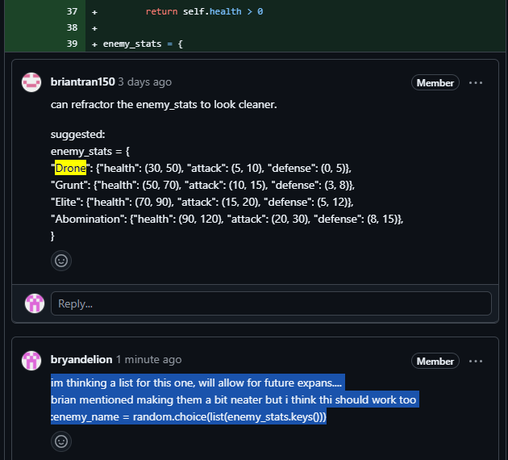 | im thinking a list for this one, will allow for future expans.... brian mentioned making them a bit neater but i think thi should work too :enemy_name = random.choice(list(enemy_stats.keys())) | This one is adding a bit to what brian has said about how this code is organizing the enemeny stats, and introduced considerations to future expansions
4 |  | Refactor the inventory interaction section (around lines 31–61) into a separate function like handle_inventory(character). the idea here is to reduce the complexity making the explore_room loop more readable and enabling the code to reuse for future inventory actions
5 | general comment on two functions, snippets of utilization | this is a general comment on two main functions Where: explore_room() and encounter_enemy() functions. These functions are very long, handling multiple responsibilities (e.g., user input, logic, UI). Break them smaller to handle_inventory_use(), print_room_status(), etc., for clarity / reusability.
6
7
8
9
10
11
12
13
14
15

