1.2.1 Company size
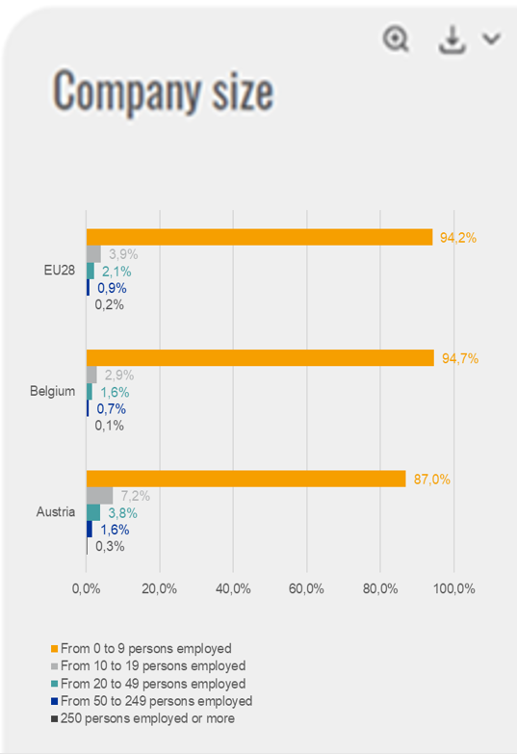
Company size
 | 250 persons employed or more | From 50 to 249 persons employed | From 20 to 49 persons employed | From 10 to 19 persons employed | From 0 to 9 persons employed
Austria | 0.3% | 1.6% | 3.8% | 7.2% | 87.0%
Belgium | 0.1% | 0.7% | 1.6% | 2.9% | 94.7%
EU28 | 0.2% | 0.9% | 2.1% | 3.9% | 94.2%
Country | 250 persons employed or more | From 50 to 249 persons employed | From 20 to 49 persons employed | From 10 to 19 persons employed | From 0 to 9 persons employed | Total
Austria | 0.3% | 1.6% | 3.8% | 7.2% | 87.0% | 323912
Belgium | 0.1% | 0.7% | 1.6% | 2.9% | 94.7% | 611708
Bulgaria | 0.2% | 1.3% | 2.6% | 4.2% | 91.7% | 336041
Cyprus | 0.1% | 0.9% | #VALUE! | #VALUE! | #VALUE! | 50016
Croatia | 0.3% | 1.2% | 2.5% | 4.9% | 91.2% | 147481
Czechia | 0.2% | 0.7% | 1.2% | 1.9% | 96.1% | 1018473
Denmark | 0.3% | 1.7% | 3.6% | 5.6% | 88.8% | 218549
Estonia | 0.2% | 1.5% | 2.9% | 4.8% | 90.6% | 70617
Finland | 0.3% | 1.2% | 2.7% | 4.6% | 91.2% | 228616
France | 0.1% | 0.6% | 1.5% | 2.6% | 95.1% | 3058220
Germany | 0.5% | 2.5% | 5.0% | 10.1% | 81.9% | 2467686
Greece | #VALUE! | #VALUE! | #VALUE! | 2.1% | 96.5% | 793946
Hungary | 0.2% | 0.8% | 1.7% | 3.2% | 94.1% | 551173
Ireland | #VALUE! | #VALUE! | 2.4% | #VALUE! | 91.9% | 245059
Italy | 0.1% | 0.5% | 1.3% | 3.3% | 94.8% | 3719596
Latvia | 0.2% | 1.2% | 2.4% | 4.0% | 92.1% | 115476
Lithuania | 0.2% | 1.2% | 2.3% | 3.7% | 92.7% | 192557
Luxembourg | 0.5% | 2.0% | 3.9% | 6.7% | 86.9% | 32278
Malta | 0.2% | 1.1% | 2.2% | 3.5% | 92.9% | 29047
Netherlands | 0.1% | 0.7% | 1.4% | 2.2% | 95.6% | 1134681
Poland | 0.2% | 0.9% | 1.4% | 1.9% | 95.6% | 1694912
Portugal | 0.1% | 0.6% | 1.4% | 2.6% | 95.3% | 833028
Romania | 0.4% | 1.8% | 3.5% | 5.9% | 88.5% | 465607
Slovakia | 0.1% | 0.5% | 0.9% | 1.4% | 97.0% | 446280
Slovenia | 0.2% | 0.8% | 1.4% | 2.9% | 94.8% | 138923
Spain | 0.1% | 0.6% | 1.6% | 3.1% | 94.6% | 2682905
Sweden | 0.1% | 0.8% | 1.7% | 2.8% | 94.5% | 703035
United Kingdom | 0.3% | 1.3% | 2.8% | 5.5% | 90.1% | 2116132
EU28 | 0.2% | 0.9% | 2.1% | 3.9% | 94.2% | 24425954
Iceland | #VALUE! | #VALUE! | #VALUE! | #VALUE! | #VALUE! | :
Switzerland | #VALUE! | #VALUE! | #VALUE! | #VALUE! | #VALUE! | :
Norway | #VALUE! | #VALUE! | #VALUE! | #VALUE! | #VALUE! | :

1.2.2 Employment per sector
 | Agriculture, forestry and fishing | Manufacturing | Construction, waste management, water and electricity supply | Trade, transport, food/accommodation and recreation activities | IT, Finance, real state and other technical scientific or personal service activities | Public administration | Education, human health and social work activities | Total
Austria | 3.47% | 15.84% | 9.43% | 27.29% | 19.34% | 6.76% | 17.87% | 100.00%
Belgium | 1.11% | 12.58% | 8.55% | 23.53% | 20.67% | 8.68% | 24.88% | 100.00%
Bulgaria | 6.85% | 19.32% | 10.93% | 31.18% | 14.09% | 7.07% | 10.56% | 100.00%
Cyprus | 2.15% | 7.49% | 10.43% | 34.81% | 23.02% | 8.67% | 13.42% | 100.00%
Croatia | 6.41% | 17.25% | 9.49% | 30.63% | 15.22% | 7.22% | 13.78% | 100.00%
Czech Republic | 2.80% | 28.44% | 10.34% | 23.07% | 15.02% | 6.59% | 13.73% | 100.00%
Denmark | 2.08% | 11.74% | 7.17% | 27.06% | 19.45% | 5.29% | 27.21% | 100.00%
Employment per sector
 | Agriculture, forestry and fishing | Manufacturing | Construction, waste management, water and electricity supply | Trade, transport, food/accommodation and recreation activities | IT, Finance, real state and other technical scientific or personal service activities | Public administration | Education, human health and social work activities
Austria | 3.47% | 15.84% | 9.43% | 27.29% | 19.34% | 6.76% | 17.87%
Belgium | 1.11% | 12.58% | 8.55% | 23.53% | 20.67% | 8.68% | 24.88%
EU 28 | 3.95% | 15.89% | 8.75% | 26.22% | 19.38% | 7.01% | 18.80%
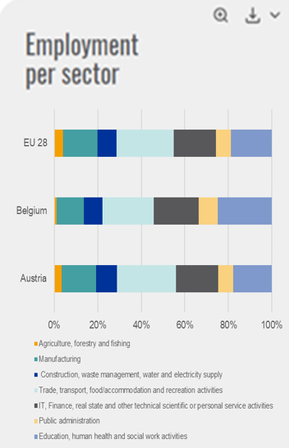
Estonia | 3.47% | 19.37% | 10.97% | 27.92% | 18.27% | 6.02% | 13.98% | 100.00%
Finland | 3.43% | 13.41% | 9.06% | 23.28% | 22.01% | 4.78% | 24.04% | 100.00%
France | 2.58% | 12.66% | 8.25% | 24.31% | 20.47% | 9.27% | 22.46% | 100.00%
Germany | 1.21% | 19.39% | 8.45% | 24.15% | 20.11% | 7.03% | 19.67% | 100.00%
Greece | 11.57% | 9.75% | 5.99% | 34.33% | 15.07% | 9.02% | 14.27% | 100.00%
Hungary | 4.99% | 22.54% | 9.18% | 25.17% | 14.16% | 9.99% | 13.97% | 100.00%
Ireland | 4.21% | 11.77% | 7.42% | 28.30% | 23.27% | 4.57% | 20.46% | 100.00%
Italy | 3.74% | 19.02% | 8.16% | 27.79% | 19.97% | 5.72% | 15.60% | 100.00%
Latvia | 6.94% | 13.67% | 9.70% | 30.17% | 17.66% | 7.24% | 14.63% | 100.00%
Lithuania | 7.41% | 15.66% | 9.69% | 29.59% | 15.12% | 6.13% | 16.40% | 100.00%
Luxembourg | 1.51% | 4.48% | 6.77% | 19.07% | 34.28% | 12.06% | 21.83% | 100.00%
Malta | 0.90% | 12.07% | 7.96% | 31.49% | 21.97% | 7.19% | 18.43% | 100.00%
Netherlands | 2.14% | 10.41% | 6.25% | 27.95% | 23.01% | 6.48% | 23.76% | 100.00%
Poland | 10.07% | 21.14% | 10.85% | 24.35% | 13.46% | 6.69% | 13.44% | 100.00%
Portugal | 4.12% | 17.86% | 8.31% | 28.24% | 16.38% | 6.63% | 18.45% | 100.00%
Romania | 20.41% | 20.02% | 11.32% | 23.60% | 10.37% | 5.08% | 9.20% | 100.00%
Slovakia | 2.69% | 24.83% | 12.56% | 23.70% | 12.64% | 8.90% | 14.69% | 100.00%
Slovenia | 4.67% | 25.66% | 8.00% | 24.30% | 15.01% | 6.30% | 16.06% | 100.00%
Spain | 4.47% | 13.21% | 7.62% | 32.68% | 19.39% | 7.12% | 15.51% | 100.00%
Sweden | 1.55% | 10.33% | 8.06% | 22.49% | 23.90% | 6.76% | 26.91% | 100.00%
United Kingdom | 0.99% | 9.29% | 9.10% | 26.35% | 24.27% | 6.33% | 23.66% | 100.00%
EU 28 | 3.95% | 15.89% | 8.75% | 26.22% | 19.38% | 7.01% | 18.80% | 100.00%
Iceland | 3.68% | 9.83% | 7.45% | 29.36% | 21.66% | 4.32% | 23.70% | 100.00%
Switzerland | 2.81% | 13.06% | 7.98% | 23.34% | 25.77% | 4.75% | 22.28% | 100.00%
Norway | 1.90% | 8.16% | 11.42% | 23.82% | 18.96% | 6.87% | 28.88% | 100.00%

1.2.3 Employment rate
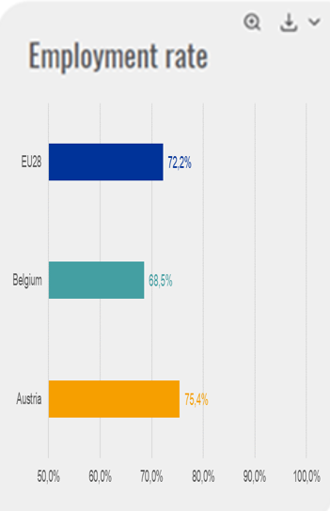
Employment rate
Austria | 75.4%
Belgium | 68.5%
EU28 | 72.2%
Austria | 75.4%
Belgium | 68.5%
Bulgaria | 71.3%
Cyprus | 70.8%
Croatia | 63.6%
Czechia | 78.5%
Denmark | 76.9%
Estonia | 78.7%
Finland | 74.2%
France | 70.6%
Germany | 79.2%
Greece | 57.8%
Hungary | 73.3%
Ireland | 73.0%
Italy | 62.3%
Latvia | 74.8%
Lithuania | 76.0%
Luxembourg | 71.5%
Malta | 73.0%
Netherlands | 78.0%
Poland | 70.9%
Portugal | 73.4%
Romania | 68.8%
Slovakia | 71.1%
Slovenia | 73.4%
Spain | 65.5%
Sweden | 81.8%
United Kingdom | 78.2%
EU28 | 72.2%
Iceland | 87.6%
Switzerland | 82.1%
Norway | 78.3%

1.2.4 Unemployment rate
Austria | 5.5%
Belgium | 7.1%
Bulgaria | 6.2%
Cyprus | 11.1%
Croatia | 11.0%
Czechia | 2.9%
Denmark | 5.7%
Estonia | 5.8%
Finland | 8.6%
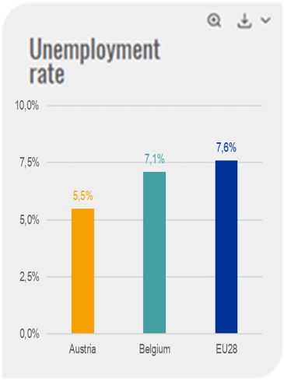
France | 9.4%
Unemployment rate
Austria | 5.5%
Belgium | 7.1%
EU28 | 7.6%
Germany (until 1990 former territory of the FRG) | 3.8%
Greece | 21.5%
Hungary | 4.2%
Ireland | 6.7%
Italy | 11.2%
Latvia | 8.7%
Lithuania | 7.1%
Luxembourg | 5.6%
Malta | 4.0%
Netherlands | 4.9%
Poland | 4.9%
Portugal | 9.0%
Romania | 4.9%
Slovakia | 8.1%
Slovenia | 6.6%
Spain | 17.2%
Sweden | 6.7%
United Kingdom | 4.4%
EU28 | 7.6%
Iceland | 2.8%
Switzerland | #N/A
Norway | 4.2%

1.2.5 GDP per capita in relat
Austria | 140.2
Belgium | 128.9
Bulgaria | 24.3
Cyprus | 75.9
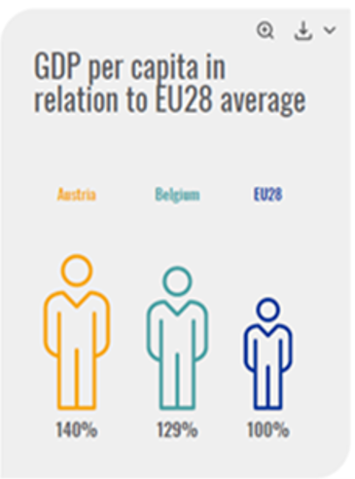
Croatia | 39.4
Czechia | 60.3
Denmark | 169.2
Estonia | 59.8
Finland | 135.4
France | 113.8
Germany | 132.1
Greece | 55.8
Hungary | 42.2
Ireland | 204.1
Italy | 94.9
Latvia | 46.4
Lithuania | 49.8
Luxembourg | 308.6
Malta | 80.4
Netherlands | 143.4
Poland | 40.5
Portugal | 63
Romania | 31.8
Slovakia | 52
Slovenia | 69.4
Spain | 83.5
Sweden | 157.5
United Kingdom | 118
EU28 | 100
Iceland | 210.7
Switzerland
Norway | 223.8

1.2.6 Income per capita
 | 2010 | 2016
Austria | 21058 | 23694
Belgium | 19464 | 22295
Bulgaria | 3017 | 3151
Cyprus | 16180 | 14020
Croatia | 5810 | 5726
Czechia | 7058 | 7838
Denmark | 25668 | 28665
Estonia | 5727 | 8645
Finland | 21349 | 23650
France | 19960 | 21713
Germany | 18797 | 21275
Greece | 11963 | 7500
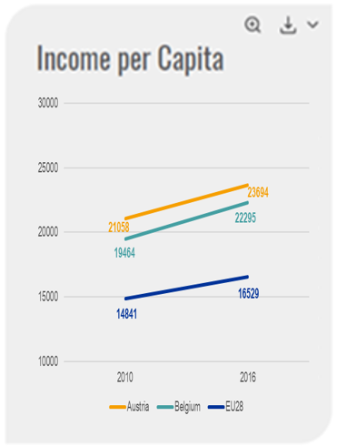
Hungary | 4241 | 4768
Ireland | 20512 | 22407
Italy | 15964 | 16247
Latvia | 4488 | 6365
Income per capita
Lithuania | 4030 | 5645
Luxembourg | 32333 | 33818
Malta | 10435 | 13572
Netherlands | 20292 | 22733
Poland | 4405 | 5884
Portugal | 8678 | 8782
Romania | 2036 | 2448
Slovakia | 6117 | 6951
Slovenia | 11736 | 12327
Spain | 14605 | 13681
Sweden | 18897 | 25164
United Kingdom | 17106 | 21136
EU28 | 14841 | 16529
Iceland | 18320 | 28393
Switzerland | 30666 | 44253
Norway | 32399 | 39573

1.3.1 Median age population
Austria | 43
Belgium | 41.5
Bulgaria | 43.9
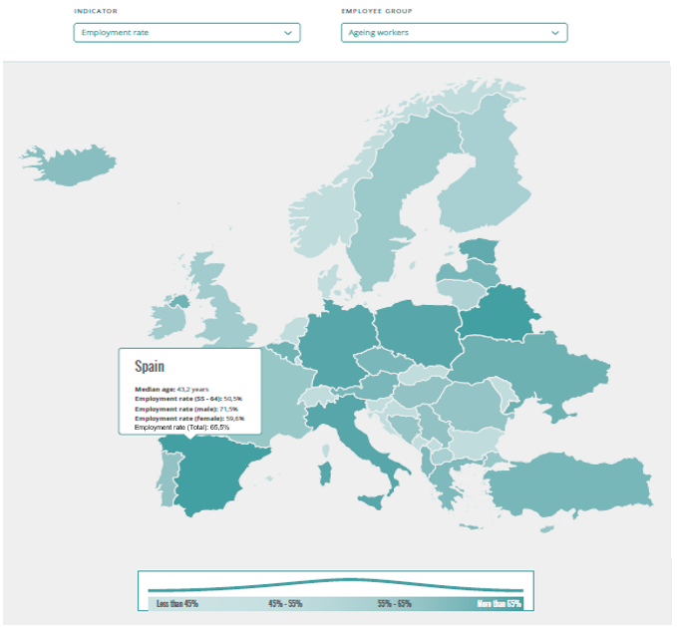
Cyprus | 37.4
Croatia | 43.4
Czechia | 41.9
Denmark | 41.6
Estonia | 41.8
Finland | 42.5
France | 41.4
Germany | 45.9
Greece | 44.2
Hungary | 42.3
Ireland | 36.9
Italy | 45.9
Latvia | 43.1
Lithuania | 43.4
Luxembourg | 39.4
Malta | 40.6
Netherlands | 42.5
Poland | 40.3
Portugal | 44.4
Romania | 41.8
Slovakia | 39.8
Slovenia | 43.5
Spain | 43.2
Sweden | 40.8
United Kingdom | 40
European Union (current composition) | 42.8
Iceland | 36.3
Switzerland | 42.3
Norway | 39.3

2.3 Social Dialogue
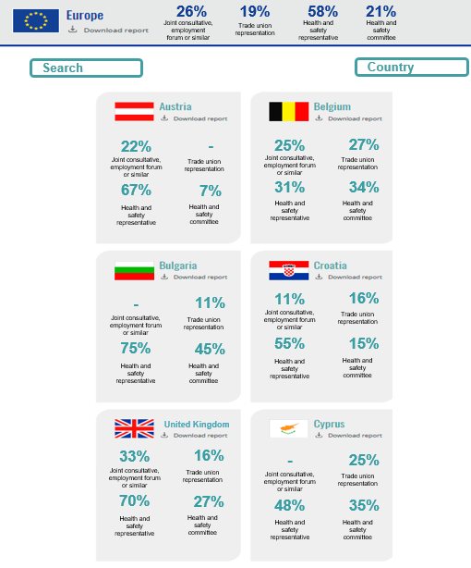
Country | Joint consulation committee | Trade union representation | Health and safety representative | Health and safety committee
AT | 22.20% | #N/A | 67.30% | 7.10%
BE | 25.00% | 27.40% | 30.90% | 33.90%
BG | #N/A | 11.40% | 75.10% | 44.80%
CY | #N/A | 25.10% | 47.60% | 34.70%
CZ | 5.20% | 11.00% | 57.70% | 7.90%
DE | 21.80% | #N/A | 71.90% | 24.50%
DK | 38.60% | 43.50% | 69.00% | 49.90%
EE | #N/A | 6.90% | 62.20% | 18.60%
EL | 9.60% | 7.90% | 17.40% | 10.00%
ES | 34.40% | 25.80% | 50.80% | 19.60%
FI | 29.20% | 36.70% | 59.50% | 33.80%
FR | 39.00% | 22.20% | 25.10% | 25.40%
HR | 11.40% | 16.20% | 55.10% | 15.10%
HU | 9.30% | 8.30% | 44.80% | 2.60%
IE | 35.00% | 19.10% | 66.70% | 30.10%
IT | 26.50% | 19.00% | 87.50% | 10.00%
LT | 20.40% | 9.70% | 78.10% | 12.80%
LU | 40.90% | #N/A | 67.30% | 7.60%
LV | 14.80% | 11.60% | 27.40% | 2.10%
MT | 7.90% | 13.90% | 51.10% | 13.50%
NL | 20.70% | 8.60% | 39.80% | 11.80%
PL | 7.90% | 10.30% | 25.50% | 16.90%
PT | 4.80% | 8.60% | 24.30% | 10.90%
RO | 37.20% | 12.60% | 78.30% | 30.30%
SE | #N/A | 54.00% | 71.10% | 31.50%
SI | 14.10% | 20.20% | 33.50% | #N/A
SK | 39.80% | 16.20% | 63.60% | 23.70%
UK | 33.30% | 16.20% | 69.70% | 26.70%
EuropeanUnion | 26.10% | 19.10% | 58.30% | 21.30%
IS | 4.10% | 54.80% | 49.70% | 20.10%
CH | 22.20% | 8.10% | 35.00% | 12.20%
NO | 10.50% | 70.80% | 82.50% | 31.30%

3.1.1 Non - Fatal work accident
Non fatal work accidents
Non fatal work accidents
 | 2008 | 2009 | 2010 | 2011 | 2012 | 2013 | 2014 | 2015 | 2016
Austria | 93.08% | 81.70% | 100.00% | 89.82% | 85.48% | 82.44% | 83.43% | 78.08% | 80.22%
Belgium | 113.75% | 98.74% | 100.00% | 96.68% | 86.85% | 83.86% | 97.51% | 94.95% | 105.07%
Bulgaria | 130.29% | 106.56% | 100.00% | 96.83% | 97.73% | 92.84% | 96.35% | 98.24% | 93.87%
Cyprus | 108.78% | 102.45% | 100.00% | 92.61% | 80.00% | 70.62% | 74.50% | 73.53% | 87.76%
Croatia | #VALUE! | #VALUE! | 100.00% | 113.99% | 93.70% | 98.37% | 98.03% | 110.43% | 111.43%
Czechia | 152.79% | 102.00% | 100.00% | 65.30% | 63.44% | 67.69% | 64.98% | 65.47% | 69.55%
Denmark | 114.02% | 98.18% | 100.00% | 92.19% | 92.38% | 89.46% | 86.62% | 80.42% | 79.07%
Estonia | 130.09% | 90.23% | 100.00% | 106.64% | 105.24% | 111.14% | 113.17% | 113.32% | 114.36%
Finland | 118.88% | 95.95% | 100.00% | 109.61% | 97.22% | 98.28% | 92.07% | 87.17% | 85.17%
France | 107.48% | 99.49% | 100.00% | 103.17% | 99.00% | 95.69% | 122.20% | 123.29% | 126.42%
Germany | 101.46% | 92.51% | 100.00% | 95.31% | 91.86% | 91.58% | 91.07% | 90.77% | 92.75%
Greece | 156.63% | 128.58% | 100.00% | 87.25% | 71.68% | 62.58% | 22.06% | 24.25% | 25.79%
Hungary | 111.75% | 92.87% | 100.00% | 86.56% | 102.44% | 94.55% | 97.51% | 104.29% | 137.25%
Ireland | 93.70% | 59.04% | 100.00% | 86.80% | 79.22% | 93.55% | 93.89% | 86.46% | 73.02%
Italy | 114.99% | 102.21% | 100.00% | 92.71% | 82.08% | 75.24% | 71.56% | 67.42% | 67.60%
Latvia | 142.68% | 96.65% | 100.00% | 113.22% | 126.03% | 142.85% | 144.35% | 143.01% | 151.46%
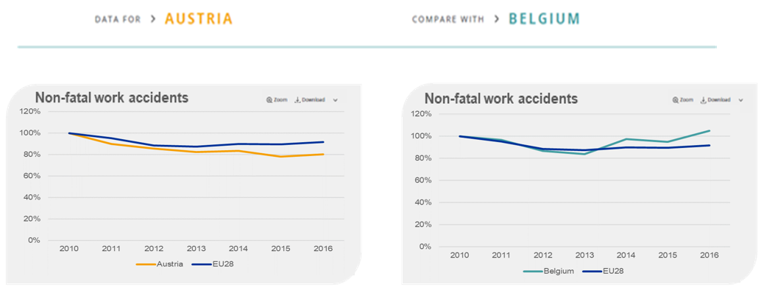
Lithuania | 139.28% | 89.10% | 100.00% | 115.84% | 123.92% | 134.29% | 137.69% | 145.06% | 156.27%
Luxembourg | 116.47% | 98.50% | 100.00% | 102.12% | 102.58% | 101.03% | 102.86% | 105.38% | 102.42%
Malta | 116.79% | 99.89% | 100.00% | 89.39% | 91.93% | 94.55% | 95.67% | 83.21% | 66.09%
Netherlands | 100.61% | 96.90% | 100.00% | 93.23% | 90.40% | 83.17% | 48.07% | 39.80% | 44.35%
Poland | 112.23% | 92.68% | 100.00% | 102.23% | 101.07% | 90.11% | 88.87% | 95.40% | 97.92%
Portugal | 113.11% | 103.71% | 100.00% | 96.65% | 86.88% | 94.52% | 99.91% | 103.15% | 103.66%
Romania | 122.49% | 95.59% | 100.00% | 86.49% | 88.15% | 92.77% | 91.24% | 105.13% | 112.52%
Slovakia | 127.26% | 100.50% | 100.00% | 96.30% | 92.95% | 95.78% | 93.71% | 101.33% | 107.54%
Slovenia | 123.33% | 104.66% | 100.00% | 91.54% | 87.35% | 76.60% | 75.24% | 76.06% | 74.31%
Spain | 139.56% | 108.44% | 100.00% | 90.21% | 72.06% | 74.97% | 78.46% | 83.79% | 87.50%
Sweden | 100.62% | 91.87% | 100.00% | 101.14% | 105.55% | 105.81% | 103.20% | 106.32% | 110.69%
United Kingdom | 101.14% | 105.30% | 100.00% | 97.19% | 90.13% | 96.52% | 96.97% | 93.83% | 89.93%
EU28 | 107.54% | 98.56% | 100.00% | 95.34% | 88.38% | 87.32% | 89.93% | 89.68% | 91.72%
Iceland | #VALUE! | #VALUE! | #VALUE! | #VALUE! | #VALUE! | #VALUE! | #VALUE! | #VALUE! | #VALUE!
Switzerland | 92.99% | 95.94% | 100.00% | 106.34% | 107.87% | 108.65% | 109.04% | 108.16% | 110.35%
Norway | 146.19% | 133.54% | 100.00% | 68.31% | 118.15% | 58.99% | 26.15% | 27.90% | 26.25%

3.1.2 Fatal work accidents
Country | Fatal work accidents
Iceland | 0
Netherlands | 0.61200864186
United Kingdom | 0.72104119182
Greece | 0.76882698212
Sweden | 1.0282502903
Germany | 1.3249617779
Finland | 1.351721164
Belgium | 1.4118551151
Denmark | 1.5856637786
Switzerland | 1.7266638761
Spain | 1.7530087481
EU28 | 1.8827706391
Hungary | 1.9740758923
Norway | 1.9752689899
Slovakia | 2.0181982837
France | 2.192138527
Malta | 2.2067363531
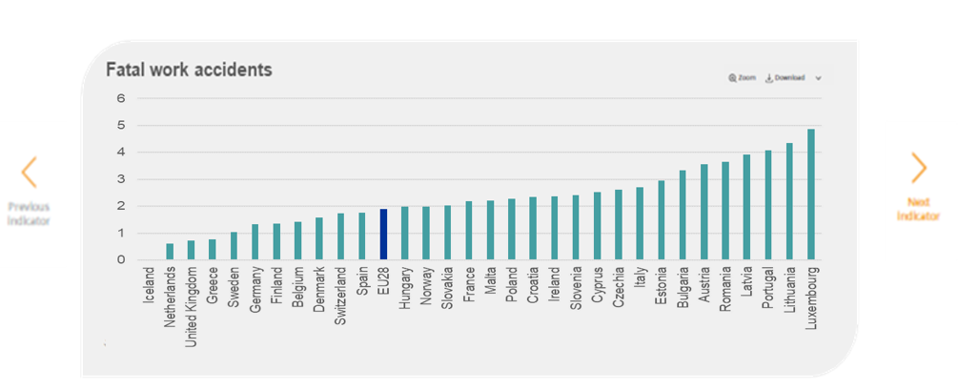
Poland | 2.2659082385
Croatia | 2.3345305285
Ireland | 2.3591451568
Slovenia | 2.4210943346
Cyprus | 2.5331464913
Czechia | 2.6174432715
Italy | 2.7089266491
Estonia | 2.9484366429
Bulgaria | 3.3251114049
Austria | 3.5593237285
Romania | 3.6373810856
Latvia | 3.9092857311
Portugal | 4.0786981349
Lithuania | 4.3543687766
Luxembourg | 4.854368932

3.1.3 Estimation of non - fatal
Estimation of non fatal accidents
Country | Non fatal per 100.000 estimated | Non fatal per 100.000 workers reported
Iceland | 0 | 870.7416062
Netherlands | 671.97798344 | 1866.0905429
United Kingdom | 791.6943862 | 844.46995476
Greece | 844.16259792 | 281.65578821
Sweden | 1129.0062089 | 781.70955475
Germany | 1454.7917836 | 2285.6856024
Finland | 1484.1732613 | 1989.8745304
Belgium | 1550.1996022 | 1397.1378659
Denmark | 1741.0393832 | 2185.1281429
Switzerland | 1895.8557612 | 2003.5484607
Spain | 1924.7821075 | 2318.5314034
EU28 | 2067.2590725 | 1557.6914568
Hungary | 2167.5111208 | 502.18297281
Norway | 2168.8211273 | 1153.5490605
Slovakia | 2215.9569655 | 376.81659407
France | 2406.9412195 | 2402.4311393
Malta | 2422.9694536 | 1506.6202091
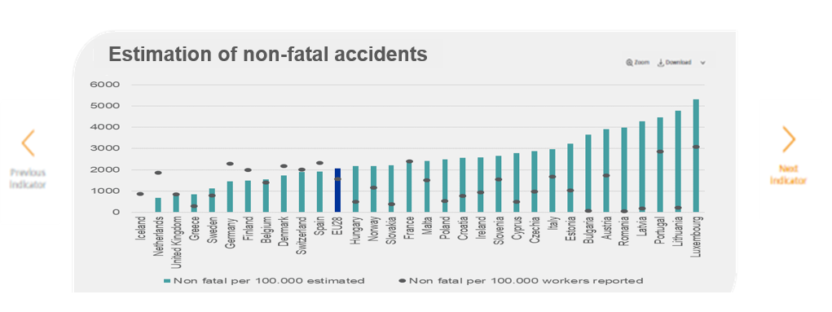
Poland | 2487.9394581 | 539.03092053
Croatia | 2563.2858909 | 769.65110313
Ireland | 2590.312451 | 933.94393561
Slovenia | 2658.3318885 | 1551.6353392
Cyprus | 2781.3637824 | 487.44206101
Czechia | 2873.9206133 | 974.54205097
Italy | 2974.3682401 | 1676.762006
Estonia | 3237.347276 | 1021.3590236
Bulgaria | 3650.9315453 | 76.831877461
Austria | 3908.0938044 | 1729.3514232
Romania | 3993.7998253 | 41.534269239
Latvia | 4292.3477916 | 176.29465652
Portugal | 4478.3605333 | 2869.6153119
Lithuania | 4781.0435173 | 221.91272052
Luxembourg | 5330.0375562 | 3078.6234397

3.1.4 Level of reporting
Country | Level of reporting
Romania | 1%
Bulgaria | 2%
Latvia | 4%
Lithuania | 5%
Slovakia | 17%
Cyprus | 18%
Poland | 22%
Hungary | 23%
Croatia | 30%
Estonia | 32%
Greece | 33%
Czechia | 34%
Ireland | 36%
Austria | 44%
Norway | 53%
Italy | 56%
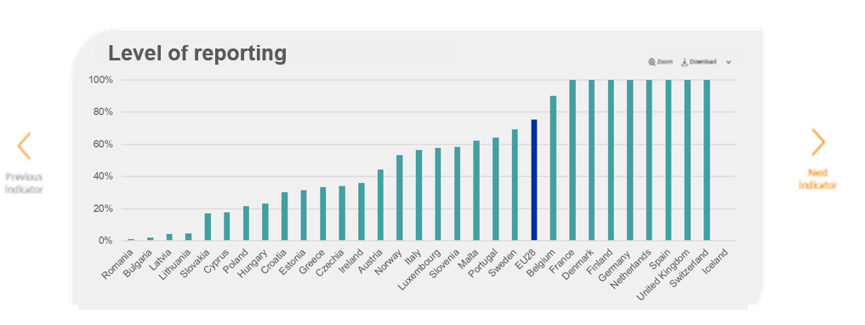
Luxembourg | 58%
Slovenia | 58%
Malta | 62%
Portugal | 64%
Sweden | 69%
EU28 | 75%
Belgium | 90%
France | 100%
Denmark | 100%
Finland | 100%
Germany | 100%
Netherlands | 100%
Spain | 100%
United Kingdom | 100%
Switzerland | 100%
Iceland | #DIV/0!

3.2.1 Satisfaction with working
 | Sum satisfied and very satisfied
Austria | 93%
Belgium | 90%
Bulgaria | 83%
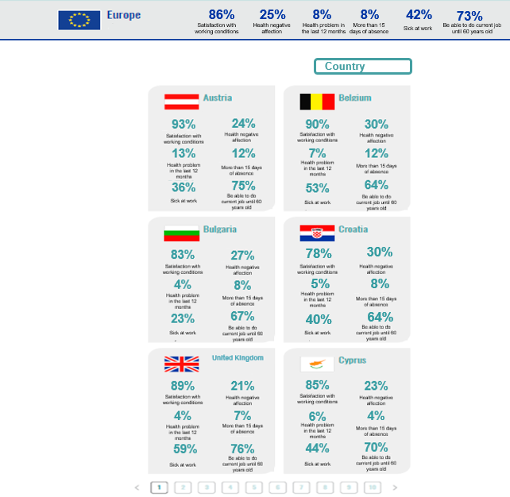
Cyprus | 85%
Czechia | 91%
Germany | 89%
Denmark | 91%
Estonia | 90%
Greece | 77%
Spain | 82%
Finland | 92%
France | 79%
Croatia | 78%
Hungary | 86%
Ireland | 89%
Italy | 82%
Lithuania | 83%
Luxembourg | 84%
Latvia | 82%
Malta | 86%
Netherlands | 92%
Poland | 87%
Portugal | 86%
Romania | 89%
Sweden | 85%
Slovenia | 83%
Slovakia | 83%
United Kingdom | 89%
EU28 | 86%
Iceland | #N/A
Switzerland | 89%
Norway | 94%

3.2.2 Health negative affection
 | Yes, mainly negatively
Austria | 24%
Belgium | 30%
Bulgaria | 27%
Cyprus | 23%
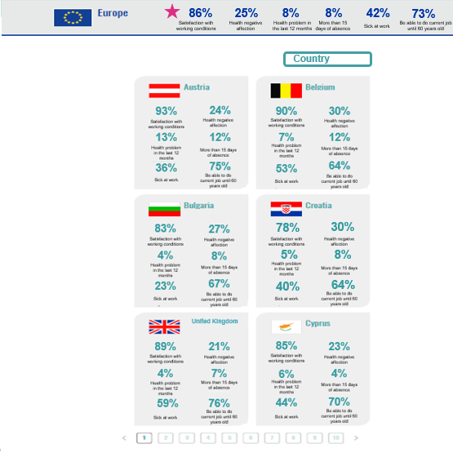
Czechia | 19%
Germany | 21%
Denmark | 26%
Estonia | 35%
Greece | 26%
Spain | 38%
Finland | 25%
France | 35%
Croatia | 30%
Hungary | 20%
Ireland | 18%
Italy | 17%
Lithuania | 37%
Luxembourg | 31%
Latvia | 41%
Malta | 35%
Netherlands | 24%
Poland | 27%
Portugal | 15%
Romania | 21%
Sweden | 29%
Slovenia | 38%
Slovakia | 28%
United Kingdom | 21%
EU28 | 25%
Iceland | #N/A
Switzerland | 15%
Norway | 21%

3.3.1 Sickness abscences
Country | Yes | No
AT | 35.30% | 64.70%
BE | 44.70% | 55.30%
BG | 55.70% | 44.30%
CY | 44.80% | 55.20%
Are sickness abscences routinely analysed with a view to improving the working conditions?
CZ | 29.50% | 70.50%
DE | 46.60% | 53.40%
DK | 62.40% | 37.60%
EE | 18.60% | 81.40%
EL | 38.30% | 61.70%
ES | 59.00% | 41.00%
FI | 59.90% | 40.10%
FR | 41.50% | 58.50%
HR | 30.20% | 69.80%
HU | 23.40% | 76.60%
IE | 45.70% | 54.30%
IT | 51.90% | 48.10%
LT | 39.50% | 60.50%
LU | 35.50% | 64.50%
LV | 32.10% | 67.90%
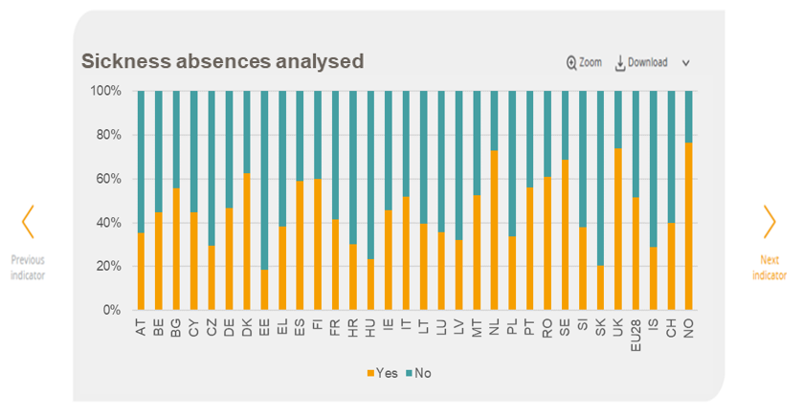
MT | 52.30% | 47.70%
NL | 72.70% | 27.30%
PL | 33.60% | 66.40%
PT | 56.10% | 43.90%
RO | 60.80% | 39.20%
SE | 68.70% | 31.30%
SI | 37.90% | 62.10%
SK | 20.60% | 79.40%
UK | 73.70% | 26.30%
EU28 | 51.40% | 48.60%
IS | 28.90% | 71.10%
CH | 39.80% | 60.20%
NO | 76.50% | 23.50%

3.3.2 Health and safety
Country | Regularly | Only when particular issues arise | Not at all
AT | 45.90% | 49.60% | 4.50%
BE | 59.10% | 36.50% | 4.40%
Health and safety discussed
BG | 54.90% | 42.50% | 2.60%
CY | 55.00% | 39.30% | 5.70%
CZ | 62.70% | 34.80% | 2.50%
DE | 58.70% | 35.00% | 6.30%
DK | 68.30% | 29.00% | 2.70%
EE | 32.30% | 65.50% | 2.20%
EL | 46.80% | 49.00% | 4.20%
ES | 48.30% | 47.20% | 4.50%
FI | 47.10% | 52.10% | 0.80%
FR | 59.00% | 35.40% | 5.60%
HR | 34.70% | 48.60% | 16.70%
HU | 44.60% | 51.70% | 3.70%
IE | 62.70% | 33.80% | 3.50%
IT | 61.70% | 34.70% | 3.50%
LT | 47.00% | 49.30% | 3.70%
LU | 42.70% | 52.00% | 5.20%
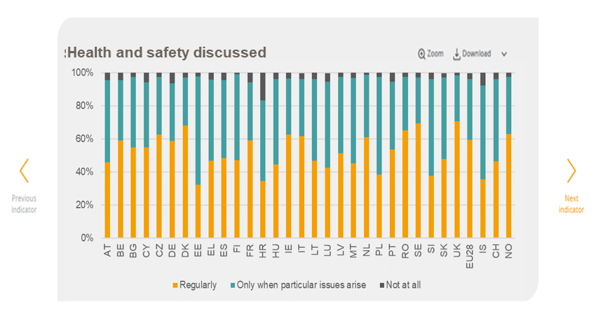
LV | 51.20% | 46.20% | 2.70%
MT | 45.10% | 51.70% | 3.20%
NL | 61.10% | 37.70% | 1.30%
PL | 38.30% | 59.20% | 2.50%
PT | 53.50% | 41.10% | 5.40%
RO | 65.20% | 32.20% | 2.70%
SE | 69.50% | 27.70% | 2.80%
SI | 37.90% | 58.30% | 3.80%
SK | 47.80% | 49.40% | 2.70%
UK | 70.80% | 27.80% | 1.40%
EU28 | 59.30% | 36.80% | 3.80%
IS | 35.50% | 57.00% | 7.60%
CH | 46.50% | 49.60% | 3.90%
NO | 63.10% | 34.60% | 2.40%

3.3.3 Action plan to prevent
Country | Yes | No
AT | 23% | 77%
BE | 37% | 63%
Does your establishment have an action plan to prevent work-related stress?
BG | 34% | 66%
CY | 22% | 78%
CZ | 8% | 92%
DE | 20% | 80%
DK | 52% | 48%
EE | 9% | 91%
EL | 14% | 86%
ES | 33% | 67%
FI | 37% | 63%
FR | 30% | 70%
HR | 9% | 91%
HU | 19% | 81%
IE | 44% | 56%
IT | 50% | 50%
LT | 24% | 76%
LU | 15% | 85%
LV | 21% | 80%
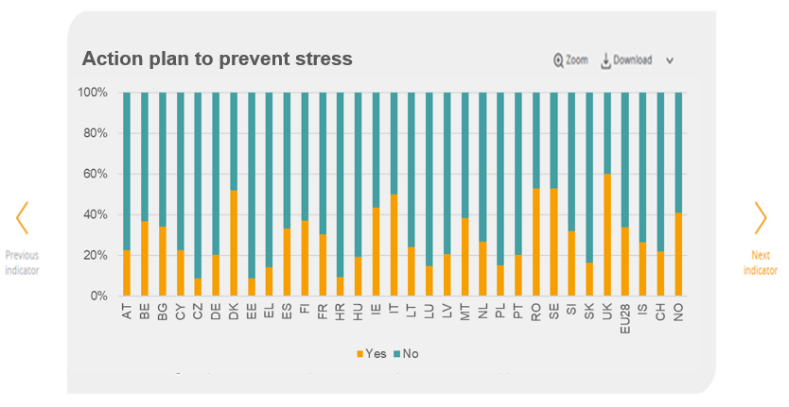
MT | 38% | 62%
NL | 27% | 73%
PL | 15% | 85%
PT | 20% | 80%
RO | 53% | 47%
SE | 53% | 47%
SI | 32% | 68%
SK | 16% | 84%
UK | 60% | 40%
EU28 | 34% | 66%
IS | 26% | 74%
CH | 22% | 78%
NO | 41% | 59%

3.3.4 Procedure against
Country | Yes | No
AT | 32.40% | 67.60%
BE | 82.30% | 17.70%
BG | 16.80% | 83.20%
Is there a procedure in place to deal with possible cases of bullying or harassment?
CY | 29.70% | 70.30%
CZ | 26.40% | 73.60%
DE | 34.90% | 65.10%
DK | 54.90% | 45.10%
EE | 14.60% | 85.40%
EL | 30.40% | 69.60%
ES | 41.80% | 58.20%
FI | 75.40% | 24.60%
FR | 36.40% | 63.60%
HR | 48.60% | 51.40%
HU | 9.30% | 90.70%
IE | 92.70% | 7.30%
IT | 31.80% | 68.20%
LT | 26.90% | 73.10%
LU | 37.40% | 62.60%
LV | 17.60% | 82.40%
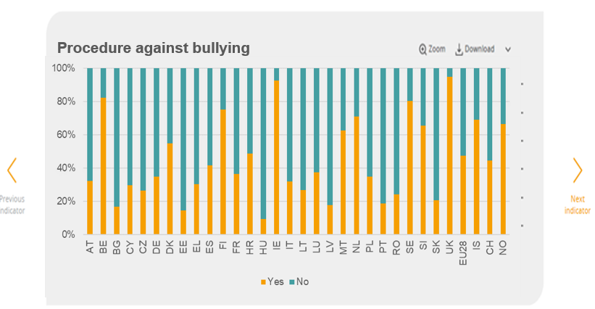
MT | 62.70% | 37.30%
NL | 70.90% | 29.10%
PL | 35.00% | 65.00%
PT | 18.70% | 81.30%
RO | 24.10% | 75.90%
SE | 80.40% | 19.60%
SI | 65.40% | 34.60%
SK | 20.70% | 79.30%
UK | 94.80% | 5.20%
EU28 | 47.40% | 52.60%
IS | 69.10% | 30.90%
CH | 44.50% | 55.50%
NO | 66.60% | 33.40%

3.3.5 Procedures to deal
Is there a procedure to deal with possible cases of threats, abuse or assaults by clients, patients pupils or members in public?
Country | Yes | No
AT | 42.80% | 57.20%
BE | 65.90% | 34.10%
BG | 29.10% | 70.90%
CY | 51.40% | 48.60%
CZ | 42.80% | 57.20%
DE | 46.10% | 53.90%
DK | 65.50% | 34.50%
EE | 36.60% | 63.40%
EL | 47.80% | 52.20%
ES | 45.40% | 54.60%
FI | 74.90% | 25.10%
FR | 53.10% | 46.90%
HR | 50.20% | 49.80%
HU | 21.40% | 78.60%
IE | 81.20% | 18.80%
IT | 31.60% | 68.40%
LT | 40.30% | 59.70%
LU | 34.70% | 65.30%
LV | 41.60% | 58.40%
MT | 59.50% | 40.50%
NL | 71.60% | 28.40%
PL | 33.70% | 66.30%
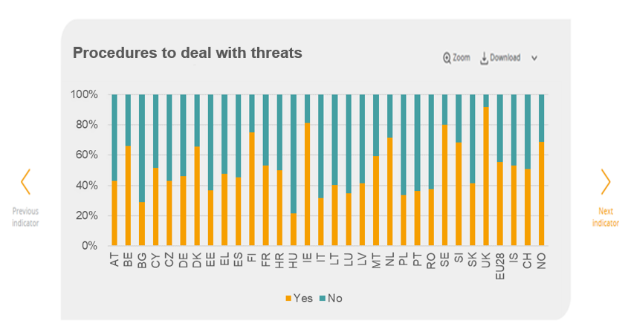
PT | 36.50% | 63.50%
RO | 37.40% | 62.60%
SE | 80.20% | 19.80%
SI | 68.30% | 31.70%
SK | 41.60% | 58.40%
UK | 91.90% | 8.10%
EU28 | 55.50% | 44.50%
IS | 53.00% | 47.00%
CH | 50.90% | 49.10%
NO | 68.60% | 31.40%

3.3.6 Measures in the past
Country | Yes | No
AT | 41.60% | 58.40%
BE | 40.60% | 59.40%
BG | 35.60% | 64.40%
CY | 42.80% | 57.20%
CZ | 18.20% | 81.80%
DE | 41.30% | 58.70%
Measures to prevent psychosocial risks in the last 3 years
DK | 53.60% | 46.40%
EE | 44.30% | 55.70%
EL | 42.00% | 58.00%
ES | 40.70% | 59.30%
FI | 50.80% | 49.20%
FR | 35.80% | 64.20%
HR | 35.80% | 64.20%
HU | 32.30% | 67.70%
IE | 48.90% | 51.10%
IT | 40.90% | 59.10%
LT | 27.30% | 72.70%
LU | 43.70% | 56.30%
LV | 37.70% | 62.30%
MT | 54.50% | 45.50%
NL | 28.10% | 71.90%
PL | 23.30% | 76.70%
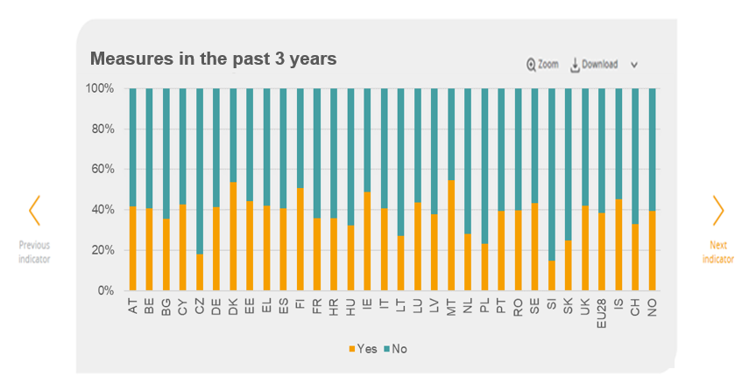
PT | 39.40% | 60.60%
RO | 39.70% | 60.30%
SE | 43.30% | 56.70%
SI | 14.90% | 85.10%
SK | 25.00% | 75.00%
UK | 42.10% | 57.90%
EU28 | 38.50% | 61.50%
IS | 45.30% | 54.70%
CH | 33.00% | 67.00%
NO | 39.40% | 60.60%

3.3.7 Use of PPE
Does your job ever require that you wear personal protective equipment and do you use it?
 | No, not required | Yes, and I always use it | Yes, but I don't always use it
AT | 67% | 30% | 3%
BE | 59% | 37% | 4%
BG | 65% | 32% | 3%
CY | 75% | 24% | 1%
CZ | 54% | 43% | 4%
DE | 72% | 26% | 2%
DK | 58% | 34% | 8%
EE | 53% | 42% | 5%
EL | 73% | 22% | 5%
ES | 60% | 37% | 4%
FI | 45% | 50% | 4%
FR | 55% | 40% | 5%
HR | 60% | 38% | 2%
HU | 60% | 36% | 3%
IE | 54% | 42% | 4%
IT | 68% | 31% | 1%
LT | 66% | 32% | 3%
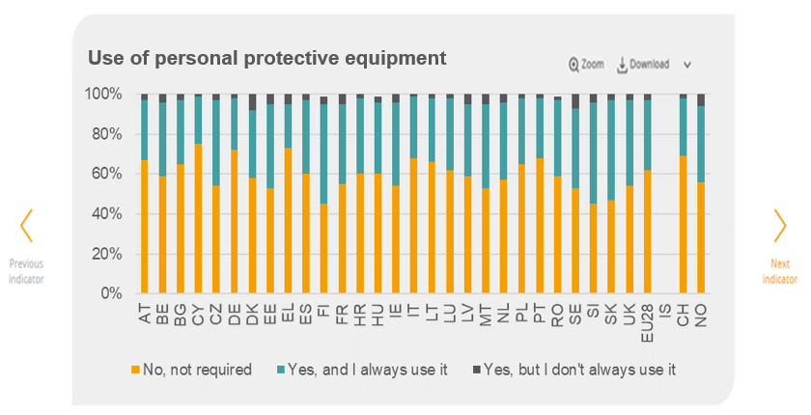
LU | 62% | 36% | 3%
LV | 59% | 36% | 5%
MT | 53% | 42% | 5%
NL | 57% | 39% | 4%
PL | 65% | 33% | 2%
PT | 68% | 30% | 3%
RO | 59% | 38% | 2%
SE | 53% | 40% | 7%
SI | 45% | 51% | 4%
SK | 47% | 50% | 3%
UK | 54% | 43% | 3%
EU28 | 62% | 35% | 3%
IS | #N/A | #N/A | #N/A
CH | 69% | 29% | 3%
NO | 56% | 38% | 6%

3.3.8 Information about risks
How well informed are you about health and safety risks related to your job?
 | (very) Well informed | Not very or not at all well informed
AT | 91% | 9%
BE | 86% | 14%
BG | 96% | 4%
CY | 93% | 7%
CZ | 96% | 4%
DE | 92% | 8%
DK | 90% | 10%
EE | 94% | 6%
EL | 87% | 13%
ES | 89% | 11%
FI | 89% | 11%
FR | 79% | 21%
HR | 90% | 10%
HU | 92% | 8%
IE | 94% | 6%
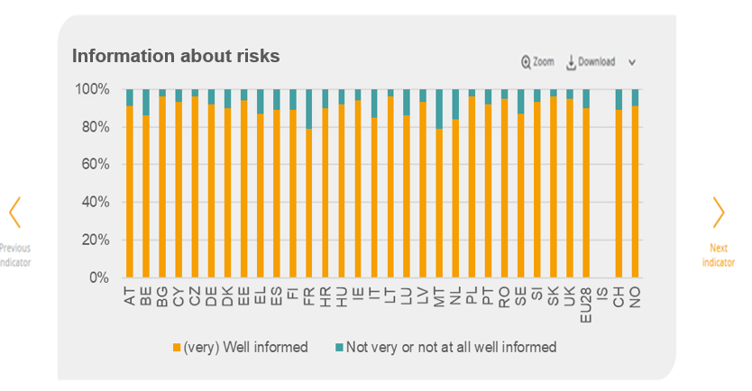
IT | 85% | 15%
LT | 96% | 4%
LU | 86% | 14%
LV | 93% | 7%
MT | 79% | 21%
NL | 84% | 16%
PL | 96% | 4%
PT | 92% | 8%
RO | 95% | 5%
SE | 87% | 13%
SI | 93% | 7%
SK | 96% | 4%
UK | 95% | 5%
EU28 | 90% | 10%
IS | #N/A | #N/A
CH | 89% | 11%
NO | 91% | 9%

3.4.1 Job satisfaction
 |  |  | Not at all satisfied | Not very satisfied | Satisfied | Very satisfied
1 | AUSTRIA | AT | 1% | 6% | 52% | 41%
2 | BELGIUM | BE | 3% | 8% | 61% | 29%
How satisfied are you with working conditions in your main paid job?
3 | BULGARIA | BG | 2% | 15% | 57% | 26%
4 | CYPRUS | CY | 2% | 14% | 54% | 31%
5 | CZECH REPUBLIC | CZ | 1% | 8% | 59% | 32%
6 | GERMANY | DE | 1% | 10% | 59% | 30%
7 | DENMARK | DK | 1% | 8% | 44% | 47%
8 | ESTONIA | EE | 2% | 8% | 74% | 16%
9 | GREECE | EL | 4% | 19% | 54% | 23%
10 | SPAIN | ES | 4% | 14% | 58% | 24%
11 | FINLAND | FI | 0% | 8% | 64% | 28%
12 | FRANCE | FR | 4% | 16% | 58% | 21%
13 | CROATIA | HR | 4% | 17% | 55% | 23%
14 | HUNGARY | HU | 3% | 11% | 68% | 18%
15 | IRELAND | IE | 2% | 9% | 51% | 38%
16 | ITALY | IT | 5% | 13% | 64% | 18%
17 | LITHUANIA | LT | 1% | 16% | 64% | 19%
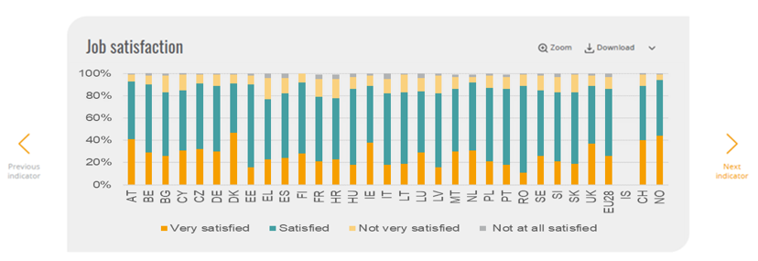
18 | LUXEMBOURG | LU | 4% | 12% | 55% | 29%
19 | LATVIA | LV | 2% | 16% | 66% | 16%
20 | MALTA | MT | 2% | 11% | 56% | 30%
21 | NETHERLANDS | NL | 2% | 5% | 61% | 31%
22 | POLAND | PL | 2% | 11% | 66% | 21%
23 | PORTUGAL | PT | 2% | 11% | 68% | 18%
24 | ROMANIA | RO | 1% | 10% | 78% | 11%
25 | SWEDEN | SE | 2% | 13% | 59% | 26%
26 | SLOVENIA | SI | 3% | 14% | 62% | 21%
27 | SLOVAKIA | SK | 1% | 16% | 64% | 19%
28 | UNITED KINGDOM | UK | 2% | 9% | 52% | 37%
29 | EU | EU28 | 3% | 11% | 60% | 26%
30 | ICELAND | IS | #N/A | #N/A | #N/A | #N/A
31 | SWITZERLAND | CH | 2% | 10% | 49% | 40%
32 | NORWAY | NO | 1% | 5% | 50% | 44%

3.4.2 Health at risk
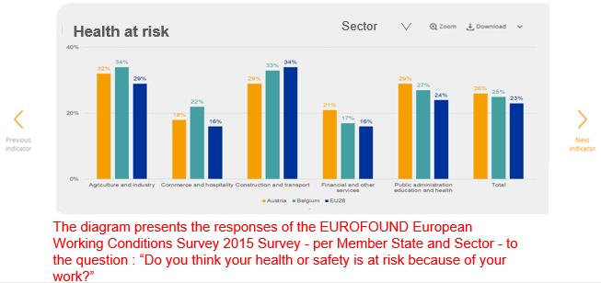
Do you think your health or safety is at risk because of your work?
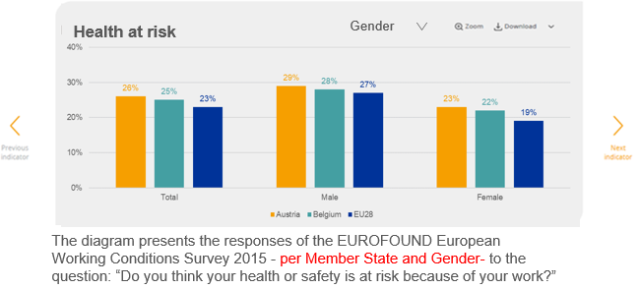
 | Total | Male | Female |  | 35-49 | 50 and over | Under 35 | Total |  | Agriculture and industry | Commerce and hospitality | Construction and transport | Financial and other services | Public administration education and health | Total
Austria | 26% | 29% | 23% | Austria | 26% | 27% | 24% | 26% | Austria | 32% | 18% | 29% | 21% | 29% | 26%
Belgium | 25% | 28% | 22% | Belgium | 28% | 24% | 22% | 25% | Belgium | 34% | 22% | 33% | 17% | 27% | 25%
Bulgaria | 27% | 34% | 19% | Bulgaria | 30% | 26% | 22% | 27% | Bulgaria | 30% | 15% | 51% | 14% | 28% | 27%
Cyprus | 22% | 29% | 15% | Cyprus | 21% | 30% | 18% | 22% | Cyprus | 40% | 15% | 34% | 15% | 20% | 22%
Czechia | 14% | 19% | 9% | Czechia | 14% | 12% | 16% | 14% | Czechia | 20% | 7% | 27% | 6% | 8% | 14%
Germany | 18% | 22% | 15% | Germany | 21% | 18% | 15% | 18% | Germany | 24% | 11% | 26% | 10% | 23% | 18%
Denmark | 20% | 21% | 19% | Denmark | 18% | 22% | 21% | 20% | Denmark | 18% | 18% | 39% | 16% | 19% | 20%
Estonia | 33% | 36% | 29% | Estonia | 33% | 35% | 30% | 33% | Estonia | 37% | 30% | 44% | 17% | 35% | 33%
Greece | 24% | 28% | 18% | Greece | 24% | 29% | 18% | 24% | Greece | 35% | 19% | 43% | 20% | 12% | 24%
Spain | 36% | 41% | 30% | Spain | 38% | 37% | 29% | 36% | Spain | 41% | 28% | 54% | 28% | 39% | 36%
Finland | 25% | 24% | 27% | Finland | 28% | 23% | 25% | 25% | Finland | 29% | 22% | 32% | 18% | 28% | 25%
France | 34% | 37% | 31% | France | 38% | 31% | 33% | 34% | France | 40% | 31% | 45% | 28% | 33% | 34%
Croatia | 28% | 35% | 21% | Croatia | 32% | 30% | 21% | 28% | Croatia | 38% | 19% | 39% | 17% | 25% | 28%
Hungary | 19% | 24% | 14% | Hungary | 19% | 21% | 16% | 19% | Hungary | 22% | 8% | 37% | 11% | 21% | 19%
Do you think your health or safety is at risk because of your work?
Ireland | 21% | 27% | 15% | Ireland | 21% | 20% | 23% | 21% | Ireland | 24% | 16% | 40% | 11% | 25% | 21%
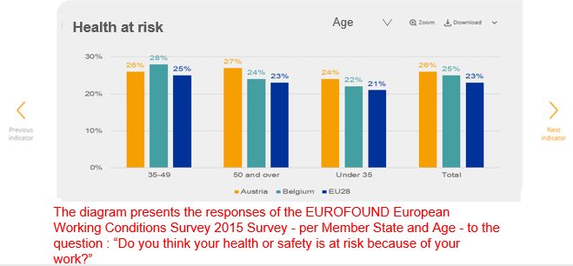
Italy | 13% | 16% | 10% | Italy | 13% | 15% | 10% | 13% | Italy | 18% | 11% | 21% | 8% | 12% | 13%
Lithuania | 28% | 37% | 20% | Lithuania | 29% | 33% | 20% | 28% | Lithuania | 42% | 13% | 46% | 19% | 23% | 28%
Luxembourg | 27% | 28% | 27% | Luxembourg | 29% | 22% | 28% | 27% | Luxembourg | 39% | 26% | 38% | 24% | 24% | 27%
Latvia | 34% | 42% | 27% | Latvia | 36% | 30% | 37% | 34% | Latvia | 43% | 29% | 48% | 22% | 29% | 34%
Malta | 27% | 32% | 20% | Malta | 26% | 31% | 26% | 27% | Malta | 33% | 11% | 53% | 18% | 32% | 27%
Netherlands | 19% | 23% | 16% | Netherlands | 23% | 17% | 19% | 19% | Netherlands | 24% | 12% | 22% | 17% | 23% | 19%
Poland | 21% | 29% | 13% | Poland | 26% | 20% | 17% | 21% | Poland | 29% | 9% | 33% | 14% | 16% | 21%
Portugal | 13% | 15% | 12% | Portugal | 11% | 12% | 19% | 13% | Portugal | 15% | 12% | 14% | 12% | 14% | 13%
Romania | 22% | 24% | 20% | Romania | 23% | 21% | 24% | 22% | Romania | 26% | 12% | 33% | 17% | 21% | 22%
Sweden | 47% | 49% | 44% | Sweden | 43% | 46% | 53% | 47% | Sweden | 50% | 38% | 71% | 34% | 50% | 47%
Slovenia | 36% | 40% | 31% | Slovenia | 39% | 36% | 30% | 36% | Slovenia | 44% | 34% | 41% | 22% | 32% | 36%
Slovakia | 25% | 29% | 20% | Slovakia | 26% | 25% | 23% | 25% | Slovakia | 30% | 12% | 38% | 20% | 23% | 25%
United Kingdom | 18% | 21% | 14% | United Kingdom | 18% | 22% | 13% | 18% | United Kingdom | 28% | 11% | 27% | 10% | 20% | 18%
EU28 | 23% | 27% | 19% | EU28 | 25% | 23% | 21% | 23% | EU28 | 29% | 16% | 34% | 16% | 24% | 23%
Iceland | #N/A | #N/A | #N/A | Iceland | #N/A | #N/A | #N/A | #N/A | Iceland | #N/A | #N/A | #N/A | #N/A | #N/A | #N/A
Switzerland | 15% | 18% | 13% | Switzerland | 15% | 17% | 14% | 15% | Switzerland | 28% | 8% | 22% | 11% | 15% | 15%
Norway | 15% | 17% | 14% | Norway | 16% | 15% | 15% | 15% | Norway | 17% | 13% | 27% | 8% | 16% | 15%
Do you think your health or safety is at risk because of your work?

3.4.3 Time pressure
Does your work involve working to tight deadlines?
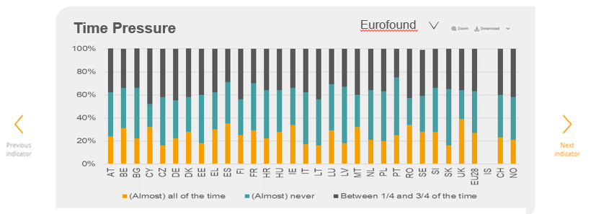
 | (Almost) all of the time | (Almost) never | Between 1/4 and 3/4 of the time | Country | Yes | No
AT | 24% | 38% | 39% | AT | 54.80% | 45.20%
BE | 31% | 35% | 34% | BE | 54.00% | 46.00%
BG | 22% | 44% | 35% | BG | 29.40% | 70.60%
CY | 32% | 20% | 49% | CY | 43.60% | 56.40%
CZ | 16% | 42% | 42% | CZ | 28.40% | 71.60%
DE | 22% | 33% | 45% | DE | 55.80% | 44.20%
DK | 28% | 30% | 43% | DK | 72.50% | 27.50%
EE | 18% | 42% | 40% | EE | 49.20% | 50.80%
EL | 30% | 32% | 38% | EL | 46.60% | 53.40%
ES | 35% | 36% | 29% | ES | 31.20% | 68.80%
FI | 25% | 31% | 44% | FI | 74.20% | 25.80%
FR | 29% | 41% | 30% | FR | 41.00% | 59.00%
HR | 22% | 42% | 36% | HR | 41.00% | 59.00%
HU | 28% | 36% | 36% | HU | 28.90% | 71.10%
Time pressure
 | Yes | No
AT | 0.548 | 0.452
BE | 0.54 | 0.46
BG | 0.294 | 0.706
CY | 0.436 | 0.564
CZ | 0.284 | 0.716
DE | 0.558 | 0.442
DK | 0.725 | 0.275
EE | 0.492 | 0.508
EL | 0.466 | 0.534
ES | 0.312 | 0.688
FI | 0.742 | 0.258
FR | 0.41 | 0.59
HR | 0.41 | 0.59
HU | 0.289 | 0.711
IE | 0.43 | 0.57
IT | 0.201 | 0.799
LT | 0.159 | 0.841
LU | 0.474 | 0.526
LV | 0.378 | 0.622
MT | 0.492 | 0.508
NL | 0.62 | 0.38
PL | 0.388 | 0.612
PT | 0.401 | 0.599
RO | 0.275 | 0.725
SE | 0.736 | 0.264
SI | 0.392 | 0.608
SK | 0.339 | 0.661
UK | 0.414 | 0.586
EU28 | 0.425 | 0.575
IS | 0.711 | 0.289
CH | 0.487 | 0.513
NO | 0.711 | 0.289
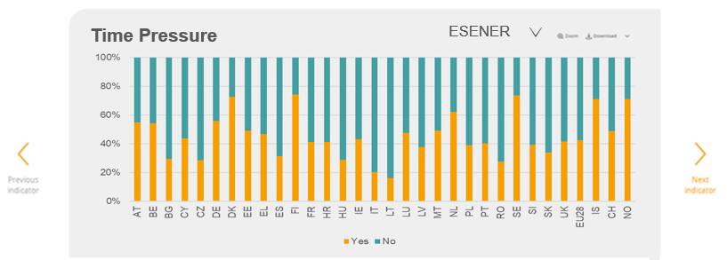
IE | 34% | 32% | 34% | IE | 43.00% | 57.00%
IT | 17% | 45% | 38% | IT | 20.10% | 79.90%
LT | 16% | 40% | 44% | LT | 15.90% | 84.10%
LU | 29% | 40% | 31% | LU | 47.40% | 52.60%
LV | 18% | 49% | 33% | LV | 37.80% | 62.20%
MT | 32% | 28% | 40% | MT | 49.20% | 50.80%
NL | 21% | 43% | 36% | NL | 62.00% | 38.00%
PL | 20% | 43% | 37% | PL | 38.80% | 61.20%
PT | 25% | 50% | 25% | PT | 40.10% | 59.90%
RO | 34% | 23% | 43% | RO | 27.50% | 72.50%
SE | 28% | 31% | 40% | SE | 73.60% | 26.40%
SI | 28% | 38% | 34% | SI | 39.20% | 60.80%
SK | 16% | 49% | 35% | SK | 33.90% | 66.10%
UK | 39% | 25% | 36% | UK | 41.40% | 58.60%
EU28 | 27% | 36% | 37% | EU28 | 42.50% | 57.50%
IS | #N/A | #N/A | #N/A | IS | 71.10% | 28.90%
CH | 23% | 37% | 40% | CH | 48.70% | 51.30%
NO | 21% | 37% | 42% | NO | 71.10% | 28.90%

3.4.4 Poor communication
Level of fairness, cooperation and trust
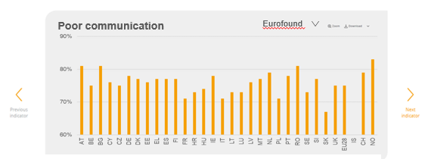
 | Mean | Country | Yes | No
AT | 81% | AT | 15.30% | 84.70%
BE | 75% | BE | 25.70% | 74.30%
BG | 81% | BG | 4.60% | 95.40%
CY | 76% | CY | 8.20% | 91.80%
CZ | 75% | CZ | 7.30% | 92.70%
DE | 78% | DE | 17.30% | 82.70%
DK | 77% | DK | 28.50% | 71.50%
EE | 76% | EE | 15.30% | 84.70%
EL | 77% | EL | 10.90% | 89.10%
ES | 77% | ES | 19.40% | 80.60%
FI | 77% | FI | 27.00% | 73.00%
FR | 71% | FR | 20.30% | 79.70%
HR | 73% | HR | 12.50% | 87.50%
HU | 74% | HU | 8.90% | 91.10%
Poor communication or cooperation
 | Yes | No
AT | 0.153 | 0.847
BE | 0.257 | 0.743
BG | 0.046 | 0.954
CY | 0.082 | 0.918
CZ | 0.073 | 0.927
DE | 0.173 | 0.827
DK | 0.285 | 0.715
EE | 0.153 | 0.847
EL | 0.109 | 0.891
ES | 0.194 | 0.806
FI | 0.27 | 0.73
FR | 0.203 | 0.797
HR | 0.125 | 0.875
HU | 0.089 | 0.911
IE | 0.166 | 0.834
IT | 0.089 | 0.911
LT | 0.036 | 0.964
LU | 0.196 | 0.804
LV | 0.084 | 0.916
MT | 0.131 | 0.869
NL | 0.222 | 0.778
PL | 0.089 | 0.911
PT | 0.147 | 0.853
RO | 0.078 | 0.922
SE | 0.361 | 0.639
SI | 0.097 | 0.903
SK | 0.085 | 0.915
UK | 0.21 | 0.79
EU28 | 0.167 | 0.833
IS | 0.082 | 0.918
CH | 0.159 | 0.841
NO | 0.22 | 0.78
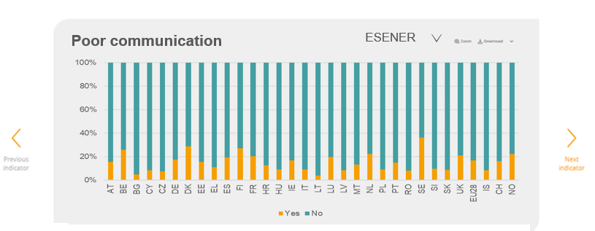
IE | 78% | IE | 16.60% | 83.40%
IT | 71% | IT | 8.90% | 91.10%
LT | 73% | LT | 3.60% | 96.40%
LU | 73% | LU | 19.60% | 80.40%
LV | 76% | LV | 8.40% | 91.60%
MT | 77% | MT | 13.10% | 86.90%
NL | 79% | NL | 22.20% | 77.80%
PL | 71% | PL | 8.90% | 91.10%
PT | 78% | PT | 14.70% | 85.30%
RO | 81% | RO | 7.80% | 92.20%
SE | 73% | SE | 36.10% | 63.90%
SI | 77% | SI | 9.70% | 90.30%
SK | 67% | SK | 8.50% | 91.50%
UK | 75% | UK | 21.00% | 79.00%
EU28 | 75% | EU28 | 16.70% | 83.30%
IS | #N/A | IS | 8.20% | 91.80%
CH | 79% | CH | 15.90% | 84.10%
NO | 83% | NO | 22.00% | 78.00%

3.4.5 Influence
Can you influence the decisions that are important for your work?
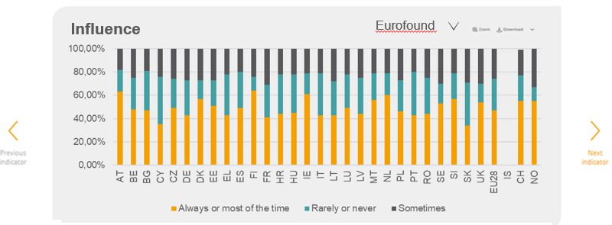
 | Always or most of the time | Rarely or never | Sometimes | Country | Yes | No
AT | 63% | 19% | 18% | AT | 14.10% | 85.90%
BE | 48% | 27% | 25% | BE | 13.20% | 86.80%
BG | 47% | 34% | 19% | BG | 14.30% | 85.70%
CY | 35% | 41% | 24% | CY | 5.30% | 94.70%
CZ | 49% | 25% | 26% | CZ | 9.70% | 90.30%
DE | 43% | 30% | 27% | DE | 16.60% | 83.40%
DK | 57% | 16% | 28% | DK | 20.10% | 79.90%
EE | 51% | 22% | 27% | EE | 16.70% | 83.30%
EL | 43% | 35% | 22% | EL | 4.50% | 95.50%
ES | 49% | 31% | 20% | ES | 13.60% | 86.40%
FI | 64% | 12% | 24% | FI | 17.60% | 82.40%
FR | 41% | 28% | 31% | FR | 13.10% | 86.90%
HR | 44% | 34% | 22% | HR | 15.90% | 84.10%
HU | 45% | 33% | 22% | HU | 13.80% | 86.20%
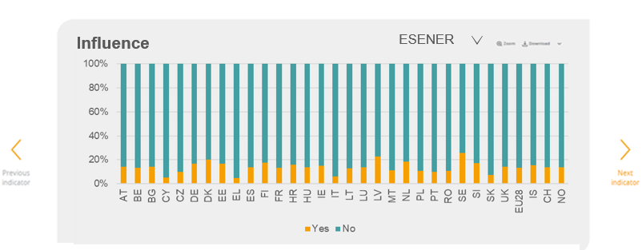
IE | 61% | 18% | 22% | IE | 15.00% | 85.00%
Lack of influence over their work pace or work processes
 | Yes | No
AT | 0.141 | 0.859
BE | 0.132 | 0.868
BG | 0.143 | 0.857
CY | 0.053 | 0.947
CZ | 0.097 | 0.903
DE | 0.166 | 0.834
DK | 0.201 | 0.799
EE | 0.167 | 0.833
EL | 0.045 | 0.955
ES | 0.136 | 0.864
FI | 0.176 | 0.824
FR | 0.131 | 0.869
HR | 0.159 | 0.841
HU | 0.138 | 0.862
IE | 0.15 | 0.85
IT | 0.058 | 0.942
LT | 0.127 | 0.873
LU | 0.136 | 0.864
LV | 0.226 | 0.774
MT | 0.11 | 0.89
NL | 0.184 | 0.816
PL | 0.108 | 0.892
PT | 0.099 | 0.901
RO | 0.105 | 0.895
SE | 0.255 | 0.745
SI | 0.173 | 0.827
SK | 0.074 | 0.926
UK | 0.142 | 0.858
EU28 | 0.134 | 0.866
IS | 0.155 | 0.845
CH | 0.137 | 0.863
NO | 0.138 | 0.862
IT | 43% | 36% | 21% | IT | 5.80% | 94.20%
LT | 43% | 29% | 28% | LT | 12.70% | 87.30%
LU | 49% | 29% | 22% | LU | 13.60% | 86.40%
LV | 44% | 31% | 25% | LV | 22.60% | 77.40%
MT | 56% | 23% | 21% | MT | 11.00% | 89.00%
NL | 60% | 19% | 21% | NL | 18.40% | 81.60%
PL | 46% | 27% | 27% | PL | 10.80% | 89.20%
PT | 43% | 37% | 20% | PT | 9.90% | 90.10%
RO | 44% | 31% | 25% | RO | 10.50% | 89.50%
SE | 53% | 17% | 30% | SE | 25.50% | 74.50%
SI | 57% | 22% | 21% | SI | 17.30% | 82.70%
SK | 34% | 37% | 29% | SK | 7.40% | 92.60%
UK | 54% | 16% | 30% | UK | 14.20% | 85.80%
EU28 | 47% | 27% | 26% | EU28 | 13.40% | 86.60%
IS | #N/A | #N/A | #N/A | IS | 15.50% | 84.50%
CH | 55% | 22% | 22% | CH | 13.70% | 86.30%
NO | 55% | 12% | 34% | NO | 13.80% | 86.20%

3.4.6 Job Insecurity
I might lose my jo in the next 6 months
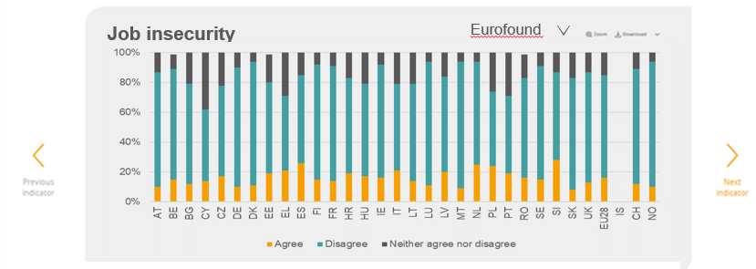
 | Agree | Disagree | Neither agree nor disagree | Country | Yes | No
AT | 10% | 77% | 13% | AT | 8% | 92%
BE | 15% | 74% | 10% | BE | 12% | 88%
BG | 12% | 67% | 21% | BG | 17% | 83%
CY | 14% | 48% | 38% | CY | 21% | 80%
CZ | 17% | 61% | 22% | CZ | 29% | 71%
DE | 10% | 80% | 10% | DE | 9% | 91%
DK | 11% | 83% | 6% | DK | 26% | 74%
EE | 19% | 61% | 19% | EE | 28% | 72%
EL | 21% | 50% | 29% | EL | 20% | 80%
ES | 26% | 59% | 15% | ES | 15% | 85%
FI | 15% | 77% | 8% | FI | 33% | 67%
FR | 14% | 77% | 9% | FR | 11% | 89%
HR | 19% | 64% | 18% | HR | 32% | 68%
HU | 17% | 62% | 22% | HU | 13% | 87%
Job insegurity
 | Yes | No
AT | 0.084 | 0.916
BE | 0.119 | 0.881
BG | 0.172 | 0.828
CY | 0.205 | 0.795
CZ | 0.289 | 0.711
DE | 0.093 | 0.907
DK | 0.256 | 0.744
EE | 0.281 | 0.719
EL | 0.198 | 0.802
ES | 0.152 | 0.848
FI | 0.328 | 0.672
FR | 0.109 | 0.891
HR | 0.317 | 0.683
HU | 0.127 | 0.873
IE | 0.163 | 0.837
IT | 0.203 | 0.797
LT | 0.104 | 0.896
LU | 0.109 | 0.891
LV | 0.279 | 0.721
MT | 0.057 | 0.943
NL | 0.242 | 0.758
PL | 0.165 | 0.835
PT | 0.299 | 0.701
RO | 0.152 | 0.848
SE | 0.191 | 0.809
SI | 0.162 | 0.838
SK | 0.173 | 0.827
UK | 0.157 | 0.843
EU28 | 0.156 | 0.844
IS | 0.138 | 0.862
CH | 0.107 | 0.893
NO | 0.117 | 0.883
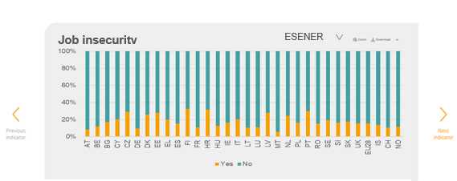
IE | 16% | 76% | 8% | IE | 16% | 84%
IT | 21% | 58% | 21% | IT | 20% | 80%
LT | 14% | 65% | 21% | LT | 10% | 90%
LU | 11% | 83% | 6% | LU | 11% | 89%
LV | 20% | 64% | 16% | LV | 28% | 72%
MT | 9% | 85% | 6% | MT | 6% | 94%
NL | 25% | 69% | 6% | NL | 24% | 76%
PL | 24% | 50% | 26% | PL | 17% | 84%
PT | 19% | 52% | 29% | PT | 30% | 70%
RO | 16% | 67% | 16% | RO | 15% | 85%
SE | 15% | 76% | 9% | SE | 19% | 81%
SI | 28% | 59% | 14% | SI | 16% | 84%
SK | 8% | 75% | 17% | SK | 17% | 83%
UK | 13% | 74% | 14% | UK | 16% | 84%
EU28 | 16% | 69% | 15% | EU28 | 16% | 84%
IS | #N/A | #N/A | #N/A | IS | 14% | 86%
CH | 12% | 77% | 11% | CH | 11% | 89%
NO | 10% | 84% | 6% | NO | 12% | 88%

3.4.7 Difficult clients
Does your work involve handling angry clients?
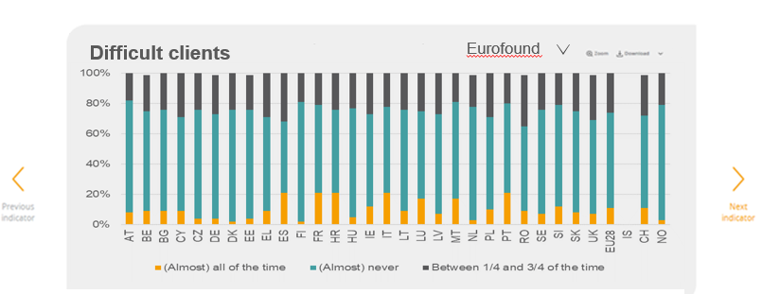
 |  | (Almost) all of the time | (Almost) never | Between 1/4 and 3/4 of the time | Country | Yes | No
1 | AT | 8% | 74% | 18% | AT | 59% | 41%
2 | BE | 9% | 66% | 24% | BE | 66% | 35%
3 | BG | 9% | 67% | 24% | BG | 51% | 49%
4 | CY | 9% | 62% | 29% | CY | 69% | 31%
5 | CZ | 4% | 72% | 24% | CZ | 49% | 51%
6 | DE | 4% | 69% | 26% | DE | 63% | 37%
7 | DK | 2% | 74% | 24% | DK | 67% | 33%
8 | EE | 4% | 72% | 23% | EE | 70% | 30%
9 | EL | 9% | 62% | 29% | EL | 56% | 44%
10 | ES | 21% | 47% | 32% | ES | 50% | 50%
11 | FI | 2% | 79% | 19% | FI | 51% | 49%
12 | FR | 21% | 58% | 22% | FR | 70% | 30%
13 | HR | 21% | 55% | 24% | HR | 52% | 48%
14 | HU | 5% | 72% | 23% | HU | 44% | 56%
Having to deal with difficult customers, patients, pupils...
 | Yes | No
AT | 0.59 | 0.41
BE | 0.655 | 0.345
BG | 0.514 | 0.486
CY | 0.686 | 0.314
CZ | 0.491 | 0.509
DE | 0.629 | 0.371
DK | 0.674 | 0.326
EE | 0.699 | 0.301
EL | 0.556 | 0.444
ES | 0.498 | 0.502
FI | 0.51 | 0.49
FR | 0.698 | 0.302
HR | 0.516 | 0.484
HU | 0.443 | 0.557
IE | 0.685 | 0.315
IT | 0.367 | 0.633
LT | 0.386 | 0.614
LU | 0.626 | 0.374
LV | 0.589 | 0.411
MT | 0.78 | 0.22
NL | 0.576 | 0.424
PL | 0.503 | 0.497
PT | 0.663 | 0.337
RO | 0.56 | 0.44
SE | 0.567 | 0.433
SI | 0.64 | 0.36
SK | 0.4 | 0.6
UK | 0.652 | 0.348
EU28 | 0.574 | 0.426
IS | 0.566 | 0.434
CH | 0.514 | 0.486
NO | 0.639 | 0.361
15 | IE | 12% | 61% | 27% | IE | 69% | 31%
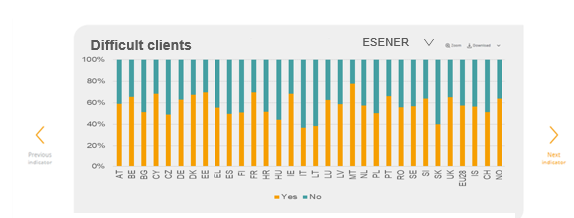
16 | IT | 21% | 57% | 22% | IT | 37% | 63%
17 | LT | 9% | 67% | 24% | LT | 39% | 61%
18 | LU | 17% | 58% | 25% | LU | 63% | 37%
19 | LV | 7% | 66% | 27% | LV | 59% | 41%
20 | MT | 17% | 64% | 20% | MT | 78% | 22%
21 | NL | 3% | 75% | 21% | NL | 58% | 42%
22 | PL | 10% | 61% | 30% | PL | 50% | 50%
23 | PT | 21% | 59% | 20% | PT | 66% | 34%
24 | RO | 9% | 56% | 34% | RO | 56% | 44%
25 | SE | 7% | 69% | 24% | SE | 57% | 43%
26 | SI | 12% | 67% | 22% | SI | 64% | 36%
27 | SK | 8% | 67% | 25% | SK | 40% | 60%
28 | UK | 7% | 62% | 30% | UK | 65% | 35%
29 | EU28 | 11% | 63% | 26% | EU28 | 57% | 43%
30 | IS | #N/A | #N/A | #N/A | IS | 57% | 43%
31 | CH | 11% | 61% | 27% | CH | 51% | 49%
32 | NO | 3% | 76% | 22% | NO | 64% | 36%

3.4.8 Working hours
How many times a month do you work more than 10 hours a day?
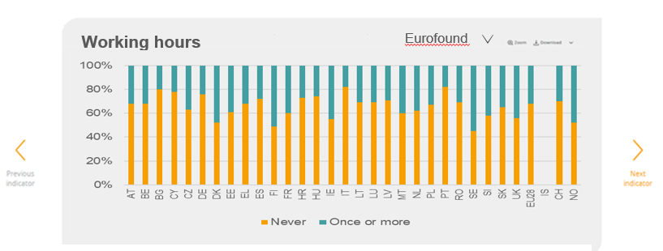
 | Never | Once or more | Country | Yes | No
AT | 68% | 32% | AT | 18.90% | 81.10%
BE | 68% | 32% | BE | 22.10% | 77.90%
BG | 80% | 20% | BG | 9.20% | 90.80%
CY | 78% | 22% | CY | 28.10% | 71.90%
CZ | 63% | 37% | CZ | 19.50% | 80.50%
DE | 76% | 24% | DE | 25.80% | 74.20%
DK | 52% | 48% | DK | 40.00% | 60.00%
EE | 61% | 39% | EE | 22.60% | 77.40%
EL | 68% | 32% | EL | 21.20% | 78.80%
ES | 72% | 28% | ES | 17.70% | 82.30%
FI | 49% | 51% | FI | 29.10% | 70.90%
FR | 60% | 40% | FR | 25.00% | 75.00%
HR | 73% | 27% | HR | 14.70% | 85.30%
HU | 74% | 26% | HU | 13.60% | 86.40%
Long or irregular working hours
 | Yes | No
AT | 0.189 | 0.811
BE | 0.221 | 0.779
BG | 0.092 | 0.908
CY | 0.281 | 0.719
CZ | 0.195 | 0.805
DE | 0.258 | 0.742
DK | 0.4 | 0.6
EE | 0.226 | 0.774
EL | 0.212 | 0.788
ES | 0.177 | 0.823
FI | 0.291 | 0.709
FR | 0.25 | 0.75
HR | 0.147 | 0.853
HU | 0.136 | 0.864
IE | 0.259 | 0.741
IT | 0.098 | 0.902
LT | 0.12 | 0.88
LU | 0.26 | 0.74
LV | 0.227 | 0.773
MT | 0.235 | 0.765
NL | 0.256 | 0.744
PL | 0.141 | 0.859
PT | 0.226 | 0.774
RO | 0.3 | 0.7
SE | 0.339 | 0.661
SI | 0.206 | 0.794
SK | 0.184 | 0.816
UK | 0.317 | 0.683
EU28 | 0.227 | 0.773
IS | 0.392 | 0.608
CH | 0.264 | 0.736
NO | 0.392 | 0.608
IE | 55% | 45% | IE | 25.90% | 74.10%
IT | 82% | 18% | IT | 9.80% | 90.20%
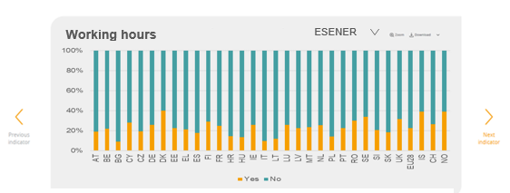
LT | 69% | 31% | LT | 12.00% | 88.00%
LU | 69% | 31% | LU | 26.00% | 74.00%
LV | 71% | 29% | LV | 22.70% | 77.30%
MT | 60% | 40% | MT | 23.50% | 76.50%
NL | 62% | 38% | NL | 25.60% | 74.40%
PL | 67% | 33% | PL | 14.10% | 85.90%
PT | 82% | 18% | PT | 22.60% | 77.40%
RO | 69% | 31% | RO | 30.00% | 70.00%
SE | 45% | 55% | SE | 33.90% | 66.10%
SI | 58% | 42% | SI | 20.60% | 79.40%
SK | 65% | 35% | SK | 18.40% | 81.60%
UK | 56% | 44% | UK | 31.70% | 68.30%
EU28 | 68% | 32% | EU28 | 22.70% | 77.30%
IS | #N/A | #N/A | IS | 39.20% | 60.80%
CH | 70% | 30% | CH | 26.40% | 73.60%
NO | 52% | 48% | NO | 39.20% | 60.80%

3.4.9 Discrimination
Have you been subjected to discrimination at work in the last 12 months?
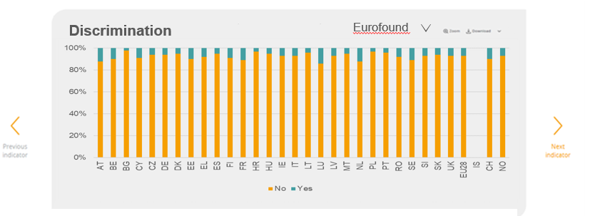
 | No | Yes | Country | Yes | No
AT | 88% | 12% | AT | 1.60% | 98.40%
BE | 90% | 10% | BE | 3.20% | 96.80%
BG | 98% | 2% | BG | 0.20% | 99.80%
CY | 91% | 9% | CY | 3.50% | 96.50%
CZ | 94% | 6% | CZ | 0.50% | 99.50%
DE | 94% | 6% | DE | 1.10% | 98.90%
DK | 95% | 5% | DK | 3.10% | 96.90%
EE | 90% | 10% | EE | 0.60% | 99.40%
EL | 92% | 8% | EL | 2.10% | 97.90%
ES | 95% | 5% | ES | 1.20% | 98.80%
FI | 91% | 9% | FI | 2.50% | 97.50%
FR | 89% | 11% | FR | 3.20% | 96.80%
HR | 97% | 3% | HR | 1.20% | 98.80%
HU | 95% | 5% | HU | 0.60% | 99.40%
IE | 93% | 7% | IE | 1.80% | 98.20%
Have you been subjected to discrimination in the last 12 months?
 | Yes | No
AT | 0.016 | 0.984
BE | 0.032 | 0.968
BG | 0.002 | 0.998
CY | 0.035 | 0.965
CZ | 0.005 | 0.995
DE | 0.011 | 0.989
DK | 0.031 | 0.969
EE | 0.006 | 0.994
EL | 0.021 | 0.979
ES | 0.012 | 0.988
FI | 0.025 | 0.975
FR | 0.032 | 0.968
HR | 0.012 | 0.988
HU | 0.006 | 0.994
IE | 0.018 | 0.982
IT | 0.008 | 0.992
LT | 0.005 | 0.995
LU | 0.037 | 0.963
LV | 0.008 | 0.992
MT | 0.023 | 0.977
NL | 0.049 | 0.951
PL | 0.005 | 0.995
PT | 0.015 | 0.985
RO | 0.003 | 0.997
SE | 0.046 | 0.954
SI | 0.007 | 0.993
SK | 0.005 | 0.995
UK | 0.056 | 0.944
EU28 | 0.022 | 0.978
IS | 0.034 | 0.966
CH | 0.021 | 0.979
NO | 0.033 | 0.967
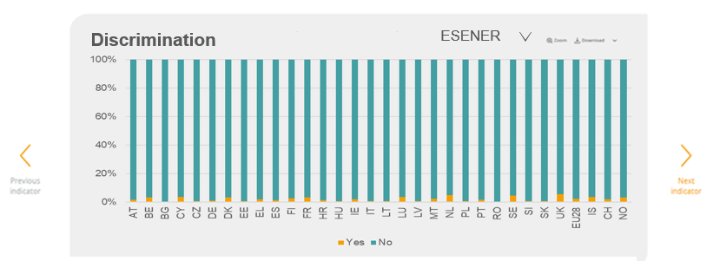
IT | 93% | 7% | IT | 0.80% | 99.20%
LT | 96% | 4% | LT | 0.50% | 99.50%
LU | 86% | 14% | LU | 3.70% | 96.30%
LV | 93% | 7% | LV | 0.80% | 99.20%
MT | 95% | 5% | MT | 2.30% | 97.70%
NL | 88% | 12% | NL | 4.90% | 95.10%
PL | 97% | 3% | PL | 0.50% | 99.50%
PT | 96% | 4% | PT | 1.50% | 98.50%
RO | 92% | 8% | RO | 0.30% | 99.70%
SE | 89% | 11% | SE | 4.60% | 95.40%
SI | 93% | 7% | SI | 0.70% | 99.30%
SK | 94% | 6% | SK | 0.50% | 99.50%
UK | 93% | 7% | UK | 5.60% | 94.40%
EU28 | 93% | 7% | EU28 | 2.20% | 97.80%
IS | #N/A | #N/A | IS | 3.40% | 96.60%
CH | 90% | 10% | CH | 2.10% | 97.90%
NO | 93% | 7% | NO | 3.30% | 96.70%

3.4.10-13 Vibrations loud noise
Exposure to vibrations, loud noise and temperature
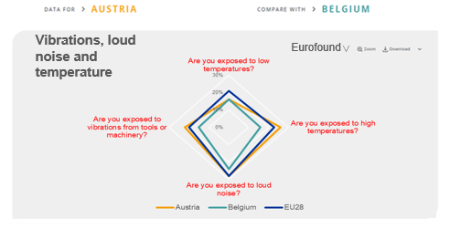
 | Are you exposed to low temperatures? | Are you exposed to high temperatures? | Are you exposed to loud noise? | Are you exposed to vibrations from tools or machinery?
Austria | 16% | 26% | 28% | 22%
Belgium | 16% | 16% | 24% | 15%
Bulgaria | 21% | 22% | 29% | 24%
Cyprus | 29% | 31% | 26% | 24%
Czechia | 19% | 25% | 30% | 20%
Germany | 14% | 20% | 27% | 23%
Denmark | 25% | 29% | 31% | 15%
Estonia | 27% | 15% | 31% | 26%
Greece | 29% | 34% | 29% | 25%
Spain | 25% | 36% | 28% | 19%
Finland | 26% | 23% | 37% | 23%
France | 27% | 24% | 33% | 19%
Croatia | 25% | 32% | 29% | 23%
Hungary | 23% | 22% | 25% | 27%
Ireland | 24% | 17% | 25% | 16%
Italy | 15% | 14% | 20% | 18%
Lithuania | 26% | 20% | 32% | 26%
Luxembourg | 19% | 20% | 27% | 16%
Latvia | 26% | 19% | 31% | 27%
Malta | 25% | 28% | 23% | 17%
Netherlands | 17% | 22% | 18% | 13%
Poland | 25% | 29% | 35% | 27%
Portugal | 13% | 16% | 18% | 24%
Romania | 34% | 41% | 32% | 30%
Sweden | 20% | 24% | 31% | 16%
Slovenia | 23% | 31% | 36% | 22%
Slovakia | 22% | 28% | 33% | 24%
United Kingdom | 24% | 20% | 25% | 13%
EU28 | 21% | 23% | 28% | 20%
Iceland | #N/A | #N/A | #N/A | #N/A
Switzerland | 18% | 23% | 25% | 21%
Norway | 26% | 17% | 25% | 18%

3.4.14 Exposed to Smoke
 | At least 1/4 of the time | Less then 1/4 of the time
AT | 14% | 86%
BE | 13% | 87%
Are you exposed to breathing in smoke, fumes, powder or dust?
BG | 15% | 85%
CY | 13% | 87%
CZ | 17% | 83%
DE | 14% | 86%
DK | 10% | 90%
EE | 18% | 82%
EL | 16% | 84%
ES | 13% | 87%
FI | 21% | 79%
FR | 20% | 80%
HR | 16% | 84%
HU | 19% | 81%
IE | 11% | 89%
IT | 13% | 87%
LT | 20% | 80%
LU | 14% | 86%
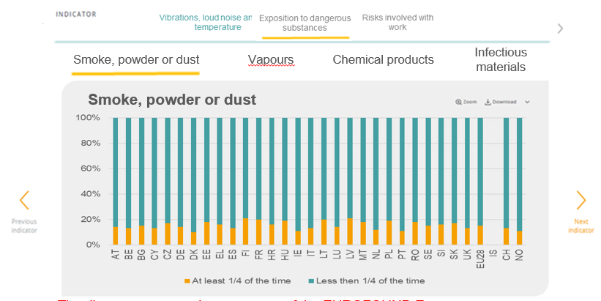
LV | 21% | 79%
MT | 18% | 82%
NL | 12% | 88%
PL | 19% | 81%
PT | 11% | 89%
RO | 18% | 82%
SE | 15% | 85%
SI | 16% | 84%
SK | 17% | 83%
UK | 13% | 87%
EU28 | 15% | 85%
IS | #N/A | #N/A
CH | 13% | 87%
NO | 11% | 89%

3.4.15 Exposed to vapours
Are you exposed breathing in vapour?
 | At least 1/4 of the time | Less then 1/4 of the time
AT | 12% | 88%
BE | 9% | 91%
BG | 13% | 87%
CY | 9% | 91%
CZ | 11% | 89%
DE | 9% | 91%
DK | 4% | 96%
EE | 12% | 88%
EL | 10% | 90%
ES | 13% | 87%
FI | 10% | 90%
FR | 14% | 86%
HR | 10% | 90%
HU | 16% | 84%
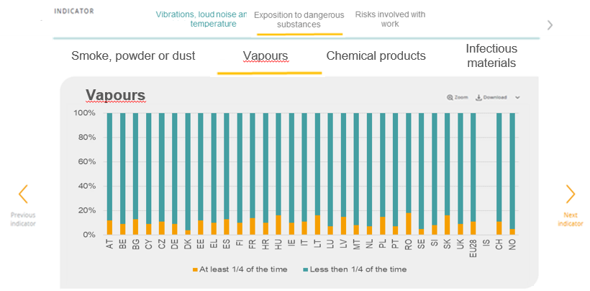
IE | 10% | 90%
IT | 11% | 89%
LT | 16% | 84%
LU | 7% | 93%
LV | 15% | 85%
MT | 8% | 92%
NL | 7% | 93%
PL | 15% | 85%
PT | 7% | 93%
RO | 18% | 82%
SE | 5% | 95%
SI | 8% | 92%
SK | 16% | 84%
UK | 9% | 91%
EU28 | 11% | 89%
IS | #N/A | #N/A
CH | 11% | 89%
NO | 5% | 95%

3.4.16 Exposure to chemical
 | At least 1/4 of the time | Less then 1/4 of the time
AT | 15% | 85%
BE | 13% | 87%
Are you exposed to chemical products or substances?
BG | 11% | 89%
CY | 14% | 86%
CZ | 14% | 86%
DE | 17% | 83%
DK | 12% | 88%
EE | 17% | 83%
EL | 17% | 83%
ES | 21% | 79%
FI | 19% | 81%
FR | 19% | 81%
HR | 12% | 88%
HU | 22% | 78%
IE | 18% | 82%
IT | 16% | 84%
LT | 17% | 83%
LU | 14% | 86%
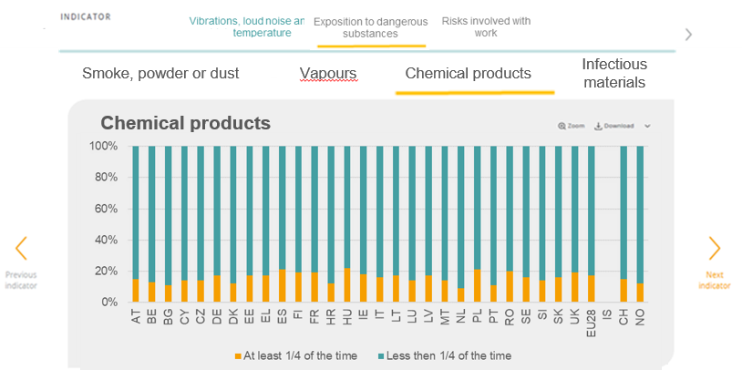
LV | 17% | 83%
MT | 14% | 86%
NL | 9% | 91%
PL | 21% | 79%
PT | 11% | 89%
RO | 20% | 80%
SE | 16% | 84%
SI | 14% | 86%
SK | 16% | 84%
UK | 19% | 81%
EU28 | 17% | 83%
IS | #N/A | #N/A
CH | 15% | 85%
NO | 12% | 88%

3.4.17 Exposure to infectious
 | At least 1/4 of the time | Less then 1/4 of the time
AT | 11% | 89%
BE | 13% | 87%
BG | 7% | 93%
CY | 12% | 88%
CZ | 9% | 91%
Are you exposed to materials which can be infectious?
DE | 13% | 87%
DK | 17% | 83%
EE | 10% | 90%
EL | 9% | 91%
ES | 14% | 86%
FI | 16% | 84%
FR | 16% | 84%
HR | 9% | 91%
HU | 14% | 86%
IE | 17% | 83%
IT | 12% | 88%
LT | 15% | 85%
LU | 11% | 89%
LV | 10% | 90%
MT | 11% | 89%
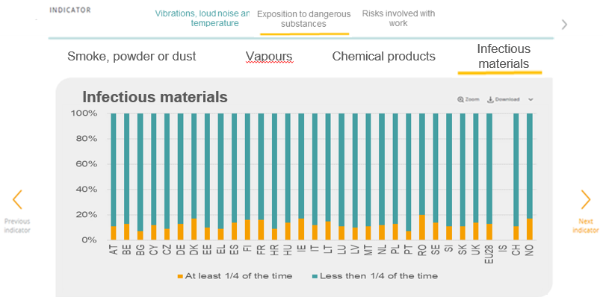
NL | 12% | 88%
PL | 13% | 87%
PT | 7% | 93%
RO | 20% | 80%
SE | 14% | 86%
SI | 11% | 89%
SK | 11% | 89%
UK | 14% | 86%
EU28 | 13% | 87%
IS | #N/A | #N/A
CH | 11% | 89%
NO | 17% | 83%

3.4.18-22 Risks involved with w
Risks involved with work
Country_Eurofound | Does your work involve tiring or painful positions? | Does your work involve repetitve hand or arm movements? | Does your work involve carrying or moving heavy loads? | Does your work involve lifting or moving people? | Does your work involve sitting? | Country | Tiring or painful positions, including sitting for long periods | Lifting or moving people or heavy loads | Repetitive hand or arm movements
Austria | 42% | 55% | 31% | 7% | 57% | Austria | 52.60% | 39.60% | 43.50%
Belgium | 40% | 56% | 29% | 10% | 58% | Belgium | 59.80% | 45.00% | 48.40%
Bulgaria | 51% | 67% | 27% | 5% | 58% | Bulgaria | 47.90% | 26.20% | 47.80%
Cyprus | 69% | 80% | 28% | 7% | 55% | Cyprus | 44.60% | 36.90% | 56.70%
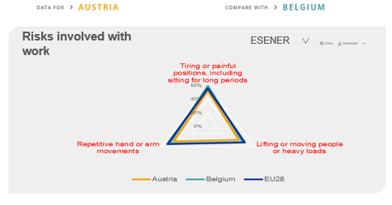
Czechia | 30% | 62% | 33% | 7% | 62% | Czechia | 39.90% | 39.20% | 39.80%
Germany | 42% | 53% | 28% | 10% | 60% | Germany | 55.20% | 47.00% | 58.60%
Denmark | 32% | 61% | 27% | 8% | 63% | Denmark | 49.00% | 49.00% | 54.30%
Estonia | 41% | 66% | 32% | 6% | 71% | Estonia | 64.00% | 59.70% | 54.10%
Greece | 66% | 74% | 38% | 7% | 51% | Greece | 42.00% | 31.50% | 48.20%
Spain | 54% | 69% | 37% | 10% | 49% | Spain | 79.20% | 54.50% | 60.10%
Finland | 38% | 69% | 37% | 11% | 71% | Finland | 64.00% | 54.20% | 67.60%
France | 49% | 69% | 36% | 12% | 61% | France | 70.30% | 55.80% | 59.90%
Croatia | 56% | 73% | 32% | 7% | 57% | Croatia | 57.40% | 41.90% | 57.20%
Hungary | 45% | 55% | 32% | 11% | 51% | Hungary | 50.00% | 38.20% | 42.40%
Ireland | 32% | 54% | 32% | 13% | 58% | Ireland | 42.30% | 50.30% | 45.10%
Italy | 42% | 54% | 26% | 10% | 51% | Italy | 49.60% | 41.50% | 37.90%
Lithuania | 52% | 70% | 36% | 7% | 65% | Lithuania | 43.50% | 36.40% | 55.30%
Luxembourg | 42% | 67% | 26% | 8% | 62% | Luxembourg | 60.00% | 46.30% | 52.80%
Latvia | 44% | 52% | 38% | 6% | 60% | Latvia | 59.70% | 44.60% | 49.50%
Malta | 49% | 53% | 33% | 10% | 62% | Malta | 48.00% | 48.60% | 43.40%
Netherlands | 30% | 60% | 25% | 9% | 67% | Netherlands | 53.10% | 41.20% | 56.30%
Poland | 46% | 59% | 35% | 9% | 55% | Poland | 54.70% | 31.20% | 46.70%
Risk involved with work
Portugal | 48% | 65% | 24% | 9% | 45% | Portugal | 65.70% | 48.50% | 54.10%
Romania | 62% | 77% | 44% | 15% | 61% | Romania | 53.70% | 31.80% | 43.20%
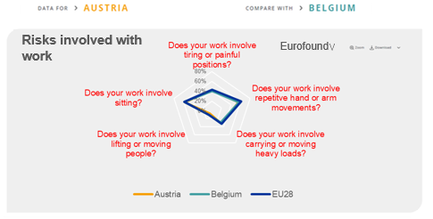
Sweden | 46% | 64% | 36% | 14% | 62% | Sweden | 57.50% | 51.40% | 49.50%
Slovenia | 47% | 67% | 30% | 8% | 60% | Slovenia | 58.80% | 49.40% | 63.20%
Slovakia | 33% | 69% | 37% | 6% | 60% | Slovakia | 31.20% | 33.50% | 40.30%
United Kingdom | 31% | 59% | 32% | 9% | 65% | United Kingdom | 44.80% | 59.40% | 50.20%
EU28 | 43% | 61% | 32% | 10% | 58% | EU28 | 55.80% | 47.40% | 51.90%
Iceland | #N/A | #N/A | #N/A | #N/A | #N/A | Iceland | 47.90% | 40.00% | 54.00%
Switzerland | 45% | 60% | 29% | 8% | 59% | Switzerland | 45.20% | 41.40% | 37.50%
Norway | 24% | 52% | 32% | 14% | 71% | Norway | 54.30% | 52.80% | 63.80%

3.5.1 Risk assessment
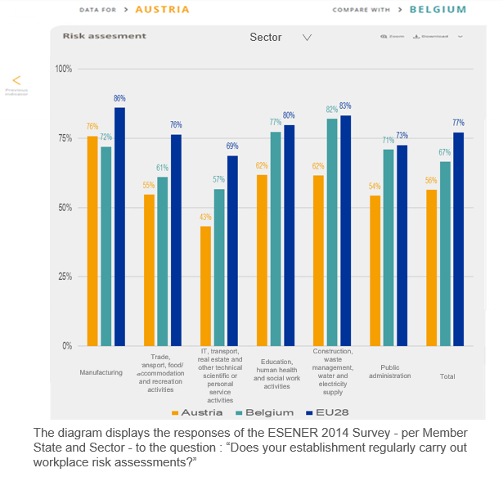
Does your establishment regularly carry out workplace risk assessments?
Country | 5 to 9 | 10 to 49 | 50 to 250 | 250+ | All | Country | Manufacturing | Trade, transport, food/accommodation and recreation activities | IT, Finance, real estate and other technical scientific or personal service activities | Education, human health and social work activities | Construction, waste management, water and electricity supply | Public administration | Total
Austria | 45% | 65% | 83% | 90% | 56% | Austria | 76% | 55% | 43% | 62% | 62% | 54% | 56%
Belgium | 51% | 71% | 90% | 98% | 67% | Belgium | 72% | 61% | 57% | 77% | 82% | 71% | 67%
Bulgaria | 85% | 95% | 95% | 100% | 91% | Bulgaria | 95% | 91% | 91% | 89% | 93% | 88% | 91%
Cyprus | 45% | 59% | 79% | 94% | 54% | Cyprus | 77% | 48% | 45% | 49% | 75% | 43% | 54%
Czechia | 67% | 81% | 94% | 95% | 78% | Czechia | 84% | 72% | 68% | 88% | 89% | 73% | 78%
Germany | 54% | 74% | 89% | 96% | 66% | Germany | 73% | 64% | 54% | 75% | 75% | 77% | 66%
Denmark | 87% | 95% | 99% | 100% | 92% | Denmark | 97% | 87% | 88% | 98% | 98% | 91% | 92%
Estonia | 53% | 81% | 89% | 99% | 69% | Estonia | 82% | 66% | 45% | 83% | 83% | 80% | 69%
Greece | 45% | 55% | 71% | 85% | 51% | Greece | 65% | 54% | 58% | 34% | 68% | 14% | 51%
Spain | 87% | 91% | 98% | 99% | 90% | Spain | 94% | 89% | 87% | 85% | 96% | 93% | 90%
Finland | 69% | 75% | 92% | 95% | 73% | Finland | 78% | 70% | 67% | 82% | 69% | 85% | 73%
France | 45% | 61% | 82% | 93% | 56% | France | 68% | 57% | 52% | 49% | 66% | 45% | 56%
Croatia | 75% | 84% | 91% | 94% | 80% | Croatia | 89% | 85% | 74% | 69% | 84% | 58% | 80%
Hungary | 69% | 85% | 93% | 97% | 78% | Hungary | 87% | 78% | 66% | 80% | 91% | 64% | 78%
Ireland | 66% | 75% | 88% | 96% | 73% | Ireland | 78% | 72% | 63% | 77% | 94% | 84% | 73%
Italy | 92% | 97% | 99% | 99% | 95% | Italy | 98% | 94% | 89% | 94% | 100% | 91% | 95%
Lithuania | 72% | 81% | 79% | 91% | 77% | Lithuania | 83% | 75% | 76% | 78% | 82% | 36% | 77%
Luxembourg | 28% | 40% | 58% | 75% | 37% | Luxembourg | 61% | 35% | 30% | 47% | 45% | 30% | 37%
Latvia | 70% | 91% | 98% | 98% | 82% | Latvia | 90% | 79% | 66% | 92% | 89% | 97% | 82%
Malta | 48% | 70% | 88% | 94% | 66% | Malta | 78% | 60% | 57% | 86% | 89% | 56% | 66%
Netherlands | 63% | 79% | 93% | 98% | 73% | Netherlands | 85% | 71% | 56% | 86% | 91% | 79% | 73%
Poland | 67% | 87% | 95% | 100% | 80% | Poland | 93% | 76% | 63% | 91% | 84% | 91% | 80%
Does your establishment regularly carry out workforce risk assessments?
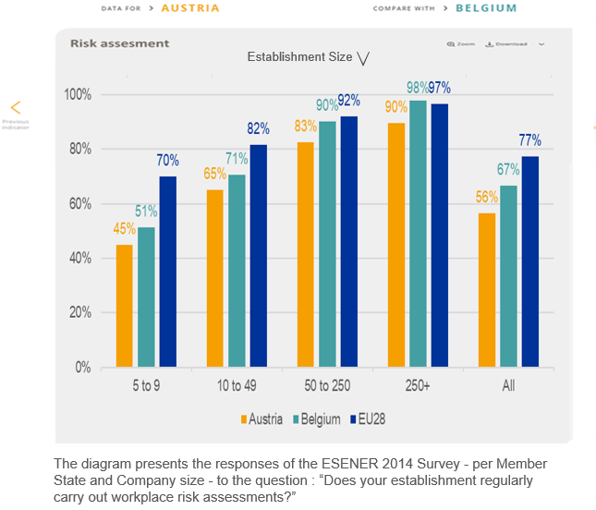
Portugal | 74% | 83% | 86% | 90% | 78% | Portugal | 91% | 75% | 76% | 75% | 79% | 63% | 78%
Romania | 84% | 92% | 95% | 100% | 89% | Romania | 95% | 85% | 96% | 89% | 92% | 77% | 89%
Sweden | 75% | 83% | 96% | 97% | 80% | Sweden | 91% | 78% | 64% | 92% | 86% | 96% | 80%
Slovenia | 90% | 97% | 99% | 100% | 94% | Slovenia | 98% | 93% | 90% | 96% | 98% | 93% | 94%
Slovakia | 52% | 67% | 84% | 90% | 62% | Slovakia | 70% | 59% | 57% | 66% | 72% | 42% | 62%
United Kingdom | 88% | 94% | 99% | 100% | 92% | United Kingdom | 96% | 92% | 86% | 98% | 95% | 97% | 92%
EU28 | 70% | 82% | 92% | 97% | 77% | EU28 | 86% | 76% | 69% | 80% | 83% | 73% | 77%
Iceland | 35% | 47% | 68% | 96% | 44% | Iceland | 58% | 40% | 41% | 44% | 52% | 22% | 44%
Switzerland | 38% | 49% | 70% | 85% | 45% | Switzerland | 56% | 49% | 29% | 47% | 56% | 41% | 45%
Norway | 71% | 85% | 89% | 94% | 80% | Norway | 96% | 74% | 68% | 89% | 93% | 79% | 80%

3.5.2 Internal external risk
Are workplace risk assessments mainly conducted by internal staff or are they contracted to external service providers?
Country | Conducted mainly by internal staff | Contracted mainly to external providers | Both about equally
AT | 54.10% | 26.90% | 19.00%
BE | 42.30% | 34.40% | 23.20%
BG | 16.30% | 71.30% | 12.30%
CY | 51.00% | 26.50% | 22.50%
CZ | 28.60% | 53.20% | 18.20%
DE | 56.70% | 30.80% | 12.50%
DK | 83.20% | 8.70% | 8.10%
EE | 64.70% | 27.00% | 8.30%
EL | 44.80% | 46.80% | 8.40%
ES | 12.10% | 78.00% | 9.90%
FI | 63.80% | 25.10% | 11.10%
FR | 74.30% | 17.20% | 8.50%
HR | 11.80% | 78.00% | 10.10%
HU | 18.90% | 73.70% | 7.40%
IE | 63.30% | 18.70% | 18.00%
IT | 18.20% | 62.40% | 19.50%
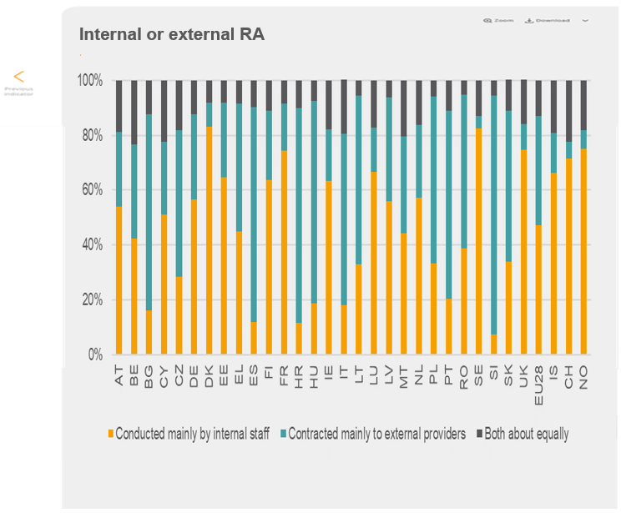
LT | 32.90% | 61.50% | 5.60%
LU | 66.60% | 16.00% | 17.40%
LV | 56.10% | 37.60% | 6.30%
MT | 44.40% | 35.00% | 20.60%
NL | 57.30% | 26.50% | 16.20%
PL | 33.40% | 60.80% | 5.80%
PT | 20.30% | 68.50% | 11.20%
RO | 38.90% | 55.90% | 5.20%
SE | 82.50% | 4.40% | 13.10%
SI | 7.40% | 87.10% | 5.50%
SK | 34.00% | 54.80% | 11.30%
UK | 74.80% | 9.40% | 15.90%
EU28 | 47.10% | 39.80% | 13.10%
IS | 66.40% | 14.30% | 19.20%
CH | 71.30% | 6.40% | 22.30%
NO | 75.00% | 6.70% | 18.30%

3.5.4 OSH information
Country | Yes | No | Yes but only some of them
AT | 79.70% | 18.30% | 2.00%
BE | 73.60% | 25.90% | 0.50%
Are the health and safety representatives provided with any training during work time?
BG | 72.70% | 26.90% | 0.40%
CY | 72.60% | 25.30% | 2.10%
CZ | 89.60% | 8.70% | 1.60%
DE | 84.30% | 14.70% | 1.00%
DK | 75.40% | 23.60% | 1.00%
EE | 92.20% | 6.80% | 1.00%
EL | 76.80% | 19.40% | 3.80%
ES | 81.90% | 17.50% | 0.60%
FI | 79.10% | 20.70% | 0.20%
FR | 75.30% | 24.30% | 0.30%
HR | 69.00% | 25.70% | 5.30%
HU | 65.80% | 31.10% | 3.10%
IE | 73.90% | 25.50% | 0.60%
IT | 87.50% | 11.60% | 0.90%
LT | 74.20% | 24.80% | 0.90%

LU | 70.90% | 26.70% | 2.40%
LV | 74.40% | 25.60% | 0.00%
MT | 75.10% | 24.50% | 0.40%
NL | 80.40% | 17.10% | 2.50%
PL | 73.30% | 26.40% | 0.20%
PT | 75.80% | 22.80% | 1.40%
RO | 66.10% | 33.40% | 0.50%
SE | 85.10% | 14.20% | 0.70%
SI | 76.30% | 23.60% | 0.10%
SK | 94.20% | 4.40% | 1.40%
UK | 84.10% | 15.20% | 0.80%
EU28 | 82.20% | 16.90% | 1.00%
IS | 72.90% | 25.70% | 1.30%
CH | 70.90% | 20.90% | 8.10%
NO | 85.90% | 13.50% | 0.60%

3.5.5 Participation

Did the employees have a role in the design and set-up of measures to address psychosocial risks
Country | Total | 250+ | 50 to 249 | 10 to 49 | 5 to 9 | Country | Total | Construction, waste management, water and electricity supply | Manufacturing | Trade, transport, food/accommodation and recreation activities | IT, Finance, real estate and other technical scientific or personal service activities | Public administration | Education, human health and social work activities
Austria | 78% | 87% | 80% | 74% | 82% | Austria | 78% | 71% | 73% | 79% | 80% | 77% | 84%
Belgium | 64% | 74% | 61% | 65% | 63% | Belgium | 64% | 56% | 53% | 65% | 61% | 61% | 76%
Bulgaria | 53% | 63% | 53% | 53% | 53% | Bulgaria | 53% | 50% | 40% | 46% | 69% | 63% | 62%
Cyprus | 61% | 68% | 59% | 64% | 59% | Cyprus | 61% | 53% | 70% | 63% | 57% | 51% | 71%
Czechia | 59% | 50% | 56% | 59% | 62% | Czechia | 59% | 39% | 54% | 59% | 62% | 53% | 75%
Germany | 69% | 70% | 67% | 69% | 70% | Germany | 69% | 63% | 55% | 71% | 72% | 57% | 74%
Denmark | 79% | 87% | 85% | 78% | 80% | Denmark | 79% | 69% | 77% | 73% | 82% | 88% | 90%
Estonia | 55% | 58% | 46% | 58% | 55% | Estonia | 55% | 48% | 57% | 52% | 49% | 67% | 76%
Greece | 68% | 37% | 57% | 67% | 72% | Greece | 68% | 72% | 60% | 70% | 63% | 63% | 76%
Spain | 64% | 74% | 62% | 61% | 66% | Spain | 64% | 61% | 59% | 65% | 63% | 58% | 66%
Finland | 72% | 84% | 74% | 70% | 73% | Finland | 72% | 70% | 60% | 64% | 77% | 74% | 81%
France | 61% | 68% | 61% | 59% | 63% | France | 61% | 52% | 55% | 60% | 62% | 55% | 72%
Croatia | 58% | 49% | 44% | 48% | 73% | Croatia | 58% | 39% | 38% | 60% | 59% | 72% | 85%
Hungary | 54% | 69% | 55% | 54% | 54% | Hungary | 54% | 53% | 48% | 52% | 55% | 41% | 64%
Ireland | 64% | 59% | 59% | 65% | 64% | Ireland | 64% | 55% | 57% | 57% | 69% | 70% | 73%
Did the employees have a role in the design and set-up of measures to address psychosocial risks

Italy | 65% | 62% | 61% | 63% | 67% | Italy | 65% | 60% | 58% | 67% | 58% | 66% | 78%
Lithuania | 46% | 64% | 49% | 45% | 47% | Lithuania | 46% | 43% | 36% | 43% | 53% | 45% | 66%
Luxembourg | 64% | 47% | 54% | 62% | 71% | Luxembourg | 64% | 73% | 52% | 63% | 59% | 81% | 74%
Latvia | 56% | 45% | 51% | 55% | 60% | Latvia | 56% | 45% | 55% | 58% | 65% | 43% | 52%
Malta | 59% | 49% | 67% | 53% | 70% | Malta | 59% | 51% | 59% | 62% | 51% | 62% | 71%
Netherlands | 64% | 75% | 65% | 59% | 71% | Netherlands | 64% | 57% | 54% | 49% | 72% | 55% | 79%
Poland | 48% | 53% | 46% | 48% | 48% | Poland | 48% | 50% | 50% | 47% | 38% | 48% | 61%
Portugal | 56% | 55% | 58% | 56% | 55% | Portugal | 56% | 46% | 50% | 56% | 57% | 58% | 70%
Romania | 69% | 65% | 66% | 67% | 72% | Romania | 69% | 65% | 61% | 69% | 73% | 56% | 77%
Sweden | 76% | 81% | 81% | 75% | 75% | Sweden | 76% | 68% | 69% | 68% | 75% | 81% | 91%
Slovenia | 56% | 76% | 59% | 53% | 57% | Slovenia | 56% | 44% | 47% | 53% | 62% | 47% | 81%
Slovakia | 44% | 46% | 43% | 42% | 47% | Slovakia | 44% | 42% | 33% | 37% | 56% | 32% | 61%
United Kingdom | 64% | 71% | 66% | 62% | 65% | United Kingdom | 64% | 52% | 55% | 59% | 63% | 73% | 77%
EU28 | 65% | 69% | 64% | 63% | 66% | EU28 | 65% | 58% | 56% | 63% | 65% | 61% | 75%
Iceland | 72% | 80% | 65% | 74% | 72% | Iceland | 72% | 65% | 54% | 68% | 80% | 91% | 82%
Switzerland | 60% | 57% | 52% | 64% | 58% | Switzerland | 60% | 48% | 59% | 57% | 59% | 65% | 75%
Norway | 81% | 89% | 84% | 82% | 80% | Norway | 81% | 66% | 68% | 79% | 79% | 97% | 93%

3.6.1-6 Worker involvement
Worker involvement

Country | Does your company have a trade union, works council or a similar committee representing employees? | Does your organisation have a health and safety delegate or committee | Does your organisation have a regular meeting in which employees can express their views about what is happening in the organisation? | Country | Did the employees have a role in the design and set-up of the measures to address psychosocial risks? | Does your organisation have a trade union, works council or a similar committee representing employees? | Are health and safety issues regularly discussed in stadd or team meetings? (Yes and in some departaments) | Does your organisation have a health and safety delegate or committee? | How often controversies related to health and safety arise? (Sum of often and sometimes)
Austria | 52% | 50% | 54% | Austria | 78% | #N/A | 57% | 67% | 20%
Belgium | 66% | 67% | 58% | Belgium | 64% | 27% | 58% | 31% | 35%
Bulgaria | 30% | 42% | 60% | Bulgaria | 53% | 11% | 77% | 75% | 31%
Cyprus | 35% | 39% | 49% | Cyprus | 61% | 25% | 65% | 48% | 27%
Czechia | 36% | 48% | 57% | Czechia | 59% | 11% | 69% | 58% | 14%
Germany | 51% | 55% | 58% | Germany | 69% | #N/A | 66% | 72% | 30%
Denmark | 72% | 80% | 72% | Denmark | 79% | 44% | 69% | 69% | 20%
Estonia | 28% | 54% | 59% | Estonia | 55% | 7% | 51% | 62% | 29%
Greece | 34% | 28% | 38% | Greece | 68% | 8% | 59% | 17% | 34%
Spain | 52% | 50% | 46% | Spain | 64% | 26% | 50% | 51% | 30%
Finland | 74% | 81% | 65% | Finland | 72% | 37% | 56% | 60% | 41%
France | 65% | 64% | 59% | France | 61% | 22% | 58% | 25% | 32%
Croatia | 45% | 42% | 43% | Croatia | 58% | 16% | 65% | 55% | 15%
Hungary | 33% | 39% | 26% | Hungary | 54% | 8% | 79% | 45% | 39%
Ireland | 46% | 75% | 59% | Ireland | 64% | 19% | 68% | 67% | 26%
Italy | 45% | 46% | 43% | Italy | 65% | 19% | 71% | 88% | 25%
Lithuania | 29% | 34% | 51% | Lithuania | 46% | 10% | 66% | 78% | 14%
Luxembourg | 69% | 70% | 54% | Luxembourg | 64% | #N/A | 51% | 67% | 22%
Latvia | 36% | 51% | 58% | Latvia | 56% | 12% | 67% | 27% | 29%
Malta | 47% | 56% | 51% | Malta | 59% | 14% | 58% | 51% | 42%
Netherlands | 62% | 58% | 58% | Netherlands | 64% | 9% | 62% | 40% | 46%
Poland | 27% | 54% | 36% | Poland | 48% | 10% | 57% | 26% | 30%

Portugal | 33% | 31% | 33% | Portugal | 56% | 9% | 58% | 24% | 41%
Worker involvement
Romania | 42% | 65% | 61% | Romania | 69% | 13% | 85% | 78% | 39%
Sweden | 83% | 79% | 78% | Sweden | 76% | 54% | 73% | 71% | 29%
Slovenia | 59% | 39% | 54% | Slovenia | 56% | 20% | 57% | 34% | 27%
Slovakia | 40% | 61% | 57% | Slovakia | 44% | 16% | 70% | 64% | 19%
United Kingdom | 45% | 77% | 65% | United Kingdom | 64% | 16% | 79% | 70% | 32%
EU28 | 50% | 58% | 55% | EU28 | 65% | 19% | 66% | 58% | 30%
Iceland | #N/A | #N/A | #N/A | Iceland | 72% | 55% | 45% | 50% | 14%
Switzerland | 38% | 39% | 57% | Switzerland | 60% | 8% | 57% | 35% | 21%
Norway | 78% | 88% | 73% | Norway | 81% | 71% | 70% | 83% | 30%

4.1.6 % establishment inspected
Country | Yes | No
Austria | 71% | 29%
Belgium | 71% | 29%
Has your establishment been visited by the Health and Safety Executive or the local authority in the last 3 years in order to check health and safety conditions?

Bulgaria | 78% | 22%
Cyprus | 65% | 36%
Czechia | 55% | 45%
Germany | 64% | 37%
Denmark | 81% | 19%
Estonia | 58% | 42%
Greece | 53% | 47%
Spain | 48% | 52%
Finland | 59% | 41%
France | 38% | 62%
Croatia | 62% | 39%
Hungary | 50% | 50%
Ireland | 40% | 60%
Italy | 33% | 67%
Lithuania | 43% | 57%
Luxembourg | 24% | 76%
Latvia | 62% | 38%
Malta | 53% | 47%
Netherlands | 28% | 72%
Poland | 49% | 51%
Portugal | 48% | 52%
Romania | 90% | 10%
Sweden | 39% | 61%
Slovenia | 52% | 48%
Slovakia | 47% | 53%
United Kingdom | 49% | 51%
EU28 | 51% | 49%
Iceland | 65% | 35%
Switzerland | 36% | 64%
Norway | 48% | 52%

