GateWay
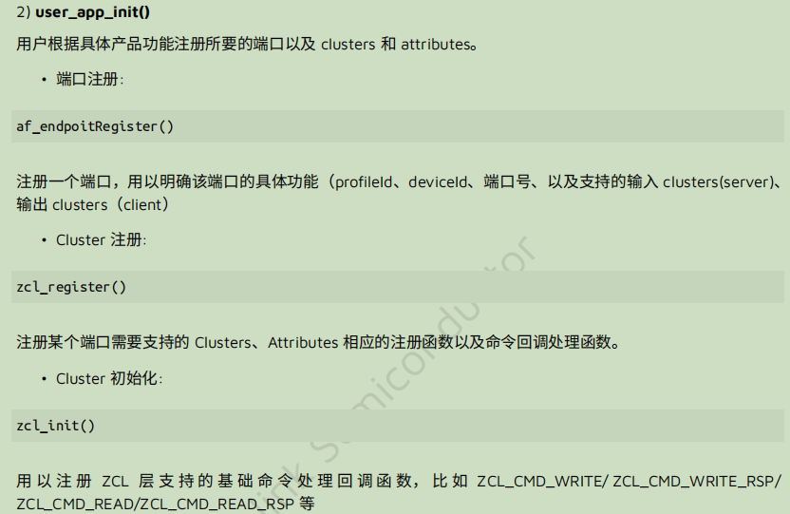
void user_init(bool isRetention) | void led_init(void) | void led_off(u32 pin) | void drv_gpio_write(u32 pin, bool value) | /**
{ | { | { | { | * @brief This function set the pin's output level.
(void)isRetention; | #define BIT(n) ( 1<<(n) ) | #define LED_ON 1 | gpio_write(pin, value); | * @param[in] pin - the pin needs to set its output level
 | GPIO_GROUPA = 0x000, | #define LED_OFF 0 | } | * @param[in] value - value of the output level(1: high 0: low)
#if defined(MCU_CORE_8258) || defined(MCU_CORE_8278) || defined(MCU_CORE_B91) | GPIO_PA0 = GPIO_GROUPA | BIT(0), | drv_gpio_write(pin, LED_OFF); |  | * @return none
extern u8 firmwareCheckWithUID(void); | #define LED_G GPIO_PA0 | } |  | */
if(firmwareCheckWithUID()){ | #define LED_PERMIT LED_G | void led_on(u32 pin) |  | static inline void gpio_write(GPIO_PinTypeDef pin, unsigned int value)
while(1); | led_off(LED_PERMIT); | { |  | {
} | light_init(); | drv_gpio_write(pin, LED_ON); |  | #define BM_SET(x, mask) ( (x) |= (mask) )
#endif | } | } |  | #define BM_CLR(x, mask) ( (x) &= ~(mask) )
 |  |  |  | #define REG_BASE_ADDR 0x800000
/* Initialize LEDs*/ | void light_init(void) |  |  | #define REG_ADDR8(a) (*(volatile unsigned char*) (REG_BASE_ADDR + (a)))
led_init(); | { |  |  | #define reg_gpio_out(i) REG_ADDR8(0x583+((i>>8)<<3))
 | led_on(LED_POWER);
/* Initialize Stack */ | } |  |  | unsigned char bit = pin & 0xff;
stack_init(); |  |  |  | if(value){
 | void stack_init(void) |  |  | BM_SET(reg_gpio_out(pin), bit);
sys_exceptHandlerRegister(sampleGwSysException); | { |  |  | }else{
 | zb_init();//泰凌微电子提供的库文件，没有源码，初始化zigbee |  |  | BM_CLR(reg_gpio_out(pin), bit);
/* Initialize user application */ | zb_zdoCbRegister((zdo_appIndCb_t *)&appCbLst); |  |  | }
user_app_init(); | } |  |  | }
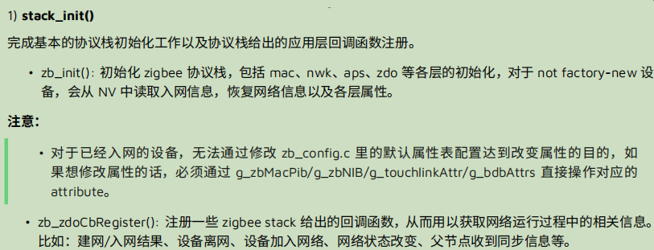
ev_on_poll(EV_POLL_IDLE, app_task);

//af_nodeDescStackRevisionSet(20);

/*
* bdb initialization start,
* once initialization is done, the g_zbDemoBdbCb.bdbInitCb() will be called
*
* */
bdb_init((af_simple_descriptor_t *)&sampleGW_simpleDesc, &g_bdbCommissionSetting, &g_zbDemoBdbCb, 1);
}

 | void user_app_init(void)
 | {
 | af_nodeDescManuCodeUpdate(MANUFACTURER_CODE_TELINK);
 | /* Initialize ZCL layer */
 | /* Register Incoming ZCL Foundation command/response messages */
 | zcl_init(sampleGW_zclProcessIncomingMsg);
 | /* Register endPoint */
 | af_endpointRegister(SAMPLE_GW_ENDPOINT, (af_simple_descriptor_t *)&sampleGW_simpleDesc, zcl_rx_handler, sampleGW_dataSendConfirm);
 | /* Register ZCL specific cluster information */
 | zcl_register(SAMPLE_GW_ENDPOINT, SAMPLE_GW_CB_CLUSTER_NUM, (zcl_specClusterInfo_t *)g_sampleGwClusterList);
 | }

