1
MDB# MKTG-SP-PRO-V-20 |  |  |  | COM-15,000/MONTH
 |  |  |  | 15,000x2months
Implementation Date |  |  |  | Php30,000
July 31 to September 30, 2020

Vendor Code | 13101110 |  |  | TACTICAL MASS DISPLAY FOR HUGGIES CLEAN CARE BABY WIPES 80S
Vendor Name | WILKING GLOBAL INC. |  |  | 1 UNIT 1x1x4

Site/s Applicable: | Commonwealth

Scheme: | Tactical Mass Display for Huggies Clean Care Baby Wipes 80s
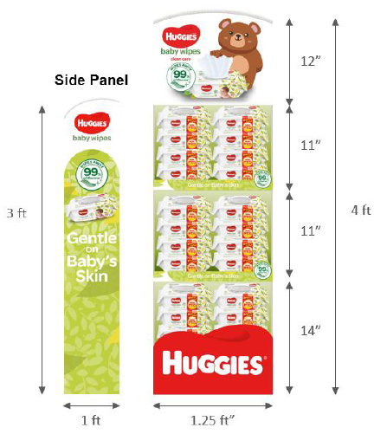
BRANCH | SAP RMS LOCATION | Size | Qty
Commonwealth | TAC018 | 1x1x4 | 1 unit

Prepared by: Jaymel Muchenijo
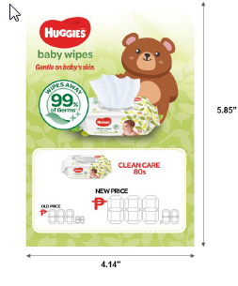
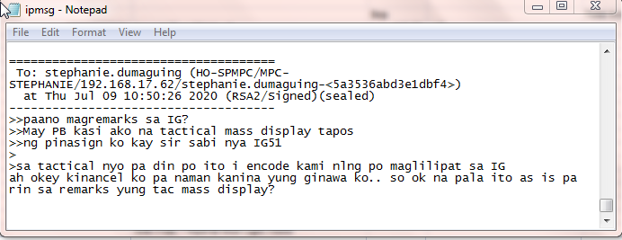
Approved by: Sheila Santiago

Noted by: Haydee Go/Johann Go

TRADE LETTER
