ds
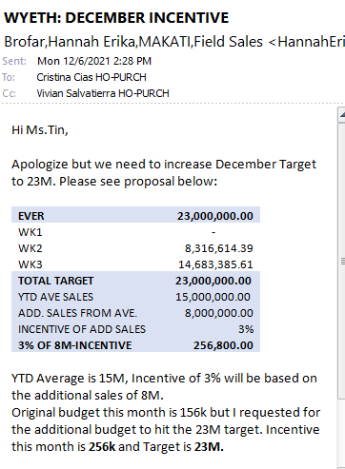
Branch | Division | Department | Category | Sub-Category | DisplayA | Buyer | Item Dept | Supplier Code | Period | Amount | Payment ID | Remarks
S302 | SP | PUR | C000000024 | S000000057 |  | 8 | 06 | 13100418 | December 2021 | 16,020.00 | 2 | 2021 Nov SAP Incentive
S306 | SP | PUR | C000000024 | S000000057 |  | 8 | 06 | 13100418 | December 2021 | 18,156.00 | 2 | 2021 Nov SAP Incentive
S311 | SP | PUR | C000000024 | S000000057 |  | 8 | 06 | 13100418 | December 2021 | 18,156.00 | 2 | 2021 Nov SAP Incentive
S339 | SP | PUR | C000000024 | S000000057 |  | 8 | 06 | 13100418 | December 2021 | 18,156.00 | 2 | 2021 Nov SAP Incentive
S340 | SP | PUR | C000000024 | S000000057 |  | 8 | 06 | 13100418 | December 2021 | 18,156.00 | 2 | 2021 Nov SAP Incentive
S348 | SP | PUR | C000000024 | S000000057 |  | 8 | 06 | 13100418 | December 2021 | 18,156.00 | 2 | 2021 Nov SAP Incentive

CONFORME
