conforme
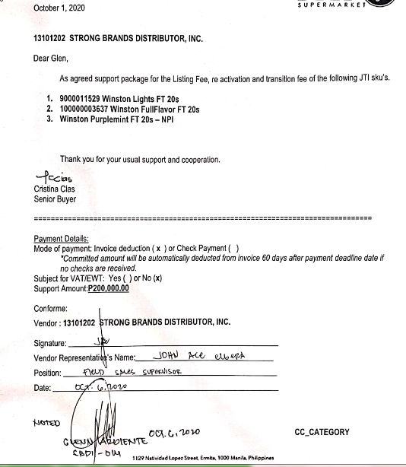
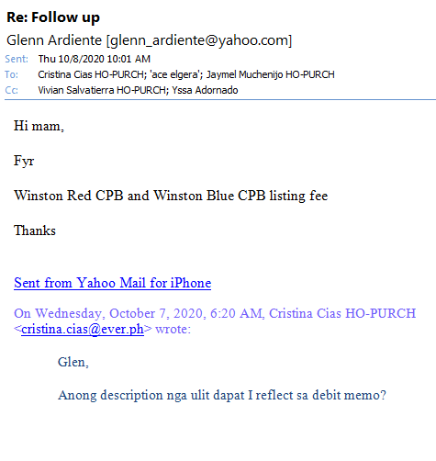
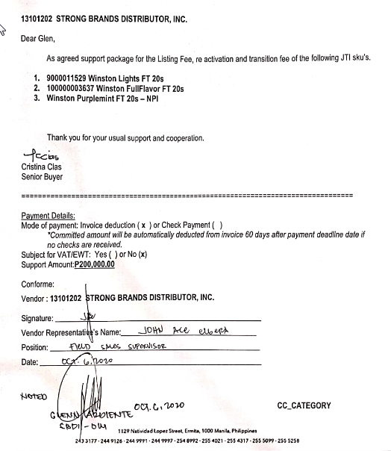
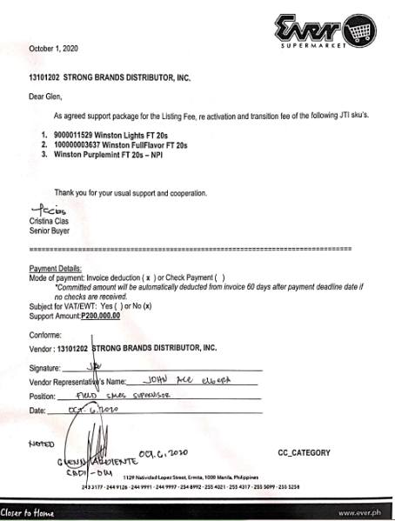
 | OFFICIAL PRICE LIST ( As of September 7, 2019 )
 | Strong Brands Distribution Inc.
 | #40 Royal Road Baranggay Apolonio Samson, Quezon City
 | Vat Reg Tin# 010-185-526-000 / Tel# 362-9436

BRANDS | BARCODE |  |  | Packing | JTI / DP TO WS |  |  | SRP |  | JTI / DP to RT |  |  | SRP
Variant | Case | Carton | Pack |  | Case | Carton | Pack | Carton | Pack | Case | Carton | Pack | Pack | Stick
WINSTON
WINSTON BLACK EXTREME MINT SFP | 14033100041652 | 4033100041648 | 4033100041631 | 50 x 10 X 1 | 43,700.00 | 874.00 | 87.40 | 876.00 | 87.60 | 43,800.00 | 876.00 | 87.60 | 90 | 5
WINSTON RED BOX | 14800177073202 | 4800177073205 | 48040594 | 50 x 10 X 1 | 43,700.00 | 874.00 | 87.40 | 876.00 | 87.60 | 43,800.00 | 876.00 | 87.60 | 90 | 5
WINSTON BLUE BOX (Lights) | 14800177039208 | 4800177039201 | 48039871 | 50 x 10 X 1 | 43,700.00 | 874.00 | 87.40 | 876.00 | 87.60 | 43,800.00 | 876.00 | 87.60 | 90 | 5
WINSTON BLACK EXTREME MINT BOX | 14033100019477 | 4033100019463 | 4033100019456 | 50 x 10 X 1 | 43,700.00 | 874.00 | 87.40 | 876.00 | 87.60 | 43,800.00 | 876.00 | 87.60 | 90 | 5
WINSTON PURPLE MINT BOX | 4033100079450 | 4033100079443 | 4033100079436 | 50 x 10 X 1 | 43,700.00 | 874.00 | 87.40 | 876.00 | 87.60 | 43,800.00 | 876.00 | 87.60 | 90 | 5
WINSTON BLUE BOX | 14800177039208 | 4800177039201 | 48039871 | 50 x 10 X 1 | 43,700.00 | 874.00 | 87.40 | 876.00 | 87.60 | 43,800.00 | 876.00 | 87.60 | 90 | 5
WINSTON CASTER BOX | 14806520211321 | 4806520211324 | 4806520211317 | 50 x 10 X 1 | 43,700.00 | 874.00 | 87.40 | 876.00 | 87.60 | 43,800.00 | 876.00 | 87.60 | 90 | 5
WINSTON RED 10's | 14800177074209 | 4800177074202 | 48040884 | 50 x 10 X 1 | 43,700.00 | 874.00 | 87.40 | 876.00 | 87.60 | 43,800.00 | 876.00 | 87.60 | 90 | N/A
WINSTON BLUE 10's | 14800177038201 | 4800177038204 | 48040691 | 50 x 10 X 1 | 43,700.00 | 874.00 | 87.40 | 876.00 | 87.60 | 43,800.00 | 876.00 | 87.60 | 90 | N/A

CAMEL ORIGINAL BOX | 4032900006208 | 4032900000053 | 40329055 | 50 x 10 X 1 | 43,700.00 | 874.00 | 87.40 | 876.00 | 87.60 | 43,800.00 | 876.00 | 87.60 | 90 | 5
CAMEL WHITE BOX | 4032900002071 | 4032900000084 | 40329086 | 50 x 10 X 1 | 43,700.00 | 874.00 | 87.40 | 876.00 | 87.60 | 43,800.00 | 876.00 | 87.60 | 90 | 5
CAMEL MAX MINT 100s BOX | 4033100058295 | 4033100058288 | 4033100058271 | 50 x 10 X 1 | 43,700.00 | 874.00 | 87.40 | 876.00 | 87.60 | 43,800.00 | 876.00 | 87.60 | 90 | 5
CAMEL ORIGINAL SFP | 14800177075206 | 4800177075209 | 48033848 | 50 x 10 X 1 | 43,700.00 | 874.00 | 87.40 | 876.00 | 87.60 | 43,800.00 | 876.00 | 87.60 | 90 | 5
CAMEL MENTHOL 100s BOX | 14806520211116 | 4806520211119 | 4806520211102 | 50 x 10 X 1 | 43,700.00 | 874.00 | 87.40 | 876.00 | 87.60 | 43,800.00 | 876.00 | 87.60 | 90 | 5
MEVIUS
MEVIUS ORIGINAL BOX | 14902210199402 | 4902210199405 | 49401196 | 50 x 10 X 1 | 48,200.00 | 964.00 | 96.40 | 966.00 | 96.60 | 48,300.00 | 966.00 | 96.60 | 100 | 6
MEVIUS SKY BLUE BOX | 14902210200900 | 4902210200903 | 4902210200804 | 50 x 10 X 1 | 48,200.00 | 964.00 | 96.40 | 966.00 | 96.60 | 48,300.00 | 966.00 | 96.60 | 100 | 6
MEVIUS WIND BLUE BOX | 14902210202508 | 4902210202501 | 4902210202402 | 50 x 10 X 1 | 48,200.00 | 964.00 | 96.40 | 966.00 | 96.60 | 48,300.00 | 966.00 | 96.60 | 100 | 6
MEVIUS OPTION DUO BOX | 4033100067259 | 4033100067242 | 4033100067235 | 50 x 10 X 1 | 48,200.00 | 964.00 | 96.40 | 966.00 | 96.60 | 48,300.00 | 966.00 | 96.60 | 100 | 6
MIGHTY
MIGHTY FULL FLAVOR SFP | 14806501228188 | 4806501228181 | 48039390 | 50 x 10 X 1 | 33,900.00 | 678.00 | 67.80 | 680.00 | 68.00 | 34,000.00 | 680.00 | 68.00 | 70 | 4
MIGHTY FULL FLAVOR BOX | 14806501229383 | 4806501229386 | 48041836 | 50 x 10 X 1 | 33,900.00 | 678.00 | 67.80 | 680.00 | 68.00 | 34,000.00 | 680.00 | 68.00 | 70 | 4
MIGHTY MENTHOL 100's SFP | 14806501227570 | 4806501227573 | 48039338 | 50 x 10 X 1 | 33,900.00 | 678.00 | 67.80 | 680.00 | 68.00 | 34,000.00 | 680.00 | 68.00 | 70 | 4
MIGHTY MENTHOL 100's BOX | 14806501229314 | 4806501229317 | 48041812 | 50 x 10 X 1 | 33,900.00 | 678.00 | 67.80 | 680.00 | 68.00 | 34,000.00 | 680.00 | 68.00 | 70 | 4
MIGHTY BLACK BOX | 14806501229338 | 4806501229331 | 48042055 | 50 x 10 X 1 | 33,900.00 | 678.00 | 67.80 | 680.00 | 68.00 | 34,000.00 | 680.00 | 68.00 | 70 | 4
MIGHTY VANILLA BOX | 14806501229284 | 4806501229287 | 48042222 | 50 x 10 X 1 | 33,900.00 | 678.00 | 67.80 | 680.00 | 68.00 | 34,000.00 | 680.00 | 68.00 | 70 | 4
MIGHTY FULL FLAVOR 10's | 1480650122936 9 | 4806501229362 | 4804 1843 | 50 x 10 X 1 | 33,900.00 | 678.00 | 67.80 | 680.00 | 68.00 | 34,000.00 | 680.00 | 68.00 | 70 | N/A
MIGHTY MENTHOL 10's | 14806501229321 | 4806501229324 | 4804 1829 | 50 x 10 X 1 | 33,900.00 | 678.00 | 67.80 | 680.00 | 68.00 | 34,000.00 | 680.00 | 68.00 | 70 | N/A
MARVELS
MARVELS FULL FLAVOR SFP | 14806501229260 | 4806501229263 | 48039406 | 50 x 10 X 1 | 33,900.00 | 678.00 | 67.80 | 680.00 | 68.00 | 34,000.00 | 680.00 | 68.00 | 70 | 4
MARVELS MENTHOL 100's SFP | 14806501227242 | 4806501227245 | 48039307 | 50 x 10 X 1 | 33,900.00 | 678.00 | 67.80 | 680.00 | 68.00 | 34,000.00 | 680.00 | 68.00 | 70 | 4

