Panel Mount
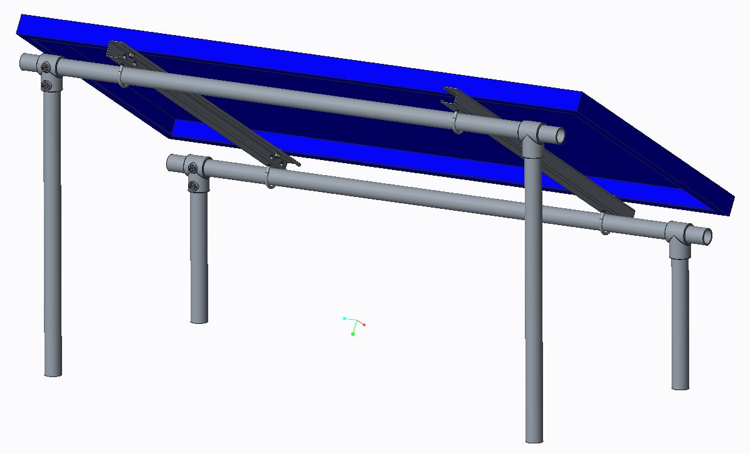
This was designed by Kilian Betz.
 | Item | Quantity | Description | Price / Unit | Price | URL
1 | Strut | 2 | 1-5/8" x 1-5/8" x 3' | $13.32 | $26.64 | http://www.mcmaster.com/#3310t197/=za24w3
2 | Structural Pipe | 2 | 1-5/8" x 8' | $14.98 | $29.96 | http://www.homedepot.com/p/YARDGARD-1-5-8-in-x-8-ft-16-Gauge-Galvanized-Steel-Line-Post-328923DPT/100322474?MERCH=RV-_-rv_homepage_rr-_-NA-_-100322474-_-N
3 | Structural Pipe | 3 | 1-5/8" x 6' | $8.56 | $25.68 | http://www.homedepot.com/p/YARDGARD-1-5-8-in-x-6-ft-16-gauge-Galvanized-Steel-Line-Post-328921DPT/100322481?MERCH=RV-_-rv_homepage_rr-_-NA-_-100322481-_-N
4 | Pipe Tee | 4 | For 1-1/4" pipe | $6.26 | $25.04 | http://www.zoro.com/value-brand-single-socket-tee-nom-pipe-size-1-14-in-4nxt2/i/G2192093/
5 | U-Bolt | 4 | For 1-1/4" pipe, 5/16"-18 thread | $0.87 | $3.48 | http://www.mcmaster.com/#3043t624/=za2bax
6 | Bolt | 4 | 5/16"-24 thread, 3/4" length | $0.67 | $2.68 | http://www.mcmaster.com/#93190a340/=za2717
7 | Nut | 4 | 5/16"-24 thread | $0.16 | $0.64 | http://www.mcmaster.com/#94804a315/=za29xh
8 | Washer | 8 | Split locking, for 5/16" bolts | $0.08 | $0.64 | http://www.mcmaster.com/#92147a030/=za1wrt

 |  |  |  | Total: | $114.76

