Sheet1
Mean sea level pressure |  |  | 760 | mmHg | 101.325 | kPa

Acetone
 | Molar mass
 |  | 58.08 | g·mol−1
 | Boiling point
 |  | 56.05 | °C | 132.89 | °F | 329.2 | K
 | Vapor pressure
 |  | 30.6 | kPa (25 °C)
 |  | P in mm Hg |  | 1 | 10 | 40 | 100 | 400 | 760 | 1520 | 3800
 |  | T in °C |  | -59.4 | -31.1 | -9.4 | 7.7 | 39.5 | 56.5 | 78.6 | 113
 |  | Convert mmHg to kPa |  | 0.13332238914 | 1.3332238914 | 5.3328955657 | 13.332238914 | 53.328955657 | 101.32501575 | 202.6500315 | 506.62507874
 |  | Convert to kelvin |  | 213.7 | 242.0 | 263.8 | 280.8 | 312.7 | 329.7 | 351.8 | 386.2

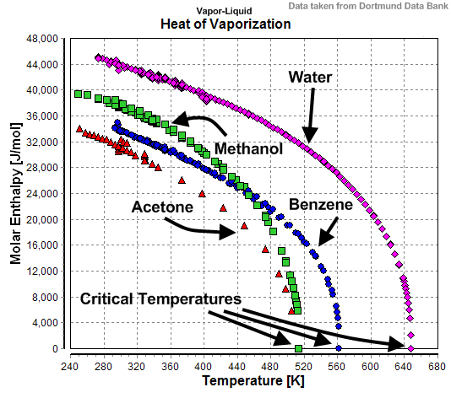

 | Heat of vaporization
 |  | 31000 | joules/mole at 298 K from the graph
 |  | 533.74655647 | joules/gram at 298 K from the graph
 |  | 28500 | joules/mole at 330 K from the graph
 |  | 490.70247934 | joules/gram at 330 K from the graph

Air
 | Molar mass | 29 | g/mole avg

 | Density | 1.225 | kg/m3, sea level, 15C

Thus:
 | To displace 1 cubic meter of air would require (58/29)*1.225 kg of acetone vapor,
 | or more accurately |  | 2.4533793103 | kg

 | Using the heat of vaporization for 330 K this would require
 | 1203879.3103 | joules.

 | Assumed frequency |  | 30 | Hz
 | results in required power of
 | 18058.189655 | kilowatts

Volume:
 | Loud speaker
 |  | 12 | inch diameter cone
 |  | 0.14593175398 | m2 cone area
 |  | 0.01 | m throw at ~10 w 30 Hz
 |  | 0.0014593175398 | m3 volume displacement

 | Power to replicate loud speaker
 |  | Power to boil this much volume at specified frequency is
 |  | 26.352632901 | kilowatts.
 |  | This would have to be the power radiated by the source not
 |  | including heat radiated due to the elevation of the temperatue
 |  | of the device.
 |  | Note that the resulting radiation would have an essentially
 |  | monopole distribution which is not easily compared with a
 |  | dipole distribution for low frequencies.

 | Power to cancel loud speaker signal over 1 cubic meter

