Avatar
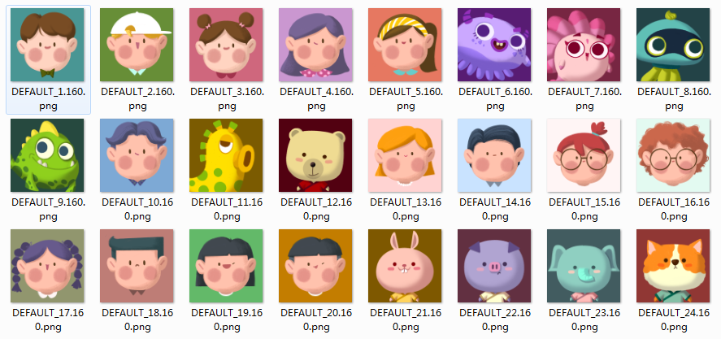
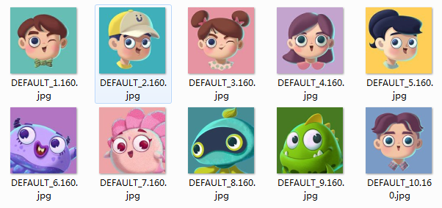
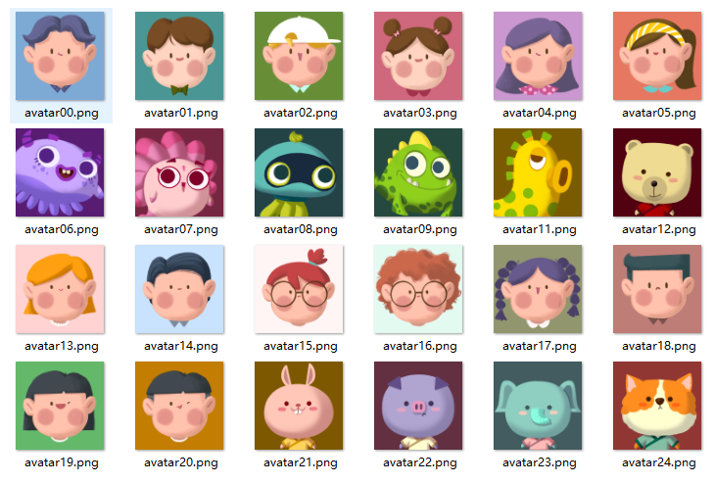
服务器编号 | 显示顺序 | go2本地文件名(旧) | go2本地文件名(新) | app文件名 | 代码 | 代码2 | 代码3 | 代码4 | 代码5 | 代码6 | 代码7 | 新头像 | 新旧头像对照
0 | 0 | avatar02 | avatar00 | DEFAULT_10.160 | avatarConfig.Add("DEFAULT_10.160", 0); | PortraitIcons.Add("0", SpriteHelper.Instance.LoadTextureFromBuffer(ModuleViews.Expression, this.moduleConfig.GetImagePath(ModuleViews.Expression, "avatar00"))); | portraitIcons.Add(0, SpriteHelper.Instance.LoadTextureFromBuffer(ModuleViews.Expression, "Texture/Expression/View/avatar00.png")); | var/vault_apk_res/Texture/Expression/View/avatar00.png | var/vault_apk_res/Texture/MessageInbox/View/avatar00.png | { "file":"var/vault_apk_res/Texture/Expression/View/avatar00.png", "md5":"" }, | { "file":"var/vault_apk_res/Texture/MessageInbox/View/avatar00.png", "md5":"" },
1 | 1 | avatar04 | avatar01 | DEFAULT_1.160 | avatarConfig.Add("DEFAULT_1.160", 1); | PortraitIcons.Add("1", SpriteHelper.Instance.LoadTextureFromBuffer(ModuleViews.Expression, this.moduleConfig.GetImagePath(ModuleViews.Expression, "avatar01"))); | portraitIcons.Add(1, SpriteHelper.Instance.LoadTextureFromBuffer(ModuleViews.Expression, "Texture/Expression/View/avatar01.png")); | var/vault_apk_res/Texture/Expression/View/avatar01.png | var/vault_apk_res/Texture/MessageInbox/View/avatar01.png | { "file":"var/vault_apk_res/Texture/Expression/View/avatar01.png", "md5":"" }, | { "file":"var/vault_apk_res/Texture/MessageInbox/View/avatar01.png", "md5":"" },
2 | 2 | avatar06 | avatar02 | DEFAULT_2.160 | avatarConfig.Add("DEFAULT_2.160", 2); | PortraitIcons.Add("2", SpriteHelper.Instance.LoadTextureFromBuffer(ModuleViews.Expression, this.moduleConfig.GetImagePath(ModuleViews.Expression, "avatar02"))); | portraitIcons.Add(2, SpriteHelper.Instance.LoadTextureFromBuffer(ModuleViews.Expression, "Texture/Expression/View/avatar02.png")); | var/vault_apk_res/Texture/Expression/View/avatar02.png | var/vault_apk_res/Texture/MessageInbox/View/avatar02.png | { "file":"var/vault_apk_res/Texture/Expression/View/avatar02.png", "md5":"" }, | { "file":"var/vault_apk_res/Texture/MessageInbox/View/avatar02.png", "md5":"" },
3 | 3 | avatar03 | avatar03 | DEFAULT_3.160 | avatarConfig.Add("DEFAULT_3.160", 3); | PortraitIcons.Add("3", SpriteHelper.Instance.LoadTextureFromBuffer(ModuleViews.Expression, this.moduleConfig.GetImagePath(ModuleViews.Expression, "avatar03"))); | portraitIcons.Add(3, SpriteHelper.Instance.LoadTextureFromBuffer(ModuleViews.Expression, "Texture/Expression/View/avatar03.png")); | var/vault_apk_res/Texture/Expression/View/avatar03.png | var/vault_apk_res/Texture/MessageInbox/View/avatar03.png | { "file":"var/vault_apk_res/Texture/Expression/View/avatar03.png", "md5":"" }, | { "file":"var/vault_apk_res/Texture/MessageInbox/View/avatar03.png", "md5":"" },
4 | 4 | avatar01 | avatar04 | DEFAULT_4.160 | avatarConfig.Add("DEFAULT_4.160", 4); | PortraitIcons.Add("4", SpriteHelper.Instance.LoadTextureFromBuffer(ModuleViews.Expression, this.moduleConfig.GetImagePath(ModuleViews.Expression, "avatar04"))); | portraitIcons.Add(4, SpriteHelper.Instance.LoadTextureFromBuffer(ModuleViews.Expression, "Texture/Expression/View/avatar04.png")); | var/vault_apk_res/Texture/Expression/View/avatar04.png | var/vault_apk_res/Texture/MessageInbox/View/avatar04.png | { "file":"var/vault_apk_res/Texture/Expression/View/avatar04.png", "md5":"" }, | { "file":"var/vault_apk_res/Texture/MessageInbox/View/avatar04.png", "md5":"" },
5 | 5 | avatar05 | avatar05 | DEFAULT_5.160 | avatarConfig.Add("DEFAULT_5.160", 5); | PortraitIcons.Add("5", SpriteHelper.Instance.LoadTextureFromBuffer(ModuleViews.Expression, this.moduleConfig.GetImagePath(ModuleViews.Expression, "avatar05"))); | portraitIcons.Add(5, SpriteHelper.Instance.LoadTextureFromBuffer(ModuleViews.Expression, "Texture/Expression/View/avatar05.png")); | var/vault_apk_res/Texture/Expression/View/avatar05.png | var/vault_apk_res/Texture/MessageInbox/View/avatar05.png | { "file":"var/vault_apk_res/Texture/Expression/View/avatar05.png", "md5":"" }, | { "file":"var/vault_apk_res/Texture/MessageInbox/View/avatar05.png", "md5":"" },
6 | 6 | avatarp | avatar06 | DEFAULT_6.160 | avatarConfig.Add("DEFAULT_6.160", 6); | PortraitIcons.Add("6", SpriteHelper.Instance.LoadTextureFromBuffer(ModuleViews.Expression, this.moduleConfig.GetImagePath(ModuleViews.Expression, "avatar06"))); | portraitIcons.Add(6, SpriteHelper.Instance.LoadTextureFromBuffer(ModuleViews.Expression, "Texture/Expression/View/avatar06.png")); | var/vault_apk_res/Texture/Expression/View/avatar06.png | var/vault_apk_res/Texture/MessageInbox/View/avatar06.png | { "file":"var/vault_apk_res/Texture/Expression/View/avatar06.png", "md5":"" }, | { "file":"var/vault_apk_res/Texture/MessageInbox/View/avatar06.png", "md5":"" },
7 | 7 | avatars | avatar07 | DEFAULT_7.160 | avatarConfig.Add("DEFAULT_7.160", 7); | PortraitIcons.Add("7", SpriteHelper.Instance.LoadTextureFromBuffer(ModuleViews.Expression, this.moduleConfig.GetImagePath(ModuleViews.Expression, "avatar07"))); | portraitIcons.Add(7, SpriteHelper.Instance.LoadTextureFromBuffer(ModuleViews.Expression, "Texture/Expression/View/avatar07.png")); | var/vault_apk_res/Texture/Expression/View/avatar07.png | var/vault_apk_res/Texture/MessageInbox/View/avatar07.png | { "file":"var/vault_apk_res/Texture/Expression/View/avatar07.png", "md5":"" }, | { "file":"var/vault_apk_res/Texture/MessageInbox/View/avatar07.png", "md5":"" },
8 | 8 | avatarn | avatar08 | DEFAULT_8.160 | avatarConfig.Add("DEFAULT_8.160", 8); | PortraitIcons.Add("8", SpriteHelper.Instance.LoadTextureFromBuffer(ModuleViews.Expression, this.moduleConfig.GetImagePath(ModuleViews.Expression, "avatar08"))); | portraitIcons.Add(8, SpriteHelper.Instance.LoadTextureFromBuffer(ModuleViews.Expression, "Texture/Expression/View/avatar08.png")); | var/vault_apk_res/Texture/Expression/View/avatar08.png | var/vault_apk_res/Texture/MessageInbox/View/avatar08.png | { "file":"var/vault_apk_res/Texture/Expression/View/avatar08.png", "md5":"" }, | { "file":"var/vault_apk_res/Texture/MessageInbox/View/avatar08.png", "md5":"" },
9 | 9 | avatard | avatar09 | DEFAULT_9.160 | avatarConfig.Add("DEFAULT_9.160", 9); | PortraitIcons.Add("9", SpriteHelper.Instance.LoadTextureFromBuffer(ModuleViews.Expression, this.moduleConfig.GetImagePath(ModuleViews.Expression, "avatar09"))); | portraitIcons.Add(9, SpriteHelper.Instance.LoadTextureFromBuffer(ModuleViews.Expression, "Texture/Expression/View/avatar09.png")); | var/vault_apk_res/Texture/Expression/View/avatar09.png | var/vault_apk_res/Texture/MessageInbox/View/avatar09.png | { "file":"var/vault_apk_res/Texture/Expression/View/avatar09.png", "md5":"" }, | { "file":"var/vault_apk_res/Texture/MessageInbox/View/avatar09.png", "md5":"" },
10 | 99 | avatar_default | avatar_default |  | avatarConfig.Add("", 99); | PortraitIcons.Add("10", SpriteHelper.Instance.LoadTextureFromBuffer(ModuleViews.Expression, this.moduleConfig.GetImagePath(ModuleViews.Expression, "avatar_default"))); | portraitIcons.Add(10, SpriteHelper.Instance.LoadTextureFromBuffer(ModuleViews.Expression, "Texture/Expression/View/avatar_default.png")); | var/vault_apk_res/Texture/Expression/View/avatar_default.png | var/vault_apk_res/Texture/MessageInbox/View/avatar_default.png | { "file":"var/vault_apk_res/Texture/Expression/View/avatar_default.png", "md5":"" }, | { "file":"var/vault_apk_res/Texture/MessageInbox/View/avatar_default.png", "md5":"" },
11 | 11 | avatary | avatar11 | DEFAULT_11.160 | avatarConfig.Add("DEFAULT_11.160", 11); | PortraitIcons.Add("11", SpriteHelper.Instance.LoadTextureFromBuffer(ModuleViews.Expression, this.moduleConfig.GetImagePath(ModuleViews.Expression, "avatar11"))); | portraitIcons.Add(11, SpriteHelper.Instance.LoadTextureFromBuffer(ModuleViews.Expression, "Texture/Expression/View/avatar11.png")); | var/vault_apk_res/Texture/Expression/View/avatar11.png | var/vault_apk_res/Texture/MessageInbox/View/avatar11.png | { "file":"var/vault_apk_res/Texture/Expression/View/avatar11.png", "md5":"" }, | { "file":"var/vault_apk_res/Texture/MessageInbox/View/avatar11.png", "md5":"" },
12 | 12 | avataru | avatar12 | DEFAULT_12.160 | avatarConfig.Add("DEFAULT_12.160", 12); | PortraitIcons.Add("12", SpriteHelper.Instance.LoadTextureFromBuffer(ModuleViews.Expression, this.moduleConfig.GetImagePath(ModuleViews.Expression, "avatar12"))); | portraitIcons.Add(12, SpriteHelper.Instance.LoadTextureFromBuffer(ModuleViews.Expression, "Texture/Expression/View/avatar12.png")); | var/vault_apk_res/Texture/Expression/View/avatar12.png | var/vault_apk_res/Texture/MessageInbox/View/avatar12.png | { "file":"var/vault_apk_res/Texture/Expression/View/avatar12.png", "md5":"" }, | { "file":"var/vault_apk_res/Texture/MessageInbox/View/avatar12.png", "md5":"" },
13 | 13 | avatar07 | avatar13 | DEFAULT_13.160 | avatarConfig.Add("DEFAULT_13.160", 13); | PortraitIcons.Add("13", SpriteHelper.Instance.LoadTextureFromBuffer(ModuleViews.Expression, this.moduleConfig.GetImagePath(ModuleViews.Expression, "avatar13"))); | portraitIcons.Add(13, SpriteHelper.Instance.LoadTextureFromBuffer(ModuleViews.Expression, "Texture/Expression/View/avatar13.png")); | var/vault_apk_res/Texture/Expression/View/avatar13.png | var/vault_apk_res/Texture/MessageInbox/View/avatar13.png | { "file":"var/vault_apk_res/Texture/Expression/View/avatar13.png", "md5":"" }, | { "file":"var/vault_apk_res/Texture/MessageInbox/View/avatar13.png", "md5":"" },
14 | 14 | avatar08 | avatar14 | DEFAULT_14.160 | avatarConfig.Add("DEFAULT_14.160", 14); | PortraitIcons.Add("14", SpriteHelper.Instance.LoadTextureFromBuffer(ModuleViews.Expression, this.moduleConfig.GetImagePath(ModuleViews.Expression, "avatar14"))); | portraitIcons.Add(14, SpriteHelper.Instance.LoadTextureFromBuffer(ModuleViews.Expression, "Texture/Expression/View/avatar14.png")); | var/vault_apk_res/Texture/Expression/View/avatar14.png | var/vault_apk_res/Texture/MessageInbox/View/avatar14.png | { "file":"var/vault_apk_res/Texture/Expression/View/avatar14.png", "md5":"" }, | { "file":"var/vault_apk_res/Texture/MessageInbox/View/avatar14.png", "md5":"" },
15 | 15 | avatar09 | avatar15 | DEFAULT_15.160 | avatarConfig.Add("DEFAULT_15.160", 15); | PortraitIcons.Add("15", SpriteHelper.Instance.LoadTextureFromBuffer(ModuleViews.Expression, this.moduleConfig.GetImagePath(ModuleViews.Expression, "avatar15"))); | portraitIcons.Add(15, SpriteHelper.Instance.LoadTextureFromBuffer(ModuleViews.Expression, "Texture/Expression/View/avatar15.png")); | var/vault_apk_res/Texture/Expression/View/avatar15.png | var/vault_apk_res/Texture/MessageInbox/View/avatar15.png | { "file":"var/vault_apk_res/Texture/Expression/View/avatar15.png", "md5":"" }, | { "file":"var/vault_apk_res/Texture/MessageInbox/View/avatar15.png", "md5":"" },
16 | 16 | avatar10 | avatar16 | DEFAULT_16.160 | avatarConfig.Add("DEFAULT_16.160", 16); | PortraitIcons.Add("16", SpriteHelper.Instance.LoadTextureFromBuffer(ModuleViews.Expression, this.moduleConfig.GetImagePath(ModuleViews.Expression, "avatar16"))); | portraitIcons.Add(16, SpriteHelper.Instance.LoadTextureFromBuffer(ModuleViews.Expression, "Texture/Expression/View/avatar16.png")); | var/vault_apk_res/Texture/Expression/View/avatar16.png | var/vault_apk_res/Texture/MessageInbox/View/avatar16.png | { "file":"var/vault_apk_res/Texture/Expression/View/avatar16.png", "md5":"" }, | { "file":"var/vault_apk_res/Texture/MessageInbox/View/avatar16.png", "md5":"" },
17 | 17 | avatar11 | avatar17 | DEFAULT_17.160 | avatarConfig.Add("DEFAULT_17.160", 17); | PortraitIcons.Add("17", SpriteHelper.Instance.LoadTextureFromBuffer(ModuleViews.Expression, this.moduleConfig.GetImagePath(ModuleViews.Expression, "avatar17"))); | portraitIcons.Add(17, SpriteHelper.Instance.LoadTextureFromBuffer(ModuleViews.Expression, "Texture/Expression/View/avatar17.png")); | var/vault_apk_res/Texture/Expression/View/avatar17.png | var/vault_apk_res/Texture/MessageInbox/View/avatar17.png | { "file":"var/vault_apk_res/Texture/Expression/View/avatar17.png", "md5":"" }, | { "file":"var/vault_apk_res/Texture/MessageInbox/View/avatar17.png", "md5":"" },
18 | 18 | avatar12 | avatar18 | DEFAULT_18.160 | avatarConfig.Add("DEFAULT_18.160", 18); | PortraitIcons.Add("18", SpriteHelper.Instance.LoadTextureFromBuffer(ModuleViews.Expression, this.moduleConfig.GetImagePath(ModuleViews.Expression, "avatar18"))); | portraitIcons.Add(18, SpriteHelper.Instance.LoadTextureFromBuffer(ModuleViews.Expression, "Texture/Expression/View/avatar18.png")); | var/vault_apk_res/Texture/Expression/View/avatar18.png | var/vault_apk_res/Texture/MessageInbox/View/avatar18.png | { "file":"var/vault_apk_res/Texture/Expression/View/avatar18.png", "md5":"" }, | { "file":"var/vault_apk_res/Texture/MessageInbox/View/avatar18.png", "md5":"" },
19 | 19 | avatar13 | avatar19 | DEFAULT_19.160 | avatarConfig.Add("DEFAULT_19.160", 19); | PortraitIcons.Add("19", SpriteHelper.Instance.LoadTextureFromBuffer(ModuleViews.Expression, this.moduleConfig.GetImagePath(ModuleViews.Expression, "avatar19"))); | portraitIcons.Add(19, SpriteHelper.Instance.LoadTextureFromBuffer(ModuleViews.Expression, "Texture/Expression/View/avatar19.png")); | var/vault_apk_res/Texture/Expression/View/avatar19.png | var/vault_apk_res/Texture/MessageInbox/View/avatar19.png | { "file":"var/vault_apk_res/Texture/Expression/View/avatar19.png", "md5":"" }, | { "file":"var/vault_apk_res/Texture/MessageInbox/View/avatar19.png", "md5":"" },
20 | 20 | avatar14 | avatar20 | DEFAULT_20.160 | avatarConfig.Add("DEFAULT_20.160", 20); | PortraitIcons.Add("20", SpriteHelper.Instance.LoadTextureFromBuffer(ModuleViews.Expression, this.moduleConfig.GetImagePath(ModuleViews.Expression, "avatar20"))); | portraitIcons.Add(20, SpriteHelper.Instance.LoadTextureFromBuffer(ModuleViews.Expression, "Texture/Expression/View/avatar20.png")); | var/vault_apk_res/Texture/Expression/View/avatar20.png | var/vault_apk_res/Texture/MessageInbox/View/avatar20.png | { "file":"var/vault_apk_res/Texture/Expression/View/avatar20.png", "md5":"" }, | { "file":"var/vault_apk_res/Texture/MessageInbox/View/avatar20.png", "md5":"" },
21 | 21 | avatar15 | avatar21 | DEFAULT_21.160 | avatarConfig.Add("DEFAULT_21.160", 21); | PortraitIcons.Add("21", SpriteHelper.Instance.LoadTextureFromBuffer(ModuleViews.Expression, this.moduleConfig.GetImagePath(ModuleViews.Expression, "avatar21"))); | portraitIcons.Add(21, SpriteHelper.Instance.LoadTextureFromBuffer(ModuleViews.Expression, "Texture/Expression/View/avatar21.png")); | var/vault_apk_res/Texture/Expression/View/avatar21.png | var/vault_apk_res/Texture/MessageInbox/View/avatar21.png | { "file":"var/vault_apk_res/Texture/Expression/View/avatar21.png", "md5":"" }, | { "file":"var/vault_apk_res/Texture/MessageInbox/View/avatar21.png", "md5":"" },
22 | 22 | avatar16 | avatar22 | DEFAULT_22.160 | avatarConfig.Add("DEFAULT_22.160", 22); | PortraitIcons.Add("22", SpriteHelper.Instance.LoadTextureFromBuffer(ModuleViews.Expression, this.moduleConfig.GetImagePath(ModuleViews.Expression, "avatar22"))); | portraitIcons.Add(22, SpriteHelper.Instance.LoadTextureFromBuffer(ModuleViews.Expression, "Texture/Expression/View/avatar22.png")); | var/vault_apk_res/Texture/Expression/View/avatar22.png | var/vault_apk_res/Texture/MessageInbox/View/avatar22.png | { "file":"var/vault_apk_res/Texture/Expression/View/avatar22.png", "md5":"" }, | { "file":"var/vault_apk_res/Texture/MessageInbox/View/avatar22.png", "md5":"" },
23 | 23 | avatar17 | avatar23 | DEFAULT_23.160 | avatarConfig.Add("DEFAULT_23.160", 23); | PortraitIcons.Add("23", SpriteHelper.Instance.LoadTextureFromBuffer(ModuleViews.Expression, this.moduleConfig.GetImagePath(ModuleViews.Expression, "avatar23"))); | portraitIcons.Add(23, SpriteHelper.Instance.LoadTextureFromBuffer(ModuleViews.Expression, "Texture/Expression/View/avatar23.png")); | var/vault_apk_res/Texture/Expression/View/avatar23.png | var/vault_apk_res/Texture/MessageInbox/View/avatar23.png | { "file":"var/vault_apk_res/Texture/Expression/View/avatar23.png", "md5":"" }, | { "file":"var/vault_apk_res/Texture/MessageInbox/View/avatar23.png", "md5":"" },
24 | 24 | avatar18 | avatar24 | DEFAULT_24.160 | avatarConfig.Add("DEFAULT_24.160", 24); | PortraitIcons.Add("24", SpriteHelper.Instance.LoadTextureFromBuffer(ModuleViews.Expression, this.moduleConfig.GetImagePath(ModuleViews.Expression, "avatar24"))); | portraitIcons.Add(24, SpriteHelper.Instance.LoadTextureFromBuffer(ModuleViews.Expression, "Texture/Expression/View/avatar24.png")); | var/vault_apk_res/Texture/Expression/View/avatar24.png | var/vault_apk_res/Texture/MessageInbox/View/avatar24.png | { "file":"var/vault_apk_res/Texture/Expression/View/avatar24.png", "md5":"" }, | { "file":"var/vault_apk_res/Texture/MessageInbox/View/avatar24.png", "md5":"" },

 |  |  |  |  |  |  |  |  |  |  |  | app新头像 |  | app原有头像

