Sheet1
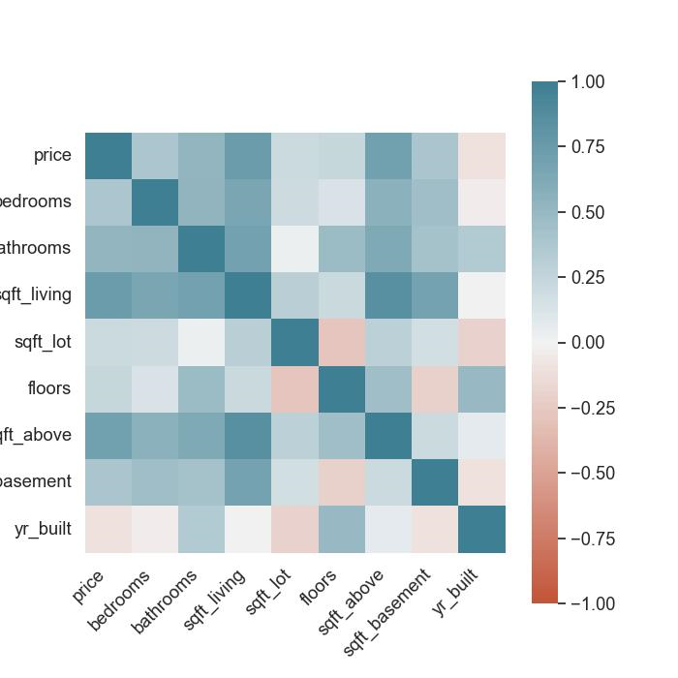
src | price | bedrooms | bathrooms | sqft_living | sqft_lot | floors | sqft_above | sqft_basement | yr_built
price | 1 | 0.38802675249 | 0.52098128837 | 0.74593853661 | 0.19876728015 | 0.23924021002 | 0.71749448215 | 0.39716535978 | -0.10905019762
bedrooms | 0.38802675249 | 1 | 0.53333006831 | 0.64946997523 | 0.19100873155 | 0.13180646753 | 0.55508477968 | 0.44329716479 | -0.033366669341
bathrooms | 0.52098128837 | 0.53333006831 | 1 | 0.69240638793 | 0.026333536707 | 0.47545397194 | 0.62467638455 | 0.42653742923 | 0.35092425994
sqft_living | 0.74593853661 | 0.64946997523 | 0.69240638793 | 1 | 0.31131370457 | 0.21775311782 | 0.85362162447 | 0.68402525713 | -0.0031001219559
sqft_lot | 0.19876728015 | 0.19100873155 | 0.026333536707 | 0.31131370457 | 1 | -0.28316255239 | 0.29121847541 | 0.17727218692 | -0.1944425254
floors | 0.23924021002 | 0.13180646753 | 0.47545397194 | 0.21775311782 | -0.28316255239 | 1 | 0.43926003591 | -0.20588598363 | 0.48668998301
sqft_above | 0.71749448215 | 0.55508477968 | 0.62467638455 | 0.85362162447 | 0.29121847541 | 0.43926003591 | 1 | 0.20392859251 | 0.070030722076
sqft_basement | 0.39716535978 | 0.44329716479 | 0.42653742923 | 0.68402525713 | 0.17727218692 | -0.20588598363 | 0.20392859251 | 1 | -0.10389736119
yr_built | -0.10905019762 | -0.033366669341 | 0.35092425994 | -0.0031001219559 | -0.1944425254 | 0.48668998301 | 0.070030722076 | -0.10389736119 | 1
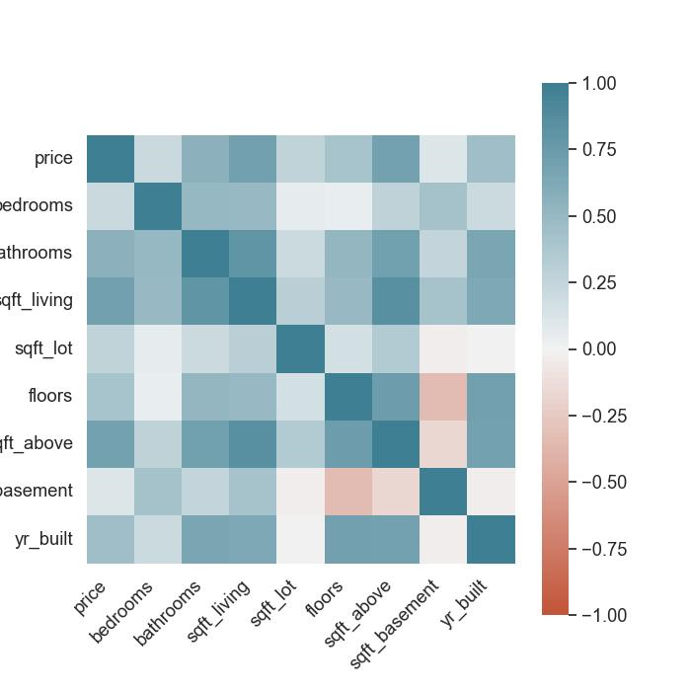

tgt | price | bedrooms | bathrooms | sqft_living | sqft_lot | floors | sqft_above | sqft_basement | yr_built
price | 1 | 0.21502544177 | 0.54695309485 | 0.70477233289 | 0.26481952384 | 0.40364372803 | 0.69323643509 | 0.11338925505 | 0.4583402204
bedrooms | 0.21502544177 | 1 | 0.50679804534 | 0.49211305099 | 0.053523871195 | 0.043378298573 | 0.27724114855 | 0.42375475648 | 0.20818072418
bathrooms | 0.54695309485 | 0.50679804534 | 1 | 0.80296892075 | 0.20621892917 | 0.51277237039 | 0.71635103668 | 0.25160482929 | 0.65168350469
sqft_living | 0.70477233289 | 0.49211305099 | 0.80296892075 | 1 | 0.30779619541 | 0.49072654348 | 0.83622943114 | 0.40647632967 | 0.62565559041
sqft_lot | 0.26481952384 | 0.053523871195 | 0.20621892917 | 0.30779619541 | 1 | 0.16518514791 | 0.34772871306 | -0.025405358907 | -0.0019107605754
floors | 0.40364372803 | 0.043378298573 | 0.51277237039 | 0.49072654348 | 0.16518514791 | 1 | 0.72772231904 | -0.32929204478 | 0.69754053159
sqft_above | 0.69323643509 | 0.27724114855 | 0.71635103668 | 0.83622943114 | 0.34772871306 | 0.72772231904 | 1 | -0.16112588229 | 0.69009999242
sqft_basement | 0.11338925505 | 0.42375475648 | 0.25160482929 | 0.40647632967 | -0.025405358907 | -0.32929204478 | -0.16112588229 | 1 | -0.023773627836
yr_built | 0.4583402204 | 0.20818072418 | 0.65168350469 | 0.62565559041 | -0.0019107605754 | 0.69754053159 | 0.69009999242 | -0.023773627836 | 1

tgt | price | bedrooms | bathrooms | sqft_living | sqft_lot | floors | sqft_above | sqft_basement | yr_built
price
bedrooms
bathrooms |  | 169155000000 |  |  |  |  |  | 1115550000000
sqft_living |  |  |  |  |  |  |  |  | 259000000000
sqft_lot |  |  | 2.59E+11 |  |  |  |  |  | 1.20E+12
floors
sqft_above
sqft_basement |  |  |  |  |  |  | 160648000000
yr_built

