Ratschbacher2019-fig4_arc_CO2
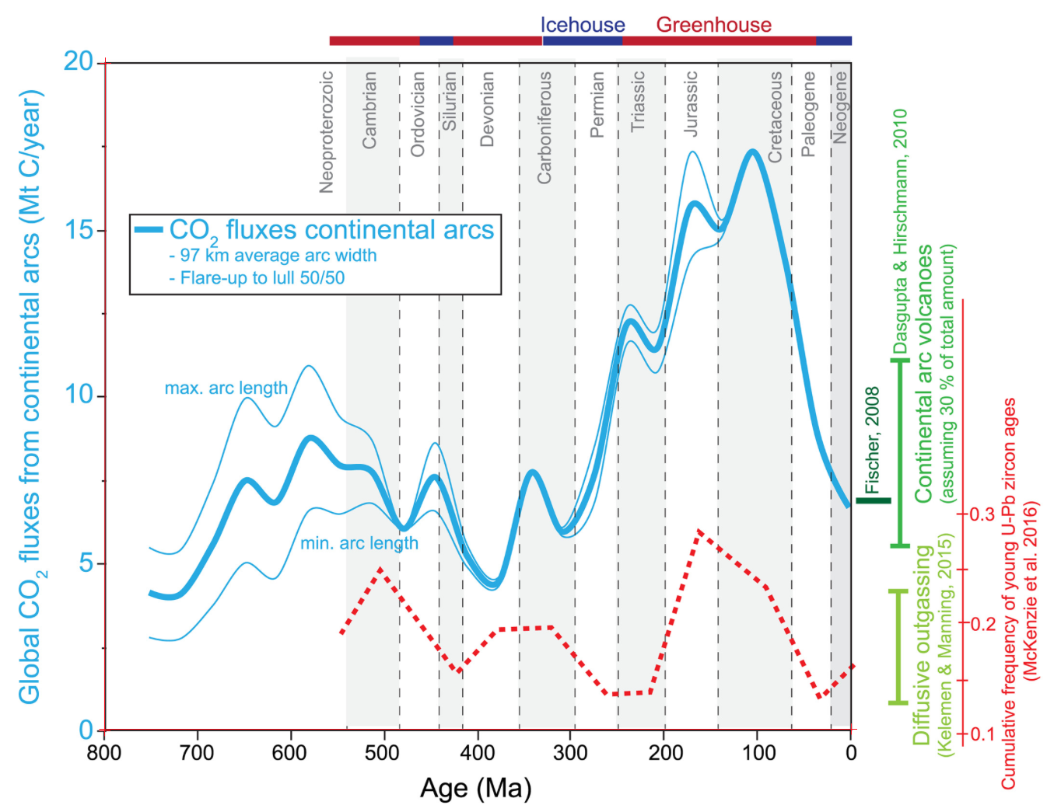
Age (Ma) | Global CO2 flux from cont. arcs (Mt C/yr) | Age (Ma) | Max Global CO2 flux from cont. arcs (Mt C/yr) | Age (Ma) | Min Global CO2 flux from cont. arcs (Mt C/yr)
751.28 | 4.15 | 751.96 | 5.47 | 751.87 | 2.79
741.13 | 4.02 | 745.61 | 5.39 | 744.55 | 2.75
727.80 | 4.00 | 738.63 | 5.31 | 736.83 | 2.70
716.39 | 4.15 | 729.11 | 5.30 | 727.88 | 2.69
707.52 | 4.48 | 718.96 | 5.40 | 720.98 | 2.73
699.28 | 4.85 | 712.63 | 5.65 | 712.85 | 2.87
690.41 | 5.26 | 706.29 | 5.95 | 703.92 | 3.10
682.81 | 5.67 | 701.23 | 6.29 | 697.42 | 3.30
675.21 | 6.09 | 695.53 | 6.66 | 691.57 | 3.49
668.25 | 6.57 | 691.10 | 6.96 | 685.43 | 3.72
661.92 | 7.00 | 686.03 | 7.28 | 678.99 | 3.95
656.22 | 7.30 | 681.60 | 7.60 | 673.77 | 4.17
647.98 | 7.49 | 677.41 | 7.92 | 667.94 | 4.44
638.45 | 7.32 | 673.58 | 8.28 | 662.41 | 4.69
631.47 | 7.09 | 669.28 | 8.66 | 657.81 | 4.85
624.48 | 6.89 | 664.97 | 9.03 | 653.20 | 4.97
618.77 | 6.84 | 660.67 | 9.39 | 647.67 | 5.05
610.53 | 7.07 | 657.32 | 9.61 | 641.22 | 4.96
604.83 | 7.44 | 654.44 | 9.78 | 636.30 | 4.83
599.77 | 7.78 | 651.57 | 9.91 | 631.99 | 4.73
595.34 | 8.11 | 647.25 | 9.98 | 627.99 | 4.64
590.27 | 8.45 | 641.01 | 9.86 | 623.69 | 4.57
585.84 | 8.66 | 636.69 | 9.69 | 618.15 | 4.55
578.87 | 8.77 | 632.85 | 9.53 | 613.24 | 4.68
570.61 | 8.63 | 629.01 | 9.38 | 608.64 | 4.91
563.63 | 8.40 | 625.16 | 9.24 | 605.26 | 5.12
557.28 | 8.18 | 622.28 | 9.16 | 601.89 | 5.37
550.29 | 7.97 | 618.44 | 9.11 | 598.52 | 5.62
541.41 | 7.90 | 613.65 | 9.18 | 594.84 | 5.88
530.62 | 7.88 | 609.82 | 9.37 | 591.16 | 6.13
519.84 | 7.88 | 605.99 | 9.61 | 587.48 | 6.36
513.49 | 7.74 | 602.16 | 9.86 | 583.49 | 6.54
507.77 | 7.48 | 598.81 | 10.10 | 578.58 | 6.64
502.68 | 7.17 | 595.46 | 10.34 | 572.43 | 6.68
496.96 | 6.86 | 592.11 | 10.57 | 565.05 | 6.62
491.88 | 6.50 | 588.27 | 10.78 | 559.52 | 6.57
487.43 | 6.27 | 582.04 | 10.93 | 553.98 | 6.50
479.81 | 6.06 | 575.32 | 10.80 | 548.45 | 6.48
471.57 | 6.27 | 571.00 | 10.61 | 541.39 | 6.55
467.14 | 6.57 | 567.16 | 10.40 | 533.71 | 6.66
462.71 | 6.86 | 563.31 | 10.17 | 526.03 | 6.76
458.27 | 7.14 | 559.47 | 9.94 | 519.57 | 6.82
454.48 | 7.39 | 556.10 | 9.75 | 513.12 | 6.80
446.87 | 7.56 | 552.74 | 9.59 | 507.89 | 6.71
439.25 | 7.33 | 548.89 | 9.41 | 503.28 | 6.59
434.80 | 7.07 | 543.61 | 9.27 | 498.97 | 6.46
430.35 | 6.71 | 536.42 | 9.18 | 494.97 | 6.34
426.53 | 6.36 | 529.22 | 9.08 | 491.28 | 6.24
422.71 | 6.02 | 522.98 | 8.98 | 488.21 | 6.17
418.90 | 5.76 | 516.74 | 8.83 | 484.51 | 6.09
413.17 | 5.35 | 512.41 | 8.59 | 481.13 | 6.02
405.55 | 5.00 | 509.05 | 8.35 | 477.14 | 6.01
399.83 | 4.75 | 505.68 | 8.05 | 472.84 | 6.07
393.48 | 4.53 | 502.31 | 7.73 | 468.54 | 6.20
384.59 | 4.38 | 499.42 | 7.48 | 464.24 | 6.32
375.72 | 4.55 | 497.02 | 7.22 | 460.25 | 6.42
371.29 | 4.89 | 494.61 | 6.98 | 455.03 | 6.53
368.13 | 5.23 | 492.80 | 6.82 | 449.50 | 6.60
364.97 | 5.60 | 490.27 | 6.61 | 443.65 | 6.53
362.44 | 5.97 | 488.05 | 6.42 | 438.42 | 6.34
358.65 | 6.45 | 485.21 | 6.26 | 434.73 | 6.12
354.22 | 6.87 | 482.05 | 6.15 | 431.65 | 5.96
350.43 | 7.28 | 479.53 | 6.11 | 428.26 | 5.77
347.26 | 7.56 | 475.74 | 6.18 | 424.88 | 5.57
340.93 | 7.72 | 473.23 | 6.32 | 420.87 | 5.31
333.30 | 7.44 | 471.65 | 6.43 | 416.56 | 5.12
328.22 | 7.12 | 470.08 | 6.58 | 412.56 | 4.92
323.77 | 6.73 | 468.51 | 6.77 | 407.95 | 4.77
319.31 | 6.40 | 466.31 | 6.98 | 403.64 | 4.63
314.86 | 6.13 | 463.79 | 7.26 | 399.03 | 4.46
308.51 | 5.97 | 460.96 | 7.53 | 394.41 | 4.34
299.00 | 6.16 | 458.13 | 7.83 | 389.80 | 4.24
292.04 | 6.48 | 455.31 | 8.16 | 382.73 | 4.22
285.71 | 6.89 | 452.16 | 8.41 | 377.20 | 4.38
280.01 | 7.32 | 449.32 | 8.54 | 373.21 | 4.56
274.31 | 7.78 | 446.49 | 8.62 | 370.76 | 4.79
269.89 | 8.27 | 442.07 | 8.51 | 368.31 | 5.06
266.10 | 8.79 | 439.86 | 8.37 | 365.56 | 5.37
262.94 | 9.34 | 436.69 | 8.13 | 363.72 | 5.62
260.42 | 9.74 | 433.53 | 7.79 | 360.96 | 5.91
256.63 | 10.24 | 430.68 | 7.51 | 359.13 | 6.17
252.84 | 10.82 | 427.83 | 7.20 | 356.68 | 6.47
250.32 | 11.28 | 425.62 | 6.92 | 354.23 | 6.82
246.52 | 11.71 | 423.08 | 6.63 | 351.47 | 7.06
243.36 | 12.03 | 420.55 | 6.37 | 349.33 | 7.34
 | Min Global CO2 flux from cont. arcs (Mt C/yr)
751.87 | 2.79
744.55 | 2.75
736.83 | 2.70
727.88 | 2.69
720.98 | 2.73
712.85 | 2.87
703.92 | 3.10
697.42 | 3.30
691.57 | 3.49
685.43 | 3.72
678.99 | 3.95
673.77 | 4.17
667.94 | 4.44
662.41 | 4.69
657.81 | 4.85
653.20 | 4.97
647.67 | 5.05
641.22 | 4.96
636.30 | 4.83
631.99 | 4.73
627.99 | 4.64
623.69 | 4.57
618.15 | 4.55
613.24 | 4.68
608.64 | 4.91
605.26 | 5.12
601.89 | 5.37
598.52 | 5.62
594.84 | 5.88
591.16 | 6.13
587.48 | 6.36
583.49 | 6.54
578.58 | 6.64
572.43 | 6.68
565.05 | 6.62
559.52 | 6.57
553.98 | 6.50
548.45 | 6.48
541.39 | 6.55
533.71 | 6.66
526.03 | 6.76
519.57 | 6.82
513.12 | 6.80
507.89 | 6.71
503.28 | 6.59
498.97 | 6.46
494.97 | 6.34
491.28 | 6.24
488.21 | 6.17
484.51 | 6.09
...
237.03 | 12.29 | 418.02 | 6.12 | 345.65 | 7.61
229.41 | 12.06 | 416.44 | 5.94 | 341.35 | 7.74
223.05 | 11.78 | 412.96 | 5.65 | 337.97 | 7.60
218.61 | 11.59 | 409.17 | 5.42 | 334.89 | 7.44
211.62 | 11.44 | 405.06 | 5.21 | 332.12 | 7.27
204.02 | 11.74 | 400.95 | 5.00 | 329.04 | 7.03
200.23 | 12.15 | 397.16 | 4.84 | 325.95 | 6.78
196.43 | 12.65 | 393.69 | 4.71 | 323.49 | 6.55
193.91 | 13.07 | 390.22 | 4.61 | 321.03 | 6.39
190.75 | 13.48 | 385.48 | 4.54 | 317.64 | 6.18
187.59 | 13.94 | 380.44 | 4.56 | 314.56 | 6.03
184.44 | 14.42 | 376.34 | 4.68 | 311.17 | 5.88
181.91 | 14.88 | 373.19 | 4.84 | 304.72 | 5.80
177.49 | 15.29 | 370.36 | 5.04 | 298.27 | 5.84
174.32 | 15.59 | 367.21 | 5.35 | 291.82 | 5.98
167.99 | 15.80 | 365.02 | 5.66 | 285.98 | 6.17
159.73 | 15.59 | 362.19 | 5.99 | 280.77 | 6.46
153.38 | 15.34 | 359.68 | 6.31 | 277.09 | 6.68
147.66 | 15.16 | 355.90 | 6.71 | 272.80 | 7.05
141.32 | 15.04 | 353.07 | 7.03 | 269.73 | 7.41
134.35 | 15.29 | 349.62 | 7.36 | 267.59 | 7.73
129.92 | 15.62 | 347.10 | 7.59 | 265.15 | 8.10
125.49 | 16.00 | 341.74 | 7.75 | 262.70 | 8.53
121.06 | 16.40 | 336.38 | 7.61 | 260.87 | 8.81
117.90 | 16.76 | 331.95 | 7.36 | 259.34 | 9.10
113.47 | 17.09 | 327.84 | 7.06 | 256.89 | 9.50
105.86 | 17.36 | 324.99 | 6.78 | 255.06 | 9.84
96.33 | 16.94 | 320.57 | 6.52 | 252.30 | 10.22
91.24 | 16.49 | 318.36 | 6.32 | 249.55 | 10.61
86.79 | 16.01 | 314.88 | 6.18 | 247.41 | 10.93
82.33 | 15.45 | 309.83 | 6.10 | 244.66 | 11.29
77.23 | 14.83 | 305.74 | 6.19 | 241.90 | 11.51
72.14 | 14.24 | 300.70 | 6.41 | 236.98 | 11.67
67.68 | 13.68 | 294.71 | 6.80 | 228.99 | 11.47
63.22 | 13.09 | 290.94 | 7.09 | 224.68 | 11.26
59.39 | 12.45 | 287.16 | 7.43 | 220.37 | 11.04
56.20 | 11.89 | 284.33 | 7.67 | 216.68 | 10.87
52.38 | 11.28 | 279.93 | 8.09 | 210.22 | 10.72
49.19 | 10.70 | 274.90 | 8.54 | 202.85 | 11.01
45.36 | 10.12 | 271.13 | 9.04 | 198.25 | 11.42
42.18 | 9.65 | 267.67 | 9.45 | 195.19 | 11.76
38.35 | 9.09 | 263.91 | 9.99 | 191.82 | 12.12
33.90 | 8.66 | 260.14 | 10.52 | 188.76 | 12.50
28.81 | 8.20 | 257.00 | 10.96 | 185.39 | 12.88
21.82 | 7.79 | 254.17 | 11.35 | 182.02 | 13.27
16.09 | 7.40 | 251.03 | 11.78 | 178.96 | 13.60
10.37 | 7.07 | 247.57 | 12.14 | 175.28 | 13.93
3.38 | 6.73 | 244.43 | 12.46 | 171.60 | 14.14
 |  | 240.96 | 12.67 | 167.30 | 14.32
 |  | 237.18 | 12.75 | 160.85 | 14.44
 |  | 233.08 | 12.68 | 152.25 | 14.50
 |  | 229.61 | 12.55 | 145.49 | 14.59
 |  | 226.45 | 12.40 | 139.97 | 14.74
 |  | 223.60 | 12.26 | 135.06 | 14.99
 |  | 220.45 | 12.12 | 131.99 | 15.23
 |  | 217.60 | 12.02 | 130.15 | 15.42
 |  | 213.18 | 11.93 | 128.31 | 15.62
 |  | 208.46 | 12.03 | 125.56 | 15.83
 |  | 204.99 | 12.25 | 123.72 | 16.05
 |  | 203.11 | 12.51 | 121.27 | 16.29
 |  | 200.60 | 12.87 | 118.51 | 16.53
 |  | 198.09 | 13.32 | 115.75 | 16.74
 |  | 195.89 | 13.68 | 112.99 | 16.98
 |  | 194.33 | 14.01 | 110.23 | 17.16
 |  | 192.13 | 14.43 | 105.93 | 17.32
 |  | 190.25 | 14.79 | 101.63 | 17.16
 |  | 188.37 | 15.17 | 98.86 | 17.00
 |  | 186.49 | 15.49 | 96.08 | 16.78
 |  | 184.61 | 15.87 | 93.31 | 16.55
 |  | 181.78 | 16.32 | 90.23 | 16.26
 |  | 180.21 | 16.60 | 86.53 | 15.87
 |  | 178.33 | 16.87 | 82.21 | 15.31
 |  | 175.81 | 17.12 | 77.89 | 14.86
 |  | 173.93 | 17.27 | 73.57 | 14.26
 |  | 170.46 | 17.35 | 68.32 | 13.61
 |  | 166.99 | 17.27 | 65.23 | 13.15
 |  | 163.51 | 17.06 | 62.76 | 12.68
 |  | 159.72 | 16.79 | 60.29 | 12.29
 |  | 157.19 | 16.56 | 56.59 | 11.81
 |  | 154.66 | 16.31 | 55.35 | 11.43
 |  | 152.13 | 16.11 | 51.95 | 10.90
 |  | 149.91 | 15.85 | 48.24 | 10.39
 |  | 146.75 | 15.63 | 44.84 | 9.78
 |  | 143.90 | 15.46 | 42.06 | 9.36
 |  | 139.17 | 15.31 | 38.36 | 8.96
 |  | 133.50 | 15.47 | 35.90 | 8.66
 |  | 129.09 | 15.75 | 30.97 | 8.29
 |  | 126.26 | 15.99 | 24.81 | 7.85
 |  | 122.80 | 16.30 | 18.95 | 7.48
 |  | 119.34 | 16.63 | 11.87 | 7.11
 |  | 115.56 | 16.94 | 7.56 | 6.87
 |  | 112.10 | 17.19 | 3.56 | 6.70
 |  | 106.11 | 17.36
 |  | 99.17 | 17.11
 |  | 95.06 | 16.77
 |  | 90.31 | 16.37
 |  | 86.83 | 15.96
 |  | 82.40 | 15.47
 |  | 78.28 | 14.97
 |  | 75.12 | 14.57
 |  | 70.68 | 14.08
 |  | 67.20 | 13.61
 |  | 63.72 | 13.16
 |  | 60.86 | 12.65
 |  | 57.69 | 12.14
 |  | 54.20 | 11.55
 |  | 51.03 | 11.02
 |  | 47.86 | 10.54
 |  | 45.64 | 10.10
 |  | 41.84 | 9.61
 |  | 39.62 | 9.25
 |  | 35.82 | 8.84
 |  | 31.71 | 8.47
 |  | 26.97 | 8.07
 |  | 21.91 | 7.75
 |  | 16.54 | 7.41
 |  | 11.16 | 7.11
 |  | 3.58 | 6.73

