Geometries
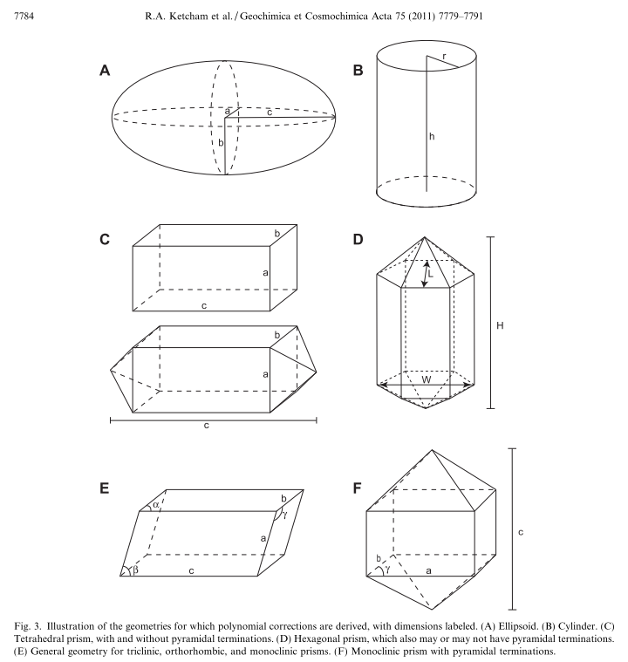
For this sheet:
1 | Ellpdoid (A)
2 | Cylindrical (B)
3 | Tetrahedral (C)
4 | Hexagonal (D)
 | E and F are not included in the reduction sheet yet

