Revision History
Revision History

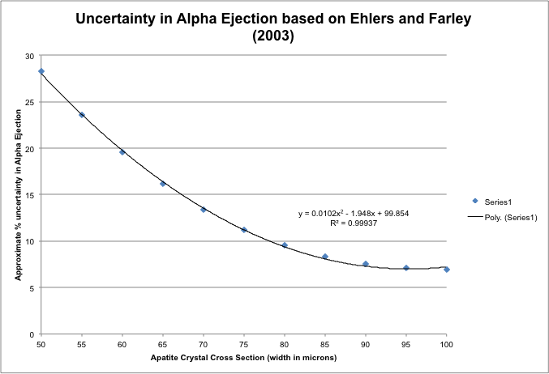
2011-04-22 | Added uncertainty in Ft to the final age calculation using the equation from Ehlers and Farley 2002.
 | Calculation assumes that error is 7% when diameter is > 90 microns
2011-04-22 | Added He in ncc, U, Th, and Sm as ng to the summary table
2012-07-11 | Changed it to CU numbers, made it capable of handling 50 calcs
2012-07-17 | Changed Ft calc to not add 7% UC to Ft=1 (Durangos)
2012-07-18 | He age calculation reference: Meesters, A., and Dunai, T., 2005, A noniterative solution of the (U-Th)/He age equation: Geochemistry Geophysics Geosystems, v. 6, no. 4, p. Q04002.
2012-07-18 | Alpha ejection uncertainty reference: Ehlers, T., and Farley, K.A., 2003, Apatite (U–Th)/He thermochronometry: methods and applications to problems in tectonic and surface processes: Earth and Planetary Science Letters, v. 206, no. 1-2, p. 1–14.
2012-07-18 | Alpha ejection reference: Farley, K.A., 2002, (U-Th)/He Dating: Techniques, Calibrations, and Applications: Reviews in Mineralogy and Geochemistry, v. 47, no. 1, p. 819–844, doi: 10.2138/rmg.2002.47.18.
2012-10-23 | Re-did the whole damn thing using Becky's reduction sheet as a calculation guide, but keeping some of the benefits of this one (error propogation, etc)
2012-10-31 | Added Ca based mass, fixed ppm calculations, removed dead columns, added analytical uncertainty only, made all inputs red
2012-10-31 | Made it so negative Pt blanks zero out
2012-10-31 | Added additional flags on summary table
2012-11-15 | Updated He sheet to be in line with LabView data reduction output
2013-02-11 | Modified and corrected how blank corrections were done. This sheet agrees with Becky's now, checked with multiple samples.
2013-10-16 | Redid all uncertainty propagation, first calculating the moles for the spk blk, Pt blk, and sample all in reference to the acid blk, and then subtracting the values. Checked with Durangos, large samples were leading to large uncertainties previously, now they look good.
2015-07-02 | Built in new alpha ejection calculators and iterative age calcs.
2015-07-09 | Modified Ft, volume, and mass calcs to follow Ketcham et al., 2011
2018-05-04 | changed the 238/235 ratio to 137.818

 |  |  |  | 238/235 | 232/230 | 145/147
 |  | Pt Blank | High Th | 0.0009 | 0.2090
 |  |  | Low Th | 0.0021 | 0.1292
 |  |  | Nb | 0.0060 | 0.1870 | 0.4320

