Solid_Color
ID | Lch_L | C | H | Lab_L | a | b | R | G | B
1 | 36.54673823 | 62.1157321 | 26.48720539 | 36.54674227 | 55.59566685 | 27.70349727 | 168.3401432 | 26.03224648 | 45.08473609
2 | 37.07159901 | 24.01519629 | 4.511117924 | 37.07160141 | 23.94078686 | 1.888860415 | 123.9999828 | 72.00003033 | 84.99999717
3 | 20 | 43 | 120 | 20.20528528 | -19.30228115 | 27.90801413 | 31.22446617 | 55.14063951 | 0
4 | 20 | 20 | 185 | 20.2221946 | -18.34134142 | -1.39045503 | 0 | 55.82624438 | 50.367763
5 | 20 | 43 | 280 | 21.41145031 | 12.37269326 | -39.98779386 | 0 | 49.08011892 | 111.1862356
6 | 20 | 73 | 320 | 21.62734259 | 50.9719459 | -44.26321211 | 88.16800162 | 0 | 118.9135728
7 | 20 | 78 | 360 | 28.28480721 | 52.24000104 | 11.66774459 | 137.0096217 | 0 | 51.46315792
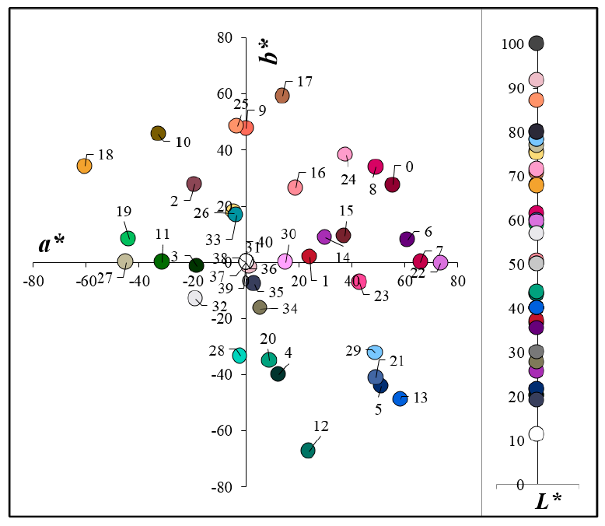
8 | 40 | 66 | 0 | 40.00000431 | 65.99997533 | 7.14E-06 | 184.3858723 | 6.984864808 | 96.73195484
9 | 61.39603109 | 59.81686041 | 34.68699829 | 61.39603552 | 49.18577563 | 34.04136218 | 238.4699022 | 107.8036658 | 90.9303869
10 | 40 | 49 | 90 | 40.01835218 | 0.128825281 | 47.50346723 | 113.3691287 | 92.41330126 | 0
11 | 40 | 69 | 120 | 40.14811169 | -32.87134981 | 45.64787528 | 57.78733172 | 106.6747502 | 0
12 | 40 | 60 | 185 | 43.22938069 | -31.25530246 | -0.102456361 | 0 | 115.4528664 | 101.426605
13 | 40 | 74 | 280 | 43.26642689 | 23.686534 | -67.40563231 | 0 | 96.19787003 | 215.5998646
14 | 40 | 76 | 320 | 40.0000027 | 58.21936611 | -48.85185476 | 144.5133373 | 48.61267849 | 175.381481
15 | 25.62930711 | 31.11158873 | 16.21096889 | 25.62930954 | 29.87458613 | 8.685580397 | 103.7988687 | 39.2764772 | 48.88803498
16 | 68.0344769 | 38.48573925 | 13.88689963 | 68.03448077 | 37.36083374 | 9.236818689 | 233.4217003 | 138.7471856 | 150.8053941
17 | 50.59986333 | 32.51589019 | 54.45118945 | 50.59986622 | 18.90460234 | 26.45560163 | 163.3645065 | 107.2752217 | 76.28049514
18 | 70.79079663 | 60.97848405 | 76.77515273 | 70.79080021 | 13.95021452 | 59.36133122 | 224.0832361 | 161.5823939 | 59.96943429
19 | 67.83646312 | 69.46734827 | 150.4339786 | 67.83646438 | -60.42184359 | 34.27700965 | 1.000179119 | 190.0000057 | 99.99998923
20 | 59.13643 | 44.62520541 | 169.5359844 | 59.1364311 | -43.88304871 | 8.104741425 | 5.043014235 | 161.3658505 | 126.8116721
21 | 43.83085145 | 35.9702406 | 284.3133569 | 43.83085272 | 8.892738566 | -34.85365536 | 79.19483846 | 101.807892 | 161.3845674
22 | 60 | 64 | 320 | 60.00000311 | 49.02683106 | -41.13840262 | 193.6972887 | 112.2399444 | 217.7956484
23 | 60 | 74 | 360 | 59.79217736 | 73.67913237 | -0.32847276 | 255 | 70.9965871 | 147.4568737
24 | 80 | 55 | 0 | 75.47275138 | 42.83944866 | -7.181794247 | 255 | 155.4103388 | 200.4386469
25 | 80 | 79 | 40 | 71.37946131 | 37.74252936 | 38.32489711 | 255 | 145.5397008 | 106.938145
26 | 87.21491789 | 48.48073843 | 93.90501633 | 87.21492135 | -3.301682984 | 48.36819027 | 242.3976986 | 217.7418023 | 125.216413
27 | 75.23174289 | 18.25409056 | 103.4890691 | 75.23174565 | -4.25795798 | 17.75054698 | 190.5117059 | 186.5449068 | 152.5861232
28 | 77.02251029 | 44.98297316 | 180.1578946 | 77.02251173 | -44.9828001 | -0.123960064 | 55.0000678 | 212.000006 | 188.999997
29 | 80 | 53 | 280 | 78.33641843 | -2.164604074 | -33.24843179 | 147.3745238 | 197.8742533 | 255
30 | 80 | 72 | 320 | 78.47200052 | 48.70421759 | -32.31029859 | 255 | 161.1280765 | 255
31 | 80 | 15 | 360 | 80.00000327 | 14.99998558 | 5.86E-06 | 226.4078124 | 188.8438157 | 198.8550401
32 | 91.7868775 | 2.05595694 | 304.089384 | 91.78688063 | 1.152322517 | -1.702664246 | 232.2127129 | 230.8295868 | 234.6799795
33 | 56.94340187 | 23.20934519 | 214.8025469 | 56.94340319 | -19.05774655 | -13.24673316 | 75.00001703 | 147.0000065 | 158.9999994
34 | 50.1324595 | 16.91675286 | 101.7122028 | 50.13246154 | -3.434039315 | 16.56454366 | 124.3246354 | 120.1258267 | 91.09167314
35 | 27.88568994 | 17.30203494 | 288.5290132 | 27.88569107 | 5.498321348 | -16.40514527 | 60.25196181 | 64.23194267 | 90.89959912
36 | 19.15074328 | 8.374412391 | 293.2966005 | 19.15074427 | 3.312001605 | -7.6916437 | 45.75780993 | 45.38079051 | 57.58722178
37 | 80 | 0 | 180 | 80.00000278 | -1.04E-05 | 5.10E-06 | 198.3283935 | 198.3283851 | 198.328388
38 | 50 | 0 | 158.2 | 50.00000191 | -7.13E-06 | 3.51E-06 | 118.9132886 | 118.9132834 | 118.9132852
39 | 30 | 0 | 90 | 30.00000133 | -4.97E-06 | 2.45E-06 | 70.6328927 | 70.63288936 | 70.63289051
40 | 100 | 1.80E-05 | 158.1985905 | 100 | -1.67E-05 | 6.67E-06 | 255 | 255 | 255
41 | 11.26361143 | 4.22E-06 | 158.1985905 | 11.26361143 | -3.92E-06 | 1.57E-06 | 30 | 30 | 30

