Sheet1
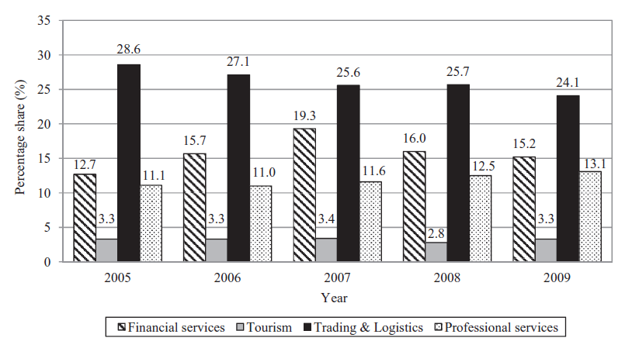
group | 2005 | 2006 | 2007 | 2008 | 2009
Trading & Logistics | 28.6 | 27.1 | 25.6 | 25.7 | 24.1
Financial services | 12.7 | 15.7 | 19.3 | 16 | 15.2
Professional services | 11.1 | 11 | 11.6 | 12.5 | 13.1
Tourism | 3.3 | 3.3 | 3.4 | 2.8 | 3.3

Sheet2
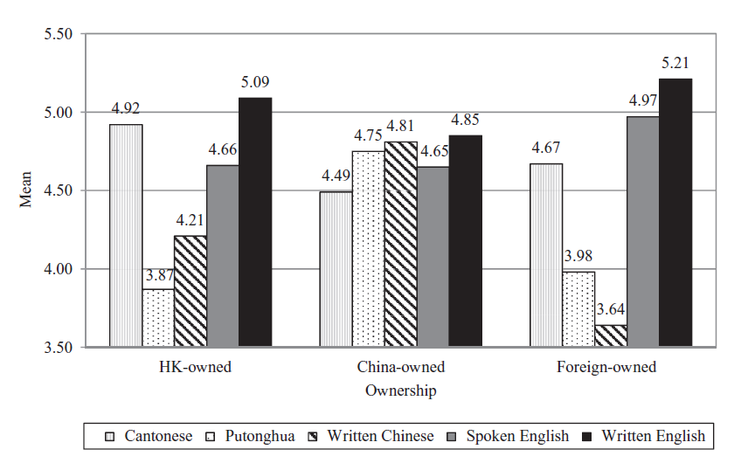
group | Written English | Cantonese | Spoken English | Written Chinese | Putonghua
HK-owned | 5.09 | 4.9 | 4.66 | 4.21 | 3.87
China-owned Ownership | 4.85 | 4.49 | 4.65 | 4.81 | 4.75
Foreign-owned | 5.21 | 4.67 | 4.97 | 3.64 | 3.98

