Introduction
INTRODUCTION TO RUNNING EXPERIMENTS WITH THE EASY EYES APP
THE TABLE. To run an experiment with the EasyEyes app, all you need is an EasyEyes table, which you create in a table editor like Google Sheets or Excel. The file format can be CSV (comma separated values) or XLSX (Excel). That table spells out all the details of your whole multi-block experiment. The table is just text and numbers, with no formulas. The table is compact and easy to read. For example the EasyEyes table for our first experiment, fontExperiment.xlsx, to measure crowding thresholds for two fonts at left and right eccentricites, has only 36 rows and 5 columns. The table is readable and fits on-screen with space to spare.
VOCABULARY. The atomic unit of most perception experiments is a "trial", which consists of presenting a stimulus to the participant, and getting the participant's response, e.g. pressing a key to identify a letter. Typically we adjust many parameters (10 to 100) to create an experimental condition and run many trials (e.g. 40) to measure a "threshold" for that condition. We organize time into blocks: block 1, then block 2, and so on. Within a block, we test one or more conditions, and randomly interleave all their trials.
THE TABLE. In an EasyEyes table, the first column is an alphabetic list of the parameters (all explained on the INPUT PARAMETERS sheet of this Glossary) that you are using to specify your experiment. Each row is devoted to the parameter named in its first cell. After the first column, the rest of the columns each specify an experimental condition (e.g. a crowding or acuity threshold with a particular font tested at a particular location). Each row presents the parameter name in the first cell, and the rest of the cells present the parameter's value for each condition. Each condition uses the parameter "conditionTrials" to request a number of trials. Your experiment consists of one or more blocks. Each block consists of one or more conditions. The trials of all the conditions in a block are randomly interleaved. The pre-processor will number the blocks 1, 2, and so on. The blocks run serially, one after another.
A TABLE. Below is a minimal EasyEyes table, with two blocks, each with a condition, to measure crowding thresholds in two fonts, Sloan and Verdana. When running this table, we'll be using default values for all unspecified parameters. Notice that its very compact, just three columns and 12 rows.

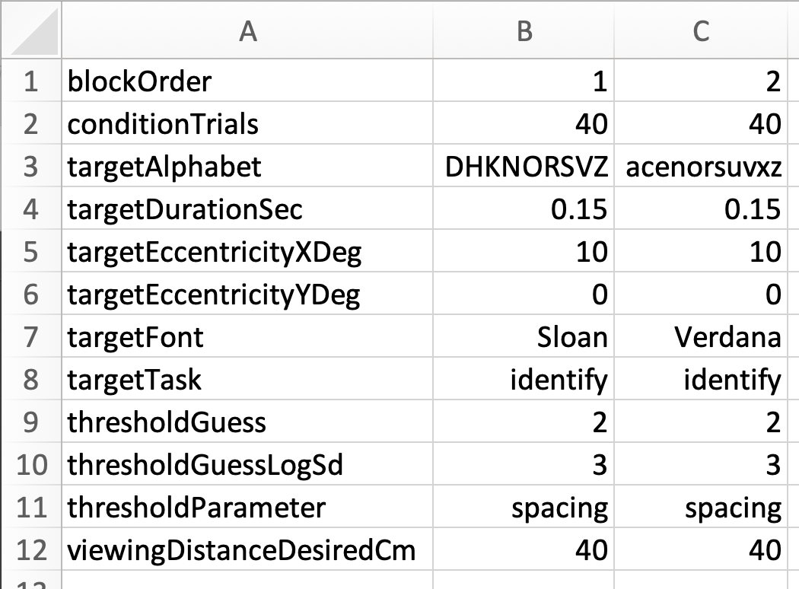
PARAMETER NAMES. For readability of your EasyEyes table, we recommend keeping the parameters in alphabetical order (you can use Excel's Data:Sort command to alphabetize), but it's not required. For most parameters, the units are indicated as a suffix (e.g. Deg or Pix, or "Yes" for boolean) . When you provide your EasyEyes table, our pre-processor checks every parameter against this glossary's list of input parameters ("Input parameters" sheet, columns A, D-I). Any unknown or repeated parameter in your table is flagged as an error, to protect against typos. The pre-processor also checks that each parameter's value has the correct type (i.e. integer, numerical, boolean, text, or categorical). If categorical, the text string must be a known category, e.g. thresholdParameter must be 'size' or 'spacing'. The error message will say which parameters in your table are erroneous, and if not recognized, might suggest the name of the known parameter that is the closest match. To proceed, you must fix the problem by editing your EasyEyes table.

