Write
WRITE AN EXPERIMENT.
1. CREATE AN EASY EYES TABLE. Once you've installed the software (click Install tab below), to run an EasyEyes experiment online, all you need is an EasyEyes table, which you create yourself in any spreadsheet app, such as Google Sheets or Excel, saving it as a CSV file (comma separated values). (As an example, you can download a sample table from the link at the right. Not yet available!) Your table spells out all the details of your whole multi-block experiment simply by assigning values to parameters, which are all explained in the Input Parameters Glossary sheet (click "Inputs" tab below). Your table is just text and numbers, with no formulas. Each row names a parameter and lists its values during the course of your experiment. The first column names the parameters, and each column after the first specifies an experimental "condition" by assigning values to the parameters. Optional parameters '_about', 'conditionName', and 'notes' allow you to provide explanatory comments. The table is compact and easy to read. For example, the EasyEyes table for our first experiment, fontExperiment.csv, to measure crowding thresholds for two fonts at ±10 deg eccentricities, has only 36 rows and 5 columns. The table is readable and fits on-screen with room to spare. | https://easyeyes.app/sampleTable.csv
2. RUN IT. Click the next tab, "Run". | https://easyeyes.app/threshold
EXPERIMENT, BLOCK, CONDITION, AND TRIAL. We organize time into "blocks": block 1, then block 2, and so on. An experiment consists of one or more blocks and typically occupies the participant's whole session. Within a block, we test one or more "conditions", and randomly interleave all their "trials". The basic unit of most perception experiments is a trial, which consists of presenting a stimulus to the participant, and getting the participant's response, e.g. pressing a key to identify a letter.
CONDITION, PARAMETER, AND THRESHOLD. You specify an experimental "condition" by setting the values of various parameters, i.e. named variables. The hundred available parameters are all explained in the Input Parameters Glossary page of this manual (click the "Inputs" tab below). Each parameter has a default value, which is used when you don't specify its value. Typically we set dozens of parameters to specify a condition, and we run many trials (e.g. 40) of that condition to measure a "threshold" for that condition. Threshold is defined as the spacing or size or contrast or eccentricity at which the observer attained an arbitrary criterion level of accuracy, which you can set by the "thresholdProbablity" parameter (with default 0.7). Other parameters allow you to set the condition name (e.g. crowding), number of trials (e.g. 40), and thresholdParameter (e.g. spacing).
THE TABLE. In an EasyEyes table, the first column is an alphabetic list of the parameters (all explained on the Inputs sheet of this manual; click tab below) that you are using to specify your experiment. Each row is devoted to the parameter named in its first cell. After the first column, the rest of the columns each specify an experimental condition (e.g. a crowding or acuity threshold with a particular font tested at a particular location). Each row presents the parameter name in the first cell, and the rest of the cells present the parameter's value for each condition. Each condition uses the parameter "conditionTrials" to request a number of trials. Your experiment consists of one or more blocks. Each block consists of one or more conditions. The trials of all the conditions in a block are randomly interleaved. The pre-processor will number the blocks 1, 2, and so on. The blocks run serially, one after another.
AN EXAMPLE. Below is a minimal EasyEyes table, with two blocks, each with one condition, to measure crowding thresholds in two fonts, Sloan and Verdana. When running any table, you get the default value (specified in the Input Parameters Glossary sheet) for any parameters that you don't assign a value to. Notice that the table is very compact, just three columns and 12 rows.

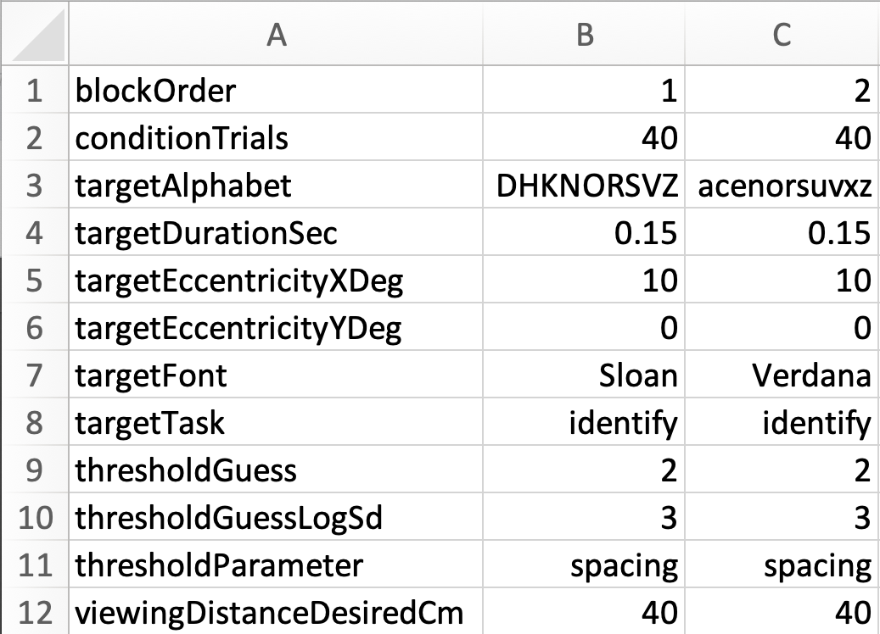
PARAMETER NAMES. For ease in reading your EasyEyes table, we recommend keeping the parameters in alphabetical order, but it's not required. In Google Sheets or Excel, you can use the Data:Sort command to alphabetize your rows. For most parameters, the units are indicated by the suffix (e.g. Deg for degrees, Pix for pixels, or "Bool" for boolean or true/false).
PRE-PROCESSING OF YOUR TABLE. When you provide your EasyEyes table, our pre-processor checks every parameter against this manual's list of input parameters and their types ("Input parameters glossary" sheet, columns A, D-I). For any parameter whose name begins with an underscore, like '_experimentName', you provide only one value, for the first condition, and the pre-processor copies that value to the rest of the conditions in your table. The pre-processor flags an error for each parameter in your table that is unknown (not in the glossary) or repeated. Knowing each parameter's type (integer, numerical, boolean, text, or categorical), it checks the values your table assigns and flags any invalid values. A "boolean" variable is logical, it must be TRUE or FALSE. If the parameter is categorical, then its value must be one of the known text strings (listed in this Glossary), e.g. currently thresholdParameter must be 'size' or 'spacing'. In the future we plan to add 'contrast' and 'eccentricity'. Each error message from the pre-processor displays the erroneous line from your table, and why it was flagged. To help you fix typos, for each unknown parameter (or category), it suggests the most similar possibility. If the pre-processor finds any error, then your table will not run. To proceed, you first must fix the problems by editing your EasyEyes table.

