Infrastructure
Communication tools
Website domain
Server hosting
Others

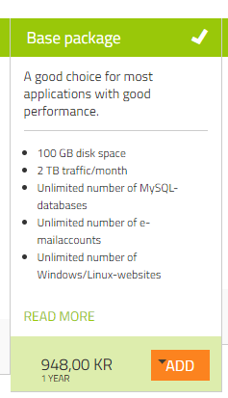
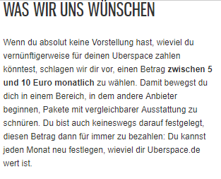
Website domain with binero |  |  | Server hosting service:
 |  |  |  | Monthly fee | 100
 | Registration fee domain: | 112 |  | TOTAL | 1200
 | Yearly fee base package | 948
 | TOTAL | 1060

