Sheet1
CA-1 blaze angle model
 | Unblazed | Blazed
0 | 1 | 0.0000001
0.66260192708 | 0.63385859146 | 7.5512097345E-05
1.325292491 | 0.1092468486 | 3.749201162E-05
1.9881604355 | 0.0067941832717 | 5.6587064417E-06
2.6512947181 | 0.046912071016 | 4.0653581419E-06
3.3147846181 | 0.0089141331236 | 3.7382911166E-05
3.9787198455 | 0.0062517358833 | 8.2426110072E-05
4.6431906512 | 0.015304298549 | 0.00010215640151
5.3082879396 | 0.00093506092943 | 7.6797007602E-05
5.9741033826 | 0.0054246517839 | 2.6704556397E-05
6.6407295372 | 0.00632030092 | 1.0357585752E-07
7.308259965 | 1.6356902011E-07 | 2.7502214923E-05
7.9767893564 | 0.0044145917363 | 8.425772431E-05
8.6464136579 | 0.0025715977662 | 0.00010853280822
9.3172302047 | 0.00031881901329 | 6.9259506669E-05
9.9893378571 | 0.0033390447693 | 1.1109254799E-05
10.662837144 | 0.00086201091911 | 9.3008526635E-06
11.337830411 | 0.00078651279486 | 7.1823510173E-05
12.014421978 | 0.0023124616624 | 0.00011641451379
12.692718299 | 0.00016226407013 | 7.7227306564E-05
13.372828137 | 0.0011045703159 | 8.9363948958E-06
14.054862745 | 0.0014290607381 | 1.906177231E-05
14.738936054 | 1.6356838165E-07 | 9.8354013017E-05
15.425164877 | 0.0012052133729 | 0.00011829174328
16.113669123 | 0.00075040759614 | 4.0981768317E-05
16.804572025 | 0.00010218636455 | 2.6163429715E-06
17.498000379 | 0.0011124059356 | 8.0667219214E-05
18.194084806 | 0.00029976266372 | 0.00013306647821
18.892960028 | 0.00029282188376 | 5.4515288929E-05
19.594765159 | 0.00089009989716 | 2.1828817936E-06
20.299644027 | 6.3719990027E-05 | 9.3322617067E-05
21.007745512 | 0.00046231143969 | 0.00013875130611
21.719223912 | 0.00061368725222 | 3.476110346E-05
22.43423934 | 1.6356731758E-07 | 1.9535416212E-05
23.152958153 | 0.00055313885047 | 0.00013984439821
23.87555341 | 0.00035093204059 | 0.00010909491473
24.602205379 | 5.0371488836E-05 | 5.9039457635E-07
25.333102081 | 0.00054981528709 | 9.9829035527E-05
26.068439883 | 0.0001498684044 | 0.0001573474893
26.808424148 | 0.0001524476529 | 1.6670491983E-05
27.553269947 | 0.00046744997646 | 7.1935344213E-05
28.303202828 | 3.340626779E-05 | 0.00018097186712
29.05845968 | 0.0002532631518 | 2.8649108645E-05
29.819289666 | 0.0003389021357 | 7.3496448925E-05
30.585955258 | 1.6356582789E-07 | 0.00019548480638
31.358733389 | 0.00031669780149 | 1.8231454841E-05
32.137916718 | 0.00020206570995 | 0.00011539565308
32.923815045 | 3.0209772529E-05 | 0.00018857544016
33.716756881 | 0.00032700399044 | 1.0370277022E-07
34.517091207 | 8.9264417129E-05 | 0.00020519271641
...
Author: | Michael Gully-Santiago
Date: | 2.2.2011 |  |  |  | anisotropic ratio
Desc: | CA1 Blaze Angle
 |  |  | abcdefghijklmnopqrstuvwxyz
Constants
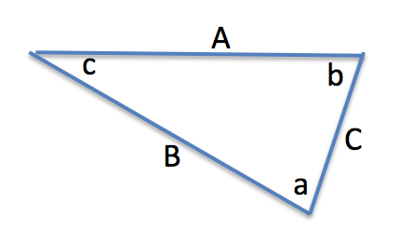
 | s | 27.36 | mm
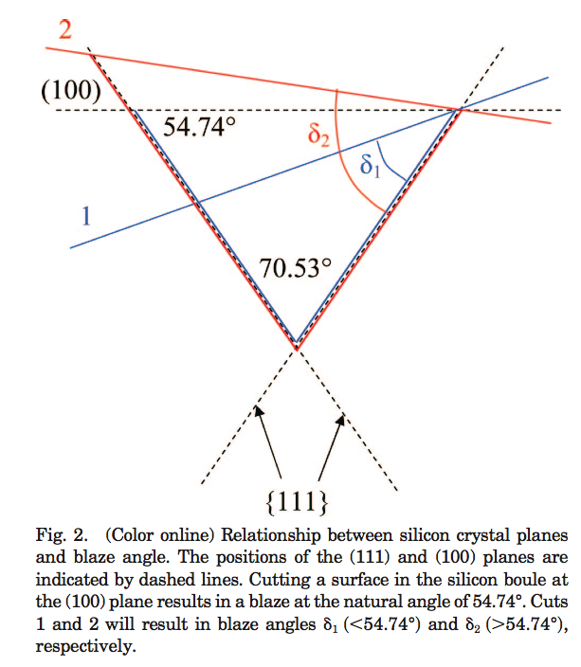
 | w | 17.4084 | mm
 | t | 9.9516 | mm
 | Si_natural | 70.53 | deg
 | l | 0.6328 | mm | 55.050046906

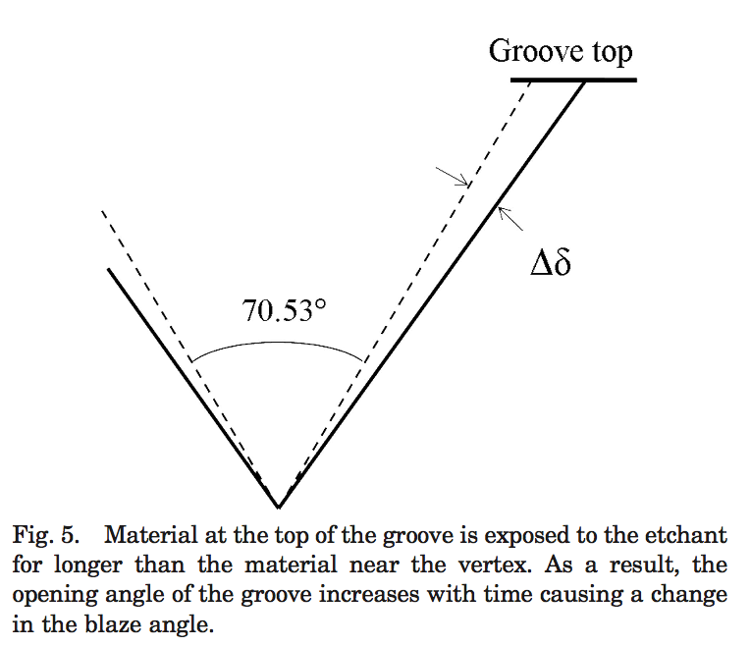
Parameters
50 | Dd | 0.8 | deg | anisotropic ratio
 | h | 17.63 | deg | Si boule cutting angle
50 | Dh | 0
 |  |  |  |  | Si boule cutting angle
Triangle
 | a | 72.13 | deg
 | b | 71.565 | deg
 | c | 36.305 | deg
 | A | 17.4084 | mm
 | B | 17.352207083 | mm
 | C | 10.829703342 | mm

Diffraction
 | 0.38 | 0.78 | 71.565051177
 | 71.985 | 71.585 | 71.785 | +/- | 0.2

 | order | Littrow d | Single Slit | Unblazed | Blazed | Blazed | Observed | Exp Time |  | Observed
 | m | q | d | I(q)/I0 | I(q)/I0 | I(q)/Imax | I | t | Flux | I(q)/Imax
 | -- | deg | mm | -- | -- | -- | counts | s | counts/s | --
 | 0 | 0 |  | 1 | 1.00E-07
CA-1 blaze angle: d=R3
 | 1 | 0.66260192708 | 10.829703342 | 0.63385859146 | 7.5512097345E-05
Chi Squared
 | 2 | 1.325292491 | 10.829703342 | 0.1092468486 | 3.749201162E-05
 | 3 | 1.9881604355 | 10.829703342 | 0.0067941832717 | 5.6587064417E-06
 | 4 | 2.6512947181 | 10.829703342 | 0.046912071016 | 4.0653581419E-06
 | 5 | 3.3147846181 | 10.829703342 | 0.0089141331236 | 3.7382911166E-05
 | 6 | 3.9787198455 | 10.829703342 | 0.0062517358833 | 8.2426110072E-05
 | 7 | 4.6431906512 | 10.829703342 | 0.015304298549 | 0.00010215640151
 | 8 | 5.3082879396 | 10.829703342 | 0.00093506092943 | 7.6797007602E-05
 | 9 | 5.9741033826 | 10.829703342 | 0.0054246517839 | 2.6704556397E-05
 | 10 | 6.6407295372 | 10.829703342 | 0.00632030092 | 1.0357585752E-07
 | 11 | 7.308259965 | 10.829703342 | 1.6356902011E-07 | 2.7502214923E-05
 | 12 | 7.9767893564 | 10.829703342 | 0.0044145917363 | 8.425772431E-05
 | 13 | 8.6464136579 | 10.829703342 | 0.0025715977662 | 0.00010853280822
 | 14 | 9.3172302047 | 10.829703342 | 0.00031881901329 | 6.9259506669E-05
 | 15 | 9.9893378571 | 10.829703342 | 0.0033390447693 | 1.1109254799E-05
 | 16 | 10.662837144 | 10.829703342 | 0.00086201091911 | 9.3008526635E-06
 | 17 | 11.337830411 | 10.829703342 | 0.00078651279486 | 7.1823510173E-05
 | 18 | 12.014421978 | 10.829703342 | 0.0023124616624 | 0.00011641451379
 | 19 | 12.692718299 | 10.829703342 | 0.00016226407013 | 7.7227306564E-05
 | 20 | 13.372828137 | 10.829703342 | 0.0011045703159 | 8.9363948958E-06
 | 21 | 14.054862745 | 10.829703342 | 0.0014290607381 | 1.906177231E-05
 | 22 | 14.738936054 | 10.829703342 | 1.6356838165E-07 | 9.8354013017E-05
 | 23 | 15.425164877 | 10.829703342 | 0.0012052133729 | 0.00011829174328
 | 24 | 16.113669123 | 10.829703342 | 0.00075040759614 | 4.0981768317E-05
 | 25 | 16.804572025 | 10.829703342 | 0.00010218636455 | 2.6163429715E-06
 | 26 | 17.498000379 | 10.829703342 | 0.0011124059356 | 8.0667219214E-05
 | 27 | 18.194084806 | 10.829703342 | 0.00029976266372 | 0.00013306647821
 | 28 | 18.892960028 | 10.829703342 | 0.00029282188376 | 5.4515288929E-05
 | 29 | 19.594765159 | 10.829703342 | 0.00089009989716 | 2.1828817936E-06
 | 30 | 20.299644027 | 10.829703342 | 6.3719990027E-05 | 9.3322617067E-05
 | 31 | 21.007745512 | 10.829703342 | 0.00046231143969 | 0.00013875130611
 | 32 | 21.719223912 | 10.829703342 | 0.00061368725222 | 3.476110346E-05
 | 33 | 22.43423934 | 10.829703342 | 1.6356731758E-07 | 1.9535416212E-05
 | 34 | 23.152958153 | 10.829703342 | 0.00055313885047 | 0.00013984439821
 | 35 | 23.87555341 | 10.829703342 | 0.00035093204059 | 0.00010909491473
 | 36 | 24.602205379 | 10.829703342 | 5.0371488836E-05 | 5.9039457635E-07
 | 37 | 25.333102081 | 10.829703342 | 0.00054981528709 | 9.9829035527E-05
 | 38 | 26.068439883 | 10.829703342 | 0.0001498684044 | 0.0001573474893
 | 39 | 26.808424148 | 10.829703342 | 0.0001524476529 | 1.6670491983E-05
 | 40 | 27.553269947 | 10.829703342 | 0.00046744997646 | 7.1935344213E-05
 | 41 | 28.303202828 | 10.829703342 | 3.340626779E-05 | 0.00018097186712
 | 42 | 29.05845968 | 10.829703342 | 0.0002532631518 | 2.8649108645E-05
 | 43 | 29.819289666 | 10.829703342 | 0.0003389021357 | 7.3496448925E-05
 | 44 | 30.585955258 | 10.829703342 | 1.6356582789E-07 | 0.00019548480638
 | 45 | 31.358733389 | 10.829703342 | 0.00031669780149 | 1.8231454841E-05
 | 46 | 32.137916718 | 10.829703342 | 0.00020206570995 | 0.00011539565308
 | 47 | 32.923815045 | 10.829703342 | 3.0209772529E-05 | 0.00018857544016
 | 48 | 33.716756881 | 10.829703342 | 0.00032700399044 | 1.0370277022E-07
 | 49 | 34.517091207 | 10.829703342 | 8.9264417129E-05 | 0.00020519271641
 | 50 | 35.325189447 | 10.829703342 | 9.3681471125E-05 | 0.00011170287606
 | 51 | 36.141447677 | 10.829703342 | 0.0002873031351 | 6.0504593403E-05
 | 52 | 36.966289126 | 10.829703342 | 2.0340686293E-05 | 0.00025745423994
 | 53 | 37.800167001 | 10.829703342 | 0.00015993333886 | 1.6054537267E-06
 | 54 | 38.643567693 | 10.829703342 | 0.00021428627178 | 0.00026358760509
 | 55 | 39.497014439 | 10.829703342 | 1.6356391262E-07 | 8.1677179525E-05
 | 56 | 40.361071502 | 10.829703342 | 0.00020510568005 | 0.00017840275675
 | 57 | 41.236348984 | 10.829703342 | 0.00013089342868 | 0.00020531990513
 | 58 | 42.123508377 | 10.829703342 | 2.0280094273E-05 | 9.8638781024E-05
 | 59 | 43.023268998 | 10.829703342 | 0.00021664653409 | 0.00030470818553
 | 60 | 43.936415499 | 10.829703342 | 5.8963538393E-05 | 6.0995867141E-05
 | 61 | 44.863806661 | 10.829703342 | 6.357556045E-05 | 0.00037028456647
 | 62 | 45.806385766 | 10.829703342 | 0.00019423530688 | 6.7388409902E-05
 | 63 | 46.765192899 | 10.829703342 | 1.3576185506E-05 | 0.00039877673487
 | 64 | 47.74137964 | 10.829703342 | 0.00011029561637 | 0.00014420420711
 | 65 | 48.736226749 | 10.829703342 | 0.00014747975869 | 0.00034064159188
 | 66 | 49.751165596 | 10.829703342 | 1.635615718E-07 | 0.00037424954898
 | 67 | 50.787804395 | 10.829703342 | 0.00014371208137 | 0.00012774518361
 | 68 | 51.847960587 | 10.829703342 | 9.1478583302E-05 | 0.0007430311789
 | 69 | 52.933701256 | 10.829703342 | 1.4649851547E-05 | 3.4921482195E-05
 | 70 | 54.04739414 | 10.717790319 | 0.0001540582198 | 0.00032547838191 | 0.00032602099673
 | 71 | 55.191772854 | 10.357294363 | 4.1706939377E-05 | 0.000512034663 | 0.00051288829143
 | 72 | 56.370021471 | 9.9905206894 | 4.6094856862E-05 | 0.00086053554088 | 0.00086197016563
 | 73 | 57.585885984 | 9.6163055946 | 0.00013999159102 | 0.0014532005732 | 0.0014556232477
 | 74 | 58.843823898 | 9.2332765935 | 9.6428012648E-06 | 0.0023239191042 | 0.0023277933798
 | 75 | 60.149209176 | 8.8397899832 | 8.0766291774E-05 | 0.0032845142677 | 0.0032899899805
 | 76 | 61.508619866 | 8.4338430032 | 0.00010757613585 | 0.0036585603676 | 0.0036646596639 |  |  |  |  |  | RESID
 | 77 | 62.930253198 | 8.0129467004 | 1.6355880546E-07 | 0.0023750383313 | 0.0023789978293
 | 78 | 64.424544806 | 7.5739356794 | 0.00010635261974 | 6.7623557619E-05 | 6.7736294891E-05 | 52975 | 2 | 26487.5 | 0.021018997444
 | 79 | 66.005130006 | 7.1126717764 | 6.7416086754E-05 | 0.0060110944641 | 0.006021115741 | 55363 | 2 | 27681.5 | 0.021966489014 |  | 7.0131871689
 | 80 | 67.690410855 | 6.6235592869 | 1.1142257825E-05 | 0.047074716523 | 0.047153196202 | 185667 | 2 | 92833.5 | 0.073667469532 |  | 0.31618203186
 | 81 | 69.506273065 | 6.0987013941 | 0.00011517043828 | 0.14304166326 | 0.14328013233 | 330330 | 2 | 165165 | 0.1310656994 |  | 0.0072673264714
70.498731504 | 82 | 71.491189943 | 5.5263093679 | 3.0971413175E-05 | 0.99833564454 | 1 | 415050 | 0.35 | 1260169.5238 | 1 |  | 0
72.599054797 | 83 | 73.706919651 | 4.8873550964 | 3.5038005553E-05 | 0.28640814238 | 0.28688562203 | 339904 | 0.5 | 679808 | 0.5 |  | 0.55183333979
 | 84 | 76.264818104 | 4.1473024272 | 0.0001056405176 | 0.004661506498 | 0.0046692778361 | 46909 | 4 | 11727.25 | 0.010236698124 |  | 1.421702026
 | 85 | 79.410123618 | 3.2295012665 | 7.1642302477E-06 | 0.046541754401 | 0.046619345563 | 113361 | 2 | 56680.5 | 0.044978472284 |  | 0.0012388471905
 | 86 | 84.005631095 | 1.8616845576 | 6.1772754551E-05 | 0.035003820931 | 0.035062176857
 |  |  |  |  |  |  |  |  |  |  |  | 9.3114107402

 |  |  |  | Max | 0.99833564454

 | 81b |  |  |  |  |  | 56502 | 0.35 | 161434.28571 | 0.12810521336
 | 82b |  |  |  |  |  | 435377 | 0.35 | 1243934.2857 | 0.98711662376
 | 83b |  |  |  |  |  | 216935 | 0.35 | 619814.28571 | 0.49184992495

 | 81c |  |  |  |  |  | 59492 | 0.35 | 169977.14286 | 0.13488434663
 | 82c |  |  |  |  |  | 446910 | 0.35 | 1276885.7143 | 1.0132650331 | 0.50163696797
 | 83c |  |  |  |  |  | 222864 | 0.35 | 636754.28571 | 0.50529256079

 | 81d |  |  |  |  |  | 317740 | 2 | 158870 | 0.12607033974
 | 82d |  |  |  |  |  | 440891 | 0.35 | 1259688.5714 | 0.99961834311
 | 83d |  |  |  |  |  | 223956 | 0.35 | 639874.28571 | 0.50776841816

